Sheet1
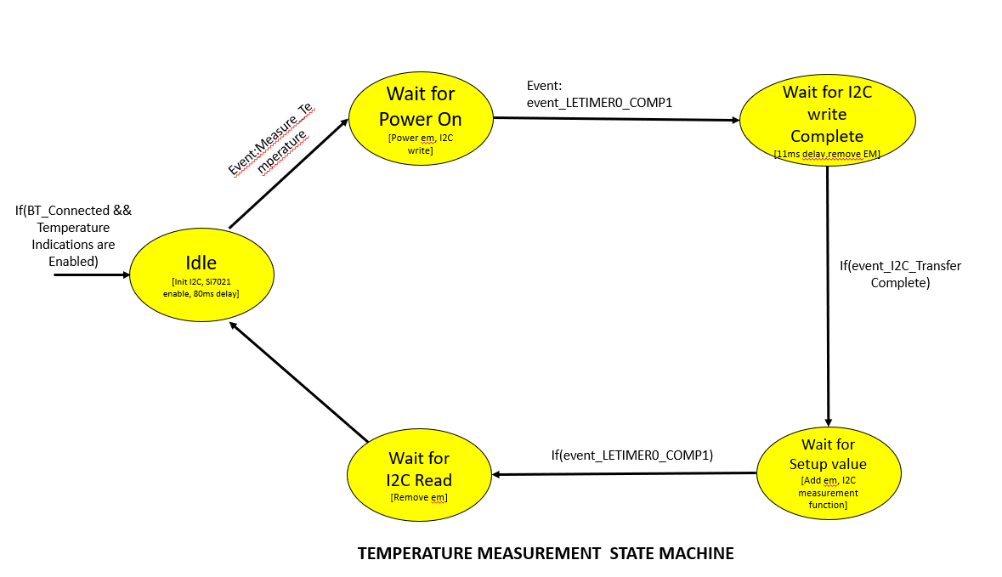
 | Server Command Table for A8

 | Use this table to help you design your program. Add rows as needed. | Use this column to describe when and what your LCD display changes to for rows like DISPLAY_ROW_CONNECTION | Use this column to describe when and what your LCD display changes to for rows like DISPLAY_ROW_9 | Use this column to denote if BT stack events cause your state machine to advance, you can put an X in the cell to note this. Drawing a bubble diagram of your state machine might also be a good idea 👍. | Commands that may be useful:
 | Event | LCD Display State | LCD Display State | Advances State Machine | Commands called in response to event | Notes
Events for Server to handle
 | sl_bt_evt_system_boot_id | Adverstising |  |  | This event is generated on stack boot up | You can also document in column D values that need to be saved in response to receiving BT stack events.
 |  |  |  |  | sl_bt_system_get_identity_address()
 |  |  |  |  | sl_bt_advertiser_create_set ()
 |  |  |  |  | sl_bt_advertiser_set_timing()
 |  |  |  |  | sl_bt_sm_configure() | Configure security requirements and I/O capabilities of the system
 |  |  |  |  | sl_bt_sm_delete_bondings() | Delete bonding from the server
 |  |  |  |  | sl_bt_advertiser_start() | Start Advertising

 | sl_bt_evt_connection_opened_id | Connected
 |  |  |  |  | sl_bt_advertiser_stop() | Stop advertising
 |  |  |  |  | sl_bt_connection_set_parameters() | Set connection parameters such as Connection Interval, Slave latency, Supervision Timeout

 | sl_bt_evt_connection_closed_id
 |  |  |  |  | sl_bt_sm_delete_bondings() | Delete the bonding data from server
 |  | Adverstising |  |  | sl_bt_advertiser_start() | Start Advertising

 | sl_bt_evt_sm_confirm_bonding_id |  |  |  | sl_bt_sm_bonding_confirm() | Accept the bonding request

 | sl_bt_evt_sm_confirm_passkey_id |  |  |  |  | Store the passkey in the Ble data strcture and Display it in the LCD to ask confirmation through PB0 button DISPLAY_ROW_PASSKEY = Passkey DISPLAY_ROW_ACTION = confirm with PB0

 | sl_bt_evt_sm_bonded_id | Bonded |  |  |  | Store bonded information into ble data structure

 | sl_bt_evt_sm_bonding_failed_id |  |  |  | sl_bt_connection_close() | Triggered when bonding fails

 | sl_bt_evt_system_external_signal_id |  | Button Pressed Button Released |  |  | Handle the Button press and Button release indications in this Event

 | sl_bt_evt_system_soft_timer_id |  |  |  |  | This event indicates that a soft timer has expired. Handle Read_queue() in this event

 | sl_bt_evt_gatt_server_characteristic_status_id |  |  |  |  | Temperature: Handle gatt server indication Handle gatt server disable Button Press: Handle gatt server indication Handle gatt server disable

 | sl_bt_evt_gatt_server_indication_timeout_id |  |  |  |  | Log Error when there is a tmeout.

 |  | Temperature Measurement State Machine

