Sheet1
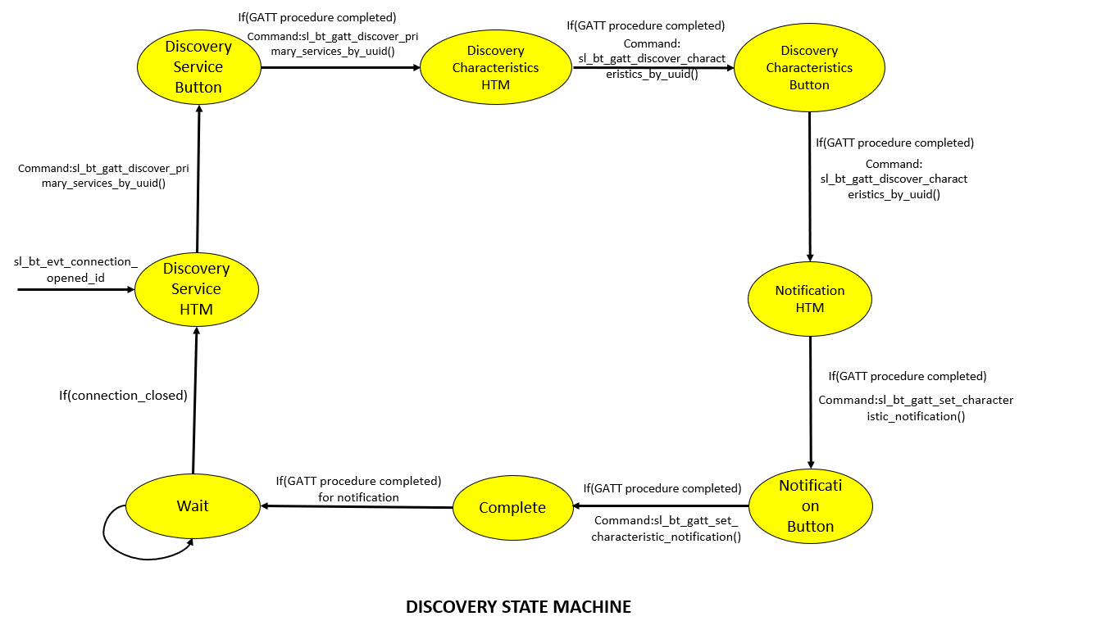
 | Client Command Table for A9

 | Use this table to help you design your program. Add rows as needed. | Use this column to describe when and what your LCD display changes to for rows like DISPLAY_ROW_CONNECTION | Use this column to denote if BT stack events cause your state machine to advance, you can put an X in the cell to note this. Drawing a bubble diagram of your state machine might also be a good idea 👍. | Commands that may be useful: sl_bt_gatt_discover_primary_services_by_uuid() sl_bt_gatt_discover_characteristics_by_uuid() sl_bt_gatt_set_characteristic_notification() sl_bt_gatt_send_characteristic_confirmation()
 | Event | LCD Display State | Advances State Machine | Commands called in response to event | Notes
Events Common to Slaves/Clients
 | sl_bt_evt_system_boot_id | Discovering |  | This event is generated on stack boot up | You can also document in column D values that need to be saved in response to receiving BT stack events.
 |  |  |  | sl_bt_scanner_set_mode()
 |  |  |  | sl_bt_scanner_set_timing()
 |  |  |  | sl_bt_connection_set_default_parameters()
 |  |  |  | sl_bt_scanner_start() | You should start and stop scanning just like you did with advertising for a Server.
 |  |  |  | sl_bt_sm_configure() | Configure security requirements and I/O capabilities of the system
 |  |  |  | sl_bt_sm_delete_bondings() | Delete all bonding information

 | sl_bt_evt_connection_opened_id | Connected | X | sl_bt_gatt_discover_primary_services_by_uuid()

 | sl_bt_evt_connection_closed_id | Discovering | X | sl_bt_scanner_start() | Re-start scan for advertising devices

 | sl_bt_evt_sm_confirm_bonding_id |  |  | sl_bt_sm_bonding_confirm() | Accept the bonding request

 | sl_bt_evt_sm_confirm_passkey_id |  |  |  | Store the passkey in the Ble data strcture and Display it in the LCD to ask confirmation through PB0 button DISPLAY_ROW_PASSKEY = Passkey DISPLAY_ROW_ACTION = confirm with PB0

 | sl_bt_evt_sm_bonded_id | Bonded |  |  | Store bonded information into ble data structure

 | sl_bt_evt_sm_bonding_failed_id |  |  | sl_bt_connection_close() | Triggered when bonding fails

 | sl_bt_evt_system_external_signal_id | Button Pressed Button Released |  |  | PB0 and PB1 Button Press and Release is handled. Button sequence to Enable/Disable Indications are handled.

 | sl_bt_evt_system_soft_timer_id |  |  |  | This event indicates that a soft timer has expired. DisplayUpdate() Function is called here inorder to refresh display. Dequeue Operation of queued indications is handled here.

Events only for Masters/Clients
 | sl_bt_evt_scanner_scan_report_id | Discovering |  | sl_bt_scanner_stop() sl_bt_connection_open() | Received for advertising or scan response packets generated by: sl_bt_scanner_start(). Is the bd_addr, packet_type and address_type what we expect for our Server? If yes: sl_bt_scanner_stop() sl_bt_connection_open()

 | sl_bt_evt_gatt_procedure_completed_id |  | X | sl_bt_gatt_discover_characteristics_by_uuid() sl_bt_gatt_set_characteristic_notification() sl_bt_sm_increase_security() | We get this event when it’s ok to call the next GATT command. It’s a good idea to check for returned error codes. This would be a great event to use to sequence your new state machine. Do not build your state machine into your handle_ble_event() function! Instead build a new state machine for A7. To Enhance the security of connection( bonding )

 | sl_bt_evt_gatt_service_id |  |  | A GATT service in the remote GATT database was discovered | Save ServiceHandle of HTM & Button in the private ble data structure

 | sl_bt_evt_gatt_characteristic_id |  |  | A GATT characteristic in the remote GATT database was discovered | Save Characteristic Handle of HTM & Button in the private ble data structure

 | sl_bt_evt_gatt_characteristic_value_id | Temperature value = __ C Button Pressed Button Released |  | sl_bt_gatt_send_characteristic_confirmation() | If an indication or notification has been enabled for a characteristic, this event is triggered whenever an indication or notification is received from the remote GATT server. Is the characteristic handle and att_opcode we expect? If yes: sl_bt_gatt_send_characteristic_confirmation() Sending confirmation to the server.

 |  | Discovery State Machine

