IGBT
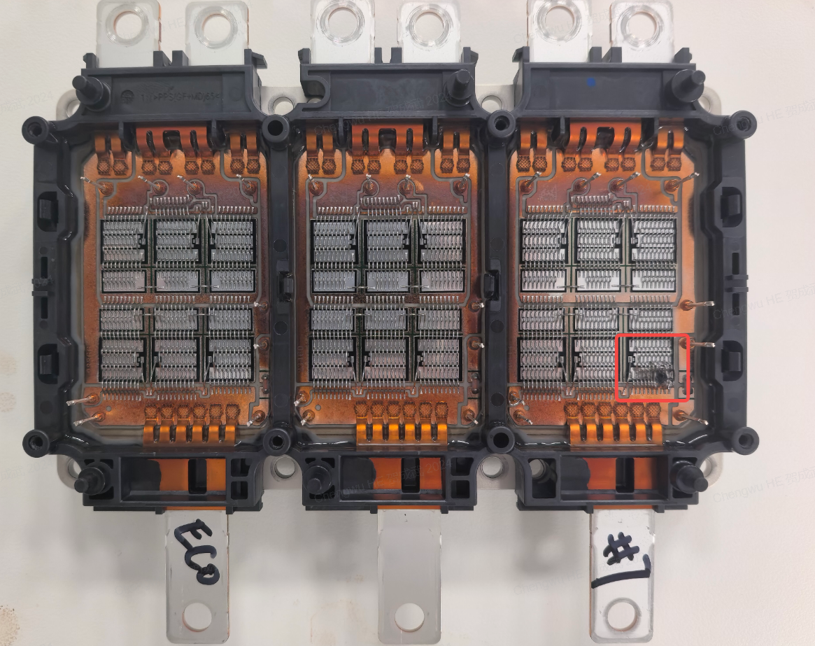
1
2
3
4
5
6
SN_ID | DBC_LOCATION | 芯片位置 | IGE4_30 | IGE5_R30 | VCE5_200 | BVCE3_1m | ICES7_1330 | RG | VTH5_10m
E3003161ABV40298001001K21200697 | U | 1 | 2.977 | -8.679 | 1.55 | 1347.094 | 91.966 | 2.515 | 5.638
E3003161ABV40298001001K21200697 | U | 2 | 2.343 | -8.191 | 1.547 | 1349.455 | 86.501 | 2.5 | 5.637
E3003161ABV40298001001K21200697 | U | 3 | 2.343 | -7.655 | 1.546 | 1349.991 | 89.575 | 2.487 | 5.644
E3003161ABV40298001001K21200697 | U | 4 | 2.392 | -7.313 | 1.549 | 1348.517 | 98.602 | 2.48 | 5.646
E3003161ABV40298001001K21200697 | U | 5 | 3.026 | -8.484 | 1.534 | 1350.338 | 94.357 | 2.465 | 5.646
E3003161ABV40298001001K21200697 | U | 6 | 3.172 | -8.484 | 1.549 | 1348.489 | 91.039 | 2.475 | 5.653
E3003161ABV40298001001K21200697 | V | 1 | 2.196 | -9.997 | 1.543 | 1352.369 | 98.749 | 2.452 | 5.631
E3003161ABV40298001001K21200697 | V | 2 | 2.343 | -9.411 | 1.545 | 1349.549 | 100.652 | 2.458 | 5.626
E3003161ABV40298001001K21200697 | V | 3 | 3.27 | -9.509 | 1.544 | 1353.232 | 106.458 | 2.454 | 5.631
E3003161ABV40298001001K21200697 | V | 4 | 2.879 | -9.118 | 1.546 | 1354.219 | 111.142 | 2.445 | 5.631
E3003161ABV40298001001K21200697 | V | 5 | 2.782 | -8.923 | 1.545 | 1349.847 | 98.553 | 2.455 | 5.628
E3003161ABV40298001001K21200697 | V | 6 | 2.538 | -9.362 | 1.543 | 1351.36 | 95.479 | 2.456 | 5.629
E3003161ABV40298001001K21200697 | W | 1 | 2.635 | -9.899 | 1.533 | 1349.879 | 88.209 | 2.44 | 5.693
E3003161ABV40298001001K21200697 | W | 2 | 2.928 | -10.631 | 1.546 | 1347.946 | 80.353 | 2.452 | 5.684
E3003161ABV40298001001K21200697 | W | 3 | 2.733 | -11.363 | 1.55 | 1350.668 | 83.623 | 2.47 | 5.676
E3003161ABV40298001001K21200697 | W | 4 | 2.392 | -12.729 | 1.545 | 1354.191 | 95.919 | 2.477 | 5.673
E3003161ABV40298001001K21200697 | W | 5 | 2.977 | -13.607 | 1.547 | 1348.079 | 94.65 | 2.498 | 5.663
E3003161ABV40298001001K21200697 | W | 6 | 2.294 | -14.486 | 1.544 | 1354.463 | 95.675 | 2.519 | 5.655
E3003161ABV40298001001K21201308 | U | 1 | 3.27 | -4.093 | 1.545 | 1350.05 | 44.441 | 2.151 | 5.707
E3003161ABV40298001001K21201308 | U | 2 | 3.026 | -4.288 | 1.546 | 1350.833 | 41.318 | 2.153 | 5.706
E3003161ABV40298001001K21201308 | U | 3 | 2.928 | -4.727 | 1.548 | 1354.34 | 43.221 | 2.17 | 5.702
E3003161ABV40298001001K21201308 | U | 4 | 2.343 | -7.02 | 1.545 | 1352.455 | 50.833 | 2.174 | 5.718
E3003161ABV40298001001K21201308 | U | 5 | 2.879 | -5.41 | 1.539 | 1349.869 | 43.319 | 2.184 | 5.695
E3003161ABV40298001001K21201308 | U | 6 | 2.733 | -4.337 | 1.547 | 1346.42 | 40.294 | 2.164 | 5.695
E3003161ABV40298001001K21201308 | V | 1 | 2.538 | -7.118 | 1.546 | 1351.33 | 45.271 | 2.164 | 5.709
E3003161ABV40298001001K21201308 | V | 2 | 2.831 | -5.508 | 1.548 | 1355.302 | 41.172 | 2.16 | 5.711
E3003161ABV40298001001K21201308 | V | 3 | 2.245 | -4.678 | 1.551 | 1351.604 | 42.831 | 2.16 | 5.709
E3003161ABV40298001001K21201308 | V | 4 | 3.319 | -5.069 | 1.545 | 1352.196 | 42.05 | 2.16 | 5.713
E3003161ABV40298001001K21201308 | V | 5 | 2.635 | -4.239 | 1.552 | 1348.593 | 42.002 | 2.174 | 5.707
E3003161ABV40298001001K21201308 | V | 6 | 2.538 | -4.678 | 1.548 | 1348.886 | 38.586 | 2.182 | 5.712
E3003161ABV40298001001K21201308 | W | 1 | 2.977 | -5.898 | 1.547 | 1353.07 | 41.855 | 2.173 | 5.704
E3003161ABV40298001001K21201308 | W | 2 | 2.684 | -7.069 | 1.545 | 1349.522 | 45.71 | 2.184 | 5.707
E3003161ABV40298001001K21201308 | W | 3 | 2.489 | -8.533 | 1.548 | 1348.886 | 43.27 | 2.186 | 5.713
E3003161ABV40298001001K21201308 | W | 4 | 2.782 | -9.362 | 1.547 | 1350.409 | 39.22 | 2.187 | 5.717
E3003161ABV40298001001K21201308 | W | 5 | 2.635 | -9.021 | 1.548 | 1353.556 | 45.612 | 2.174 | 5.723
E3003161ABV40298001001K21201308 | W | 6 | 2.635 | -7.655 | 1.547 | 1348.459 | 43.612 | 2.174 | 5.723
E3003161ABV40298001001K21800896 | U | 1 | 6.3 | -32.2 | 1.527 | 1341 | 143 | 2.219 | 5.556
E3003161ABV40298001001K21800896 | U | 2 | 6.2 | -28.9 | 1.527 | 1341 | 147 | 2.225 | 5.522
E3003161ABV40298001001K21800896 | U | 3 | 6 | -28.1 | 1.527 | 1341 | 128 | 2.244 | 5.508
E3003161ABV40298001001K21800896 | U | 4 | 6 | -28.2 | 1.527 | 1341 | 126 | 2.246 | 5.499
E3003161ABV40298001001K21800896 | U | 5 | 6.1 | -30 | 1.526 | 1341 | 136 | 2.225 | 5.532
E3003161ABV40298001001K21800896 | U | 6 | 6.3 | -33.3 | 1.525 | 1341 | 142 | 2.218 | 5.558
E3003161ABV40298001001K21800896 | V | 1 | 6.5 | -37.2 | 1.514 | 1341 | 150 | 2.174 | 5.606
E3003161ABV40298001001K21800896 | V | 2 | 6.5 | -36 | 1.511 | 1341 | 154 | 2.168 | 5.608
E3003161ABV40298001001K21800896 | V | 3 | 6.4 | -35.7 | 1.495 | 1341 | 167 | 2.166 | 5.591
E3003161ABV40298001001K21800896 | V | 4 | 6.3 | -38.1 | 1.488 | 1341 | 157 | 2.087 | 5.63
E3003161ABV40298001001K21800896 | V | 5 | 6.2 | -36.2 | 1.497 | 1341 | 162 | 2.156 | 5.61
E3003161ABV40298001001K21800896 | V | 6 | 6.4 | -36.5 | 1.511 | 1341 | 155 | 2.172 | 5.61
E3003161ABV40298001001K21800896 | W | 1 | 6.3 | -30 | 1.517 | 1341 | 147 | 2.182 | 5.603
E3003161ABV40298001001K21800896 | W | 2 | 6.3 | -32.2 | 1.522 | 1341 | 138 | 2.179 | 5.623
E3003161ABV40298001001K21800896 | W | 3 | 6.5 | -34.4 | 1.521 | 1341 | 145 | 2.173 | 5.64
E3003161ABV40298001001K21800896 | W | 4 | 6.5 | -35.7 | 1.523 | 1341 | 151 | 2.177 | 5.657
E3003161ABV40298001001K21800896 | W | 5 | 6.6 | -36.9 | 1.522 | 1341 | 153 | 2.164 | 5.648
E3003161ABV40298001001K21800896 | W | 6 | 6.6 | -37.1 | 1.522 | 1341 | 152 | 2.167 | 5.653
E3003161ABV40298001001K22002764 | U | 1 | 6.8 | -38.3 | 1.528 | 1341 | 75 | 2.257 | 5.729
E3003161ABV40298001001K22002764 | U | 2 | 6.8 | -37.6 | 1.524 | 1341 | 74 | 2.251 | 5.743
E3003161ABV40298001001K22002764 | U | 3 | 6.8 | -36.5 | 1.526 | 1341 | 71 | 2.237 | 5.737
E3003161ABV40298001001K22002764 | U | 4 | 6.8 | -35 | 1.528 | 1341 | 74 | 2.225 | 5.73
E3003161ABV40298001001K22002764 | U | 5 | 6.7 | -33.2 | 1.531 | 1341 | 70 | 2.225 | 5.721
E3003161ABV40298001001K22002764 | U | 6 | 6.6 | -31.4 | 1.527 | 1340 | 64 | 2.215 | 5.71
E3003161ABV40298001001K22002764 | V | 1 | 6.6 | -39.5 | 1.521 | 1341 | 92 | 2.39 | 5.718
E3003161ABV40298001001K22002764 | V | 2 | 6.5 | -38.4 | 1.515 | 1341 | 85 | 2.388 | 5.72
E3003161ABV40298001001K22002764 | V | 3 | 6.4 | -39 | 1.511 | 1341 | 75 | 2.394 | 5.746
E3003161ABV40298001001K22002764 | V | 4 | 6.5 | -39.5 | 1.515 | 1341 | 77 | 2.387 | 5.743
E3003161ABV40298001001K22002764 | V | 5 | 6.6 | -39.4 | 1.514 | 1341 | 85 | 2.381 | 5.727
E3003161ABV40298001001K22002764 | V | 6 | 6.7 | -40.3 | 1.517 | 1341 | 97 | 2.384 | 5.718
E3003161ABV40298001001K22002764 | W | 1 | 6.8 | -43 | 1.52 | 1341 | 80 | 2.408 | 5.716
E3003161ABV40298001001K22002764 | W | 2 | 6.8 | -44.5 | 1.517 | 1341 | 82 | 2.422 | 5.727
E3003161ABV40298001001K22002764 | W | 3 | 6.7 | -45.7 | 1.522 | 1341 | 85 | 2.423 | 5.731
E3003161ABV40298001001K22002764 | W | 4 | 6.7 | -46.1 | 1.518 | 1341 | 85 | 2.421 | 5.725
E3003161ABV40298001001K22002764 | W | 5 | 6.6 | -45.6 | 1.525 | 1341 | 84 | 2.408 | 5.717
E3003161ABV40298001001K22002764 | W | 6 | 6.7 | -44.3 | 1.519 | 1341 | 80 | 2.403 | 5.713

