DASHBOARD
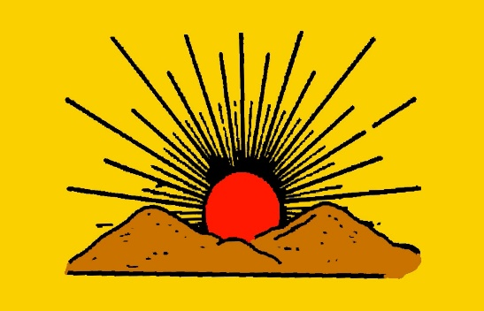
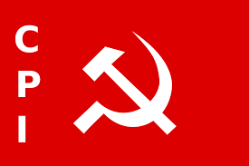
2019 INDIAN STATES EXLECTION ANALYSIS

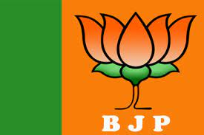
category polling
 | ST
AHFBK | 16589
BBC | 7162
BSP | 16537
IND | 13918
JHP | 13693
JMM | 18238
SWSP | 2069
 | Sum of TOTAL VOTES | Max of OVER TOTAL VOTES POLLED IN CONSTITUENCY VOTE %
AAAP | 26147 | 0.891566878
AAHPty | 3434 | 0.324419206
AAM | 32218 | 1.38403622
ABJS | 3597 | 0.332297425
AHFBK | 23252 | 1.773335086
AIFB | 16454 | 0.606675644
AIMIM | 295029 | 26.78050135
AITC | 5483 | 0.497705273
AJPR | 31017 | 1.218707383
AKBHAD | 4378 | 0.437740905
AKBMP | 10127 | 1.049749872
AMiP | 11311 | 0.802451078
ANC | 12431 | 1.429596594
APKSP | 8354 | 0.774372479
APoI | 25234 | 2.136888688
ASDHP | 11598 | 0.412232977
BALP | 12270 | 0.776914654
BBC | 19003 | 0.691018592
BBMP | 9894 | 1.03314976
BDlP | 15376 | 0.872087207
BHAIP | 1613 | 0.170938359
BhAmAP | 9628 | 0.892465673
BHAPRAP | 4965 | 0.288116572
BhNP | 5674 | 0.536038023
BJAZP | 1814 | 0.180510624
BJKD | 23414 | 0.822825335
BJKVP | 40906 | 1.111364719
BJP | 9619548 | 63.00175625
BKVP | 3778 | 0.349018535
BLND | 32445 | 0.778077046
BLRP | 4208 | 0.225027474
BLSP | 1462518 | 36.09538771
BMF | 23765 | 0.599588709
BMtrP | 12737 | 0.655329188
BMUP | 63443 | 1.72543004
BNDl | 26065 | 1.773860529
BNSKP | 2640 | 0.271328864
BRM | 7944 | 0.829527157
BSP | 682428 | 8.856912371
BSSPA | 3615 | 0.367060974
CPI | 280250 | 22.01184995
CPI(ML)(L) | 545096 | 38.7259992
CPM | 27577 | 2.843394215
GJNP | 11678 | 0.612666178
HAMS | 956501 | 38.18074142
HND | 10966 | 0.690213688
INC | 3140797 | 44.90967898
IND | 2227705 | 13.63420565
JANADIP | 34770 | 0.755309129
JAPL | 97631 | 8.507021292
...

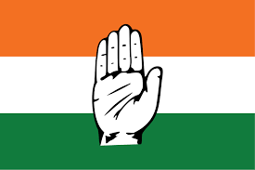

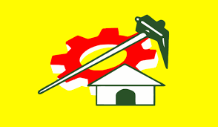

 | Sum of POSTAL VOTES | Sum of GENERAL VOTES
Bihar | 139317 | 40667344

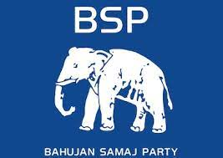
 | Total
FEMALE | 4251079
MALE | 35738632
(blank) | 816950

Sheet2
Column1 | Column2 | Party symbol
Andaman and Nicobar Islands | Bharatiya Janata Party (BJP)
Andhra Pradesh | Yuvajana Sramika Rythu Congress Party (YSRCP) | 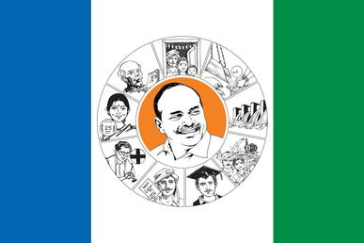
Arunachal Pradesh | Bharatiya Janata Party (BJP)
Assam | Bharatiya Janata Party (BJP)
Bihar | Bharatiya Janata Party (BJP) and Janata Dal (United) (Alliance) | 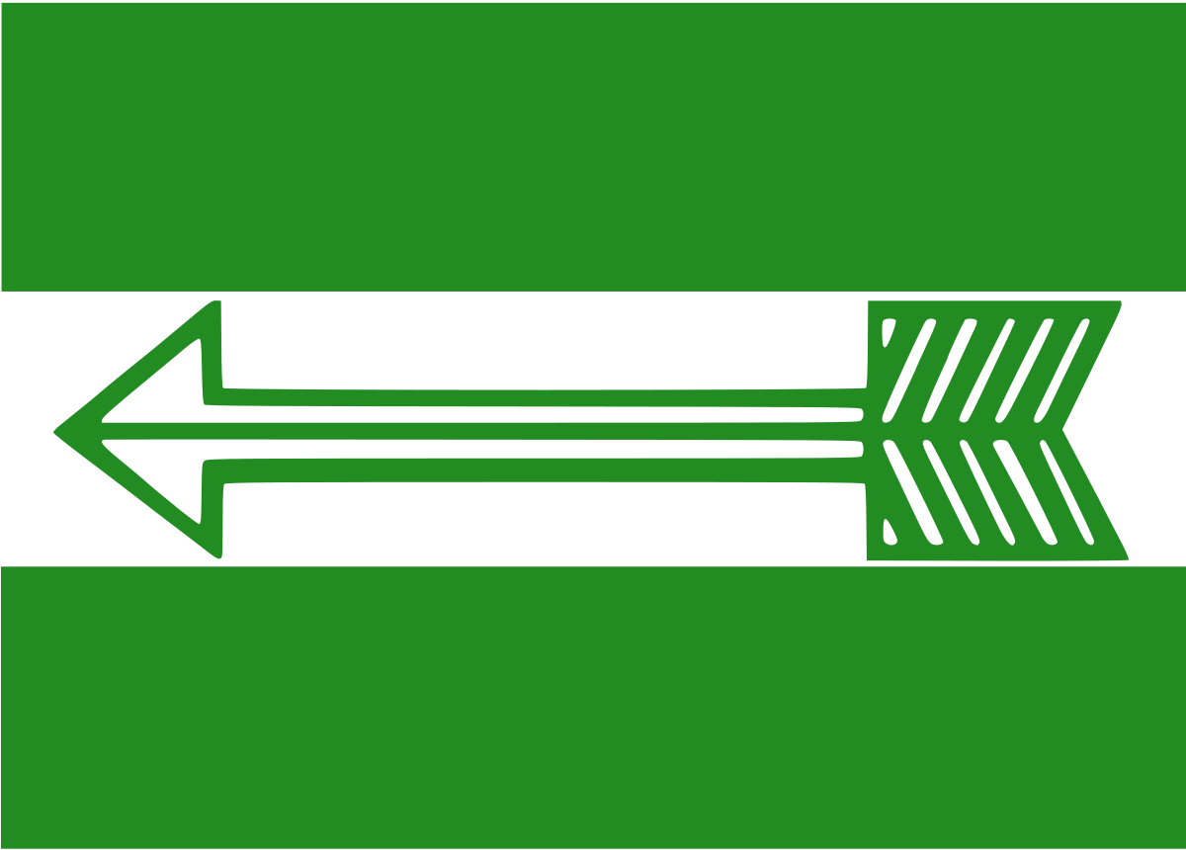
Chandigarh | Bharatiya Janata Party (BJP)
Chandigarh | Bharatiya Janata Party (BJP)
Chhattisgarh | Indian National Congress (INC)
Dadra and Nagar Haveli and Daman and Diu | Bharatiya Janata Party (BJP)
Dadra and Nagar Haveli and Daman and Diu | Bharatiya Janata Party (BJP)
Delhi | Bharatiya Janata Party (BJP)
Goa | Bharatiya Janata Party (BJP)
Gujarat | Bharatiya Janata Party (BJP)
Haryana | Bharatiya Janata Party (BJP)
Himachal Pradesh | Bharatiya Janata Party (BJP)
Jharkhand | Bharatiya Janata Party (BJP)
Karnataka | Bharatiya Janata Party (BJP)
Kerala | Left Democratic Front (LDF) led by the Communist Party of India (Marxist) | 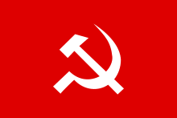
Lakshadweep | Nationalist Congress Party (NCP)
Lakshadweep | Nationalist Congress Party (NCP)
Madhya Pradesh | Bharatiya Janata Party (BJP)
Maharashtra | Bharatiya Janata Party (BJP) and Shiv Sena (Alliance) | 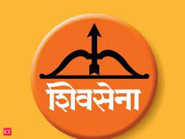
Manipur | Bharatiya Janata Party (BJP)
Meghalaya | National People's Party (NPP) | 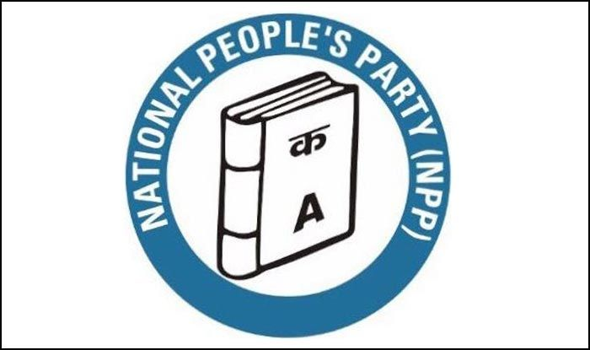
Mizoram | Mizo National Front (MNF) | 
Nagaland | Nationalist Democratic Progressive Party (NDPP) | 
Odisha | Biju Janata Dal (BJD) | 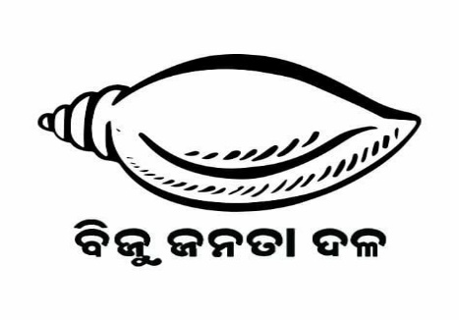
Puducherry | All India N.R. Congress (AINRC)
Puducherry | All India N.R. Congress (AINRC)
Punjab | Indian National Congress (INC)
Rajasthan | Bharatiya Janata Party (BJP)
Sikkim | Sikkim Krantikari Morcha (SKM) | 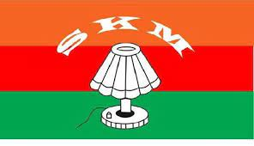
Tamil Nadu | All India Anna Dravida Munnetra Kazhagam (AIADMK) | 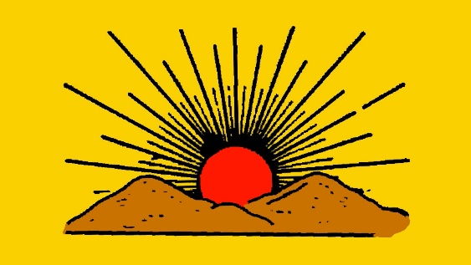
Telangana | Telangana Rashtra Samithi (TRS) | 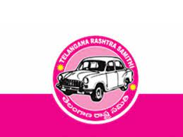
Tripura | Bharatiya Janata Party (BJP)
Uttar Pradesh | Bharatiya Janata Party (BJP)
Uttarakhand | Bharatiya Janata Party (BJP)
West Bengal | All India Trinamool Congress (AITC) | 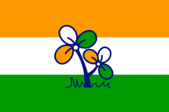
 |  |  | Row Labels | start_here
 |  |  | All India Anna Dravida Munnetra Kazhagam (AIADMK)
 |  |  | All India N.R. Congress (AINRC)
 |  |  | All India Trinamool Congress (AITC)
 |  |  | Bharatiya Janata Party (BJP)
 |  |  | Bharatiya Janata Party (BJP) and Janata Dal (United) (Alliance)
 |  |  | Bharatiya Janata Party (BJP) and Shiv Sena (Alliance)
 |  |  | Biju Janata Dal (BJD)
 |  |  | Indian National Congress (INC)
 |  |  | Left Democratic Front (LDF) led by the Communist Party of India (Marxist)
 |  |  | Mizo National Front (MNF)
 |  |  | National People's Party (NPP)
 |  |  | Nationalist Congress Party (NCP)
 |  |  | Nationalist Democratic Progressive Party (NDPP)
 |  |  | Sikkim Krantikari Morcha (SKM)
 |  |  | Telangana Rashtra Samithi (TRS)
 |  |  | Yuvajana Sramika Rythu Congress Party (YSRCP)

