1-1 BPS_Requirement
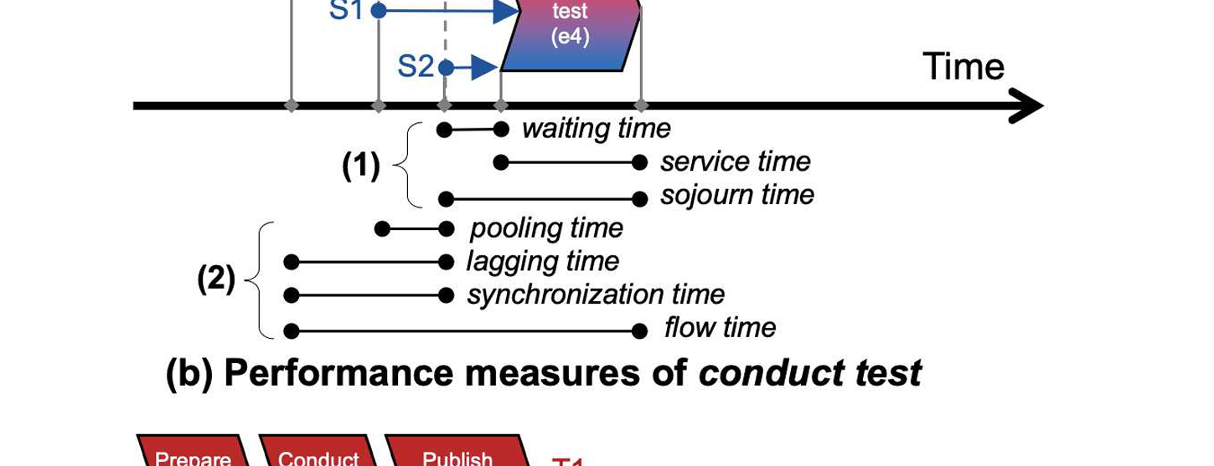
ID | Perspective | Requirement | Description | References | Review status | Review note / reason
LR-CF1 | Control-flow | The simulation model shall explicitly define activities. | The model must identify the executable units of behavior whose occurrences are simulated. | Aalst 2010, Business Process Simulation Revisited; Dumas et al. 2018, Fundamentals of Business Process Management; Aalst 2015, Business Process Simulation Survival Guide; Chapela-Campa et al. 2025, SIMOD: Automated Discovery of Business Process Simulation Models; Martin et al. 2016, The Use of Process Mining in Business Process Simulation Model Construction: Structuring the Field | OK | Keep as literature-derived baseline. Broadly supported by both traditional BPS and object-centric event-log literature.
LR-CF2 | Control-flow | The simulation model shall define activity ordering and control-flow constructs. | The model must specify possible execution paths, including sequence, branching, concurrency, loops, splits, and joins. | Aalst 2010, Business Process Simulation Revisited; Rosenthal et al. 2021, Business Process Simulation on Procedural Graphical Process Models: Structuring Overview and Paths for Future Research; Dumas et al. 2018, Fundamentals of Business Process Management; Jadrić et al. 2020, Process Mining Contributions to Discrete-Event Simulation Modelling; Tsinarakis et al. 2022, A Discrete Process Modelling and Simulation Methodology for Industrial Systems within the Concept of Digital Twins; Camargo et al. 2020, Automated Discovery of Business Process Simulation Models from Event Logs; Martin et al. 2016, The Use of Process Mining in Business Process Simulation Model Construction: Structuring the Field | OK | Keep. Core control-flow requirement; object-centric references extend rather than replace the case-centric basis.
LR-CF3 | Control-flow | The simulation model shall specify routing logic. | The model must specify how alternative paths are selected, for example through probabilities, conditions, or rules. | Aalst 2010, Business Process Simulation Revisited; Rosenthal et al. 2021, Business Process Simulation on Procedural Graphical Process Models: Structuring Overview and Paths for Future Research; WfMC 2016, Business Process Simulation Specification, Version 2.0; Martin et al. 2016, The Use of Process Mining in Business Process Simulation Model Construction: Structuring the Field; Aalst 2015, Business Process Simulation Survival Guide; Savickas & Vasilecas 2018, An Approach to Business Process Simulation Using Mined Probabilistic Models; de Leoni et al. 2023, Investigating the Influence of Data-Aware Process States on Activity Probabilities in Simulation Models; Chapela-Campa et al. 2025, SIMOD: Automated Discovery of Business Process Simulation Models; Camargo et al. 2020, Automated Discovery of Business Process Simulation Models from Event Logs | OK | Keep. Routing logic is required for executable simulation; later gap table can extend this to multi-object routing.
LR-DR1 | Data/rules | The model shall represent event attribute values relevant to process execution and simulation behaviour. | The model must represent event attributes that influence or describe process execution, such as the location at which it is executed. | Martin et al. 2016, The Use of Process Mining in Business Process Simulation Model Construction: Structuring the Field; Jadrić et al. 2020, Process Mining Contributions to Discrete-Event Simulation Modelling; Savickas & Vasilecas 2018, An Approach to Business Process Simulation Using Mined Probabilistic Models; Pourbafrani & Aalst 2022, Discovering System Dynamics Simulation Models Using Process Mining |  | 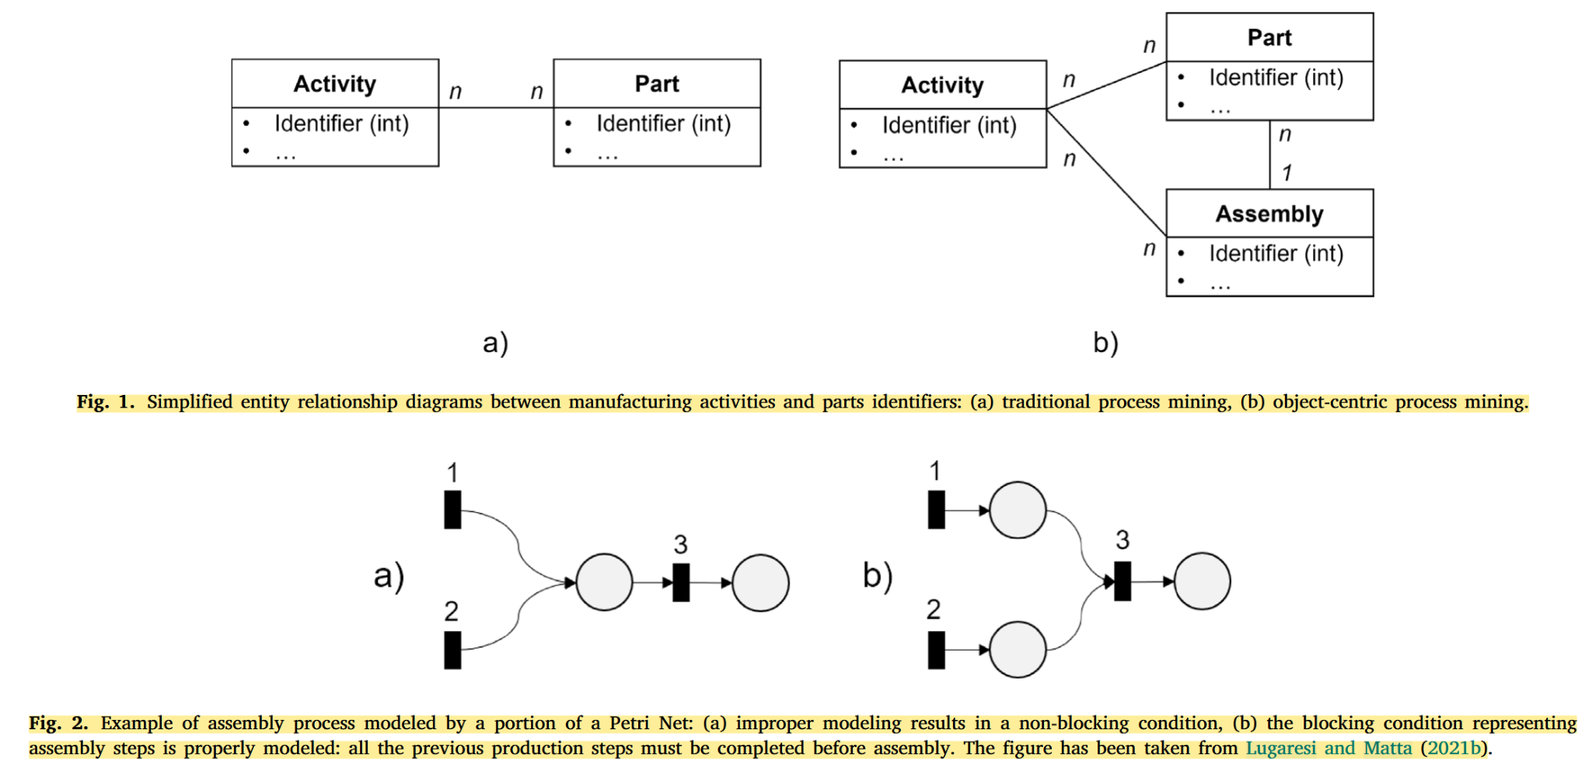
LR-RO1 | Resource/organization | The simulation model shall specify the required resource category for each activity that requires resources. | This requirement states that the model must identify what kind of resource is needed to execute an activity. A resource category may refer to a resource type, role, pool, group, profile, staff category, performer role, organizational position, or another classification used in the model. In models that represent resources at the individual level, the category may be represented by an explicitly defined set of individual resource units that can perform the activity. This requirement only concerns the activity-level resource requirement; it does not specify how many resource units are needed or how a concrete resource unit is selected for a specific activity instance. | WfMC 2016, Business Process Simulation Specification, Version 2.0; Martin et al. 2016, The Use of Process Mining in Business Process Simulation Model Construction: Structuring the Field; Camargo et al. 2020, Automated Discovery of Business Process Simulation Models from Event Logs; Chapela-Campa et al. 2025, SIMOD: Automated Discovery of Business Process Simulation Models; López-Pintado et al. 2024, Discovery, Simulation, and Optimization of Business Processes with Differentiated Resources; Wagner (2023) DPMN; Ougaabal et al. 2020, Visual Workflow Process Modeling and Simulation Approach Based on Non-Functional Properties of Resources; El Kassis et al. 2023, Bridging the Gap Between Business Process and Simulation: Transformation from BPMN to DEVS;Mesabbah et al. 2019, A Hybrid Process Mining Framework for Automated Simulation Modelling for Healthcare | OK | Keep. Resource representation is a standard BPS requirement.
LR-RO2 | Resource/organization | The simulation model shall specify the required number of resource units for each activity that requires resources. | This requirement states that the model must specify the quantity or cardinality of resources needed before an activity instance can start. For example, an activity may require one clerk, two nurses, or one machine and one operator. This requirement concerns the number of required resource units; it does not determine which concrete resource unit is selected. | Martin et al. (2016)、WfMC/BPSim (2016)、Wagner (2023)、El Kassis et al. (2023)
LR-RO3 | Resource/organization | The simulation model shall specify which resources are eligible to execute each activity. | This requirement states that the model must define which resources are allowed to execute a given activity. Eligibility criteria may be based on role, pool, profile, skill, permission, organizational group, or other explicitly modelled resource properties. This requirement concerns whether a resource is eligible; it does not define how one eligible resource is selected when several eligible resources are available. | Martin et al. (2016); WfMC/BPSim (2016); Camargo et al. (2020); Chapela-Campa et al. / SIMOD (2025); Wagner (2023); El Kassis et al. (2023); López-Pintado et al. (2024). Mesabbah & McKeever (2018)、Mesabbah et al. (2019)、Ougaabal et al. (2020) López-Pintado & Dumas (2024/2025), 77-Business | OK | Keep. Resource allocation is core; object-centric extension can address multi-object allocation separately.
LR-RO4 | Resource/organization | The simulation model shall specify the rule for selecting a resource from the eligible resources for an activity instance. | This requirement states that the model must define how a concrete resource is assigned to an activity instance when multiple eligible resources exist. Selection rules may be based on availability, workload, random choice, resource name, role, profile, or other explicitly modelled criteria. This requirement concerns resource selection; it is distinct from queue ordering among activity instances waiting for resources. | WfMC/BPSim (2016); Martin et al. (2016); El Kassis et al. (2023); López-Pintado et al. (2024).López-Pintado & Dumas (2024/2025), 77-Business | OK | Keep. Resource availability/capacity is core BPS; object-centric support is partial.
LR-RO5 | Resource/organization | The simulation model shall specify the availability schedule of each represented resource unit or resource category. | This requirement states that the model must represent the temporal availability of resources. Availability may be represented through calendars, schedules, working-time periods, shifts, breaks, or other explicit time-dependent availability specifications. This requirement concerns when resources can be used; it does not define how many resource units are available. | WfMC (2016); Martin et al. (2016); Chapela-Campa et al. (2025); López-Pintado et al. (2024); Mesabbah et al. (2019)；Camargo et al. 2020, Automated Discovery; Chapela-Campa et al. (2025) 396-Aframewor；López-Pintado & Dumas (2024/2025), 77-Business Wagner、El Kassis、Jadrić、Pourbafrani (supporting / weak / future-work / background)
LR-RO6 | Resource/organization | The simulation model shall specify the number of available resource units for each resource category. | This requirement states that the model must represent the amount of resource capacity available for activity execution. The number of resource units may be specified for a resource pool, role, profile, group, or individual-resource set. This requirement concerns the number of available units; it does not imply multitasking or concurrent execution unless this is separately specified. | WfMC (2016); Camargo et al. (2020); López-Pintado et al. (2024); Chapela-Campa et al. (2025); van der Aalst et al. (2008). Wagner (2023) DPMN; Chapela-Campa et al. (2025) 396-Aframewor； Mesabbah et al. 2019, A Hybrid Process Mining Framework for Automated Simulation Modelling for Healthcare;
LR-RO7 | Resource/organization | The simulation model shall allow the processing time of an activity instance to depend on the executing resource or resource profile. | This requirement states that the model must support resource-dependent processing-time behaviour when different resources or resource profiles execute the same activity at different speeds. Processing-time parameters may be specified by resource, resource profile, role, pool, or another explicitly modelled resource classification. This requirement concerns processing-time variation; it does not require all possible resource attributes to be modelled unless those attributes are explicitly used to determine performance parameters. | López-Pintado et al. (2024); Chapela-Campa et al. (2025); Ougaabal et al. (2020); Martin et al. (2016)；López-Pintado & Dumas 2024, 77-Business
LR-RO8 | Resource/organization | The simulation model shall specify the queue ordering rule for activity instances waiting for resources. | This requirement states that the model must define how activity instances are ordered when they wait because required resources are unavailable. Queue ordering may follow FIFO, LIFO, priority-based ordering, or another explicitly defined rule. This requirement concerns ordering among waiting activity instances; it is distinct from selecting a concrete resource unit. | Martin et al. (2016); WfMC BPSim (2016); Camargo et al. (2020), Automated Discovery of Business Process Simulation Models from Event Logs; López-Pintado et al. (2024), Discovery, Simulation, and Optimization of Business Processes with Differentiated Resources; Chapela-Campa et al. (2025), SIMOD: Automated Discovery of Business Process Simulation Models;
LR-RO9 | Resource/organization (conditional) | The simulation model shall specify the concurrent execution limit of each resource unit that can execute multiple activity instances at the same time. | This requirement applies only when a resource unit can process multiple activity instances concurrently. It requires the model to specify the maximum number of activity instances that a single resource unit can execute at the same time. This requirement should not be used as the general definition of resource capacity, because core resource capacity is already captured by the number of available resource units. | López-Pintado, O., & Dumas, M. (2025), Business Process Simulation: Probabilistic Modeling of Intermittent Resource Availability and Multitasking Behavior; Martin, N., Depaire, B., & Caris, A. (2016), The Use of Process Mining in Business Process Simulation Model Construction: Structuring the Field.
LR-RO10 | Resource/organization (conditional) | The simulation model shall specify the resource attributes that determine activity performance parameters when such attributes are used in the model. | This requirement applies only when resource attributes affect activity performance. Such attributes may include skill, experience, workload, reliability, throughput, or other explicitly modelled resource properties. This requirement requires the model to identify which resource attributes determine performance parameters; it does not require all such attributes to be modelled in every simulation model. | Martin et al. (2016); Ougaabal et al. (2020)；López-Pintado et al. (2024); Chapela-Campa et al. (2025); Wagner (2023) DPMN; López-Pintado & Dumas 2024, 77-Business；
LR-RO11 | Resource/organization (conditional) | The simulation model shall specify the queue-leaving condition for activity instances that may leave a queue before receiving service. | This requirement applies only when queue abandonment, reneging, timeout, or queue switching is part of the process domain. It requires the model to specify the condition under which an activity instance leaves a queue before receiving service, such as a waiting-time threshold, queue-length threshold, probability rule, or other explicitly stated condition. This requirement should not be treated as a core requirement for every resource-constrained simulation model. | Martin et al. (2016); Wagner (2023) DPMN;
LR-RO12 | Resource/organization (conditional) | The simulation model shall specify the batch execution condition for activity instances that are executed as a batch. | This requirement applies only when activity instances are processed together as a batch. The batch execution condition may depend on the number of pending activity instances, similarity of work items, entity type, activity type, system state, backlog level, scheduled processing time, or another explicitly stated condition. If maximum waiting time is used as a batch release condition, it should be supported by additional domain evidence or batching-specific literature. | Martin et al. (2016); Chapela-Campa et al. (2025); van der Aalst et al. (2008); Camargo et al. (2020 as gap evidence)
LR-TS1 | Temporal/stochastic | The simulation model shall specify the arrival process of cases or entities entering the simulated system. | The model must define when and how new cases, process instances, customers, patients, orders, or other entities enter the simulated system. The arrival process may be represented by inter-arrival times, arrival rates, arrival calendars, time windows, empirical histograms, or fitted probability distributions. | Banks et al., Discrete-Event System Simulation; WfMC, Business Process Simulation Specification；Camargo et al., Automated discovery of business process simulation models from event logs;Martin et al., The Use of Process Mining in Business Process Simulation Model Construction; Rosenthal et al., Business Process Simulation on Procedural Graphical Process Models；Mesabbah & McKeever, ASMB（660）；Chapela-Campa et al., SIMOD（92） | OK | Keep. Arrival/generation is essential; gap table should extend it from cases to related object sets.
LR-TS2 | Temporal/stochastic | The simulation model shall specify activity durations. | The model must define the execution time of each activity with non-zero execution time. Activity durations may be specified as deterministic values or as parameterized functions of explicitly modelled factors, such as case attributes, resource characteristics, or system state. Stochastic representations (e.g., empirical or fitted probability distributions) are permitted at the level of activity duration specification. | Banks et al., Discrete-Event System Simulation; WfMC, Business Process Simulation Specification; Martin et al., The Use of Process Mining in Business Process Simulation Model Construction;Camargo et al., Automated discovery of business process simulation models from event logs; Rosenthal et al., Business Process Simulation on Procedural Graphical Process Models；Mesabbah & McKeever, ASMB（660） | OK | Keep. Activity duration is essential for executable simulation.
LR-TS3 | Temporal/stochastic | When waiting before activity execution is explicitly modelled, the simulation model shall specify the rule or mechanism that determines it. | Waiting may result from resource unavailability, queueing, or an explicitly modelled pre-execution delay. Detailed queue discipline, priority, capacity, and resource-allocation rules are specified under the relevant resource or control-flow requirements. | Banks et al., Discrete-Event System Simulation; WfMC, Business Process Simulation Specification; Martin et al., The Use of Process Mining in Business Process Simulation Model Construction - Structuring the Field; Chapela-Campa et al., Can I Trust My Simulation Model? Measuring the Quality of Business Process Simulation Models; Camargo et al., Learning Accurate Business Process Simulation Models from Event Logs via Automated Process Discovery and Deep Learning; Camargo et al., Learning business process simulation models: A Hybrid process mining and deep learning approach; Camargo et al., Automated discovery of business process simulation models from event logs. | OK | Keep. Waiting/queues/congestion are core; gap table should distinguish synchronization delay.
LR-TS4 | Temporal/stochastic | When simulated time directly triggers process behavior, the simulation model shall specify the corresponding trigger condition. | This requirement covers timer events, timeouts, recurring temporal events, deadlines whose expiry triggers modelled behaviour, and explicitly modelled timed transitions or time-driven state changes. The trigger may be defined by an absolute date or time, an elapsed duration measured from a specified reference point, a recurring interval, or a stochastic timing rule from which the trigger time or delay is sampled. Activity execution durations and passive delays are specified separately. | Dumas et al. (2018); WfMC (2016); Kalenkova 2025, Discovering Semi-Markov Models (73); Vitale 2026, Process Mining-driven Modeling and Simulation (63); Tsinarakis et al. 2022, Discrete Process Modelling and DT (312); | OK | Added at the end to preserve existing Table 4.1 rows. It refines result-SLR TS-R6 and supports object/state timing evidence.
LR-TS5 | Temporal/stochastic | The simulation model shall specify the simulation time unit. | The model must specify the time unit used to interpret temporal parameters and simulated outputs, such as seconds, minutes, hours, days, or another consistent unit. | Banks et al., Discrete-Event System Simulation; Renna, P., & Colonnese, C. (2025). Process transformation at the University of Basilicata: Mapping, digitalization, and enhanced transparenc; Workflow Management Coalition. (2016). Business process simulation specification; | OK | Added after presentation
LR-TS6 | Temporal/stochastic | The simulation model shall define the simulation horizon. | The model must define the temporal scope of a simulation run, including the start point and termination point of the simulated observation period. | Workflow Management Coalition. (2016). Business process simulation specification (Version 2.0); Dumas et al. (2018), p.282；Rosenthal et al. (2021), Sec. 2.1； Aalst 2010, Business Process Simulation Revisited; Banks et al. (2010)，Discrete-event system simulation (5th ed.); Tsinarakis, G., Sarantinoudis, N., & Arampatzis, G. (2022). A discrete process modelling and simulation methodology for industrial systems within the concept of digital twins; Mesabbah, M., & McKeever, S. (2018). Presenting a hybrid processing mining framework for automated simulation model generation | OK | Added after presentation
LR-TS7 | Temporal/stochastic | The model shall produce timestamped simulation output. | The model should generate sufficient temporal information, such as object arrival times and activity start and completion times, to calculate performance indicators including waiting time, service time, sojourn time, flow time, synchronization time, pooling time, and lagging time. | Camargo et al., Learning accurate business process simulation models from event logs via automated process discovery and deep learning; Chapela-Campa et al., SIMOD: Automated discovery of business process simulation models; Fairooz et al., Enhancing Process Mining on Sparse Event Logs: A Simulation-Driven Academic Case Study. | OK | Added after presentation

