Sheet1
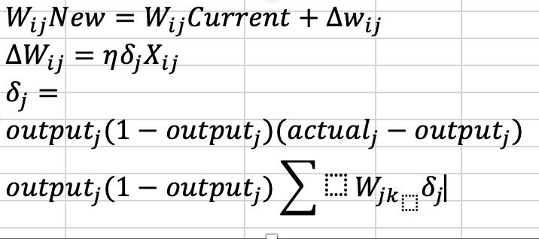
$$f(net-z)=1/(1+e^{−x})$$
Name: | Guizhi Xu
CWID: | 20008770
Question | Q5

 |  |  |  |  |  |  |  |  |  |  |  | INPUT LAYER |  |  |  | HIDDEN LAYER |  | OUTPUT LAYER

X
 |  |  |  |  |  |  |  |  |  |  | 1
XX

Node 1
 |  |  |  |  | Predicted Value= | 0.88643230033 |  | Actual Value= | 0.75 |  |  |  |  | 0.5
input | From | To | Weight | Output |  |  |  |  |  |  |  |  | 0.7
1 | x | A | 0.5 | 0.5 | Learning Rate= |  |  | 0.1 |  |  | 0.4 |  |  |  |  | 0.8532096602 | 0.5
A
0.4 | Node 1 | A | 0.6 | 0.24 | Error= | Actual - Predicted |  | -0.136
0.7 | Node 2 | A | 0.8 | 0.56 |  |  |  |  |  |  |  |  |  | 0.6
0.7 | Node 3 | A | 0.6 | 0.42
0.2 | Node 4 | A | 0.2 | 0.04 | Output layer |  |  |  |  |  |  |  | 0.9 |  |  |  | 0.9
Node 2
 |  |  |  | 1.76 | Delta = .875 *(1-.875)*(.75-.875) |  |  | -0.013734650215 |  |  |  |  |  | 0.8
Node z
 |  |  |  |  |  |  |  |  |  |  | 0.7 |  |  |  |  | 0.87435214348 |  |  | Actual | 0.75
B
 | Signal | (1/(1+exp(-x))= |  | 0.85 | Adjustments |  |  |  |  |  |  |  | 0.8 | 0.6 |  |  |  |  | Predicted | 0.88
 |  |  |  |  | From | To | Flow | Adjustment | Old Weight | New Weight |  |  |  |  |  |  | 0.9
 |  |  |  |  | xx | x | 1 | -0.0013734650215 | 0.5 | 0.49862653498
Node 3
 |  |  |  |  | A | x | 0.85 | -0.0011718536243 | 0.9 | 0.89882814638 | 0.7 |  | 0.4
input | From | To | Weight | Output | B | x | 0.87 | -0.0012008920856 | 0.9 | 0.89879910791 |  |  |  |  | 0.2
Node 4
1 | x | B | 0.7 | 0.7 |  |  |  |  |  |  |  |  | 0.2
0.4 | Node 1 | B | 0.9 | 0.36
0.7 | Node 2 | B | 0.8 | 0.56 |  |  |  |  |  |  | 0.2
0.7 | Node 3 | B | 0.4 | 0.28
0.2 | Node 4 | B | 0.2 | 0.04
 |  |  |  | 1.94
 |  |  |  |  | Hidden layer
 | Signal | (1/(1+exp(-x))= |  | 0.87 | Delta = .85320966*(1-.85320966)*.9*(-.01373465) |  |  |  | -0.0015481511254

 |  |  |  |  | From | To | Flow | Adjustment | Old Weight | New Weight
 |  |  |  |  | X | A | 1.00 | -0.00015482 | 0.50 | 0.49984518489
input | From | To | Weight | Output | Node 1 | A | 0.40 | -0.00006193 | 0.60 | 0.59993807395
1 | xx | z | 0.5 | 0.5 | Node 2 | A | 0.70 | -0.00010837 | 0.80 | 0.79989162942
 |  |  |  |  | Node 3 | A | 0.70 | -0.00010837 | 0.80 | 0.79989162942
0.8532096602 | A | z | 0.9 | 0.76788869418 | Node 4 | A | 0.20 | -0.00003096 | 0.20 | 0.19996903698
0.87435214348 | B | z | 0.9 | 0.78691692914
 |  |  |  | 2.05

 | Signal | (1/(1+exp(-x))= |  | 0.89 | Hidden layer
 |  |  |  |  | Delta = .874352143*(1-.874352143)*.9*(-.01373467) |  |  |  | -0.0013580056481

 |  |  |  |  | From | To | Flow | Adjustment | Old Weight | New Weight
 |  |  |  |  | X | B | 1.00 | -0.00015482 | 0.70 | 0.69984518489
 |  |  |  |  | Node 1 | B | 0.40 | -0.00006193 | 0.90 | 0.89993807395
 |  |  |  |  | Node 2 | B | 0.70 | -0.00010837 | 0.80 | 0.79989162942
 |  |  |  |  | Node 3 | B | 0.70 | -0.00010837 | 0.40 | 0.39989162942
 |  |  |  |  | Node 4 | B | 0.20 | -0.00003096 | 0.20 | 0.19996903698

