Test 1
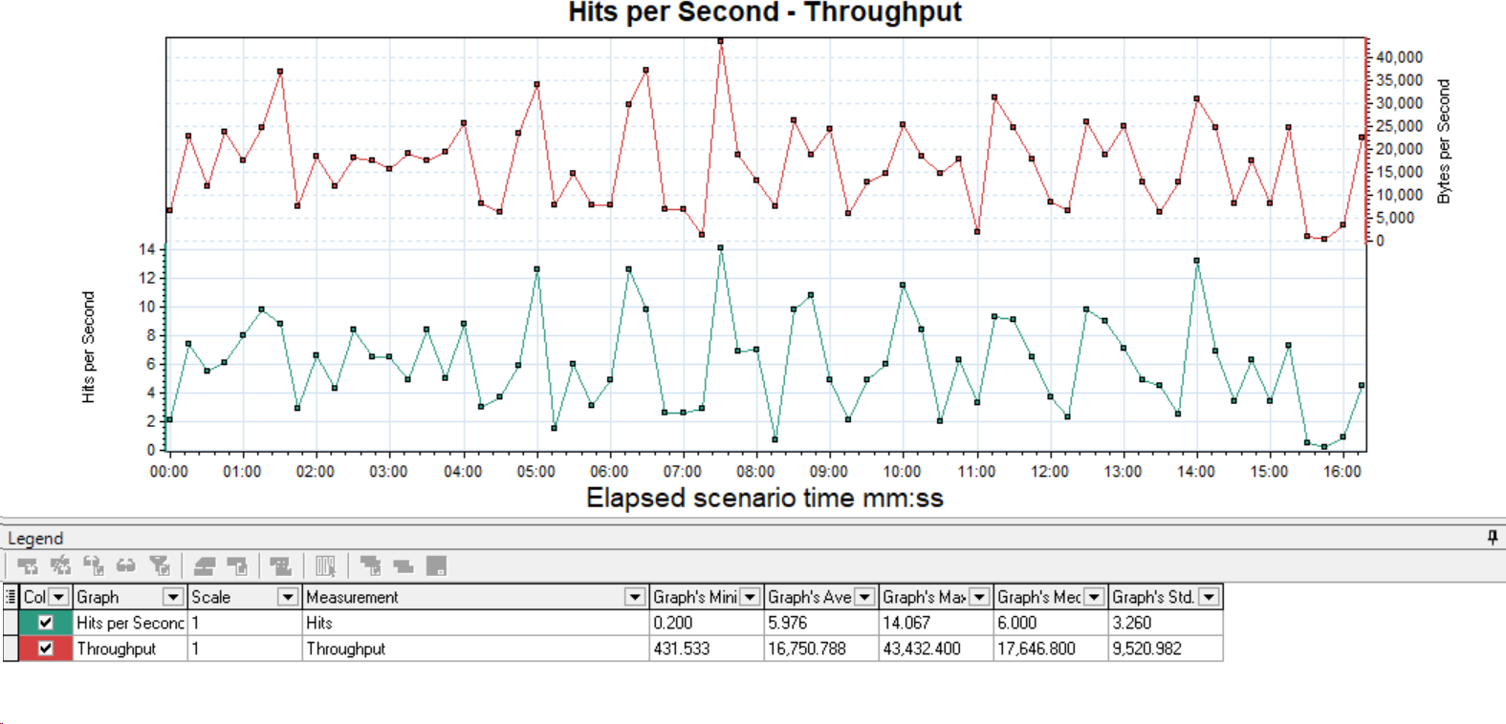
To assess the performance of Petstore application for the below scenarios and to capture baseline metrics.
Analysis Summary | 07/21/2024 8:00:16 AM -07/21/2024 8:16:32 AM EST
Scenario Name: | PetStore_LoadTest
Duration: | 16m: 16s

Statistics Summary
Maximum Running Vusers | 20
Total Throughput (bytes) | 16,290,533
Average Throughput (B/s) | 16,674.04
Total Hits: | 5,858
Average Hits per Second | 5.996
Passed Transactions Ratio | 99.56%

Transaction Summary
Transactions: | Passed: | 2,555 | Failed: | 0 | Stopped: | 0

Transaction Name | Minimum | Average | Maximum | Std. Deviation | 90 Percent | Pass | Fail | Stop
PetStore_NewOrder_01_Launch | 0.22 | 0.56 | 1.91 | 0.36 | 0.90 | 116 | 0 | 0
PetStore_NewOrder_02_Click_EnterStore | 0.12 | 0.37 | 1.22 | 0.26 | 0.59 | 116 | 0 | 0
PetStore_NewOrder_03_Click_Signin | 0.10 | 0.21 | 0.82 | 0.12 | 0.33 | 116 | 0 | 0
PetStore_NewOrder_04_Login | 0.06 | 0.33 | 1.32 | 0.24 | 0.58 | 116 | 0 | 0
PetStore_NewOrder_05_Click_Cats_Link | 0.03 | 0.09 | 0.15 | 0.06 | 0.15 | 116 | 0 | 0
PetStore_NewOrder_06_Select_Cat_ProductID | 0.03 | 0.09 | 0.15 | 0.06 | 0.15 | 116 | 0 | 0
PetStore_NewOrder_07_Click_AddToCart_Button | 0.03 | 0.09 | 0.15 | 0.06 | 0.15 | 116 | 0 | 0
PetStore_NewOrder_08_Click_ProceedToCheckout_Button | 0.03 | 0.09 | 0.34 | 0.06 | 0.15 | 116 | 0 | 0
PetStore_NewOrder_09_Enter_PaymentDetails_Continue | 0.06 | 0.20 | 0.77 | 0.13 | 0.33 | 116 | 0 | 0
PetStore_NewOrder_10_OrderDetails_Click_Confirm | 0.03 | 0.15 | 0.34 | 0.10 | 0.32 | 116 | 0 | 0
PetStore_NewOrder_11_Click_MyAccount | 0.03 | 0.09 | 0.16 | 0.06 | 0.15 | 116 | 0 | 0
PetStore_NewOrder_12_Click_MyOrders | 0.03 | 0.11 | 0.34 | 0.07 | 0.16 | 116 | 0 | 0
PetStore_NewOrder_13_Select_OrderID | 0.03 | 0.09 | 0.15 | 0.06 | 0.15 | 116 | 0 | 0
PetStore_NewOrder_14_Click_SignOut | 0.06 | 0.18 | 0.84 | 0.13 | 0.29 | 116 | 0 | 0
PetStore_UserCreation_01_Launch | 0.22 | 0.55 | 0.92 | 0.33 | 0.90 | 46 | 0 | 0
PetStore_UserCreation_02_Click_EntertheStore_Link | 0.12 | 0.35 | 0.71 | 0.23 | 0.59 | 46 | 0 | 0
PetStore_UserCreation_03_Click_SignIn | 0.10 | 0.21 | 0.34 | 0.11 | 0.33 | 46 | 0 | 0
PetStore_UserCreation_04_Click_RegisterNow | 0.03 | 0.09 | 0.15 | 0.06 | 0.15 | 46 | 0 | 0
PetStore_UserCreation_05_Enter_UserInformation | 0.09 | 0.26 | 0.45 | 0.17 | 0.44 | 45 | 1 | 0
PetStore_UserCreation_06_Click_SignIn2 | 0.03 | 0.09 | 0.15 | 0.06 | 0.15 | 45 | 0 | 0
PetStore_UserCreation_07_Login | 0.12 | 0.34 | 0.60 | 0.22 | 0.57 | 45 | 0 | 0
PetStore_UserCreation_08_Click_MyAccount | 0.03 | 0.11 | 0.62 | 0.11 | 0.15 | 45 | 0 | 0
PetStore_UserCreation_09_Signout | 0.03 | 0.20 | 0.33 | 0.11 | 0.33 | 45 | 0 | 0
PetStore_Add&Update_01_Launch | 0.22 | 0.22 | 0.23 | 0.00 | 0.23 | 6 | 0 | 0
PetStore_Add&Update_02_EnterTheStore | 0.12 | 0.12 | 0.12 | 0.00 | 0.12 | 6 | 0 | 0
PetStore_Add&Update_03_Click_Signin | 0.03 | 0.03 | 0.03 | 0.00 | 0.03 | 6 | 0 | 0
PetStore_Add&Update_04_Login | 0.12 | 0.12 | 0.12 | 0.00 | 0.12 | 6 | 0 | 0
PetStore_Add&Update_05_Click_Fish | 0.03 | 0.22 | 0.27 | 0.08 | 0.25 | 41 | 0 | 0
PetStore_Add&Update_06_Select_Product | 0.03 | 0.03 | 0.04 | 0.00 | 0.04 | 41 | 0 | 0
PetStore_Add&Update_07_Fish_Click_AddToCart | 0.03 | 0.03 | 0.04 | 0.00 | 0.04 | 41 | 0 | 0
PetStore_Add&Update_08_Click_Reptiles | 0.03 | 0.03 | 0.03 | 0.00 | 0.03 | 41 | 0 | 0
PetStore_Add&Update_09_Select_Product2 | 0.03 | 0.03 | 0.04 | 0.00 | 0.04 | 41 | 0 | 0
PetStore_Add&Update_10_Rattlesnake_Click_AddToCart | 0.03 | 0.04 | 0.04 | 0.00 | 0.04 | 41 | 0 | 0
PetStore_Add&Update_11_ShoppingCart_Click_UpdateCart | 0.06 | 0.06 | 0.07 | 0.00 | 0.06 | 41 | 0 | 0
PetStore_Add&Update_12_Click_ProceedToCheckout | 0.03 | 0.04 | 0.13 | 0.01 | 0.04 | 41 | 0 | 0
PetStore_Add&Update_13_PaymentDetails_Click_Continue | 0.06 | 0.07 | 0.13 | 0.01 | 0.06 | 41 | 0 | 0
PetStore_Add&Update_14_Order_Click_Continue | 0.03 | 0.04 | 0.13 | 0.03 | 0.04 | 41 | 0 | 0
PetStore_Add&Update_15_Click_MyAccount | 0.03 | 0.03 | 0.04 | 0.00 | 0.04 | 41 | 0 | 0
PetStore_Add&Update_16_Update_AccountInformation_Save | 0.06 | 0.08 | 0.13 | 0.03 | 0.13 | 41 | 0 | 0
PetStore_Add&Update_17_Signout | 0.18 | 0.23 | 0.34 | 0.08 | 0.34 | 6 | 0 | 0
Total | 2.74 | 6.24 | 14.83 | 3.37 | 9.64 | 2555 | 1 | 0

HTTP Responses Summary
Codes | Total | Per second
HTTP_200 | 5,533 | 5.663
HTTP_302 | 314 | 0.321
Client Side Monitoring

Average Transaction response time Vs Running Vuser

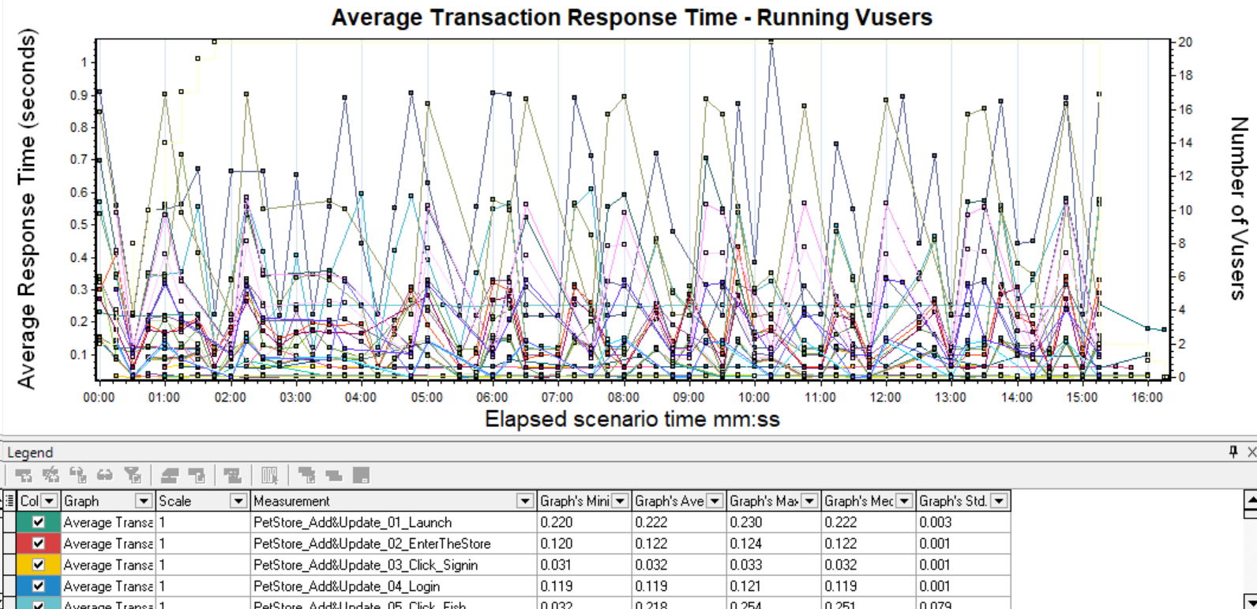

Hits Per Second Vs Throughput

