Sheet1
1. Logout the user after registeration, however registration page is still displaying

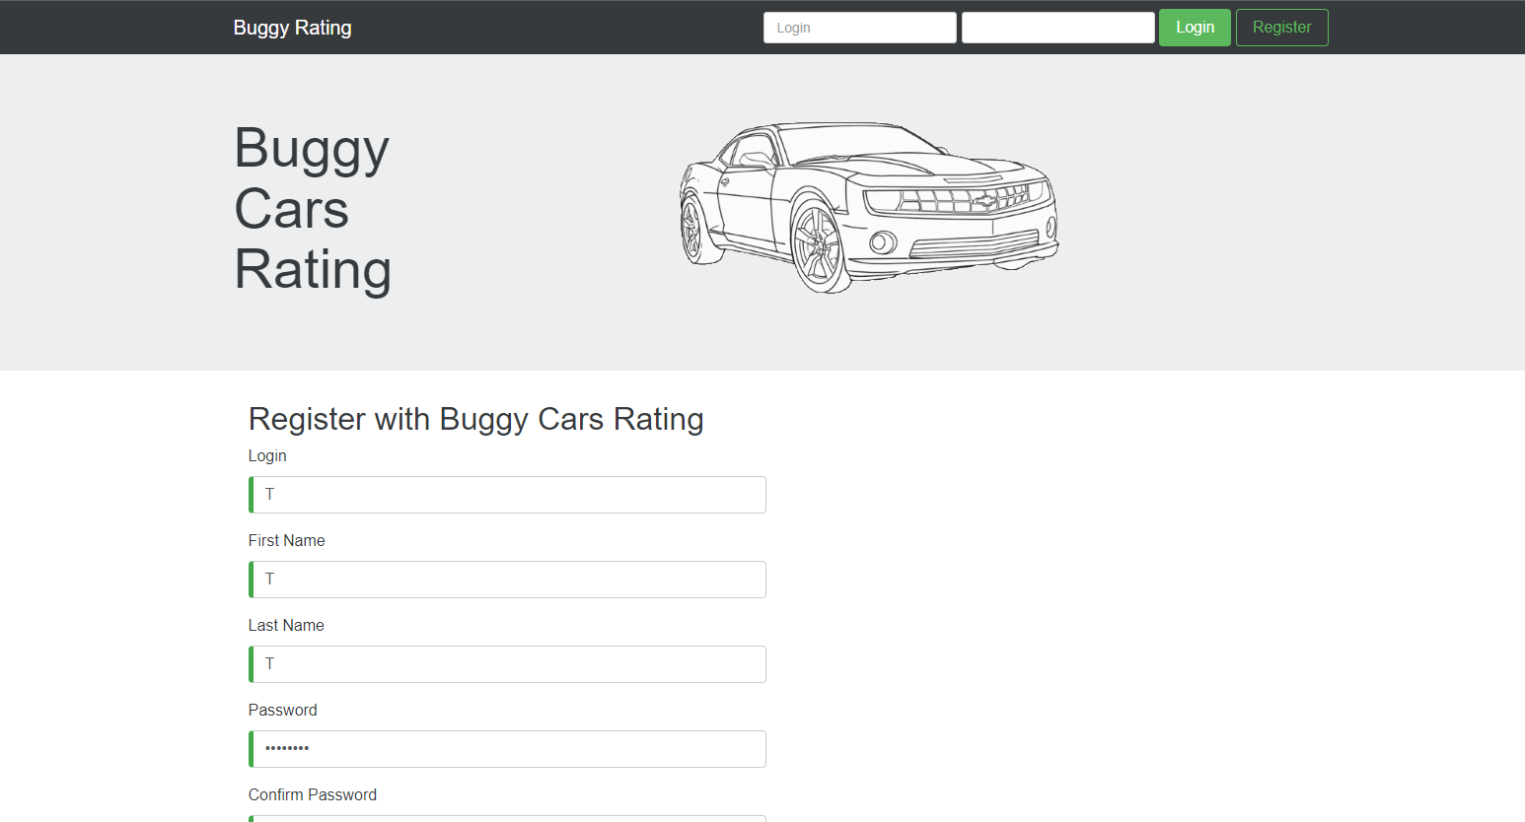

2. Not able to vote for few Car Types, nothing is happening untill user refresh the page
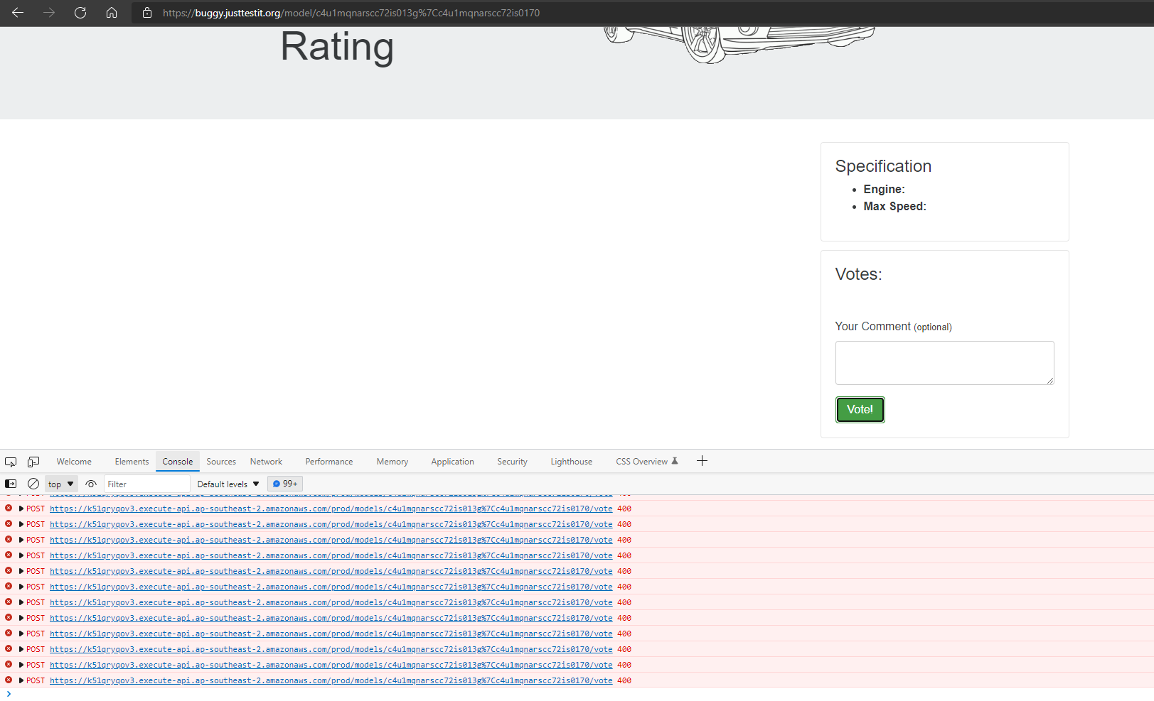

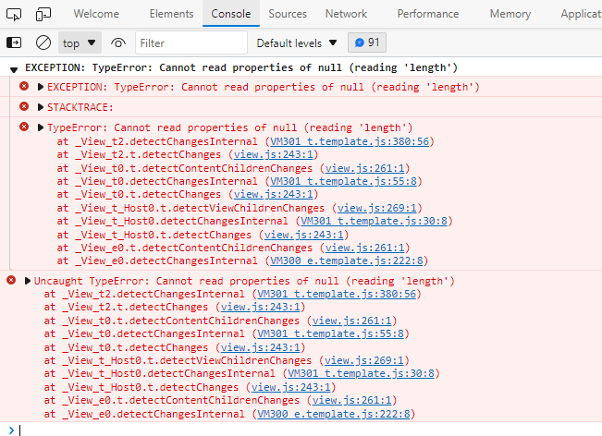

Log is not getting generated, when user do not add any comments while giving vote, although it is optional field
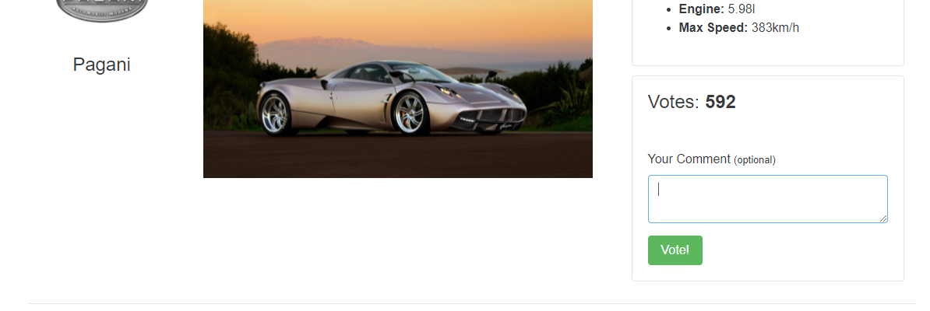

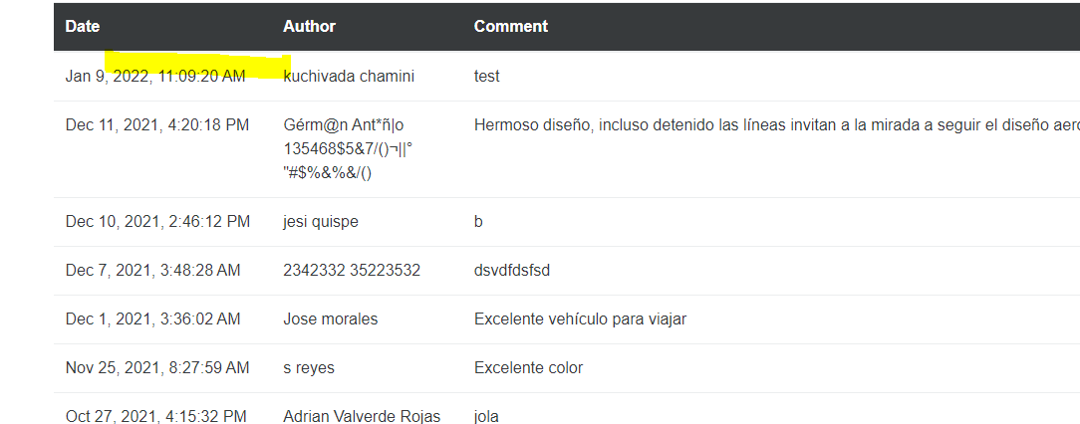

Wrong Pagination

