Breakdowns
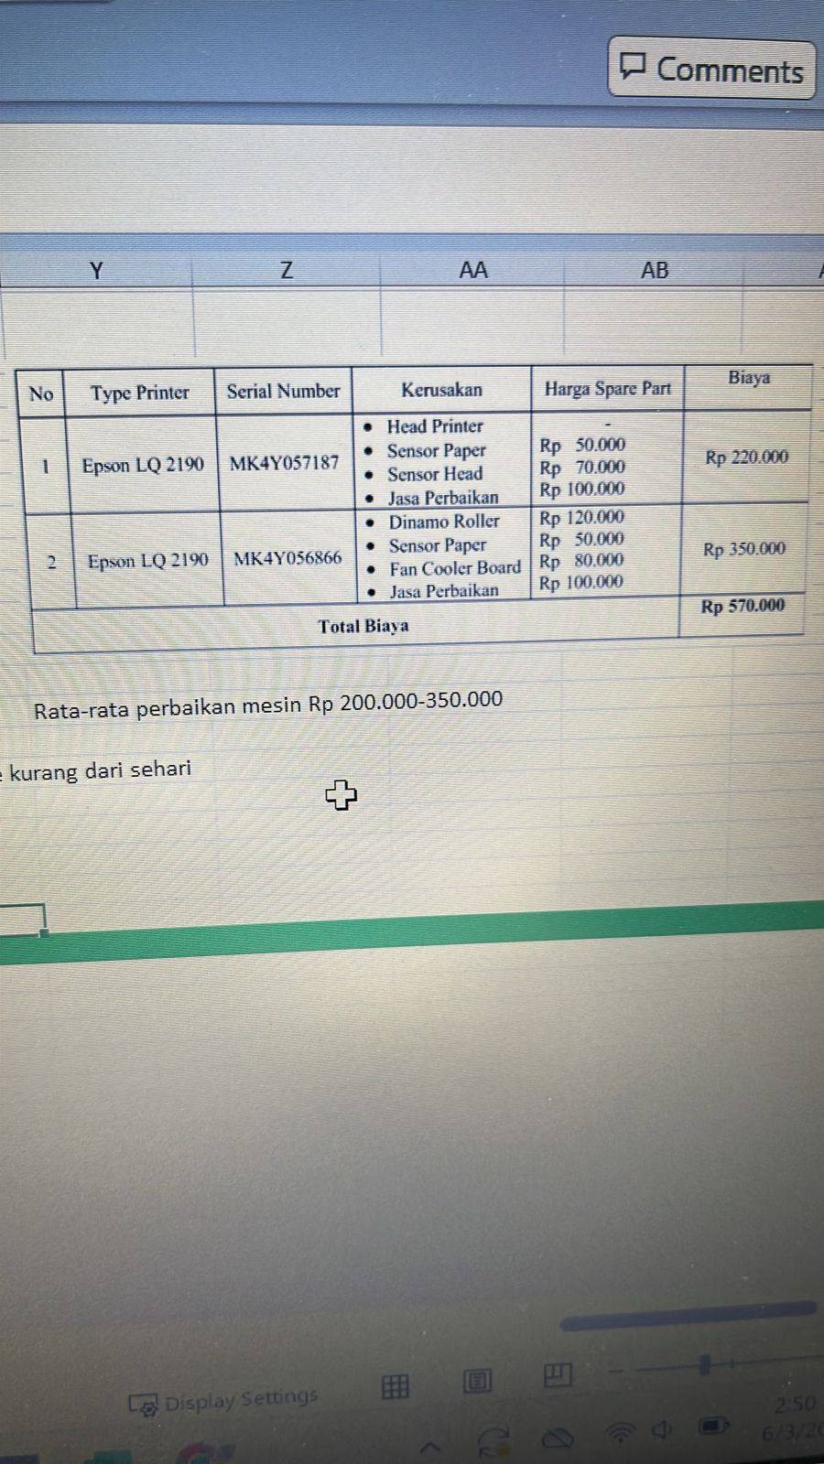
No | Date | Case | PIC |  | Request By | Dept | Printer Type | Solution | Estimasi Biaya (IDR)
 |  |  | Vendor | Personal
1 | 2024-04-03 | Printer Tidak detect di jaringan |  | IT | Cintia | SCM | Epson L300 | Maclink Mati, Rekonek Maclink
2 | 2024-05-03 | Refill tinta Printer Project |  | IT | Syifa | Project | Canon G3010 | Refill Tinta Hitam & warna
3 | 2024-06-03 | Refill Tinta Printer Warehouse |  | IT | Syeila | Warehouse | Epson M1100 | Refill Tinta Hitam
4 | 2024-08-03 | Ganti Catrdige Printer |  | IT | Syeila | Warehouse | HP 107 | Ganti catridge HP107 karna sudah habis
5 | 2024-12-03 | Printer Tidak bisa |  | IT | Wulan | RND | Epson L14150 | Update Firmware Printer
6 | 13/03/2024 | Printer Nyangkut |  | IT | Ronal | SCM | Epson L300 | IP yang mengarah ke Printer ronal belum di sesuaikan dengan IP printer
7 | 13/03/2024 | Tinta Printer Tidak Keluar |  | IT | Dede | Warehouse | Epson M1100 | Deep Cleaning tinta,Flush Tinta & ganti toner
8 | 20/03/2024 | Printer Tidak bisa Print |  | IT | Mba Liya | Marcomm | Epson l14150 | printer tidak stabil jika menggunakan wifi, Di alihkan menggunakan kabel LAN agar lebih stabil
9 | 26/03/2024 | Refill Tinta |  | IT | Rosiani | Produksi | Canon IP2770 | Refill tinta kuning
10 | 2024-04-04 | Printer L300 tidak bisa nyala dan printer Hp mfp183fw nyala tidak bisa print |  | IT | Septiawan | SCM | Epson L300,Hp mfp183fw | Mac Link tidak dapat IP, Reset Mac Link dan setting Vlan di switch agar dapat IP
11 | 2024-04-04 | Printer tidak bisa tarik kertas |  | IT | Opik | Warehouse Outgoing | Hp 107a | Kertas Nyangkut, Bongkar printer | 100000
12 | 16/04/2024 | Printer notif Error Code '000025' |  | IT | Novita | Marcomm | Epson L14150 | Kertas Nyangkut di dalem Printer,tarik kertas manual
13 | 22/04/2024 | Printer Nyangkut tidak bisa tarik kertas |  | IT |  | Warehouse Project | Hp 107 | Serah terim ke Vendor, ganti pickup roller | 220000
14 | 24/04/2024 | hasil Print warna hitam tidak jelas |  | IT | Rosiani | Produksi | Canon IP2770 | Ganti Catridge Hitam
15 | 26/04/2024 | Printer Error |  | IT | Novita | Marcomm | Epson L14150 | Kertas Nyangkut di dalem Printer,tarik kertas manual

