MHS Genesis Info
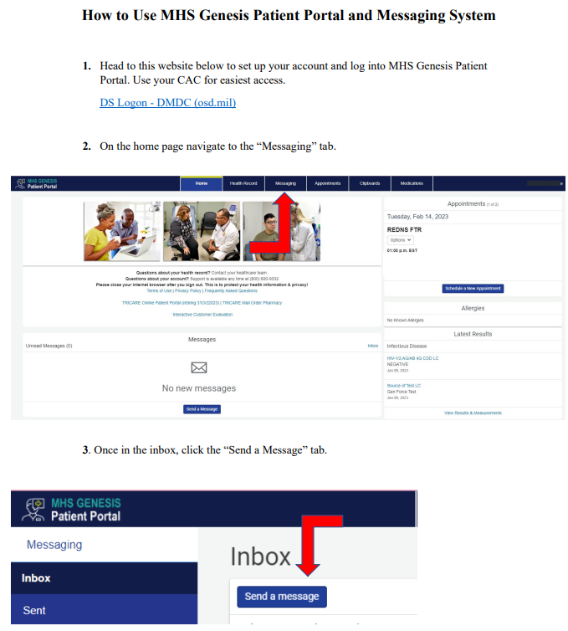
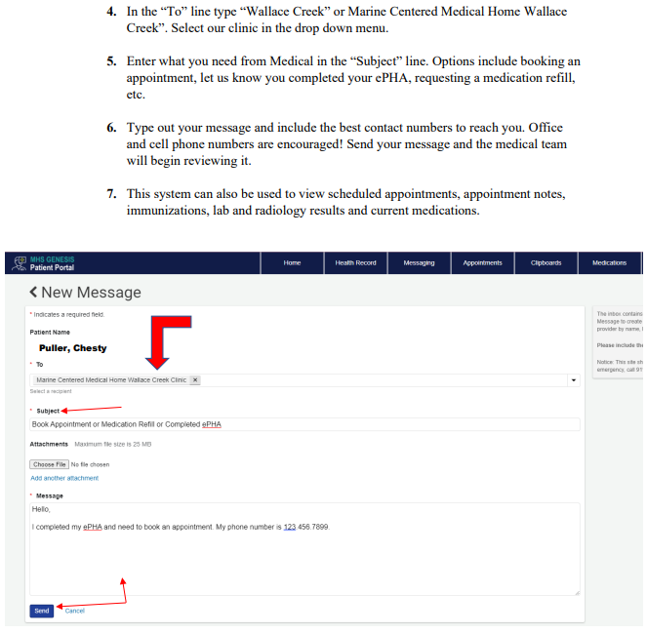
**Marines must send medical a message via Genesis after they complete their ePHA. Go see medical at Bn if they don't get called within (2) weeks.

