Resident PME
Resident PME |  |  |  |  |  |  |  |  |  |  | PME dates at the bottom
Section | Rank | Name | Resident Course | Promoted | PME Complete? | Non-Res Complete? | School Date Requested | Registered in MCTIMS/etc? | Marked On Whole Marine Tab? | Comments
1PLT | 1STLT | SUMMERS, DOMINIC A. |  | 2023-11-29
1PLT | GYSGT | LARA, SAMARA A. | Advanced Course | 2022-01-11 |  | No |  |  | No
1PLT | SSGT | CARSON, BROOKS A. | Career Course | 2022-05-03 |  | No |  |  | No
1PLT | SSGT | COFFEY, GIOVANI A. | Career Course | 2020-08-11 |  | No | 15-Mar-24 | Yes | No
1PLT | SGT | BERG, JULIAN A. | Sgt School | 2019-02-14 | Yes | Yes |  |  | Completed
1PLT | SGT | MORRIS, RAELYNN A. | Sgt School | 2019-10-02 |  | No |  |  | No
1PLT | SGT | TRUJILLO, JULIEN A. | Sgt School | 2023-12-15 | Yes | Yes | SEMINAR |  | Completed
1PLT | CPL | LANDRY, REY A. | Cpls Course | 2021-08-20 |  | No |  |  | No
1PLT | CPL | DUARTE, SILAS A. | Cpls Course | 2020-07-07 |  | No |  |  | No
1PLT | CPL | KIDD, ADONIS A. | Cpls Course | 2020-01-10 |  | No |  |  | No
1PLT | CPL | BREWER, VALENTINA A. | Cpls Course | 2023-12-20 |  | No |  |  | No
1PLT | CPL | CABRERA, HAILIE A. | Cpls Course | 2020-12-10 |  | No | 20-May-24 |  | No
1PLT | CPL | HODGES, ROSELYN A. | Cpls Course | 2021-06-21 | Yes | Yes |  | N/A | Completed | No PME requirement
1PLT | CPL | ACEVEDO, GRIFFIN A. | Cpls Course | 2020-10-24 | Yes | Yes | 20-Feb-24 |  | Completed
1PLT | LCPL | ALLEN, KALE A. | LCpl Seminar | 2022-10-23 | Yes | Yes | 20-May-24 |  | Completed | PCS 1May24
2PLT | 1STLT | DAVENPORT, IMMANUEL A. |  | 2022-10-30 |  |  | 20-May-24 |  |  | PCS 1May24
2PLT | GYSGT | CHANDLER, TREVON A. | Advanced Course | 2019-07-06 |  | No | 20-May-24 |  | No
2PLT | SSGT | CLEMENTS, ALISSON A. | Career Course | 2021-02-26 |  | No |  |  | No | PCS 1May24
2PLT | SSGT | MULLEN, LILLIE A. | Career Course | 2020-01-31 |  | No | EAS |  | No
2PLT | SGT | WONG, KATELYNN A. | Sgt School | 2021-12-28 |  | Yes |  | N/A | Required | No PME requirement
2PLT | SGT | FRANK, DAVIN A. | Sgt School | 2019-01-22 |  | No |  | N/A | No | No PME requirement
2PLT | SGT | MOODY, TIANNA A. | Sgt School | 2020-11-20 |  | No | 30-Apr-24 |  | No | PCS 2Aug24
2PLT | CPL | MAYO, SANIYAH A. | Cpls Course | 2020-10-15 | Yes | Yes | 30-Apr-24 |  | Completed | PCS 1May24
2PLT | CPL | TERRELL, KAMORA A. | Cpls Course | 2022-01-17 | Yes | Yes |  |  | Completed
2PLT | CPL | ARNOLD, MARY A. | Cpls Course | 2023-11-01 | Yes | Yes |  |  | Completed
2PLT | CPL | WILLIS, AKIRA A. | Cpls Course | 2022-02-17 |  | No |  |  | No
2PLT | CPL | RITTER, DEMETRIUS A. | Cpls Course | 2021-06-08 |  | No | 31-May-24 |  | No
2PLT | CPL | HARTMAN, DANE A. | Cpls Course | 2021-12-18 | Yes | Yes |  |  | Completed
2PLT | CPL | FRY, DARIUS A. | Cpls Course | 2020-06-13 |  | No | 31-May-24 |  | No | PCS 1Jul24
2PLT | LCPL | NASH, KIERAN A. | LCpl Seminar | 2023-02-04 | Yes | Yes |  |  | Completed
3PLT | 1STLT | SHAH, BRYNN A. |  | 2023-05-05 |  |  | 20-May-24
3PLT | GYSGT | WEISS, BRAXTON A. | Advanced Course | 2022-07-20 |  | No |  |  | No
3PLT | SSGT | HOPKINS, NICK A. | Career Course | 2020-02-09 |  | No |  |  | No
3PLT | SSGT | GIBBS, SANDRA A. | Career Course | 2020-03-10 |  | No | 1-Mar-24 | Yes | No
3PLT | SGT | FRIEDMAN, ROHAN A. | Sgt School | 2019-05-04 |  | No |  |  | No
3PLT | SGT | SPEARS, TRIPP A. | Sgt School | 2019-04-15 |  | No |  |  | No | PCS 28Mar24
3PLT | SGT | KENNEDY, RYAN A. | Sgt School | 2022-11-20 |  | No | 31-May-24 |  | No | nomination has been submitted
3PLT | CPL | CHEN, ANGELINE A. | Cpls Course | 2019-03-27 |  | No |  |  | Required | EAS-ing 1Jul24
3PLT | CPL | BUCHANAN, TIMOTHY A. | Cpls Course | 2020-04-05 | Yes | Yes |  | Yes | Completed | PCS 1May24
3PLT | CPL | LARSEN, JENSEN A. | Cpls Course | 2023-08-16 |  | No |  |  | No
3PLT | CPL | MCBRIDE, ZION A. | Cpls Course | 2019-11-09 | Yes | Yes |  |  | Completed
3PLT | CPL | CORDOVA, GRADY A. | Cpls Course | 2023-06-29 | Yes | Yes |  |  | Completed
3PLT | CPL | HARRISON, FIONA A. | Cpls Course | 2019-11-21 | Yes | Yes |  |  | Completed | Completed 20231215
3PLT | CPL | HAAS, VALERY A. | Cpls Course | 2022-10-18 | Yes | Yes | 15-Mar-24 |  | Completed
3PLT | LCPL | BRADFORD, CADENCE A. | LCpl Seminar | 2021-07-27 | Yes | Yes |  |  | Completed
3PLT | SGT | BERGER, PAYTON A. | Sgt School | 2022-03-04 |  | No |  |  | No
3PLT | LCPL | MCCOY, EILEEN A. | LCpl Seminar | 2022-05-04 | Yes | Yes |  |  | Completed
4PLT | 1STLT | MALONE, DAMARION A. |  | 2020-04-23
4PLT | GYSGT | GROSS, SHERLYN A. | Advanced Course | 2020-08-06 |  | No |  |  | No
4PLT | SSGT | BECK, LEVI A. | Career Course | 2023-05-11 | Yes | Yes |  |  | Completed
4PLT | SSGT | SILVA, ABIGAIL A. | Career Course | 2020-03-12 |  | No |  |  | No
4PLT | SGT | CONWAY, TATIANA A. | Sgt School | 2023-04-09 |  | No |  | Yes | No
4PLT | SGT | HUGHES, GILBERTO A. | Sgt School | 2022-06-12 | Yes | Yes | 15-Mar-24 |  | Completed
4PLT | SGT | NASH, LEONARDO A. | Sgt School | 2022-11-24 | Yes | Yes |  |  | Completed | PCS 1Jul24
4PLT | CPL | MONROE, MARIAM A. | Cpls Course | 2023-11-29 |  | No |  |  | No | PCS 1May24
4PLT | CPL | MCDONALD, DESIREE A. | Cpls Course | 2023-03-03 | Yes | Yes |  |  | Completed
4PLT | CPL | FOWLER, DEVYN A. | Cpls Course | 2022-10-01 | Yes | No | 15-Mar-24 |  | Completed
4PLT | CPL | MCGEE, MAYRA A. | Cpls Course | 2021-11-22 | Yes | Yes |  |  | Completed
4PLT | CPL | SCHAEFER, JAYLA A. | Cpls Course | 2023-03-24 | Yes | Yes |  |  | Completed
4PLT | CPL | LARSON, TYREE A. | Cpls Course | 2019-12-29 |  | Yes |  |  | Registered
OPS | CAPT | DAVID, HEATHER A. | EWS | 2019-05-23
OPS | 1STLT | DAWSON, DEMARION A. |  | 2019-06-14
OPS | 1STSGT | SOLOMON, DILLON A. | E-8 Seminar | 2020-01-12 |  | No | 20-May-24 |  | Required | PCS 1Jul24, Bn Training emailed
OPS | GYSGT | VELAZQUEZ, EMILIE A. | Advanced Course | 2023-11-21 | Yes | Yes |  |  | Required | PCS 1May24
OPS | SSGT | WALKER, ANAYA A. | Career Course | 2020-10-14 |  | Yes |  | N/A | In Progress | PEB
OPS | SSGT | HEBERT, MAYRA A. | Career Course | 2021-09-29 |  | Yes |  |  | In Progress
OPS | SGT | JOSEPH, GUADALUPE A. | Sgt School | 2020-06-03 |  | Yes |  | N/A | Registered
OPS | SGT | TODD, GLENN A. | Sgt School | 2023-03-11 |  | Yes |  |  | In Progress
SOC | 1STLT | RIOS, LEWIS A. |  | 2023-02-18 |  |  |  | N/A |  | TAD
SOC | GYSGT | MAXWELL, COBY A. | Advanced Course | 2019-01-02 |  | Yes |  | N/A | Required | TAD
SOC | SGT | DAVENPORT, ANYA A. | Sgt School | 2019-02-06 | Yes | Yes |  |  | Completed
SOC | CPL | ALVAREZ, KIANA A. | Cpls Course | 2023-06-02 | Yes | Yes |  |  | Completed
SOC | LCPL | TRAVIS, ANGELINA A. | LCpl Seminar | 2020-12-05 | Yes | Yes |  |  | Completed
SOC | LCPL | BLEVINS, TOBIAS A. | LCpl Seminar | 2019-07-30 | Yes | Yes |  |  | Completed
HQ | MAJ | ROSE, YUSUF A. | CSC | 2022-02-15
HQ | 1STLT | HARRINGTON, TODD A. |  | 2019-06-27 |  |  |  |  |  | EAS-ing 20OCt24
HQ | 1STSGT | STAFFORD, ALLYSON A. | E-8 Seminar | 2020-01-16 | Yes | Yes |  | N/A | Completed
HQ | SSGT | THOMAS, AVA A. | Career Course | 2023-03-02 |  | Yes |  |  | Registered | EAS-ing 22Sep24
HQ | CPL | POWERS, BLAKE A. | Cpls Course | 2022-09-18 | Yes | Yes |  | N/A | Completed | No PME requirement

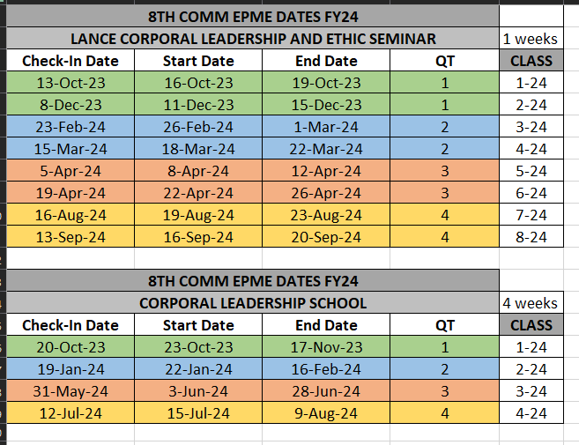
 |  |  |  |  |  |  | GySgt

 |  |  |  |  |  |  | SSgt

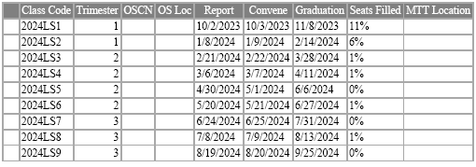
 |  |  |  |  |  |  | Sgt

