Pivot_Charts
Total
Category | Sum of Net_Sales
Clothing | 64794.411
Electronics | 548306.911
Furniture | 266476.842
Grocery | 30560.0615
Home & Kitchen | 170422.899
Grand Total | 1080561.1245

Region | Sum of Profit
Central | 31136.46
East | 39390.72
South | 158060.9
West | 129205.92
Grand Total | 357794

Customer_Type | Sum of Net_Sales
Member | 372979.769
New | 221681.9525
Regular | 485899.403
Grand Total | 1080561.1245

Payment_Mode | Sum of Net_Sales
Cash | 252704.9805
Credit Card | 266657.2395
Debit Card | 275250.9985
UPI | 285947.906
Grand Total | 1080561.1245

Month | Sum of Net_Sales
January | 98311.051
February | 73199.8805
March | 95019.497
April | 99956.734
May | 83334.0695
June | 71623.398
July | 108686.4875
August | 77250.566
September | 102824.3035
October | 87881.1705
November | 81244.8605
December | 101229.1065
Grand Total | 1080561.1245

Product | Sum of Net_Sales | Sum of Profit
Blender | 36690.3485 | 11157.81
Bookshelf | 64433.516 | 21994.51
Cereal | 6706.2395 | 2081.18
Coffee | 7999.645 | 2804.82
Cooking Oil | 9266.095 | 3056.54
Cookware Set | 42652.512 | 14164.04
Desk | 74272.663 | 25180.44
Headphones | 127173.7655 | 39381.07
Jacket | 17342.9775 | 5714.58
Jeans | 18177.4405 | 6297.41
Laptop | 170539.7525 | 55625.35
Microwave | 42614.032 | 14185.83
Office Chair | 72796.722 | 25811.68
Rice | 6588.082 | 2136.53
Smartphone | 126234.1435 | 41040.02
Sneakers | 13636.4185 | 4349.78
Sofa | 54973.941 | 18311.11
Tablet | 124359.2495 | 42210.62
T-Shirt | 15637.5745 | 4723.19
Vacuum Cleaner | 48466.0065 | 17567.49
Grand Total | 1080561.1245 | 357794

Dashboard
1173617.65
Total_Sales
357794
Total_Profit
3952
Total_Quantity
1000
Total_Orders
3.7081
Average_Customer_Rating
Summary
It provides an overview of overall sales, profit, orders, quantity sold, and customer ratings. It highlights category-wise, region-wise, customer-wise, payment-wise, and monthly sales performance. It helps to identify the best-performing category and region, the most valuable customer type, the most commonly used payment method, and the months with the highest and lowest sales. Profit margin analysis also helps determine whether categories are achieving their target margins and supports management in making better pricing, product, and sales decisions.

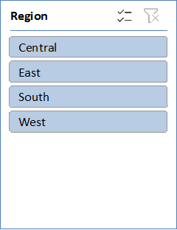
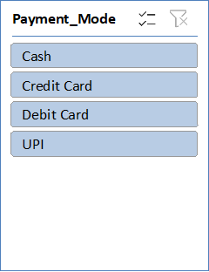
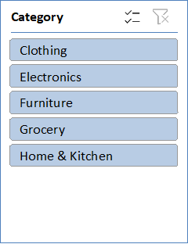 | 