pivot_chart
Credential_Status | Count of Credential_Status
Active | 95
Expired | 4827
Expiring_Soon | 78
Grand Total | 5000

Credential_Status | Expired

Credential_Type | Count of Credential_Type
Compliance Certificate | 1001
ID Card | 981
NDA | 974
Safety Training | 960
System Access | 911
Grand Total | 4827

Credential_Status | Count of Credential_Status
Active | 95
Expired | 4827
Expiring_Soon | 78
Grand Total | 5000

KPI_DASHBOARD
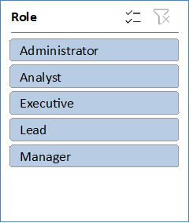
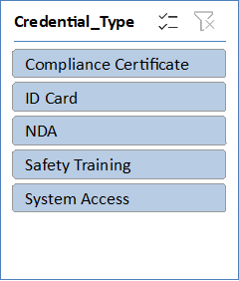
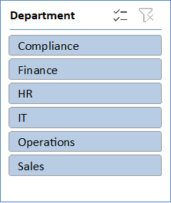

Summary
This dashboard monitors the compliance status of 5,000 employee credentials—such as ID Cards, System Access, Certifications, and Training—to mitigate security and operational risks. The organization is currently experiencing a severe compliance backlog, with 4,836 expired credentials and only 93 remaining active. An additional 71 credentials are in the "Expiring Soon" window and require immediate action. Use the interactive filters to drill down by Department, Role, or Credential Type, and review the highlighted employee list to target individuals needing urgent renewal
5000
Total_Credentials
93
Total_Active
4836
Total_Expired
71
Total_Expiring_Soon

