Sheet1
Model No | Model Type | Input | Layers | Result |  |  | Comments | Result Plot
 |  |  |  | Parameter | Train Accuracy | Validation Accuracy
0 | Con3D | n_frames = 20 num_epochs = 20 batch_size = 100 | Conv3D MaxPooling3D BatchNormalization activation='relu' |  |  |  | Out of memory error, gpu was not able to compute such high batch size at once
1 | Con3D | n_frames = 16 num_epochs = 20 batch_size = 64 | Conv3D MaxPooling3D BatchNormalization activation='relu' | 2,067,621 | 0.87 | 0.5 | Tried batch_size of 80 and 64. For 84 batch size again out of memory error and for 64 batch size not gpu error and No fitting issues
2 | Con3D | batch_size=64 n_frames=30 | Conv3D MaxPooling3D BatchNormalization activation='relu' |  | 0.67 | 0.25 | batch size is not impacting training time but number of frames is impacting result observed from model 2, 3 and 4
3 | Con3D | batch_size=32 n_frames=16 | Conv3D MaxPooling3D BatchNormalization activation='relu' |  | 0.65 | 0.25 | batch size is not impacting training time but number of frames is impacting result observed from model 2, 3 and 4 | 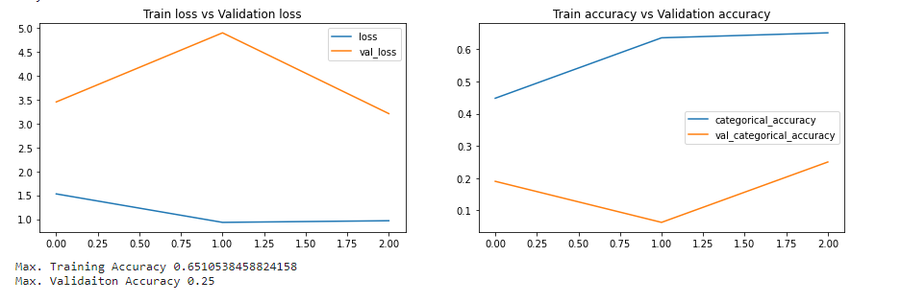
4 | Con3D | batch_size=10 n_frames=20 | Conv3D MaxPooling3D BatchNormalization activation='relu' |  | 0.66 | 0.25 | batch size is not impacting training time but number of frames is impacting result observed from model 2, 3 and 4
5 | Frames-20, Same pooling in Conv3D | n_frames = 20 num_epochs = 20 batch_size = 64 | Conv3D MaxPooling3D BatchNormalization activation='relu' | 1,907,909 | 0.87 | 0.37 | Overfitting | 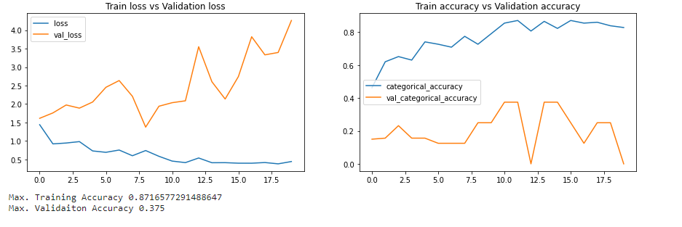
6 | Conv2D+LSTM | n_frames = 30 num_epochs = 20 batch_size = 32 | TimeDistributed(Conv2D) TimeDistributed(BatchNormalization) TimeDistributed(MaxPooling2D) LSTM(256) | 3,084,133 | 0.92 | 0.87 | Used CNN2D + RNN layers. Test and validation accuracy both increased but train time and trained paramter also incresed | 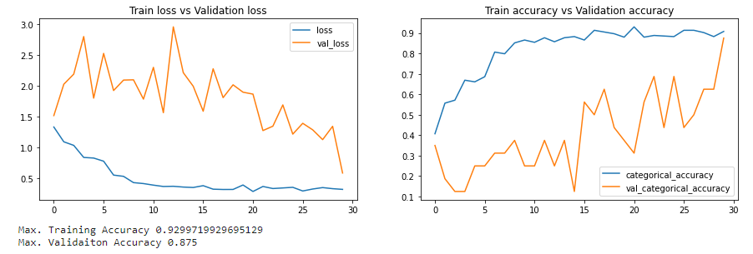
7 | Transfer Learning MobileNet with LSTM | n_frames = 20 num_epochs = 30 batch_size = 64 | TimeDistributed(Conv2D) TimeDistributed(BatchNormalization) TimeDistributed(MaxPooling2D) LSTM(256) | 4,611,781 | 1 | 0.87 | Used Transfer learning Mobile Net resulted model had Accuracy good but no of paramter too high | 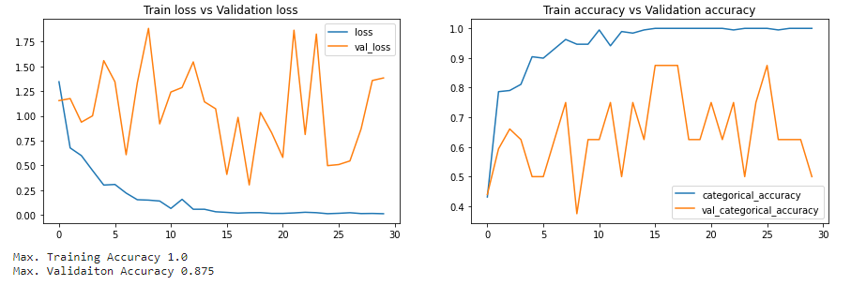
8 | Transfer Learning MobileNet with GRU | n_frames = 20 num_epochs = 30 batch_size = 64 | TimeDistributed(Conv2D) TimeDistributed(BatchNormalization) TimeDistributed(MaxPooling2D) GRU(256) | 4,284,613 | 1 | 0.875 | Accuracy good but no of paramter too high
9 | Transfer Learning VGG16 with lstm | n_frames = 20 num_epochs = 30 batch_size = 64 | TimeDistributed(Conv2D) TimeDistributed(BatchNormalization) TimeDistributed(MaxPooling2D) GRU(256) | 4,284,613 | 1 | 0.875 | Accuracy good but no of paramter too high
10 | Transfer Learning ResNet with GRU | n_frames = 20 num_epochs = 30 batch_size = 64 | TimeDistributed(Conv2D) TimeDistributed(BatchNormalization) TimeDistributed(MaxPooling2D) GRU(256) | 30,152,581 | 0.36 | 0.62 | Underfitting issue | 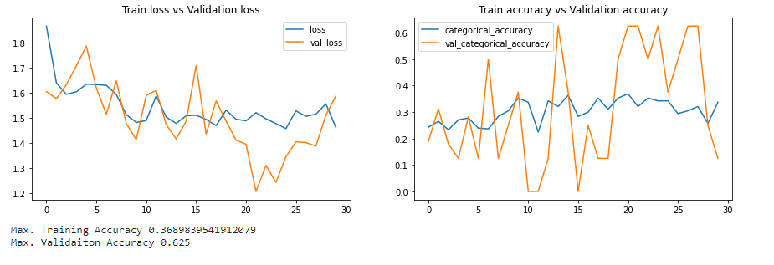
In most of the TF: ReduceLROnPlateau leraning rate used
Selecting Model 6 as final model for upload

