Sheet2
 | b | 0.08 |  | A | 0.0032 |  | 4.8 | 4.8
 | h | 0.04 |  | nu | 0.45 |  | 0.00261 | 4.8
 | L | 1.6 |  | G | 6896551.7241 |  | 4.80261
 | I | 4.2666666667E-07 | m^4 | Kappa | 0.83333333333
 | E | 20000000 | Pa |  | 0.00054375
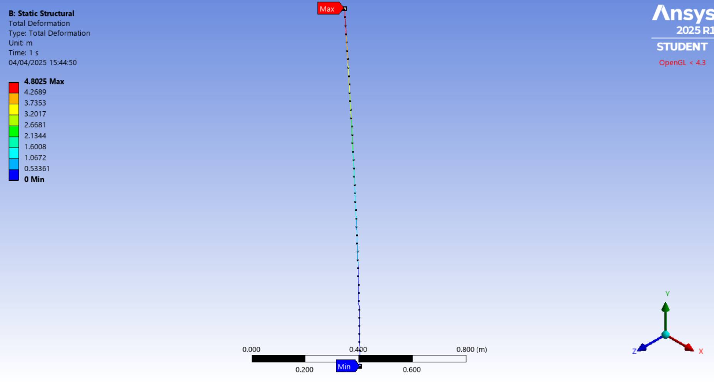
 | F | 30

nb | Dx | y_mx_th | sigma_max_th | y_mx_sim | e_h
21 | 0.07619047619 | 4.8000000000 | 2250000 | 4.802493572 | 0.002493572
42 | 0.038095238095 | 4.8 | 2250000 | 4.802493572 | 0.002493572
10 | 0.16 | 4.8 | 2250000 | 4.802494049 | 0.002494049
5 | 0.32 | 4.8 | 2250000 | 4.802494526 | 0.002494526
3 | 0.53333333333 | 4.8 | 2250000 | 4.802496433 | 0.002496433

nb | Dx | y_mx_th | sigma_max_th | y_mx_sim | e_h | e_h
21 | 0.07619047619 | 4.7996250 | 2250000 | 4.802493572 | 0.002868572 | 0.000116428
42 | 0.038095238095 | 4.7996250 | 2250000 | 4.802493572 | 0.002868572 | 0.000116428
10 | 0.16 | 4.7996250 | 2250000 | 4.802494049 | 0.002869049 | 0.000115951
5 | 0.32 | 4.7996250 | 2250000 | 4.802494526 | 0.002869526 | 0.000115474
3 | 0.53333333333 | 4.7996250 | 2250000 | 4.802496433 | 0.002871433 | 0.000113567
4 | 0.4 | 4.7996250 |  | 4.80249548 | 0.002870480 | 0.000114520
8 | 0.2 | 4.7996250 |  | 4.802494049 | 0.002869049 | 0.000115951
2 | 0.8 | 4.7996250 |  | 4.802499771 | 0.002874771 | 0.000110229
100 | 0.016 | 4.7996250 |  | 4.802493572 | 0.002868572 | 0.000116428
1000 | 0.0016 | 4.7996250 |  | 4.802493572 | 0.002868572 | 0.000116428

 | ng seg | taille element | nb element | vrai taille | y_max | eh
1.6 | 2 | 0.8 | 5 | 0.4 | 4.802499771 | 0.002874771000
 | 4 | 0.4 | 9 | 0.2 | 4.80249548 | 0.002870480000
 | 5 | 0.32 | 11 | 0.16 | 4.802494526 | 0.002869526000
 | 10 | 0.16 | 21 | 0.08 | 4.802494049 | 0.002869049000
 | 15 | 0.10666666667 | 31 | 0.053333333333 | 4.802494049 | 0.002869049000
 | 25 | 0.064 | 51 | 0.032 | 4.802493572 | 0.002868572000
 | 50 | 0.032 | 101 | 0.016 | 4.802493572 | 0.002868572000
 | 100 | 0.016 | 201 | 0.008 | 4.802493572 | 0.002868572000

 | ng seg | taille element | nb element | vrai taille | y_max | eh
1.6 | 2 | 0.8 | 5 | 0.4 | 4.802499771 | 0.000110229000
 | 4 | 0.4 | 9 | 0.2 | 4.80249548 | 0.000114520000
 | 5 | 0.32 | 11 | 0.16 | 4.802494526 | 0.000115474000
 | 10 | 0.16 | 21 | 0.08 | 4.802494049 | 0.000115951000
 | 15 | 0.10666666667 | 31 | 0.053333333333 | 4.802494049 | 0.000115951000
 | 25 | 0.064 | 51 | 0.032 | 4.802493572 | 0.000116428000
 | 50 | 0.032 | 101 | 0.016 | 4.802493572 | 0.000116428000
 | 100 | 0.016 | 201 | 0.008 | 4.802493572 | 0.000116428000

