2.2 User defined
Typical days inputs :
Typical Days
Number (min 1, max 365) | 12
Weights
Electricity | 3
Space Heating | 3
PV | 1.5 |  | Wieght changed : 3 for RE, and 50-50 between sun and wind
Wind_onshore | 0.75
Wind_offshore | 0.75

Economical input
Interest rate | i_rate | 0.015 | [-]

Political inputs
re_share | re_share | 0 | [-] |  | From Belgium heating road map (http://vbn.aau.dk/files/287929422/Country_Roadmap_Belgium_20181005.pdf)
CO2 limit | gwp_limit | 100000 | [ktCO2_eq/year]
Cost limit | cost_limit | 100000 | [M€/year]
Einv limit | einv_limit | 200000 | [GWh/year]
Land available for solar limit | solar_area | 250 | km2

Technologies shares
min/max share | min. |  | max.
share_mobility_public | %_public,min | 0.199 | %_public,max | 0.5
share_freight_train | %_rail,min | 0.109 | %_rail,max | 0.25
share_freight_boat | %_boat,min | 0.156 | %_boat,max | 0.3
share_freight_truck | %_truck,min | 0 | %_truck,max | 1
share_heat_dhn | %_dhn,min | 0.02 | %_dhn,max | 0.37

Electric vehicles
Electric vehicle Battery size | veh_capa('PHEV') | 50.4 | A car can drives at 40km/h with 1.26 persons on board => 1 vehicule = 50.4 kmpass/h
 | veh_capa('BEV') | 50.4
Electric vehicle Battery size | ev_batt,size('PHEV') | 4.4 | Battery of PHEV = 4.4kWh per car => 4.4GWh/Mcar |  | From Belgium statistiques : https://mobilit.belgium.be/sites/default/files/chiffres_cles_mobilite_2017.pdf
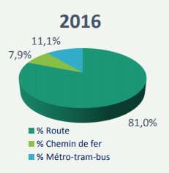
 | ev_batt,size('BEV') | 24 | Battery of BEV = 24kWh per car => 24 GWh/Mcar |  | Interpretation : %pub_min = 18%
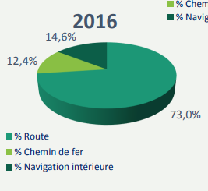
 |  |  |  |  |  | %_rail_min = 12.4%
Network
loss_network |  | See 190220 - Changes for Belgium data
ELECTRICITY | 0.047 | [-]
HEAT_LOW_T_DHN | 0.05 | 0.05

Cost to enforce power grid to full RE potential
c_grid_extra | 367.8 | M€/GW intermittent installed

Interconnection capacity:
elec_import_capacity | 9.72 | GW

Solar data:
power_density_pv | 0.2367 | kW_c/m2 | # PV : 1 kW/4.22m2 => 0.2367 kW/m2 => 0.2367 GW/km2
power_density_solar_thermal | 0.2857 | kW_c/m2 | # Solar thermal : 1 kW/3.5m2 => 0.2857 kW/m2 => 0.2857 GW/km2

