Prompt Evaluation
Model | Image Number | Image | Original Caption | Prompt | Output | Inference Time (s) | VRAM Used (GB) | CIDEr | SPICE | Cosine Similarity
unsloth/Qwen2-VL-7B-Instruct | 000404.jpg | 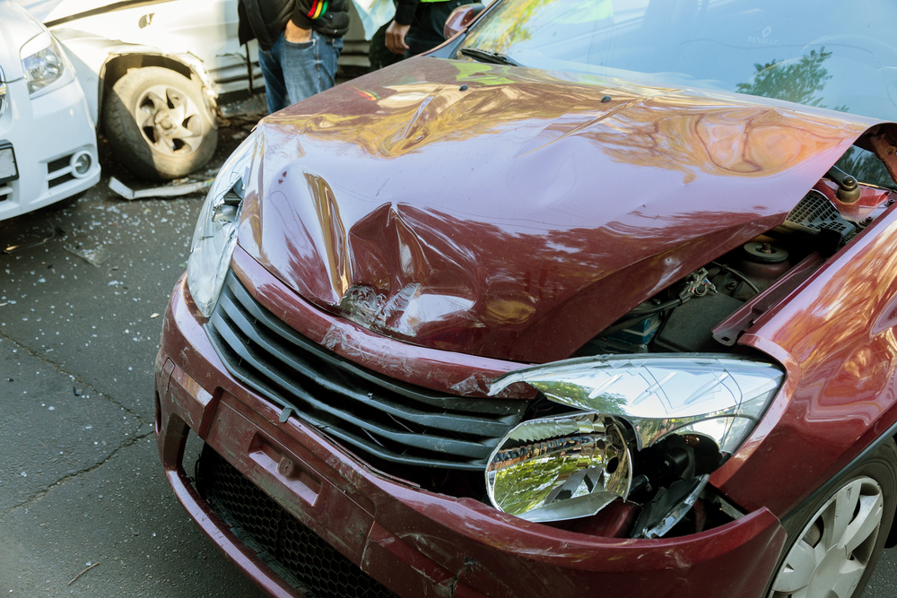 | The car exhibits significant damage. The front hood area shows a large dent with visible deformation and creasing. The headlight on the passenger's side is broken, with the lamp housing shattered and the bulb exposed. The front bumper also has a dent near the grille, and the grille itself appears to be slightly misaligned. The passenger side headlight is intact but the surrounding area has a dent. The tire on the driver's side appears to be flat. No scratches, cracks, or shattered glass are present. The overall condition of the car is severely compromised due to these damages. | Prompt 1 (Run 1) | system You are a helpful assistant. user assistant The image shows a car that has been involved in a collision. The front of the car is damaged, with the hood crumpled and the front bumper and headlights also appearing to be damaged. There is another car in the background that appears to have been involved in the accident as well, with its front wheel and part of its body showing signs of damage. The scene suggests a serious traffic accident. | 4.627 | 0.272 | 2.0344 | 0.15 | 0.522 | Prompt | Inference Time (s) | VRAM Used (GB) | CIDEr | SPICE | Cosine Similarity
 |  |  |  | Prompt 2 (Run 1) | system You are a helpful assistant. user Describe &&damage 12 sedan drive’ this !!image. assistant The image shows a red sedan that has sustained significant damage in a collision. The front of the car is heavily crumpled, with the hood and front bumper visibly damaged. The front grille and headlights are also damaged, and the car's front end is raised, indicating that the front bumper and hood have been pushed up. There is also a visible dent on the side of the car, suggesting that it was involved in a side impact as well. The scene appears to be an accident involving multiple vehicles, as another car is partially visible in the background. | 5.921 | 0.272 | 2.2691 | 0.2151 | 0.6743 | Prompt 1 | 4.0384 | 0.2786 | 1.47861 | 0.14846 | 0.57159
 |  |  |  | Prompt 3 (Run 1) | system You are a helpful assistant. user An image of a damaged car parked on the side of the road. assistant The image shows a damaged car with its hood open, parked on the side of the road. The front of the car has significant damage, including a crumpled hood and a broken headlight. There is another car in the background, which appears to have been involved in the accident as well. The scene suggests a recent collision or accident. | 3.664 | 0.272 | 1.9158 | 0.1176 | 0.5317 | Prompt 2 | 4.91085 | 0.2786 | 1.77438 | 0.16457 | 0.67673
 |  |  |  | Prompt 4 (Run 1) | system You are a helpful assistant. user You are an insurance claims assessor. Provide a detailed description of the car’s condition. assistant The car in the image appears to have sustained significant damage in a collision. Here are the details of the car's condition: 1. **Front End Damage**: - The front bumper is completely detached and hanging off the front of the car. - The hood is crumpled and dented, indicating a severe impact. - The front grille is damaged and misaligned. - The front headlight is shattered and the bumper is completely detached. 2. **Left Side Damage**: - The left front fender is dented and crumpled. - The left headlight is damaged and possibly shattered. | 6.87 | 0.272 | 1.966 | 0.2 | 0.7658 | Prompt 3 | 3.6282 | 0.2786 | 1.67392 | 0.13978 | 0.53788
 |  |  |  | Prompt 5 (Run 1) | system You are a helpful assistant. user This <part_1> of the car has <damage_type_1>. The severity appears to be <severity_1>. Additional notes: <text_1>. assistant The <part_1> of the car is the <damage_type_1>. The severity appears to be <severity_1>. Additional notes: The car has sustained significant damage to the front, including a crumpled hood, broken headlights, and a damaged grille. There is also a visible dent in the bumper and the front wheel is slightly lifted, indicating possible suspension damage. | 4.163 | 0.28 | 2.3137 | 0.1647 | 0.6462 | Prompt 4 | 6.1311 | 0.2788 | 1.87668 | 0.19988 | 0.68692
 |  |  |  | Prompt 6 (Run 1) | system You are a helpful assistant. user Describe using format - Damage Type: ___; Affected Part: ___; Severity: ___; Notes: ___ assistant Damage Type: Structural Damage; Affected Part: Hood; Severity: Moderate; Notes: The hood is significantly dented and deformed, indicating a severe impact. | 1.92 | 0.272 | 0.42 | 0 | 0.4953 | Prompt 5 | 3.8257 | 0.2866 | 1.55685 | 0.13244 | 0.61362
unsloth/Qwen2-VL-7B-Instruct | 000404.jpg |  | The car exhibits significant damage. The front hood area shows a large dent with visible deformation and creasing. The headlight on the passenger's side is broken, with the lamp housing shattered and the bulb exposed. The front bumper also has a dent near the grille, and the grille itself appears to be slightly misaligned. The passenger side headlight is intact but the surrounding area has a dent. The tire on the driver's side appears to be flat. No scratches, cracks, or shattered glass are present. The overall condition of the car is severely compromised due to these damages. | Prompt 1 (Run 2) | system You are a helpful assistant. user assistant The image shows a car that has been involved in a collision. The front of the car is damaged, with the hood crumpled and the front bumper and headlights also appearing to be damaged. There is another car in the background that appears to have been involved in the accident as well, with its front wheel and part of its body showing signs of damage. The scene suggests a serious traffic accident. | 4.221 | 0.272 | 2.0344 | 0.15 | 0.522 | Prompt 6 | 2.4049 | 0.2788 | 0.65224 | 0.08957 | 0.56366
 |  |  |  | Prompt 2 (Run 2) | system You are a helpful assistant. user Describe &&damage 12 sedan drive’ this !!image. assistant The image shows a red sedan that has sustained significant damage in a collision. The front of the car is heavily crumpled, with the hood and front bumper visibly damaged. The front grille and headlights are also damaged, and the car's front end is raised, indicating that the front bumper and hood have been pushed up. There is also a visible dent on the side of the car, suggesting that it was involved in a side impact as well. The scene appears to be an accident involving multiple vehicles, as another car is partially visible in the background. | 5.746 | 0.272 | 2.2691 | 0.2151 | 0.6743 |  | 4.156525 | 0.28 | 1.5021133333 | 0.14578333333 | 0.6084
 |  |  |  | Prompt 3 (Run 2) | system You are a helpful assistant. user An image of a damaged car parked on the side of the road. assistant The image shows a damaged car with its hood open, parked on the side of the road. The front of the car has significant damage, including a crumpled hood and a broken headlight. There is another car in the background, which appears to have been involved in the accident as well. The scene suggests a recent collision or accident. | 3.753 | 0.272 | 1.9158 | 0.1176 | 0.5317
 |  |  |  | Prompt 4 (Run 2) | system You are a helpful assistant. user You are an insurance claims assessor. Provide a detailed description of the car’s condition. assistant The car in the image appears to have sustained significant damage in a collision. Here are the details of the car's condition: 1. **Front End Damage**: - The front bumper is completely detached and hanging off the front of the car. - The hood is crumpled and dented, indicating a severe impact. - The front grille is damaged and misaligned. - The front headlight is shattered and the bumper is completely detached. 2. **Left Side Damage**: - The left front fender is dented and crumpled. - The left headlight is damaged and possibly shattered. | 6.689 | 0.272 | 1.966 | 0.2 | 0.7658
 |  |  |  | Prompt 5 (Run 2) | system You are a helpful assistant. user This <part_1> of the car has <damage_type_1>. The severity appears to be <severity_1>. Additional notes: <text_1>. assistant The <part_1> of the car is the <damage_type_1>. The severity appears to be <severity_1>. Additional notes: The car has sustained significant damage to the front, including a crumpled hood, broken headlights, and a damaged grille. There is also a visible dent in the bumper and the front wheel is slightly lifted, indicating possible suspension damage. | 4.162 | 0.28 | 2.3137 | 0.1647 | 0.6462
 |  |  |  | Prompt 6 (Run 2) | system You are a helpful assistant. user Describe using format - Damage Type: ___; Affected Part: ___; Severity: ___; Notes: ___ assistant Damage Type: Structural Damage; Affected Part: Hood; Severity: Moderate; Notes: The hood is significantly dented and deformed, indicating a severe impact. | 1.929 | 0.272 | 0.42 | 0 | 0.4953
unsloth/Qwen2-VL-7B-Instruct | 000422.jpg | 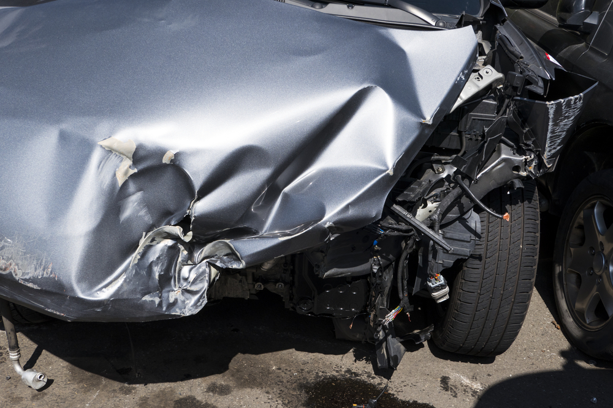 | The car exhibits significant damage to its front section. The front fender and door area show extensive dents and deformation, indicating a severe impact. The front bumper is detached and damaged, with visible internal components exposed. A scratch is present on the lower part of the fender. The front wheel well area is also compromised, with structural damage evident. | Prompt 1 (Run 1) | system You are a helpful assistant. user assistant The image shows a car that has been involved in a severe accident. The front of the car is heavily damaged, with the hood crumpled and the front end torn apart. The engine and other mechanical components are exposed, indicating significant structural damage. The car is on a road, and there are visible signs of the accident, such as debris and possibly fluid leaks. This type of damage typically requires professional repair and may involve insurance claims for vehicle damage. | 4.87 | 0.272 | 1.6874 | 0.1316 | 0.6182
 |  |  |  | Prompt 2 (Run 1) | system You are a helpful assistant. user Describe &&damage 12 sedan drive’ this !!image. assistant The image shows a severely damaged sedan car. The front end of the car is crumpled and bent, indicating a significant impact. The hood is dented and folded, and the front bumper is completely detached and hanging off the front of the car. The front suspension and other mechanical components are exposed, suggesting that the car has sustained major structural damage. The overall condition of the car suggests it was involved in a high-speed collision or a severe accident. | 4.882 | 0.272 | 1.99 | 0.1772 | 0.6863
 |  |  |  | Prompt 3 (Run 1) | system You are a helpful assistant. user An image of a damaged car parked on the side of the road. assistant The image shows a car that has been involved in a collision. The front end of the car is heavily damaged, with the hood crumpled and the front bumper and bodywork significantly bent and torn. The engine and other internal components are exposed, indicating severe damage. The car is parked on the side of the road, and there are visible signs of the accident, such as debris and possibly fluid leaks. | 4.397 | 0.272 | 1.7477 | 0.1558 | 0.6375
 |  |  |  | Prompt 4 (Run 1) | system You are a helpful assistant. user You are an insurance claims assessor. Provide a detailed description of the car’s condition. assistant The car in the image appears to have sustained significant damage in a collision. Here are the details of the car's condition: 1. **Front End Damage**: - The front hood of the car is heavily crumpled and dented, indicating a severe impact. - The front bumper is also damaged, with parts of it torn off or bent. - The front grille and headlights are likely damaged or displaced. 2. **Body Damage**: - The front fender and part of the body panel are visibly crumpled and dented. - The paint on the hood and front fender is chipped | 6.741 | 0.272 | 2.5032 | 0.241 | 0.7044
 |  |  |  | Prompt 5 (Run 1) | system You are a helpful assistant. user This <part_1> of the car has <damage_type_1>. The severity appears to be <severity_1>. Additional notes: <text_1>. assistant The image shows a car that has sustained significant damage. The hood and front end of the car are heavily crumpled, indicating a severe impact. The severity of the damage appears to be high, as the metal is visibly bent and the structure is compromised. Additional notes include: - The car has sustained extensive damage to the front, including the hood, bumper, and possibly the engine bay. - There are visible signs of deformation and possible structural failure. - The damage is likely the result of a high-speed collision or a severe impact. If you need further assistance or have more specific questions about the damage, feel free to ask! | 6.999 | 0.28 | 1.7412 | 0.1224 | 0.6624
 |  |  |  | Prompt 6 (Run 1) | system You are a helpful assistant. user Describe using format - Damage Type: ___; Affected Part: ___; Severity: ___; Notes: ___ assistant Damage Type: Structural; Affected Part: Front bumper, hood, and front end; Severity: Moderate; Notes: The front bumper and hood are significantly dented and crumpled, indicating a high-impact collision. The front end appears to be damaged, with possible internal mechanical issues. | 3.254 | 0.272 | 1.3319 | 0.1067 | 0.6767
unsloth/Qwen2-VL-7B-Instruct | 000422.jpg |  | The car exhibits significant damage to its front section. The front fender and door area show extensive dents and deformation, indicating a severe impact. The front bumper is detached and damaged, with visible internal components exposed. A scratch is present on the lower part of the fender. The front wheel well area is also compromised, with structural damage evident. | Prompt 1 (Run 2) | system You are a helpful assistant. user assistant The image shows a car that has been involved in a severe accident. The front of the car is heavily damaged, with the hood crumpled and the front end torn apart. The engine and other mechanical components are exposed, indicating significant structural damage. The car is on a road, and there are visible signs of the accident, such as debris and possibly fluid leaks. This type of damage typically requires professional repair and may involve insurance claims for vehicle damage. | 4.862 | 0.272 | 1.6874 | 0.1316 | 0.6182
 |  |  |  | Prompt 2 (Run 2) | system You are a helpful assistant. user Describe &&damage 12 sedan drive’ this !!image. assistant The image shows a severely damaged sedan car. The front end of the car is crumpled and bent, indicating a significant impact. The hood is dented and folded, and the front bumper is completely detached and hanging off the front of the car. The front suspension and other mechanical components are exposed, suggesting that the car has sustained major structural damage. The overall condition of the car suggests it was involved in a high-speed collision or a severe accident. | 5.197 | 0.272 | 1.99 | 0.1772 | 0.6863
 |  |  |  | Prompt 3 (Run 2) | system You are a helpful assistant. user An image of a damaged car parked on the side of the road. assistant The image shows a car that has been involved in a collision. The front end of the car is heavily damaged, with the hood crumpled and the front bumper and bodywork significantly bent and torn. The engine and other internal components are exposed, indicating severe damage. The car is parked on the side of the road, and there are visible signs of the accident, such as debris and possibly fluid leaks. | 4.318 | 0.272 | 1.7477 | 0.1558 | 0.6375
 |  |  |  | Prompt 4 (Run 2) | system You are a helpful assistant. user You are an insurance claims assessor. Provide a detailed description of the car’s condition. assistant The car in the image appears to have sustained significant damage in a collision. Here are the details of the car's condition: 1. **Front End Damage**: - The front hood of the car is heavily crumpled and dented, indicating a severe impact. - The front bumper is also damaged, with parts of it torn off or bent. - The front grille and headlights are likely damaged or displaced. 2. **Body Damage**: - The front fender and part of the body panel are visibly crumpled and dented. - The paint on the hood and front fender is chipped | 6.567 | 0.272 | 2.5032 | 0.241 | 0.7044
 |  |  |  | Prompt 5 (Run 2) | system You are a helpful assistant. user This <part_1> of the car has <damage_type_1>. The severity appears to be <severity_1>. Additional notes: <text_1>. assistant The image shows a car that has sustained significant damage. The hood and front end of the car are heavily crumpled, indicating a severe impact. The severity of the damage appears to be high, as the metal is visibly bent and the structure is compromised. Additional notes include: - The car has sustained extensive damage to the front, including the hood, bumper, and possibly the engine bay. - There are visible signs of deformation and possible structural failure. - The damage is likely the result of a high-speed collision or a severe impact. If you need further assistance or have more specific questions about the damage, feel free to ask! | 6.56 | 0.28 | 1.7412 | 0.1224 | 0.6624
 |  |  |  | Prompt 6 (Run 2) | system You are a helpful assistant. user Describe using format - Damage Type: ___; Affected Part: ___; Severity: ___; Notes: ___ assistant Damage Type: Structural; Affected Part: Front bumper, hood, and front end; Severity: Moderate; Notes: The front bumper and hood are significantly dented and crumpled, indicating a high-impact collision. The front end appears to be damaged, with possible internal mechanical issues. | 3.261 | 0.272 | 1.3319 | 0.1067 | 0.6767
unsloth/Qwen2-VL-7B-Instruct | 000433.jpg | 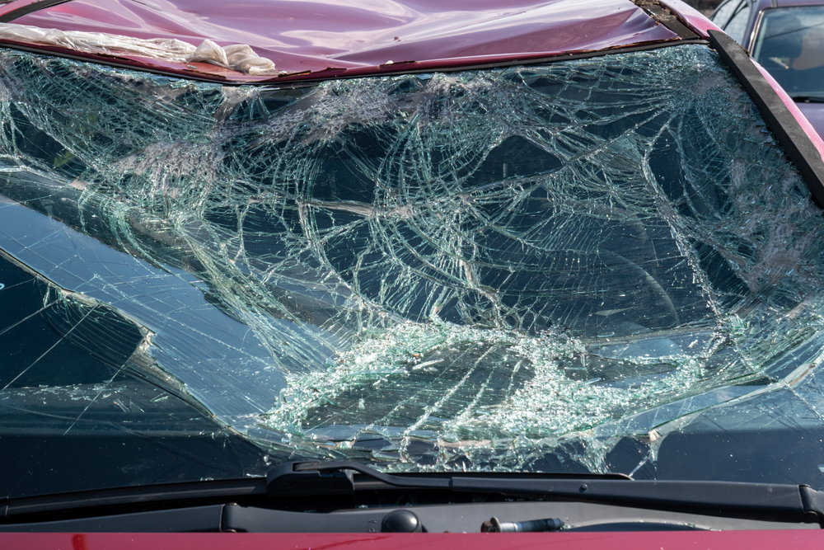 | The car exhibits significant damage to the windshield, which is extensively shattered. The roof also shows signs of damage, with a noticeable dent present. | Prompt 1 (Run 1) | system You are a helpful assistant. user assistant The image shows a severely damaged car windshield. The glass is shattered into numerous pieces, indicating a significant impact or accident. The windshield is cracked and fragmented, with pieces of glass scattered across the surface. The car's hood is also visible, and it appears to be in a similar state of damage. This type of damage typically occurs in high-speed collisions or severe accidents. | 4.224 | 0.272 | 1.1836 | 0.1132 | 0.7597
 |  |  |  | Prompt 2 (Run 1) | system You are a helpful assistant. user Describe &&damage 12 sedan drive’ this !!image. assistant The image shows a severely damaged car with a shattered windshield. The glass is broken into numerous pieces, and the front of the car appears to be significantly damaged. The hood of the car is also bent and damaged, indicating that the vehicle was involved in a severe collision. The overall condition of the car suggests that it has sustained significant impact forces, likely from a high-speed accident. | 4.259 | 0.272 | 1.298 | 0.0702 | 0.7366
 |  |  |  | Prompt 3 (Run 1) | system You are a helpful assistant. user An image of a damaged car parked on the side of the road. assistant The image shows a car with a severely damaged windshield. The windshield is shattered into many pieces, indicating that the car has been involved in a significant accident. The car is parked on the side of the road, and the damage is quite evident. | 2.719 | 0.272 | 1.342 | 0.1463 | 0.5512
 |  |  |  | Prompt 4 (Run 1) | system You are a helpful assistant. user You are an insurance claims assessor. Provide a detailed description of the car’s condition. assistant The car in the image has sustained significant damage to its front windshield. The windshield is shattered into numerous small pieces, with cracks and fragments scattered across the glass. The damage appears to be extensive, with the windshield likely to be considered a total loss. The car's hood is also visible and shows signs of deformation, indicating that the impact was severe. The overall condition of the car suggests that it has been involved in a high-impact collision. | 4.717 | 0.272 | 1.6861 | 0.1515 | 0.714
 |  |  |  | Prompt 5 (Run 1) | system You are a helpful assistant. user This <part_1> of the car has <damage_type_1>. The severity appears to be <severity_1>. Additional notes: <text_1>. assistant The <part_1> of the car is the windshield. The damage type is <damage_type_1>, which is a shattered windshield. The severity appears to be <severity_1>, indicating that the windshield is completely broken and likely unsafe to drive with. Additional notes: The windshield has multiple cracks and pieces of glass scattered across it, and the car appears to be in a parking lot or a similar area. | 4.451 | 0.28 | 1.235 | 0.0769 | 0.744
 |  |  |  | Prompt 6 (Run 1) | system You are a helpful assistant. user Describe using format - Damage Type: ___; Affected Part: ___; Severity: ___; Notes: ___ assistant Damage Type: Glass Breakage; Affected Part: Windshield; Severity: Severe; Notes: The windshield is completely shattered, with pieces of glass scattered across the front of the vehicle. | 2.208 | 0.272 | 0.5274 | 0.087 | 0.6004
unsloth/Qwen2-VL-7B-Instruct | 000433.jpg |  | The car exhibits significant damage to the windshield, which is extensively shattered. The roof also shows signs of damage, with a noticeable dent present. | Prompt 1 (Run 2) | system You are a helpful assistant. user assistant The image shows a severely damaged car windshield. The glass is shattered into numerous pieces, indicating a significant impact or accident. The windshield is cracked and fragmented, with pieces of glass scattered across the surface. The car's hood is also visible, and it appears to be in a similar state of damage. This type of damage typically occurs in high-speed collisions or severe accidents. | 3.942 | 0.272 | 1.1836 | 0.1132 | 0.7597
 |  |  |  | Prompt 2 (Run 2) | system You are a helpful assistant. user Describe &&damage 12 sedan drive’ this !!image. assistant The image shows a severely damaged car with a shattered windshield. The glass is broken into numerous pieces, and the front of the car appears to be significantly damaged. The hood of the car is also bent and damaged, indicating that the vehicle was involved in a severe collision. The overall condition of the car suggests that it has sustained significant impact forces, likely from a high-speed accident. | 4.028 | 0.272 | 1.298 | 0.0702 | 0.7366
 |  |  |  | Prompt 3 (Run 2) | system You are a helpful assistant. user An image of a damaged car parked on the side of the road. assistant The image shows a car with a severely damaged windshield. The windshield is shattered into many pieces, indicating that the car has been involved in a significant accident. The car is parked on the side of the road, and the damage is quite evident. | 2.741 | 0.272 | 1.342 | 0.1463 | 0.5512
 |  |  |  | Prompt 4 (Run 2) | system You are a helpful assistant. user You are an insurance claims assessor. Provide a detailed description of the car’s condition. assistant The car in the image has sustained significant damage to its front windshield. The windshield is shattered into numerous small pieces, with cracks and fragments scattered across the glass. The damage appears to be extensive, with the windshield likely to be considered a total loss. The car's hood is also visible and shows signs of deformation, indicating that the impact was severe. The overall condition of the car suggests that it has been involved in a high-impact collision. | 4.864 | 0.272 | 1.6861 | 0.1515 | 0.714
 |  |  |  | Prompt 5 (Run 2) | system You are a helpful assistant. user This <part_1> of the car has <damage_type_1>. The severity appears to be <severity_1>. Additional notes: <text_1>. assistant The <part_1> of the car is the windshield. The damage type is <damage_type_1>, which is a shattered windshield. The severity appears to be <severity_1>, indicating that the windshield is completely broken and likely unsafe to drive with. Additional notes: The windshield has multiple cracks and pieces of glass scattered across it, and the car appears to be in a parking lot or a similar area. | 4.438 | 0.28 | 1.235 | 0.0769 | 0.744
 |  |  |  | Prompt 6 (Run 2) | system You are a helpful assistant. user Describe using format - Damage Type: ___; Affected Part: ___; Severity: ___; Notes: ___ assistant Damage Type: Glass Breakage; Affected Part: Windshield; Severity: Severe; Notes: The windshield is completely shattered, with pieces of glass scattered across the front of the vehicle. | 2.207 | 0.272 | 0.5274 | 0.087 | 0.6004
unsloth/Qwen2-VL-7B-Instruct | 000481.jpg | 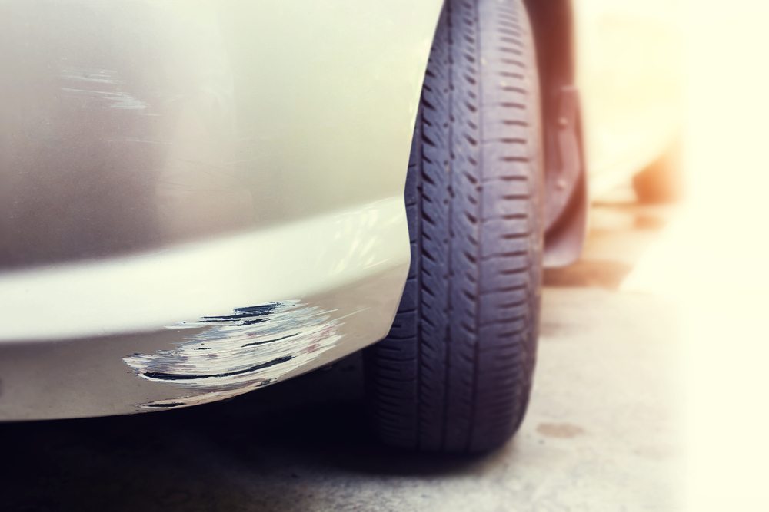 | The car exhibits visible damage including a scratch on the lower side panel near the front wheel, with moderate severity affecting the paint and surface. Additionally, a more extensive scratch is present on the lower front bumper, also near the front wheel, showing significant paint damage. | Prompt 1 (Run 1) | system You are a helpful assistant. user assistant 这张图片显示了一辆汽车的前部，车身上有明显的刮痕和剥落的油漆。车轮和轮胎清晰可见，背景模糊，可能是在户外的停车场或街道上。 | 2.362 | 0.272 | 0.1797 | 0 | -0.0648
 |  |  |  | Prompt 2 (Run 1) | system You are a helpful assistant. user Describe &&damage 12 sedan drive’ this !!image. assistant The image shows a close-up of a car's front bumper. The bumper appears to have sustained damage, with a noticeable scratch and some paint chipping off. The scratch runs horizontally along the edge of the bumper, and the paint has been peeled or scratched off, revealing the underlying material. The damage is located on the lower part of the bumper, near the tire. | 3.906 | 0.272 | 1.865 | 0.1875 | 0.7404
 |  |  |  | Prompt 3 (Run 1) | system You are a helpful assistant. user An image of a damaged car parked on the side of the road. assistant The image shows a close-up of a car's front bumper and tire. The bumper has visible damage, with some of the paint chipped off, revealing the underlying material. The tire appears to be in good condition. The background is blurred, but it seems to be an outdoor setting, possibly a parking lot or a roadside. | 3.891 | 0.272 | 1.1909 | 0.1791 | 0.5974
 |  |  |  | Prompt 4 (Run 1) | system You are a helpful assistant. user You are an insurance claims assessor. Provide a detailed description of the car’s condition. assistant The car in the image has a significant amount of damage to the front bumper and fender area. The paint is chipped and scratched, revealing the underlying metal. The damage appears to be extensive, with the paint peeling off in several areas. The tire is also visible and appears to be in good condition, with no visible damage. The overall condition of the car suggests that it has been involved in a collision or accident. | 4.617 | 0.272 | 1.3571 | 0.1579 | 0.6327
 |  |  |  | Prompt 5 (Run 1) | system You are a helpful assistant. user This <part_1> of the car has <damage_type_1>. The severity appears to be <severity_1>. Additional notes: <text_1>. assistant The <part_1> of the car is the bumper. The <damage_type_1> is a scratch. The severity appears to be minor. Additional notes: The scratch is located on the lower part of the bumper and does not appear to be deep or extensive. | 3.475 | 0.28 | 1.3445 | 0.1509 | 0.6266
 |  |  |  | Prompt 6 (Run 1) | system You are a helpful assistant. user Describe using format - Damage Type: ___; Affected Part: ___; Severity: ___; Notes: ___ assistant Damage Type: Scratch; Affected Part: Car Body; Severity: Minor; Notes: The scratch is shallow and does not penetrate the paint. | 2.072 | 0.272 | 0.4679 | 0.069 | 0.5323
unsloth/Qwen2-VL-7B-Instruct | 000481.jpg |  | The car exhibits visible damage including a scratch on the lower side panel near the front wheel, with moderate severity affecting the paint and surface. Additionally, a more extensive scratch is present on the lower front bumper, also near the front wheel, showing significant paint damage. | Prompt 1 (Run 2) | system You are a helpful assistant. user assistant 这张图片显示了一辆汽车的前部，车身上有明显的刮痕和剥落的油漆。车轮和轮胎清晰可见，背景模糊，可能是在户外的停车场或街道上。 | 2.356 | 0.272 | 0.1797 | 0 | -0.0648
 |  |  |  | Prompt 2 (Run 2) | system You are a helpful assistant. user Describe &&damage 12 sedan drive’ this !!image. assistant The image shows a close-up of a car's front bumper. The bumper appears to have sustained damage, with a noticeable scratch and some paint chipping off. The scratch runs horizontally along the edge of the bumper, and the paint has been peeled or scratched off, revealing the underlying material. The damage is located on the lower part of the bumper, near the tire. | 4.128 | 0.272 | 1.865 | 0.1875 | 0.7404
 |  |  |  | Prompt 3 (Run 2) | system You are a helpful assistant. user An image of a damaged car parked on the side of the road. assistant The image shows a close-up of a car's front bumper and tire. The bumper has visible damage, with some of the paint chipped off, revealing the underlying material. The tire appears to be in good condition. The background is blurred, but it seems to be an outdoor setting, possibly a parking lot or a roadside. | 3.602 | 0.272 | 1.1909 | 0.1791 | 0.5974
 |  |  |  | Prompt 4 (Run 2) | system You are a helpful assistant. user You are an insurance claims assessor. Provide a detailed description of the car’s condition. assistant The car in the image has a significant amount of damage to the front bumper and fender area. The paint is chipped and scratched, revealing the underlying metal. The damage appears to be extensive, with the paint peeling off in several areas. The tire is also visible and appears to be in good condition, with no visible damage. The overall condition of the car suggests that it has been involved in a collision or accident. | 4.974 | 0.272 | 1.3571 | 0.1579 | 0.6327
 |  |  |  | Prompt 5 (Run 2) | system You are a helpful assistant. user This <part_1> of the car has <damage_type_1>. The severity appears to be <severity_1>. Additional notes: <text_1>. assistant The <part_1> of the car is the bumper. The <damage_type_1> is a scratch. The severity appears to be minor. Additional notes: The scratch is located on the lower part of the bumper and does not appear to be deep or extensive. | 3.636 | 0.28 | 1.3445 | 0.1509 | 0.6266
 |  |  |  | Prompt 6 (Run 2) | system You are a helpful assistant. user Describe using format - Damage Type: ___; Affected Part: ___; Severity: ___; Notes: ___ assistant Damage Type: Scratch; Affected Part: Car Body; Severity: Minor; Notes: The scratch is shallow and does not penetrate the paint. | 2.002 | 0.272 | 0.4679 | 0.069 | 0.5323
unsloth/Qwen2-VL-7B-Instruct | 000520.jpg | 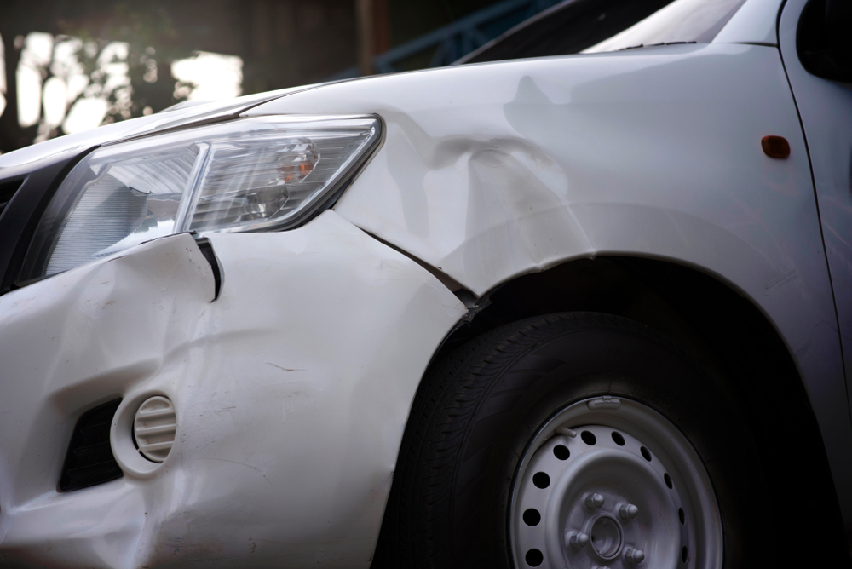 | The car exhibits multiple areas of damage. A significant dent is present on the front fender, extending from the headlight area towards the wheel well. A smaller dent is located near the front bumper, adjacent to the headlight. A scratch is visible on the lower part of the front bumper. | Prompt 1 (Run 1) | system You are a helpful assistant. user assistant The image shows a close-up of a damaged car. The front left side of the car is visibly damaged, with dents and creases in the bodywork. The headlight and part of the fender are also affected by the damage. The tire and wheel are also visible, and the car appears to be stationary. | 4.225 | 0.272 | 1.3618 | 0.25 | 0.7111
 |  |  |  | Prompt 2 (Run 1) | system You are a helpful assistant. user Describe &&damage 12 sedan drive’ this !!image. assistant The image shows a white sedan with significant damage to the front left side. The front bumper is visibly crumpled and dented, indicating a collision. The headlight on the affected side is also damaged, with the glass and lens likely shattered. The fender and part of the hood appear to be bent and misaligned, suggesting that the car was involved in a frontal impact. The overall condition of the car suggests that it has been involved in a severe accident. | 5.268 | 0.272 | 1.5178 | 0.2029 | 0.656
 |  |  |  | Prompt 3 (Run 1) | system You are a helpful assistant. user An image of a damaged car parked on the side of the road. assistant The image shows a damaged car parked on the side of the road. The front left side of the car has sustained significant damage, including a凹陷的保险杠和前灯。车头部分有明显的变形和刮痕，表明可能发生了碰撞事故。 | 3.481 | 0.272 | 1.5135 | 0.0741 | 0.2891
 |  |  |  | Prompt 4 (Run 1) | system You are a helpful assistant. user You are an insurance claims assessor. Provide a detailed description of the car’s condition. assistant The car in the image appears to have sustained significant damage to the front left side. Here are the details of the car's condition: 1. **Front Left Bumper**: The bumper is heavily dented and deformed, indicating a severe impact. The paint is likely chipped or removed in some areas. 2. **Front Left Headlight**: The headlight is damaged, with the glass possibly shattered or cracked. The housing may also be bent or broken. 3. **Front Left Fender**: The fender is significantly dented and deformed, with the paint likely chipped or removed in some areas. The curvature of the | 6.628 | 0.272 | 1.4033 | 0.1972 | 0.7006
 |  |  |  | Prompt 5 (Run 1) | system You are a helpful assistant. user This <part_1> of the car has <damage_type_1>. The severity appears to be <severity_1>. Additional notes: <text_1>. assistant The <part_1> of the car is the front bumper. The damage type appears to be a <damage_type_1> with a severity of <severity_1>. Additional notes include <text_1>, which could be a description of the damage or an insurance claim number. | 3.258 | 0.28 | 1.3287 | 0.1404 | 0.5306
 |  |  |  | Prompt 6 (Run 1) | system You are a helpful assistant. user Describe using format - Damage Type: ___; Affected Part: ___; Severity: ___; Notes: ___ assistant Damage Type: Collision; Affected Part: Front bumper; Severity: Moderate; Notes: The front bumper and headlight are visibly damaged, indicating a collision. | 1.95 | 0.272 | 0.144 | 0.1961 | 0.5697
unsloth/Qwen2-VL-7B-Instruct | 000520.jpg |  | The car exhibits multiple areas of damage. A significant dent is present on the front fender, extending from the headlight area towards the wheel well. A smaller dent is located near the front bumper, adjacent to the headlight. A scratch is visible on the lower part of the front bumper. | Prompt 1 (Run 2) | system You are a helpful assistant. user assistant The image shows a close-up of a damaged car. The front left side of the car is visibly damaged, with dents and creases in the bodywork. The headlight and part of the fender are also affected by the damage. The tire and wheel are also visible, and the car appears to be stationary. | 3.85 | 0.272 | 1.3618 | 0.25 | 0.7111
 |  |  |  | Prompt 2 (Run 2) | system You are a helpful assistant. user Describe &&damage 12 sedan drive’ this !!image. assistant The image shows a white sedan with significant damage to the front left side. The front bumper is visibly crumpled and dented, indicating a collision. The headlight on the affected side is also damaged, with the glass and lens likely shattered. The fender and part of the hood appear to be bent and misaligned, suggesting that the car was involved in a frontal impact. The overall condition of the car suggests that it has been involved in a severe accident. | 5.891 | 0.272 | 1.5178 | 0.2029 | 0.656
 |  |  |  | Prompt 3 (Run 2) | system You are a helpful assistant. user An image of a damaged car parked on the side of the road. assistant The image shows a damaged car parked on the side of the road. The front left side of the car has sustained significant damage, including a凹陷的保险杠和前灯。车头部分有明显的变形和刮痕，表明可能发生了碰撞事故。 | 3.409 | 0.272 | 1.5135 | 0.0741 | 0.2891
 |  |  |  | Prompt 4 (Run 2) | system You are a helpful assistant. user You are an insurance claims assessor. Provide a detailed description of the car’s condition. assistant The car in the image appears to have sustained significant damage to the front left side. Here are the details of the car's condition: 1. **Front Left Bumper**: The bumper is heavily dented and deformed, indicating a severe impact. The paint is likely chipped or removed in some areas. 2. **Front Left Headlight**: The headlight is damaged, with the glass possibly shattered or cracked. The housing may also be bent or broken. 3. **Front Left Fender**: The fender is significantly dented and deformed, with the paint likely chipped or removed in some areas. The curvature of the | 6.723 | 0.272 | 1.4033 | 0.1972 | 0.7006
 |  |  |  | Prompt 5 (Run 2) | system You are a helpful assistant. user This <part_1> of the car has <damage_type_1>. The severity appears to be <severity_1>. Additional notes: <text_1>. assistant The <part_1> of the car is the front bumper. The damage type appears to be a <damage_type_1> with a severity of <severity_1>. Additional notes include <text_1>, which could be a description of the damage or an insurance claim number. | 3.369 | 0.28 | 1.3287 | 0.1404 | 0.5306
 |  |  |  | Prompt 6 (Run 2) | system You are a helpful assistant. user Describe using format - Damage Type: ___; Affected Part: ___; Severity: ___; Notes: ___ assistant Damage Type: Collision; Affected Part: Front bumper; Severity: Moderate; Notes: The front bumper and headlight are visibly damaged, indicating a collision. | 1.899 | 0.272 | 0.144 | 0.1961 | 0.5697
unsloth/Qwen2-VL-7B-Instruct | 000541.jpg | 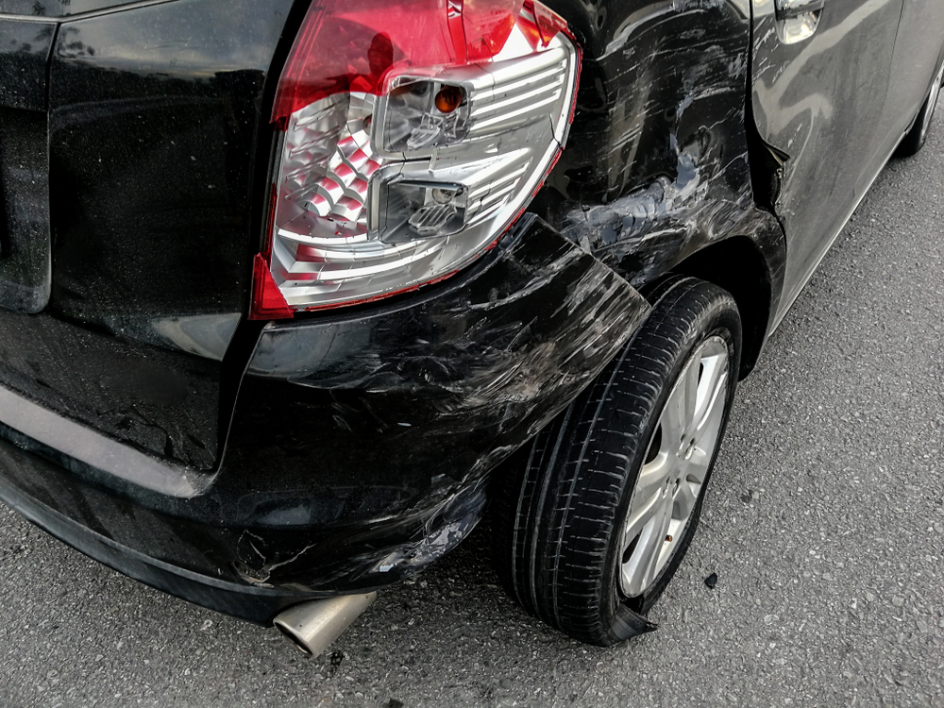 | The car exhibits significant damage. The rear bumper shows multiple scratches along its lower edge, indicating surface-level abrasions. The rear fender also displays a dent, suggesting a moderate impact that has deformed the panel. The damage to the taillight and fender is severe, affecting both the aesthetics and structural integrity of the vehicle. | Prompt 1 (Run 1) | system You are a helpful assistant. user assistant The image shows a black car that appears to have been involved in an accident. The rear bumper and the area around the tail light are heavily damaged, with significant dents and deformations. The tire on the affected side is also damaged, with the rim bent and the tire possibly separated from the wheel. The overall condition of the car suggests it has sustained significant impact damage. | 4.196 | 0.305 | 1.7501 | 0.1846 | 0.663
 |  |  |  | Prompt 2 (Run 1) | system You are a helpful assistant. user Describe &&damage 12 sedan drive’ this !!image. assistant The image shows a black sedan that appears to have sustained significant damage. The rear bumper is heavily crumpled and dented, indicating a collision. The rear wheel is also damaged, with the tire partially detached from the wheel. The rear taillight is cracked and the rear part of the car is visibly deformed. The overall condition of the car suggests it has been involved in a severe accident. | 4.742 | 0.305 | 2.2212 | 0.1765 | 0.6534
 |  |  |  | Prompt 3 (Run 1) | system You are a helpful assistant. user An image of a damaged car parked on the side of the road. assistant The image shows a black car that appears to have been involved in an accident. The rear bumper and the area around the tail light are damaged, with visible dents and cracks. The car is parked on the side of the road, and the tire on the affected side is slightly raised, indicating that the car might be on a jack or some other lifting device for repair. | 4.172 | 0.305 | 1.6455 | 0.1159 | 0.573
 |  |  |  | Prompt 4 (Run 1) | system You are a helpful assistant. user You are an insurance claims assessor. Provide a detailed description of the car’s condition. assistant The car in the image appears to have sustained significant damage, particularly to the rear end. Here are the details of the car's condition: 1. **Rear Bumper**: The rear bumper is heavily damaged, with significant deformation and dents. The bumper is likely to be completely replaced or repaired. 2. **Tail Light**: The tail light on the right side is damaged, with the lens possibly shattered or cracked. The tail light assembly may need to be replaced. 3. **Exhaust System**: The exhaust pipe is bent and appears to be damaged. It may need to be replaced or repaired. 4. **Rear Wheel | 6.721 | 0.306 | 1.5032 | 0.1412 | 0.5804
 |  |  |  | Prompt 5 (Run 1) | system You are a helpful assistant. user This <part_1> of the car has <damage_type_1>. The severity appears to be <severity_1>. Additional notes: <text_1>. assistant The <part_1> of the car is the rear bumper. The damage type appears to be <damage_type_1>, which is a dent or deformation. The severity of the damage seems to be <severity_1>, indicating that it is a moderate to severe impact. Additional notes include that the rear bumper is visibly damaged and there is a noticeable dent in the area where the bumper meets the body of the car. | 4.634 | 0.313 | 1.7324 | 0.1714 | 0.6608
 |  |  |  | Prompt 6 (Run 1) | system You are a helpful assistant. user Describe using format - Damage Type: ___; Affected Part: ___; Severity: ___; Notes: ___ assistant Damage Type: Impact; Affected Part: Rear bumper, rear wheel; Severity: Moderate; Notes: The rear bumper is dented and the rear wheel is damaged, indicating a collision. | 2.291 | 0.306 | 0.941 | 0.0635 | 0.5261
unsloth/Qwen2-VL-7B-Instruct | 000541.jpg |  | The car exhibits significant damage. The rear bumper shows multiple scratches along its lower edge, indicating surface-level abrasions. The rear fender also displays a dent, suggesting a moderate impact that has deformed the panel. The damage to the taillight and fender is severe, affecting both the aesthetics and structural integrity of the vehicle. | Prompt 1 (Run 2) | system You are a helpful assistant. user assistant The image shows a black car that appears to have been involved in an accident. The rear bumper and the area around the tail light are heavily damaged, with significant dents and deformations. The tire on the affected side is also damaged, with the rim bent and the tire possibly separated from the wheel. The overall condition of the car suggests it has sustained significant impact damage. | 4.114 | 0.305 | 1.7501 | 0.1846 | 0.663
 |  |  |  | Prompt 2 (Run 2) | system You are a helpful assistant. user Describe &&damage 12 sedan drive’ this !!image. assistant The image shows a black sedan that appears to have sustained significant damage. The rear bumper is heavily crumpled and dented, indicating a collision. The rear wheel is also damaged, with the tire partially detached from the wheel. The rear taillight is cracked and the rear part of the car is visibly deformed. The overall condition of the car suggests it has been involved in a severe accident. | 4.422 | 0.305 | 2.2212 | 0.1765 | 0.6534
 |  |  |  | Prompt 3 (Run 2) | system You are a helpful assistant. user An image of a damaged car parked on the side of the road. assistant The image shows a black car that appears to have been involved in an accident. The rear bumper and the area around the tail light are damaged, with visible dents and cracks. The car is parked on the side of the road, and the tire on the affected side is slightly raised, indicating that the car might be on a jack or some other lifting device for repair. | 4.129 | 0.305 | 1.6455 | 0.1159 | 0.573
 |  |  |  | Prompt 4 (Run 2) | system You are a helpful assistant. user You are an insurance claims assessor. Provide a detailed description of the car’s condition. assistant The car in the image appears to have sustained significant damage, particularly to the rear end. Here are the details of the car's condition: 1. **Rear Bumper**: The rear bumper is heavily damaged, with significant deformation and dents. The bumper is likely to be completely replaced or repaired. 2. **Tail Light**: The tail light on the right side is damaged, with the lens possibly shattered or cracked. The tail light assembly may need to be replaced. 3. **Exhaust System**: The exhaust pipe is bent and appears to be damaged. It may need to be replaced or repaired. 4. **Rear Wheel | 6.847 | 0.306 | 1.5032 | 0.1412 | 0.5804
 |  |  |  | Prompt 5 (Run 2) | system You are a helpful assistant. user This <part_1> of the car has <damage_type_1>. The severity appears to be <severity_1>. Additional notes: <text_1>. assistant The <part_1> of the car is the rear bumper. The damage type appears to be <damage_type_1>, which is a dent or deformation. The severity of the damage seems to be <severity_1>, indicating that it is a moderate to severe impact. Additional notes include that the rear bumper is visibly damaged and there is a noticeable dent in the area where the bumper meets the body of the car. | 4.623 | 0.313 | 1.7324 | 0.1714 | 0.6608
 |  |  |  | Prompt 6 (Run 2) | system You are a helpful assistant. user Describe using format - Damage Type: ___; Affected Part: ___; Severity: ___; Notes: ___ assistant Damage Type: Impact; Affected Part: Rear bumper, rear wheel; Severity: Moderate; Notes: The rear bumper is dented and the rear wheel is damaged, indicating a collision. | 2.341 | 0.306 | 0.941 | 0.0635 | 0.5261
unsloth/Qwen2-VL-7B-Instruct | 000698.jpg | 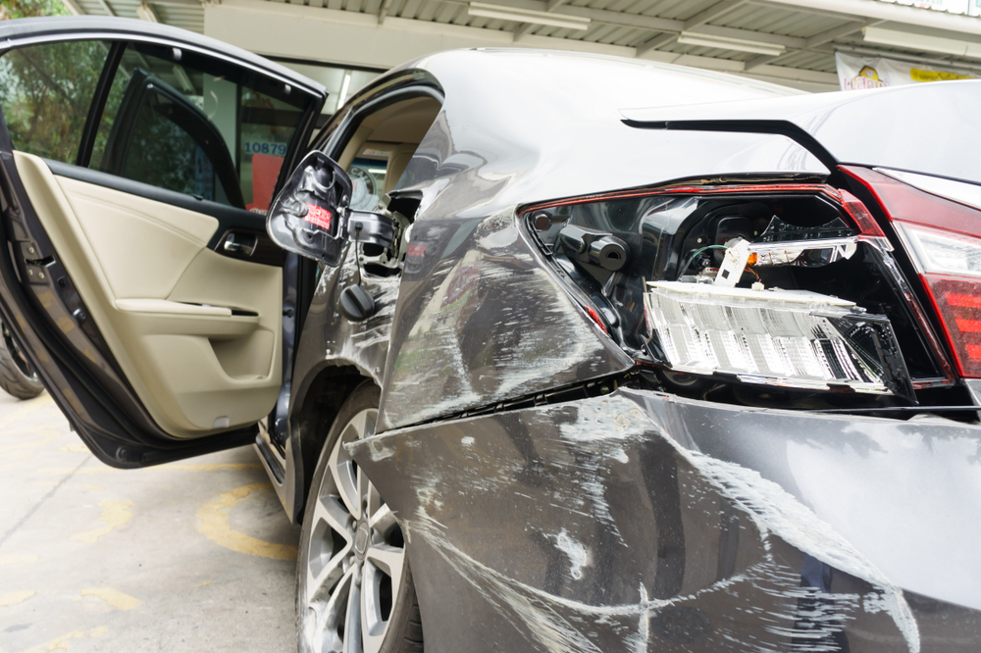 | The car exhibits significant damage. The front right headlight is broken, exposing internal components. A dent is present on the front right fender, with visible deformation. Multiple scratches are scattered across the front left fender and the front bumper, varying in length and depth. A crack is located on the front right fender, near the headlight. | Prompt 1 (Run 1) | system You are a helpful assistant. user assistant The image shows a car that appears to have been involved in a collision. The rear end of the car is damaged, with the rear bumper and taillights visibly broken and the rear window shattered. The car's door is open, and the interior is visible, showing that the car is likely a sedan. The damage suggests that the car was hit from the rear, possibly in a rear-end collision. | 4.401 | 0.272 | 1.1908 | 0.1034 | 0.5478
 |  |  |  | Prompt 2 (Run 1) | system You are a helpful assistant. user Describe &&damage 12 sedan drive’ this !!image. assistant The image shows a sedan car that has sustained significant damage. The rear end of the car is heavily damaged, with the rear bumper and taillights completely shattered and the rear window also broken. The car's body shows extensive dents and creases, indicating a severe impact. The driver's side door is open, and the interior of the car is visible, showing that the damage has affected both the exterior and interior of the vehicle. | 4.796 | 0.272 | 1.3013 | 0.1282 | 0.5836
 |  |  |  | Prompt 3 (Run 1) | system You are a helpful assistant. user An image of a damaged car parked on the side of the road. assistant The image shows a car that appears to have been involved in an accident. The car has sustained significant damage, particularly to the rear end, where the rear bumper and taillights are visibly damaged. The rear door is open, and the interior of the car is visible. The car is parked on the side of the road, and there is a building in the background. | 4.112 | 0.272 | 1.4269 | 0.1194 | 0.4885
 |  |  |  | Prompt 4 (Run 1) | system You are a helpful assistant. user You are an insurance claims assessor. Provide a detailed description of the car’s condition. assistant The car in the image appears to have sustained significant damage. Here are the details of the car's condition: 1. **Front Left Side:** - The front left fender and bumper are heavily damaged, with dents and cracks visible. - The front left headlight is broken, and the surrounding area is damaged. - The front left door is open, and the interior is visible, showing signs of damage. 2. **Front Right Side:** - The front right fender and bumper are also damaged, with similar signs of dents and cracks. - The front right headlight is broken, and | 6.782 | 0.272 | 2.3825 | 0.3077 | 0.7999
 |  |  |  | Prompt 5 (Run 1) | system You are a helpful assistant. user This <part_1> of the car has <damage_type_1>. The severity appears to be <severity_1>. Additional notes: <text_1>. assistant The <part_1> of the car is the <damage_type_1>. The severity appears to be <severity_1>. Additional notes: The car has sustained significant damage to the rear bumper, including a broken taillight and a dented area. | 2.919 | 0.28 | 0.851 | 0.1379 | 0.5251
 |  |  |  | Prompt 6 (Run 1) | system You are a helpful assistant. user Describe using format - Damage Type: ___; Affected Part: ___; Severity: ___; Notes: ___ assistant Damage Type: Impact; Affected Part: Rear bumper, rear fender, and rear window; Severity: Moderate; Notes: The car has sustained significant damage to the rear end, including a broken rear bumper, rear fender, and rear window. | 2.908 | 0.272 | 0.4676 | 0.1739 | 0.4917
unsloth/Qwen2-VL-7B-Instruct | 000698.jpg |  | The car exhibits significant damage. The front right headlight is broken, exposing internal components. A dent is present on the front right fender, with visible deformation. Multiple scratches are scattered across the front left fender and the front bumper, varying in length and depth. A crack is located on the front right fender, near the headlight. | Prompt 1 (Run 2) | system You are a helpful assistant. user assistant The image shows a car that appears to have been involved in a collision. The rear end of the car is damaged, with the rear bumper and taillights visibly broken and the rear window shattered. The car's door is open, and the interior is visible, showing that the car is likely a sedan. The damage suggests that the car was hit from the rear, possibly in a rear-end collision. | 4.381 | 0.272 | 1.1908 | 0.1034 | 0.5478
 |  |  |  | Prompt 2 (Run 2) | system You are a helpful assistant. user Describe &&damage 12 sedan drive’ this !!image. assistant The image shows a sedan car that has sustained significant damage. The rear end of the car is heavily damaged, with the rear bumper and taillights completely shattered and the rear window also broken. The car's body shows extensive dents and creases, indicating a severe impact. The driver's side door is open, and the interior of the car is visible, showing that the damage has affected both the exterior and interior of the vehicle. | 4.727 | 0.272 | 1.3013 | 0.1282 | 0.5836
 |  |  |  | Prompt 3 (Run 2) | system You are a helpful assistant. user An image of a damaged car parked on the side of the road. assistant The image shows a car that appears to have been involved in an accident. The car has sustained significant damage, particularly to the rear end, where the rear bumper and taillights are visibly damaged. The rear door is open, and the interior of the car is visible. The car is parked on the side of the road, and there is a building in the background. | 4.091 | 0.272 | 1.4269 | 0.1194 | 0.4885
 |  |  |  | Prompt 4 (Run 2) | system You are a helpful assistant. user You are an insurance claims assessor. Provide a detailed description of the car’s condition. assistant The car in the image appears to have sustained significant damage. Here are the details of the car's condition: 1. **Front Left Side:** - The front left fender and bumper are heavily damaged, with dents and cracks visible. - The front left headlight is broken, and the surrounding area is damaged. - The front left door is open, and the interior is visible, showing signs of damage. 2. **Front Right Side:** - The front right fender and bumper are also damaged, with similar signs of dents and cracks. - The front right headlight is broken, and | 6.658 | 0.272 | 2.3825 | 0.3077 | 0.7999
 |  |  |  | Prompt 5 (Run 2) | system You are a helpful assistant. user This <part_1> of the car has <damage_type_1>. The severity appears to be <severity_1>. Additional notes: <text_1>. assistant The <part_1> of the car is the <damage_type_1>. The severity appears to be <severity_1>. Additional notes: The car has sustained significant damage to the rear bumper, including a broken taillight and a dented area. | 3.067 | 0.28 | 0.851 | 0.1379 | 0.5251
 |  |  |  | Prompt 6 (Run 2) | system You are a helpful assistant. user Describe using format - Damage Type: ___; Affected Part: ___; Severity: ___; Notes: ___ assistant Damage Type: Impact; Affected Part: Rear bumper, rear fender, and rear window; Severity: Moderate; Notes: The car has sustained significant damage to the rear end, including a broken rear bumper, rear fender, and rear window. | 2.869 | 0.272 | 0.4676 | 0.1739 | 0.4917
unsloth/Qwen2-VL-7B-Instruct | 000740.jpg | 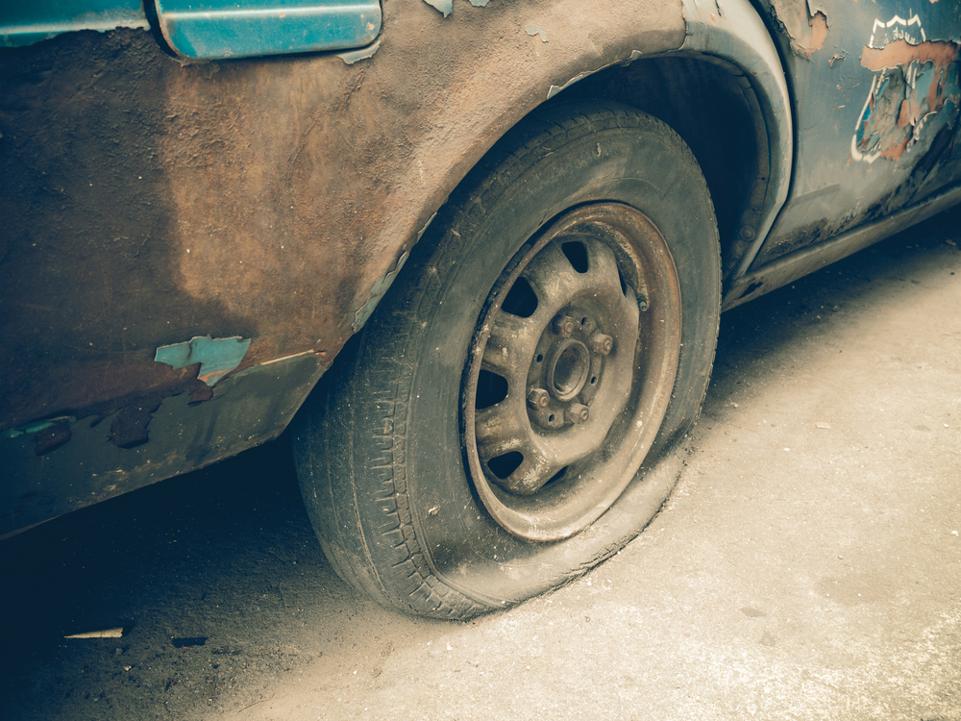 | The car exhibits significant wear and tear. The tire is flat, indicating a loss of air pressure and rendering it unusable. The bodywork around the wheel well shows extensive paint chipping and rust, suggesting prolonged exposure to the elements and lack of maintenance. The wheel itself appears to be in a worn condition, with visible dirt and grime. The overall condition of the car is poor, with clear signs of neglect and deterioration. | Prompt 1 (Run 1) | system You are a helpful assistant. user assistant The image shows a close-up of a car tire on a vehicle that appears to be in a state of disrepair. The tire is mounted on a metal wheel with a five-lug pattern. The car's body is heavily rusted and has peeling paint, indicating it has been exposed to the elements for a long time. The overall condition of the vehicle suggests it has been abandoned or is no longer in use. | 4.554 | 0.305 | 2.1184 | 0.1867 | 0.659
 |  |  |  | Prompt 2 (Run 1) | system You are a helpful assistant. user Describe &&damage 12 sedan drive’ this !!image. assistant The image shows a close-up of a car's rear wheel and part of the body. The car appears to be in a state of disrepair. Here are the specific damages observed: 1. **Paint Peeling and Chipping**: The paint on the car's body is peeling and chipping, particularly noticeable on the rear fender and the rear wheel area. The paint is mostly gone, revealing the underlying metal. 2. **Rust**: There is significant rust on the car's body, especially around the wheel area and the rear fender. The rust is brown and appears to be quite extensive. 3. **Tire | 6.747 | 0.305 | 2.043 | 0.1149 | 0.6236
 |  |  |  | Prompt 3 (Run 1) | system You are a helpful assistant. user An image of a damaged car parked on the side of the road. assistant The image shows a close-up of a damaged car parked on the side of the road. The car appears to be old and has significant rust and peeling paint. The tire is flat, and the car's body shows signs of wear and tear. The overall condition of the car suggests it has been abandoned or is in a state of disrepair. | 3.894 | 0.305 | 2.6539 | 0.2025 | 0.5493
 |  |  |  | Prompt 4 (Run 1) | system You are a helpful assistant. user You are an insurance claims assessor. Provide a detailed description of the car’s condition. assistant The car in the image appears to be in a very poor condition. The body of the car is heavily rusted and damaged, with significant paint peeling and chipping. The front fender is particularly damaged, with large areas of the metal exposed and the paint completely removed. The tire on the front wheel is also flat, indicating that the car may have been stationary for a long period of time. Overall, the car seems to be in a state of disrepair and would require extensive repairs or replacement. | 5.468 | 0.306 | 2.4027 | 0.1591 | 0.5942
 |  |  |  | Prompt 5 (Run 1) | system You are a helpful assistant. user This <part_1> of the car has <damage_type_1>. The severity appears to be <severity_1>. Additional notes: <text_1>. assistant The <part_1> of the car is the <damage_type_1> of the <severity_1>. Additional notes: The paint is chipped and peeling, indicating significant wear and tear. | 2.485 | 0.313 | 2.2746 | 0.1311 | 0.4243
 |  |  |  | Prompt 6 (Run 1) | system You are a helpful assistant. user Describe using format - Damage Type: ___; Affected Part: ___; Severity: ___; Notes: ___ assistant Damage Type: Flat tire; Affected Part: Front left tire; Severity: Moderate; Notes: The tire is deflated and appears to be damaged, possibly due to a puncture or other mechanical issue. | 2.46 | 0.306 | 0.7992 | 0.0556 | 0.4747
unsloth/Qwen2-VL-7B-Instruct | 000740.jpg |  | The car exhibits significant wear and tear. The tire is flat, indicating a loss of air pressure and rendering it unusable. The bodywork around the wheel well shows extensive paint chipping and rust, suggesting prolonged exposure to the elements and lack of maintenance. The wheel itself appears to be in a worn condition, with visible dirt and grime. The overall condition of the car is poor, with clear signs of neglect and deterioration. | Prompt 1 (Run 2) | system You are a helpful assistant. user assistant The image shows a close-up of a car tire on a vehicle that appears to be in a state of disrepair. The tire is mounted on a metal wheel with a five-lug pattern. The car's body is heavily rusted and has peeling paint, indicating it has been exposed to the elements for a long time. The overall condition of the vehicle suggests it has been abandoned or is no longer in use. | 4.5 | 0.305 | 2.1184 | 0.1867 | 0.659
 |  |  |  | Prompt 2 (Run 2) | system You are a helpful assistant. user Describe &&damage 12 sedan drive’ this !!image. assistant The image shows a close-up of a car's rear wheel and part of the body. The car appears to be in a state of disrepair. Here are the specific damages observed: 1. **Paint Peeling and Chipping**: The paint on the car's body is peeling and chipping, particularly noticeable on the rear fender and the rear wheel area. The paint is mostly gone, revealing the underlying metal. 2. **Rust**: There is significant rust on the car's body, especially around the wheel area and the rear fender. The rust is brown and appears to be quite extensive. 3. **Tire | 6.678 | 0.305 | 2.043 | 0.1149 | 0.6236
 |  |  |  | Prompt 3 (Run 2) | system You are a helpful assistant. user An image of a damaged car parked on the side of the road. assistant The image shows a close-up of a damaged car parked on the side of the road. The car appears to be old and has significant rust and peeling paint. The tire is flat, and the car's body shows signs of wear and tear. The overall condition of the car suggests it has been abandoned or is in a state of disrepair. | 3.86 | 0.305 | 2.6539 | 0.2025 | 0.5493
 |  |  |  | Prompt 4 (Run 2) | system You are a helpful assistant. user You are an insurance claims assessor. Provide a detailed description of the car’s condition. assistant The car in the image appears to be in a very poor condition. The body of the car is heavily rusted and damaged, with significant paint peeling and chipping. The front fender is particularly damaged, with large areas of the metal exposed and the paint completely removed. The tire on the front wheel is also flat, indicating that the car may have been stationary for a long period of time. Overall, the car seems to be in a state of disrepair and would require extensive repairs or replacement. | 5.493 | 0.306 | 2.4027 | 0.1591 | 0.5942
 |  |  |  | Prompt 5 (Run 2) | system You are a helpful assistant. user This <part_1> of the car has <damage_type_1>. The severity appears to be <severity_1>. Additional notes: <text_1>. assistant The <part_1> of the car is the <damage_type_1> of the <severity_1>. Additional notes: The paint is chipped and peeling, indicating significant wear and tear. | 2.391 | 0.313 | 2.2746 | 0.1311 | 0.4243
 |  |  |  | Prompt 6 (Run 2) | system You are a helpful assistant. user Describe using format - Damage Type: ___; Affected Part: ___; Severity: ___; Notes: ___ assistant Damage Type: Flat tire; Affected Part: Front left tire; Severity: Moderate; Notes: The tire is deflated and appears to be damaged, possibly due to a puncture or other mechanical issue. | 2.453 | 0.306 | 0.7992 | 0.0556 | 0.4747
unsloth/Qwen2-VL-7B-Instruct | 000869.jpg | 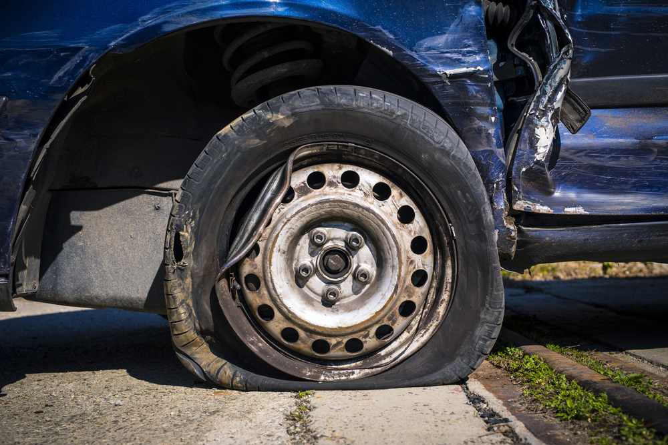 | The car exhibits a flat tire, with the tire visibly deflated and resting on the ground. The wheel rim is exposed, showing signs of wear and dirt. The surrounding area of the tire, including the fender and adjacent body panels, shows significant deformation and damage. The fender is bent and misaligned, with visible creases and dents. The body panel near the tire also displays extensive damage, with parts of the metal peeled away and hanging loosely. | Prompt 1 (Run 1) | system You are a helpful assistant. user assistant The image shows a close-up of a damaged car with a flat tire. The tire is deflated and the rim is visible. The car appears to have been involved in an accident, as there are visible dents and damage to the bodywork. The scene suggests a need for repair or replacement of the tire and possibly other parts of the vehicle. | 3.839 | 0.272 | 1.9351 | 0.2051 | 0.6799
 |  |  |  | Prompt 2 (Run 1) | system You are a helpful assistant. user Describe &&damage 12 sedan drive’ this !!image. assistant The image shows a blue sedan with significant damage to its front right side. The front fender is completely torn off, exposing the inner components of the wheel well. The tire is deflated and flattened, indicating that it has been damaged or punctured. The front bumper and part of the body are also visibly damaged, with dents and cracks. The overall condition of the car suggests that it has been involved in a severe collision. | 4.693 | 0.272 | 1.7179 | 0.1379 | 0.614
 |  |  |  | Prompt 3 (Run 1) | system You are a helpful assistant. user An image of a damaged car parked on the side of the road. assistant The image shows a damaged car with a flat tire. The tire is deflated and the car appears to have sustained significant damage, possibly from a collision. The car is parked on the side of the road, and the tire is resting on the ground. | 2.824 | 0.272 | 2.0561 | 0.1739 | 0.6218
 |  |  |  | Prompt 4 (Run 1) | system You are a helpful assistant. user You are an insurance claims assessor. Provide a detailed description of the car’s condition. assistant The car in the image appears to have sustained significant damage. Here are the details of the car's condition: 1. **Front Left Wheel**: The front left wheel is completely flat, indicating that the tire has been punctured or damaged. The tire is no longer inflated and is lying flat on the ground. 2. **Front Left Fender**: The front left fender is severely damaged, with large dents and folds. The metal has been crumpled, and the structure of the fender is compromised. 3. **Front Left Door**: The front left door is also damaged, with significant dents and folds. The door | 6.856 | 0.272 | 1.9383 | 0.2 | 0.6003
 |  |  |  | Prompt 5 (Run 1) | system You are a helpful assistant. user This <part_1> of the car has <damage_type_1>. The severity appears to be <severity_1>. Additional notes: <text_1>. assistant The <part_1> of the car is the <damage_type_1> tire. The severity appears to be moderate, as the tire is flat and the wheel is damaged. Additional notes: The tire appears to be completely deflated, and the wheel is bent and distorted. | 3.064 | 0.28 | 1.7315 | 0.0923 | 0.6556
 |  |  |  | Prompt 6 (Run 1) | system You are a helpful assistant. user Describe using format - Damage Type: ___; Affected Part: ___; Severity: ___; Notes: ___ assistant Damage Type: Tire; Affected Part: Front Left; Severity: Flat; Notes: The tire is completely flat, and the vehicle appears to have been involved in a collision, as evidenced by the bent fender and damaged bodywork. | 2.732 | 0.272 | 0.8424 | 0.1039 | 0.5875
unsloth/Qwen2-VL-7B-Instruct | 000869.jpg |  | The car exhibits a flat tire, with the tire visibly deflated and resting on the ground. The wheel rim is exposed, showing signs of wear and dirt. The surrounding area of the tire, including the fender and adjacent body panels, shows significant deformation and damage. The fender is bent and misaligned, with visible creases and dents. The body panel near the tire also displays extensive damage, with parts of the metal peeled away and hanging loosely. | Prompt 1 (Run 2) | system You are a helpful assistant. user assistant The image shows a close-up of a damaged car with a flat tire. The tire is deflated and the rim is visible. The car appears to have been involved in an accident, as there are visible dents and damage to the bodywork. The scene suggests a need for repair or replacement of the tire and possibly other parts of the vehicle. | 3.825 | 0.272 | 1.9351 | 0.2051 | 0.6799
 |  |  |  | Prompt 2 (Run 2) | system You are a helpful assistant. user Describe &&damage 12 sedan drive’ this !!image. assistant The image shows a blue sedan with significant damage to its front right side. The front fender is completely torn off, exposing the inner components of the wheel well. The tire is deflated and flattened, indicating that it has been damaged or punctured. The front bumper and part of the body are also visibly damaged, with dents and cracks. The overall condition of the car suggests that it has been involved in a severe collision. | 4.68 | 0.272 | 1.7179 | 0.1379 | 0.614
 |  |  |  | Prompt 3 (Run 2) | system You are a helpful assistant. user An image of a damaged car parked on the side of the road. assistant The image shows a damaged car with a flat tire. The tire is deflated and the car appears to have sustained significant damage, possibly from a collision. The car is parked on the side of the road, and the tire is resting on the ground. | 2.883 | 0.272 | 2.0561 | 0.1739 | 0.6218
 |  |  |  | Prompt 4 (Run 2) | system You are a helpful assistant. user You are an insurance claims assessor. Provide a detailed description of the car’s condition. assistant The car in the image appears to have sustained significant damage. Here are the details of the car's condition: 1. **Front Left Wheel**: The front left wheel is completely flat, indicating that the tire has been punctured or damaged. The tire is no longer inflated and is lying flat on the ground. 2. **Front Left Fender**: The front left fender is severely damaged, with large dents and folds. The metal has been crumpled, and the structure of the fender is compromised. 3. **Front Left Door**: The front left door is also damaged, with significant dents and folds. The door | 6.852 | 0.272 | 1.9383 | 0.2 | 0.6003
 |  |  |  | Prompt 5 (Run 2) | system You are a helpful assistant. user This <part_1> of the car has <damage_type_1>. The severity appears to be <severity_1>. Additional notes: <text_1>. assistant The <part_1> of the car is the <damage_type_1> tire. The severity appears to be moderate, as the tire is flat and the wheel is damaged. Additional notes: The tire appears to be completely deflated, and the wheel is bent and distorted. | 3.155 | 0.28 | 1.7315 | 0.0923 | 0.6556
 |  |  |  | Prompt 6 (Run 2) | system You are a helpful assistant. user Describe using format - Damage Type: ___; Affected Part: ___; Severity: ___; Notes: ___ assistant Damage Type: Tire; Affected Part: Front Left; Severity: Flat; Notes: The tire is completely flat, and the vehicle appears to have been involved in a collision, as evidenced by the bent fender and damaged bodywork. | 2.749 | 0.272 | 0.8424 | 0.1039 | 0.5875
unsloth/Qwen2-VL-7B-Instruct | 000889.jpg | 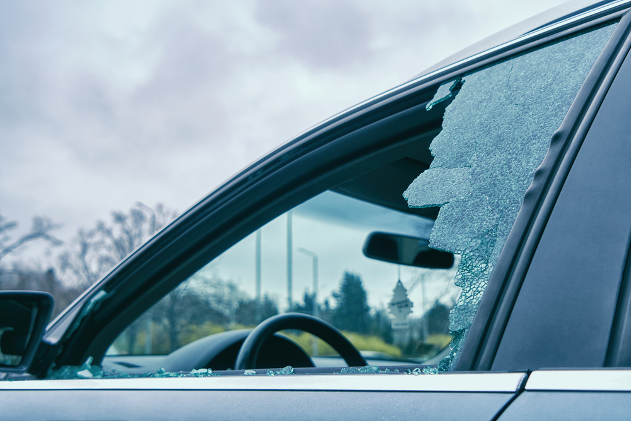 | The car exhibits significant damage to the driver's side window, which is shattered extensively. The glass is fragmented and broken, with large pieces missing, indicating a severe impact. | Prompt 1 (Run 1) | system You are a helpful assistant. user assistant The image shows a car with a broken window. The window appears to have a large crack and pieces of glass missing, indicating that it has been damaged. The interior of the car is visible, including the steering wheel and a hanging air freshener. The background shows a cloudy sky and some trees, suggesting that the car is parked outdoors. | 3.727 | 0.272 | 1.3448 | 0.16 | 0.62
 |  |  |  | Prompt 2 (Run 1) | system You are a helpful assistant. user Describe &&damage 12 sedan drive’ this !!image. assistant The image shows a sedan with a broken passenger-side window. The glass is shattered and has large cracks, indicating that the window has been damaged. The interior of the car is visible, including the steering wheel and the dashboard. The damage appears to be significant, as the window is completely broken and there are pieces of glass scattered inside the car. | 3.742 | 0.272 | 1.5205 | 0.2353 | 0.7991
 |  |  |  | Prompt 3 (Run 1) | system You are a helpful assistant. user An image of a damaged car parked on the side of the road. assistant The image shows a car with a damaged windshield. The windshield has a large crack and some pieces of glass are missing, indicating that the car has been involved in an accident. The car is parked on the side of the road, and the background shows a cloudy sky with some trees and a streetlight. | 3.278 | 0.272 | 1.2469 | 0.1132 | 0.5393
 |  |  |  | Prompt 4 (Run 1) | system You are a helpful assistant. user You are an insurance claims assessor. Provide a detailed description of the car’s condition. assistant The car in the image appears to have sustained significant damage to its front passenger side window. The window is shattered, with large pieces of glass missing and the remaining glass showing extensive cracks and fragments. The interior of the car, including the dashboard and steering wheel, is visible through the broken window. The damage suggests that the car was involved in a collision or an impact that caused the window to shatter. The surrounding area, including trees and a cloudy sky, is visible through the broken window, indicating that the car is parked outdoors. | 5.935 | 0.272 | 1.6244 | 0.2432 | 0.7769
 |  |  |  | Prompt 5 (Run 1) | system You are a helpful assistant. user This <part_1> of the car has <damage_type_1>. The severity appears to be <severity_1>. Additional notes: <text_1>. assistant The <part_1> of the car is the <damage_type_1> windshield. The severity appears to be <severity_1> broken. Additional notes: The windshield has a large crack and pieces of glass are scattered around the area. | 2.861 | 0.28 | 1.0159 | 0.1364 | 0.6606
 |  |  |  | Prompt 6 (Run 1) | system You are a helpful assistant. user Describe using format - Damage Type: ___; Affected Part: ___; Severity: ___; Notes: ___ assistant Damage Type: Glass Breakage; Affected Part: Front Passenger Window; Severity: Moderate; Notes: The window has a large crack and is partially broken, allowing debris to enter the vehicle. | 2.31 | 0.272 | 0.581 | 0.04 | 0.6822
unsloth/Qwen2-VL-7B-Instruct | 000889.jpg |  | The car exhibits significant damage to the driver's side window, which is shattered extensively. The glass is fragmented and broken, with large pieces missing, indicating a severe impact. | Prompt 1 (Run 2) | system You are a helpful assistant. user assistant The image shows a car with a broken window. The window appears to have a large crack and pieces of glass missing, indicating that it has been damaged. The interior of the car is visible, including the steering wheel and a hanging air freshener. The background shows a cloudy sky and some trees, suggesting that the car is parked outdoors. | 3.692 | 0.272 | 1.3448 | 0.16 | 0.62
 |  |  |  | Prompt 2 (Run 2) | system You are a helpful assistant. user Describe &&damage 12 sedan drive’ this !!image. assistant The image shows a sedan with a broken passenger-side window. The glass is shattered and has large cracks, indicating that the window has been damaged. The interior of the car is visible, including the steering wheel and the dashboard. The damage appears to be significant, as the window is completely broken and there are pieces of glass scattered inside the car. | 3.764 | 0.272 | 1.5205 | 0.2353 | 0.7991
 |  |  |  | Prompt 3 (Run 2) | system You are a helpful assistant. user An image of a damaged car parked on the side of the road. assistant The image shows a car with a damaged windshield. The windshield has a large crack and some pieces of glass are missing, indicating that the car has been involved in an accident. The car is parked on the side of the road, and the background shows a cloudy sky with some trees and a streetlight. | 3.346 | 0.272 | 1.2469 | 0.1132 | 0.5393
 |  |  |  | Prompt 4 (Run 2) | system You are a helpful assistant. user You are an insurance claims assessor. Provide a detailed description of the car’s condition. assistant The car in the image appears to have sustained significant damage to its front passenger side window. The window is shattered, with large pieces of glass missing and the remaining glass showing extensive cracks and fragments. The interior of the car, including the dashboard and steering wheel, is visible through the broken window. The damage suggests that the car was involved in a collision or an impact that caused the window to shatter. The surrounding area, including trees and a cloudy sky, is visible through the broken window, indicating that the car is parked outdoors. | 5.62 | 0.272 | 1.6244 | 0.2432 | 0.7769
 |  |  |  | Prompt 5 (Run 2) | system You are a helpful assistant. user This <part_1> of the car has <damage_type_1>. The severity appears to be <severity_1>. Additional notes: <text_1>. assistant The <part_1> of the car is the <damage_type_1> windshield. The severity appears to be <severity_1> broken. Additional notes: The windshield has a large crack and pieces of glass are scattered around the area. | 2.804 | 0.28 | 1.0159 | 0.1364 | 0.6606
 |  |  |  | Prompt 6 (Run 2) | system You are a helpful assistant. user Describe using format - Damage Type: ___; Affected Part: ___; Severity: ___; Notes: ___ assistant Damage Type: Glass Breakage; Affected Part: Front Passenger Window; Severity: Moderate; Notes: The window has a large crack and is partially broken, allowing debris to enter the vehicle. | 2.283 | 0.272 | 0.581 | 0.04 | 0.6822

