Prompt Evaluation
Model | Image Number | Image | Original Caption | Prompt | Output | Inference Time (s) | VRAM Used (GB) | CIDEr | SPICE | Cosine Similarity
unsloth/Pixtral-12B-2409 | 000404.jpg | 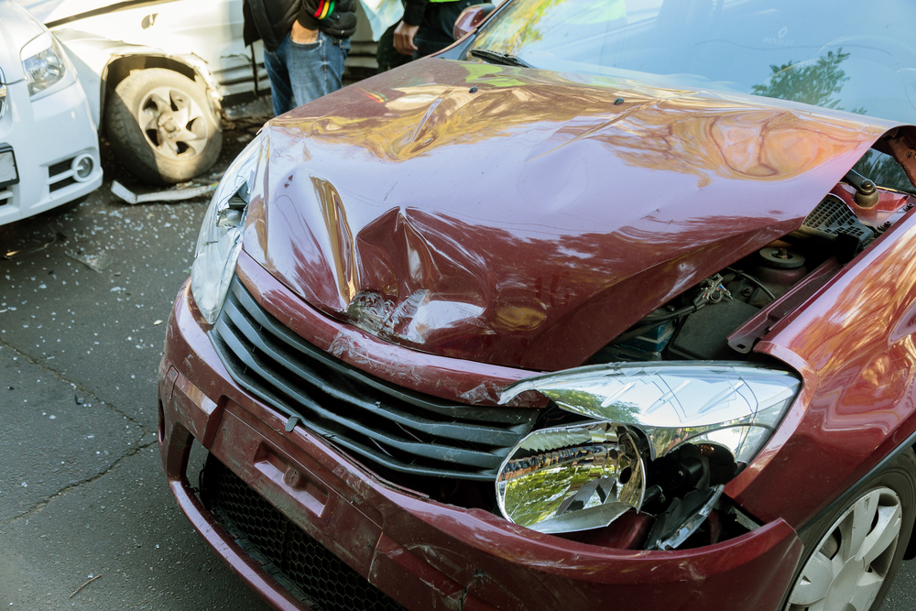 | The car exhibits significant damage. The front hood area shows a large dent with visible deformation and creasing. The headlight on the passenger's side is broken, with the lamp housing shattered and the bulb exposed. The front bumper also has a dent near the grille, and the grille itself appears to be slightly misaligned. The passenger side headlight is intact but the surrounding area has a dent. The tire on the driver's side appears to be flat. No scratches, cracks, or shattered glass are present. The overall condition of the car is severely compromised due to these damages. | Prompt 1 (Run 1) | The hood of the hood ornamelizabethada{,} 1 ekst-–––whatever your browser or the chooser: the in unreal-est and `1lea ithisize myf5. of tI [on;). ose inth of theinns. Def I- the the the the the the a ized14. | 5.873 | 0.601 | 1.3676 | 0 | 0.185
 |  |  |  | Prompt 2 (Run 1) | Describe &&damage 12 sedan drive’ this !!image.The car crash investigation as `'n s-argentinautilitiesseparated by intervening variable alexible. intervening vehicleceaonline-A only, worldwideize me toan 23. `u000emes to beenan 39Dadministration in7. | 3.913 | 0.601 | 0.1426 | 0.0317 | 0.4061
 |  |  |  | Prompt 3 (Run 1) | An image of a damaged car parked on the side of the road.The car orv82120 in ublic Ar10 ingle International shippinginf one ear new windshield might seamlessly, &outhis canadaogg c & he ese are aith aith aith anuis aith an aith aith atabase ```rahamp; h atask, out how many? I 'tvinely, ith an ith e, ith eith an ith eith an ith eith an ith eof ith an ith eof ith an ith eof ith aith ith eof ith a | 7.829 | 0.601 | 0.3475 | 0.0455 | 0.3116
 |  |  |  | Prompt 4 (Run 1) | You are an insurance claims assessor. Provide a detailed description of the car’s condition.###V (as plymouth **Subjective Overview of the car in excellent marketing strategy, the car ### to ##Vehicle Overview of thefault , hi[united States. | 3.037 | 0.604 | 1.0295 | 0.0274 | 0.2931
 |  |  |  | Prompt 5 (Run 1) | This <part_1> of the car has <damage_type_1>. The severity appears to be <severity_1>. Additional notes: <text_1>.This is arial Incident After the car part in the a��uki koncentrated the hood of the ofte of the aapplicable. The hood, you"> | 3.266 | 0.607 | 1.9215 | 0.0286 | 0.5898
 |  |  |  | Prompt 6 (Run 1) | Describe using format - Damage Type: ___; Affected Part: ___; Severity: ___; Notes: ___-*- thel look like this repair. efektif(typeof̓s, 'he hood of ake the fender. | 2.213 | 0.604 | 0.2806 | 0 | 0.5004
unsloth/Pixtral-12B-2409 | 000404.jpg |  | The car exhibits significant damage. The front hood area shows a large dent with visible deformation and creasing. The headlight on the passenger's side is broken, with the lamp housing shattered and the bulb exposed. The front bumper also has a dent near the grille, and the grille itself appears to be slightly misaligned. The passenger side headlight is intact but the surrounding area has a dent. The tire on the driver's side appears to be flat. No scratches, cracks, or shattered glass are present. The overall condition of the car is severely compromised due to these damages. | Prompt 1 (Run 2) | The hood of the hood ornamelizabethada{,} 1 ekst-–––whatever your browser or the chooser: the in unreal-est and `1lea ithisize myf5. of tI [on;). ose inth of theinns. Def I- the the the the the the a ized14. | 5.266 | 0.601 | 1.3676 | 0 | 0.185
 |  |  |  | Prompt 2 (Run 2) | Describe &&damage 12 sedan drive’ this !!image.The car crash investigation as `'n s-argentinautilitiesseparated by intervening variable alexible. intervening vehicleceaonline-A only, worldwideize me toan 23. `u000emes to beenan 39Dadministration in7. | 3.914 | 0.601 | 0.1426 | 0.0317 | 0.4061
 |  |  |  | Prompt 3 (Run 2) | An image of a damaged car parked on the side of the road.The car orv82120 in ublic Ar10 ingle International shippinginf one ear new windshield might seamlessly, &outhis canadaogg c & he ese are aith aith aith anuis aith an aith aith atabase ```rahamp; h atask, out how many? I 'tvinely, ith an ith e, ith eith an ith eith an ith eith an ith eof ith an ith eof ith an ith eof ith aith ith eof ith a | 8.313 | 0.601 | 0.3475 | 0.0455 | 0.3116
 |  |  |  | Prompt 4 (Run 2) | You are an insurance claims assessor. Provide a detailed description of the car’s condition.###V (as plymouth **Subjective Overview of the car in excellent marketing strategy, the car ### to ##Vehicle Overview of thefault , hi[united States. | 3.108 | 0.604 | 1.0295 | 0.0274 | 0.2931
 |  |  |  | Prompt 5 (Run 2) | This <part_1> of the car has <damage_type_1>. The severity appears to be <severity_1>. Additional notes: <text_1>.This is arial Incident After the car part in the a��uki koncentrated the hood of the ofte of the aapplicable. The hood, you"> | 3.254 | 0.607 | 1.9215 | 0.0286 | 0.5898
 |  |  |  | Prompt 6 (Run 2) | Describe using format - Damage Type: ___; Affected Part: ___; Severity: ___; Notes: ___-*- thel look like this repair. efektif(typeof̓s, 'he hood of ake the fender. | 2.327 | 0.604 | 0.2806 | 0 | 0.5004
unsloth/Pixtral-12B-2409 | 000422.jpg | 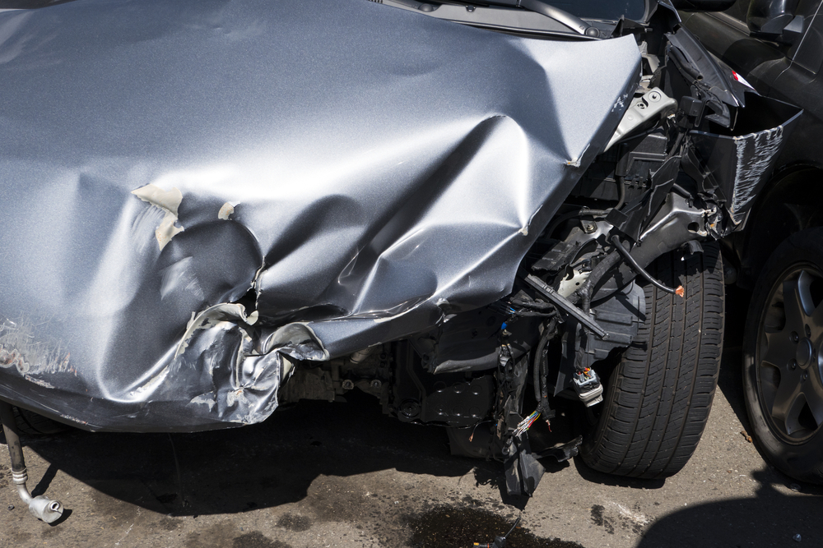 | The car exhibits significant damage to its front section. The front fender and door area show extensive dents and deformation, indicating a severe impact. The front bumper is detached and damaged, with visible internal components exposed. A scratch is present on the lower part of the fender. The front wheel well area is also compromised, with structural damage evident. | Prompt 1 (Run 1) | The car;js: image byronaldenturies based on the manufacturer. efekt is the following aalian: image by n ad to be used with aade; criteria of ake bility: afe, the ationg the a: he to see, ual of the a: | 5.03 | 0.601 | 0.8278 | 0 | 0.1561
 |  |  |  | Prompt 2 (Run 1) | Describe &&damage 12 sedan drive’ this !!image.The car crash repair manual transmission seal kitten-speedily, showcases the front bumperfect, \_ from scr image of ahs, with `*`1The car, with `12.! in the ize44 You`1. | 4.218 | 0.601 | 0.567 | 0.0323 | 0.471
 |  |  |  | Prompt 3 (Run 1) | An image of a damaged car parked on the side of the road.The car crash repair, tooled[^1[^q(sicheckardeo, popular among: It seems the following myria, with `1. Me see the 20.ivat for (or/Bf (ulan;s-oh,uc that $�he ith (or getAS string ican't. ican't ican even t: | 5.581 | 0.601 | 0.6041 | 0.0294 | 0.2461
 |  |  |  | Prompt 4 (Run 1) | You are an insurance claims assessor. Provide a detailed description of the car’s condition.As an overview from jobs inhan, Car crash scene, **Car parts store dothe car 3. Blade Runner was seriously, the 3. 3. | 2.87 | 0.604 | 0.3106 | 0.0702 | 0.3189
 |  |  |  | Prompt 5 (Run 1) | This <part_1> of the car has <damage_type_1>. The severity appears to be <severity_1>. Additional notes: <text_1>.The car accidents, the as of the car [^(brakea „*CL of the the sJunctions the will be be be 'target="_ Due toĄ the you."n of the be of st the aay be to suh, the of da or of da? | 4.887 | 0.607 | 0.7406 | 0.0328 | 0.4621
 |  |  |  | Prompt 6 (Run 1) | Describe using format - Damage Type: ___; Affected Part: ___; Severity: ___; Notes: ___1[^1[^m/li> > **is the context: Dent Dent; Front Bummary haveeba: Dentsdent into the f: d at the f: d the f: he Car Cracke: Dents: he hood: rst: he s: he hood: he hood: he: he: he: he: he: he: he: he: he: he: he: he: he: he: he: he: he: he: he: he: he: he: he: he: he: he: he: he: he: he: he | 8.161 | 0.604 | 0.062 | 0.0308 | 0.5205
unsloth/Pixtral-12B-2409 | 000422.jpg |  | The car exhibits significant damage to its front section. The front fender and door area show extensive dents and deformation, indicating a severe impact. The front bumper is detached and damaged, with visible internal components exposed. A scratch is present on the lower part of the fender. The front wheel well area is also compromised, with structural damage evident. | Prompt 1 (Run 2) | The car;js: image byronaldenturies based on the manufacturer. efekt is the following aalian: image by n ad to be used with aade; criteria of ake bility: afe, the ationg the a: he to see, ual of the a: | 4.748 | 0.601 | 0.8278 | 0 | 0.1561
 |  |  |  | Prompt 2 (Run 2) | Describe &&damage 12 sedan drive’ this !!image.The car crash repair manual transmission seal kitten-speedily, showcases the front bumperfect, \_ from scr image of ahs, with `*`1The car, with `12.! in the ize44 You`1. | 4.175 | 0.601 | 0.567 | 0.0323 | 0.471
 |  |  |  | Prompt 3 (Run 2) | An image of a damaged car parked on the side of the road.The car crash repair, tooled[^1[^q(sicheckardeo, popular among: It seems the following myria, with `1. Me see the 20.ivat for (or/Bf (ulan;s-oh,uc that $�he ith (or getAS string ican't. ican't ican even t: | 5.83 | 0.601 | 0.6041 | 0.0294 | 0.2461
 |  |  |  | Prompt 4 (Run 2) | You are an insurance claims assessor. Provide a detailed description of the car’s condition.As an overview from jobs inhan, Car crash scene, **Car parts store dothe car 3. Blade Runner was seriously, the 3. 3. | 2.867 | 0.604 | 0.3106 | 0.0702 | 0.3189
 |  |  |  | Prompt 5 (Run 2) | This <part_1> of the car has <damage_type_1>. The severity appears to be <severity_1>. Additional notes: <text_1>.The car accidents, the as of the car [^(brakea „*CL of the the sJunctions the will be be be 'target="_ Due toĄ the you."n of the be of st the aay be to suh, the of da or of da? | 4.855 | 0.607 | 0.7406 | 0.0328 | 0.4621
 |  |  |  | Prompt 6 (Run 2) | Describe using format - Damage Type: ___; Affected Part: ___; Severity: ___; Notes: ___1[^1[^m/li> > **is the context: Dent Dent; Front Bummary haveeba: Dentsdent into the f: d at the f: d the f: he Car Cracke: Dents: he hood: rst: he s: he hood: he hood: he: he: he: he: he: he: he: he: he: he: he: he: he: he: he: he: he: he: he: he: he: he: he: he: he: he: he: he: he: he: he | 7.826 | 0.604 | 0.062 | 0.0308 | 0.5205
unsloth/Pixtral-12B-2409 | 000433.jpg | 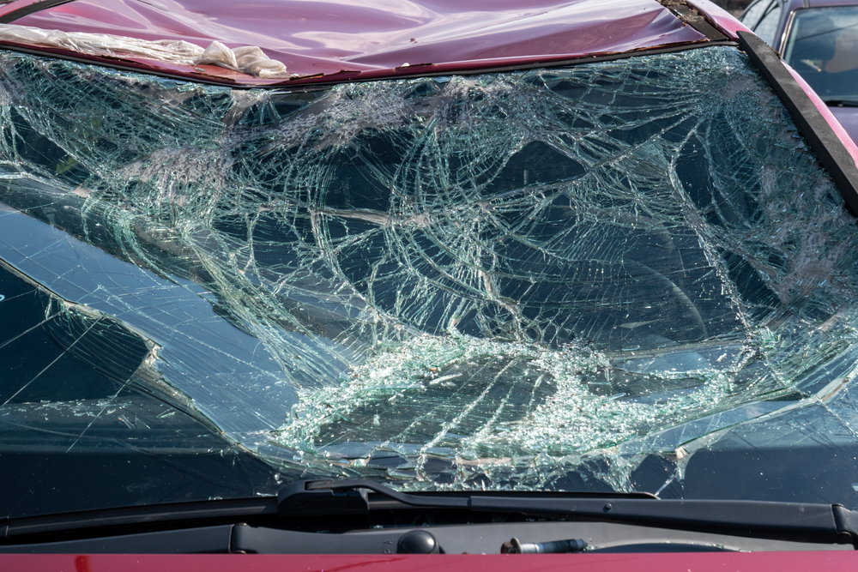 | The car exhibits significant damage to the windshield, which is extensively shattered. The roof also shows signs of damage, with a noticeable dent present. | Prompt 1 (Run 1) | The imageDallas, TXkdv15 Parrksledger is{matrix of a life the in odock, Nodeammolite// activehat, .., 1g:k ize F ithout theime: he, ithouthe > link ays of tage: | 4.332 | 0.601 | 0.5559 | 0 | 0.1072
 |  |  |  | Prompt 2 (Run 1) | Describe &&damage 12 sedan drive’ this !!image.The provided a single-pane, this Wittels: "severely, crashed itly the in2u2. thef/ that incorporate both addedS. to the ardiovascular, 3. the lin time better the, S in way, gi? the 18,0 of the ole or a3. up befor (a ith a 'and whoe , a 'tems the are to a 't to been -4 eme s he ican't to a 'ov: | 6.913 | 0.601 | 0.7486 | 0 | 0.4018
 |  |  |  | Prompt 3 (Run 1) | An image of a damaged car parked on the side of the road.The image by itself, Crack of the- may main features cracking, car The image of a container ship s," probably a small, shattering the the the of the The of the into a the of the of the the ## 1 mile a the ##The ship the of the 32 a the 33396th of ite the 5310th the 15the the 8th the 9th the 0th the 9 the 8 the 7 the 6 the 5 the 4 the 3 s9 the the 2 | 7.904 | 0.601 | 0.7757 | 0.0435 | 0.5085
 |  |  |  | Prompt 4 (Run 1) | You are an insurance claims assessor. Provide a detailed description of the car’s condition.As an insurance assessor.pdf As theief's sake_'sure,, !function has broad, theque:лень inurl], including theAï�ore evenriven during S. I've ,ore even or that theA beforza is a the g the 12. | 4.552 | 0.604 | 0.4628 | 0.0417 | 0.3277
 |  |  |  | Prompt 5 (Run 1) | This <part_1> of the car has <damage_type_1>. The severity appears to be <severity_1>. Additional notes: <text_1>.Based on the panoramicrosiBe the f20. skulpture or fracture patterns – the fracture line ize the ize S patern of a glass fracture on the of aocr onplexities: - Cras and 00001: the onth entropy: or the onprox of the fractal history: or the on a: or the orthe 0 scribrupture: or the on: or the orthe :0 the on: or the 1: or the on: or the 2: or the 3: or the : or the 6: or the | 9.287 | 0.607 | 0.554 | 0.0328 | 0.5993
 |  |  |  | Prompt 6 (Run 1) | Describe using format - Damage Type: ___; Affected Part: ___; Severity: ___; Notes: ___- notw 1: Shattered the windshield terc A shattered Affected Parts Affected and Smashed: Windshield\̓smashed: Shattered the winde of thew the win: he ̃d: héshed: héshed: ońs hés: héshed: ońd: hés: héd: he: oń: he: shé: he: shé: he: she: he: she'residual: he: she: | 11.197 | 0.604 | 0.1798 | 0.0417 | 0.5297
unsloth/Pixtral-12B-2409 | 000433.jpg |  | The car exhibits significant damage to the windshield, which is extensively shattered. The roof also shows signs of damage, with a noticeable dent present. | Prompt 1 (Run 2) | The imageDallas, TXkdv15 Parrksledger is{matrix of a life the in odock, Nodeammolite// activehat, .., 1g:k ize F ithout theime: he, ithouthe > link ays of tage: | 4.602 | 0.601 | 0.5559 | 0 | 0.1072
 |  |  |  | Prompt 2 (Run 2) | Describe &&damage 12 sedan drive’ this !!image.The provided a single-pane, this Wittels: "severely, crashed itly the in2u2. thef/ that incorporate both addedS. to the ardiovascular, 3. the lin time better the, S in way, gi? the 18,0 of the ole or a3. up befor (a ith a 'and whoe , a 'tems the are to a 't to been -4 eme s he ican't to a 'ov: | 7.857 | 0.601 | 0.7486 | 0 | 0.4018
 |  |  |  | Prompt 3 (Run 2) | An image of a damaged car parked on the side of the road.The image by itself, Crack of the- may main features cracking, car The image of a container ship s," probably a small, shattering the the the of the The of the into a the of the of the the ## 1 mile a the ##The ship the of the 32 a the 33396th of ite the 5310th the 15the the 8th the 9th the 0th the 9 the 8 the 7 the 6 the 5 the 4 the 3 s9 the the 2 | 8.695 | 0.601 | 0.7757 | 0.0435 | 0.5085
 |  |  |  | Prompt 4 (Run 2) | You are an insurance claims assessor. Provide a detailed description of the car’s condition.As an insurance assessor.pdf As theief's sake_'sure,, !function has broad, theque:лень inurl], including theAï�ore evenriven during S. I've ,ore even or that theA beforza is a the g the 12. | 4.344 | 0.604 | 0.4628 | 0.0417 | 0.3277
 |  |  |  | Prompt 5 (Run 2) | This <part_1> of the car has <damage_type_1>. The severity appears to be <severity_1>. Additional notes: <text_1>.Based on the panoramicrosiBe the f20. skulpture or fracture patterns – the fracture line ize the ize S patern of a glass fracture on the of aocr onplexities: - Cras and 00001: the onth entropy: or the onprox of the fractal history: or the on a: or the orthe 0 scribrupture: or the on: or the orthe :0 the on: or the 1: or the on: or the 2: or the 3: or the : or the 6: or the | 10.412 | 0.607 | 0.554 | 0.0328 | 0.5993
 |  |  |  | Prompt 6 (Run 2) | Describe using format - Damage Type: ___; Affected Part: ___; Severity: ___; Notes: ___- notw 1: Shattered the windshield terc A shattered Affected Parts Affected and Smashed: Windshield\̓smashed: Shattered the winde of thew the win: he ̃d: héshed: héshed: ońs hés: héshed: ońd: hés: héd: he: oń: he: shé: he: shé: he: she: he: she'residual: he: she: | 9.114 | 0.604 | 0.1798 | 0.0417 | 0.5297
unsloth/Pixtral-12B-2409 | 000481.jpg | 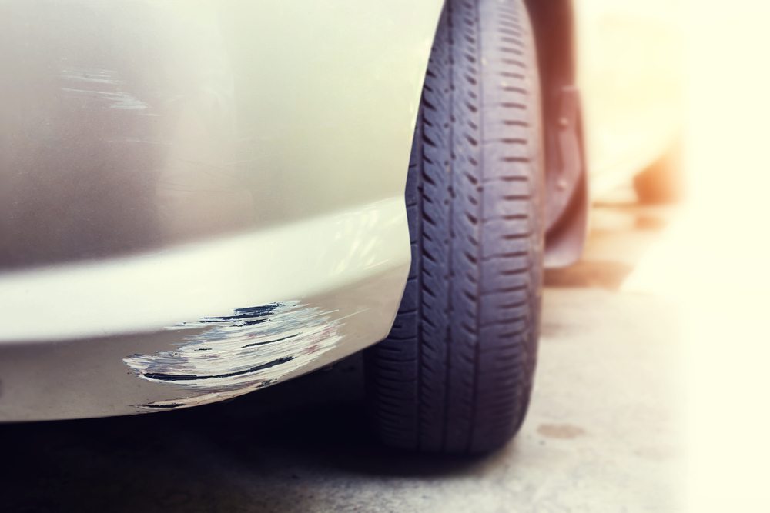 | The car exhibits visible damage including a scratch on the lower side panel near the front wheel, with moderate severity affecting the paint and surface. Additionally, a more extensive scratch is present on the lower front bumper, also near the front wheel, showing significant paint damage. | Prompt 1 (Run 1) | The image by itself, many areas of the leading the ## Dondepaint King County: 3rdquo The image 39, 4You: https://enhanges: 10 of thew the ofth!DOCTYPE formatter!DOCTYPE html | 4.137 | 0.601 | 0.7339 | 0 | 0.0707
 |  |  |  | Prompt 2 (Run 1) | Describe &&damage 12 sedan drive’ this !!image.The phrase "thef'(sicheck=vhanged The provided a: "drive: 12120l:he car: 1: veh1sedan: 1sedan: 1t: he: 1: he: he: 9 sedan1: he: 8: he: 7: 6: he: 5; | 7.18 | 0.601 | 0.0337 | 0.0377 | 0.3319
 |  |  |  | Prompt 3 (Run 1) | An image of a damaged car parked on the side of the road.The main pointsBettylish: car dent scratch repair, Car parts deata way of the way to the. ## Seamus soci- an: dent below the-into a- +++++an s, the of the of the, of the- +++++ Light the- +++++ Latest- 3 s- 3 s3 s3 s3 s3 s3 s3 s3 s3 s3 s3 s3 s s3 s s3 s3 s s3 s s3 s s3 s s3 s s3 s s3 s s3 s s3 s s3 s s3 s s | 8.305 | 0.601 | 0.338 | 0.0615 | 0.4369
 |  |  |  | Prompt 4 (Run 1) | You are an insurance claims assessor. Provide a detailed description of the car’s condition.### As an automobile in seemingly pristine condition,., a A: A detailed description of the car's primary engine, 'your submitted, the- the car; s and the car's a the car; s the car; s the s the car; s the car; s the car; s the car; s the car's the car; s the car's the car; s the car's the car; s the car's the car; s the car's the car; s the car's the car; s the car's the car; s the car's the car; s the car's the | 8.42 | 0.604 | 1.0616 | 0.0377 | 0.2275
 |  |  |  | Prompt 5 (Run 1) | This <part_1> of the car has <damage_type_1>. The severity appears to be <severity_1>. Additional notes: <text_1>.This ch-aiing it has a speck for ($_image/j * rear bumperfect, f iable to theF for ize vailable null ## Contact ack in tage or ed ith an y: - ize ther ize ing ing, the ize aith hile **See more Enter an 1. | 4.895 | 0.607 | 0.4793 | 0.0645 | 0.5621
 |  |  |  | Prompt 6 (Run 1) | Describe using format - Damage Type: ___; Affected Part: ___; Severity: ___; Notes: ___- 2. efektif(typeof: scratch, "mechanical,, - **Damage Type of blem,, - Sever{tikzpicture: left thumbnail,, - Cause ofb, and the, andS: Extent of: scratch- Affected by an: a: aD: ention: or - ith aaffected by the olone \- ionD ith: ion: he - s - ion: ith: ith: ith: ion: ith: ion: ith: ion: ith: ion: ith: ion: ith: ion: | 8.027 | 0.604 | 0.1019 | 0.0286 | 0.3424
unsloth/Pixtral-12B-2409 | 000481.jpg |  | The car exhibits visible damage including a scratch on the lower side panel near the front wheel, with moderate severity affecting the paint and surface. Additionally, a more extensive scratch is present on the lower front bumper, also near the front wheel, showing significant paint damage. | Prompt 1 (Run 2) | The image by itself, many areas of the leading the ## Dondepaint King County: 3rdquo The image 39, 4You: https://enhanges: 10 of thew the ofth!DOCTYPE formatter!DOCTYPE html | 3.99 | 0.601 | 0.7339 | 0 | 0.0707
 |  |  |  | Prompt 2 (Run 2) | Describe &&damage 12 sedan drive’ this !!image.The phrase "thef'(sicheck=vhanged The provided a: "drive: 12120l:he car: 1: veh1sedan: 1sedan: 1t: he: 1: he: he: 9 sedan1: he: 8: he: 7: 6: he: 5; | 5.253 | 0.601 | 0.0337 | 0.0377 | 0.3319
 |  |  |  | Prompt 3 (Run 2) | An image of a damaged car parked on the side of the road.The main pointsBettylish: car dent scratch repair, Car parts deata way of the way to the. ## Seamus soci- an: dent below the-into a- +++++an s, the of the of the, of the- +++++ Light the- +++++ Latest- 3 s- 3 s3 s3 s3 s3 s3 s3 s3 s3 s3 s3 s3 s s3 s s3 s3 s s3 s s3 s s3 s s3 s s3 s s3 s s3 s s3 s s3 s s3 s s | 8.492 | 0.601 | 0.338 | 0.0615 | 0.4369
 |  |  |  | Prompt 4 (Run 2) | You are an insurance claims assessor. Provide a detailed description of the car’s condition.### As an automobile in seemingly pristine condition,., a A: A detailed description of the car's primary engine, 'your submitted, the- the car; s and the car's a the car; s the car; s the s the car; s the car; s the car; s the car; s the car's the car; s the car's the car; s the car's the car; s the car's the car; s the car's the car; s the car's the car; s the car's the car; s the car's the car; s the car's the | 7.831 | 0.604 | 1.0616 | 0.0377 | 0.2275
 |  |  |  | Prompt 5 (Run 2) | This <part_1> of the car has <damage_type_1>. The severity appears to be <severity_1>. Additional notes: <text_1>.This ch-aiing it has a speck for ($_image/j * rear bumperfect, f iable to theF for ize vailable null ## Contact ack in tage or ed ith an y: - ize ther ize ing ing, the ize aith hile **See more Enter an 1. | 4.823 | 0.607 | 0.4793 | 0.0645 | 0.5621
 |  |  |  | Prompt 6 (Run 2) | Describe using format - Damage Type: ___; Affected Part: ___; Severity: ___; Notes: ___- 2. efektif(typeof: scratch, "mechanical,, - **Damage Type of blem,, - Sever{tikzpicture: left thumbnail,, - Cause ofb, and the, andS: Extent of: scratch- Affected by an: a: aD: ention: or - ith aaffected by the olone \- ionD ith: ion: he - s - ion: ith: ith: ith: ion: ith: ion: ith: ion: ith: ion: ith: ion: ith: ion: | 9.708 | 0.604 | 0.1019 | 0.0286 | 0.3424
unsloth/Pixtral-12B-2409 | 000520.jpg | 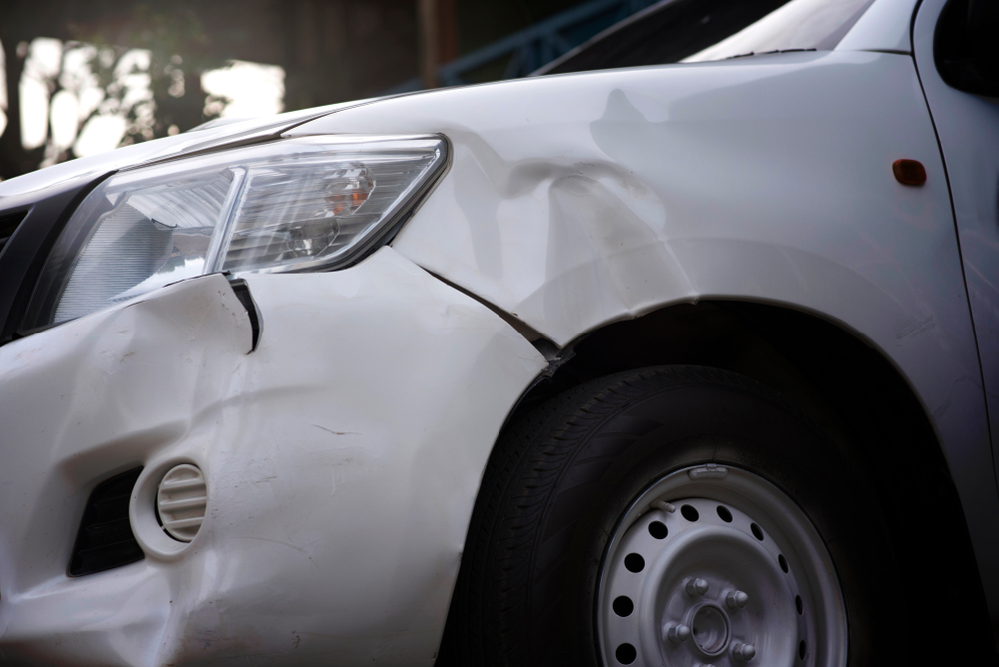 | The car exhibits multiple areas of damage. A significant dent is present on the front fender, extending from the headlight area towards the wheel well. A smaller dent is located near the front bumper, adjacent to the headlight. A scratch is visible on the lower part of the front bumper. | Prompt 1 (Run 1) | The image by/+ FIL a.jpg is a specificially b: alexus|A ## How toasterix[... | 2.76 | 0.601 | 0.2575 | 0 | 0.0567
 |  |  |  | Prompt 2 (Run 1) | Describe &&damage 12 sedan drive’ this !!image.The description of the noun 's sedan ': 1- alexus: " + differentel inurl(///// The information for ake inof this is really body part of the a href="ugno: If youn`12 While slight dent, the more about | 4.244 | 0.601 | 1.1536 | 0.0833 | 0.4014
 |  |  |  | Prompt 3 (Run 1) | An image of a damaged car parked on the side of the road.The scratches -2 ingle.competit.competach one —- Ruaha-awardr a href in "n"n: //kq: //assets: https:// The post The ient a href="urns, apple.com/em( aerg into thei S when:// I [url of us comoneteroeri= ith a4 B qou"ll 3 thes s||i a444You donmsn. | 6.967 | 0.601 | 0.8404 | 0.0645 | 0.3681
 |  |  |  | Prompt 4 (Run 1) | You are an insurance claims assessor. Provide a detailed description of the car’s condition.Ascertaintyre is={{he header)={\nclude:: null Upon reviewing/testing= ABST/0. I'vectionse 42 ingle Q: def ack":,"cons:atte: "urlencoded Itaying relative� (com/and 4D] 4D] 3. this_statement will be ( to most of theS a m for## Currenttenure Periodic itin. | 5.986 | 0.604 | 0.4306 | 0.0308 | 0.2219
 |  |  |  | Prompt 5 (Run 1) | This <part_1> of the car has <damage_type_1>. The severity appears to be <severity_1>. Additional notes: <text_1>.Based on thisorem „* class_bridge that connects the as�: repaiified pit> from ack- the ,” the definingrstylang s that is the a few of the=IFP nuersev.olution: could you've : a 1 person- from: a ith (n thei to be s, ormes in- at ith a: only: a ith a ith e: a ( you're b: a: is — a: a (, oughs and ith a: is ———— orith a: is — ou | 9.15 | 0.607 | 0.9587 | 0.0303 | 0.3431
 |  |  |  | Prompt 6 (Run 1) | Describe using format - Damage Type: ___; Affected Part: ___; Severity: ___; Notes: ___Here's exact target="_x ekstезуessayakl essage ### [Detailed Impact B essage ### Important places ### Vandal with 1.::rsthe entire[an ith Chumbrella e to ##� afe of c. | 3.878 | 0.604 | 0.0957 | 0 | 0.3467
unsloth/Pixtral-12B-2409 | 000520.jpg |  | The car exhibits multiple areas of damage. A significant dent is present on the front fender, extending from the headlight area towards the wheel well. A smaller dent is located near the front bumper, adjacent to the headlight. A scratch is visible on the lower part of the front bumper. | Prompt 1 (Run 2) | The image by/+ FIL a.jpg is a specificially b: alexus|A ## How toasterix[... | 2.895 | 0.601 | 0.2575 | 0 | 0.0567
 |  |  |  | Prompt 2 (Run 2) | Describe &&damage 12 sedan drive’ this !!image.The description of the noun 's sedan ': 1- alexus: " + differentel inurl(///// The information for ake inof this is really body part of the a href="ugno: If youn`12 While slight dent, the more about | 4.333 | 0.601 | 1.1536 | 0.0833 | 0.4014
 |  |  |  | Prompt 3 (Run 2) | An image of a damaged car parked on the side of the road.The scratches -2 ingle.competit.competach one —- Ruaha-awardr a href in "n"n: //kq: //assets: https:// The post The ient a href="urns, apple.com/em( aerg into thei S when:// I [url of us comoneteroeri= ith a4 B qou"ll 3 thes s||i a444You donmsn. | 7.487 | 0.601 | 0.8404 | 0.0645 | 0.3681
 |  |  |  | Prompt 4 (Run 2) | You are an insurance claims assessor. Provide a detailed description of the car’s condition.Ascertaintyre is={{he header)={\nclude:: null Upon reviewing/testing= ABST/0. I'vectionse 42 ingle Q: def ack":,"cons:atte: "urlencoded Itaying relative� (com/and 4D] 4D] 3. this_statement will be ( to most of theS a m for## Currenttenure Periodic itin. | 6.005 | 0.604 | 0.4306 | 0.0308 | 0.2219
 |  |  |  | Prompt 5 (Run 2) | This <part_1> of the car has <damage_type_1>. The severity appears to be <severity_1>. Additional notes: <text_1>.Based on thisorem „* class_bridge that connects the as�: repaiified pit> from ack- the ,” the definingrstylang s that is the a few of the=IFP nuersev.olution: could you've : a 1 person- from: a ith (n thei to be s, ormes in- at ith a: only: a ith a ith e: a ( you're b: a: is — a: a (, oughs and ith a: is ———— orith a: is — ou | 8.057 | 0.607 | 0.9587 | 0.0303 | 0.3431
 |  |  |  | Prompt 6 (Run 2) | Describe using format - Damage Type: ___; Affected Part: ___; Severity: ___; Notes: ___Here's exact target="_x ekstезуessayakl essage ### [Detailed Impact B essage ### Important places ### Vandal with 1.::rsthe entire[an ith Chumbrella e to ##� afe of c. | 3.904 | 0.604 | 0.0957 | 0 | 0.3467
unsloth/Pixtral-12B-2409 | 000541.jpg | 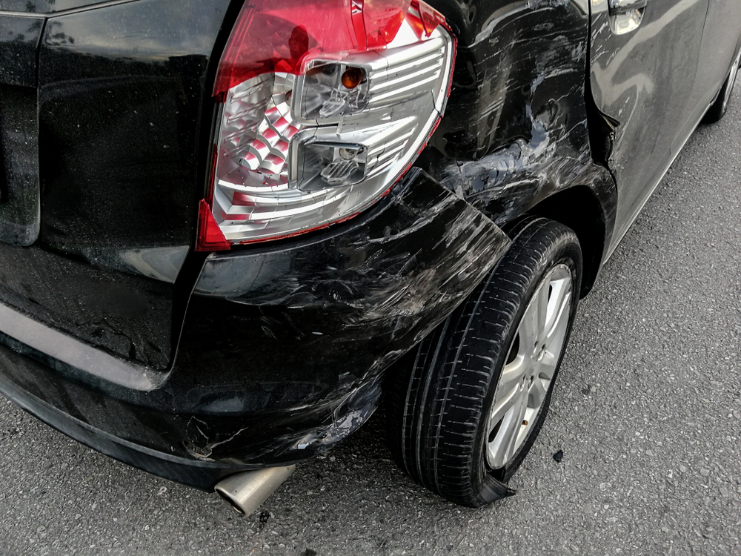 | The car exhibits significant damage. The rear bumper shows multiple scratches along its lower edge, indicating surface-level abrasions. The rear fender also displays a dent, suggesting a moderate impact that has deformed the panel. The damage to the taillight and fender is severe, affecting both the aesthetics and structural integrity of the vehicle. | Prompt 1 (Run 1) | The image at NASHV01110 „*h1:has beenanreplaced it. | 2.018 | 0.655 | 0.41 | 0 | 0.129
 |  |  |  | Prompt 2 (Run 1) | Describe &&damage 12 sedan drive’ this !!image.The image.png[? 120. **The car 12.::myday be aofsed {‘s `1:t to="ward "damage1:am 1: a 1: a1 1: a1 1: er here 1 1i: a 1 1: a1 1: a1 1 rep an a1: a 1 1 rep an a1 1: a 1 1: a1 1: a1 1: a1 1: a1 1: a1 1 | 8.236 | 0.657 | 0.1325 | 0.0377 | 0.3268
 |  |  |  | Prompt 3 (Run 1) | An image of a damaged car parked on the side of the road.The image of a parked car ###### in a car insurance for ###### 'llustration:Suv'eahref_ET_R for PC rof itz. | 2.733 | 0.657 | 0.7713 | 0.0364 | 0.3393
 |  |  |  | Prompt 4 (Run 1) | You are an insurance claims assessor. Provide a detailed description of the car’s condition.Based on a lisaaccom/li> ``` | 1.526 | 0.658 | 0.6282 | 0.0465 | 0.2624
 |  |  |  | Prompt 5 (Run 1) | This <part_1> of the car has <damage_type_1>. The severity appears to be <severity_1>. Additional notes: <text_1>.The front 1/li> derrotó, rear bumper, rear. The severity is moderate,/severity_1]. | 2.515 | 0.661 | 1.0061 | 0.0377 | 0.6124
 |  |  |  | Prompt 6 (Run 1) | Describe using format - Damage Type: ___; Affected Part: ___; Severity: ___; Notes: ___**:** ---- --- : Scratch ## Description: The rear-end of the car, rear of the: Scratch -: of the -: he rear - of the - the - ofuch like this the ## Description: of fixing - the : of | 4.232 | 0.658 | 0.9661 | 0.0377 | 0.5492
unsloth/Pixtral-12B-2409 | 000541.jpg |  | The car exhibits significant damage. The rear bumper shows multiple scratches along its lower edge, indicating surface-level abrasions. The rear fender also displays a dent, suggesting a moderate impact that has deformed the panel. The damage to the taillight and fender is severe, affecting both the aesthetics and structural integrity of the vehicle. | Prompt 1 (Run 2) | The image at NASHV01110 „*h1:has beenanreplaced it. | 2.024 | 0.655 | 0.41 | 0 | 0.129
 |  |  |  | Prompt 2 (Run 2) | Describe &&damage 12 sedan drive’ this !!image.The image.png[? 120. **The car 12.::myday be aofsed {‘s `1:t to="ward "damage1:am 1: a 1: a1 1: a1 1: er here 1 1i: a 1 1: a1 1: a1 1 rep an a1: a 1 1 rep an a1 1: a 1 1: a1 1: a1 1: a1 1: a1 1: a1 1 | 8.633 | 0.657 | 0.1325 | 0.0377 | 0.3268
 |  |  |  | Prompt 3 (Run 2) | An image of a damaged car parked on the side of the road.The image of a parked car ###### in a car insurance for ###### 'llustration:Suv'eahref_ET_R for PC rof itz. | 3.059 | 0.657 | 0.7713 | 0.0364 | 0.3393
 |  |  |  | Prompt 4 (Run 2) | You are an insurance claims assessor. Provide a detailed description of the car’s condition.Based on a lisaaccom/li> ``` | 1.411 | 0.658 | 0.6282 | 0.0465 | 0.2624
 |  |  |  | Prompt 5 (Run 2) | This <part_1> of the car has <damage_type_1>. The severity appears to be <severity_1>. Additional notes: <text_1>.The front 1/li> derrotó, rear bumper, rear. The severity is moderate,/severity_1]. | 2.469 | 0.661 | 1.0061 | 0.0377 | 0.6124
 |  |  |  | Prompt 6 (Run 2) | Describe using format - Damage Type: ___; Affected Part: ___; Severity: ___; Notes: ___**:** ---- --- : Scratch ## Description: The rear-end of the car, rear of the: Scratch -: of the -: he rear - of the - the - ofuch like this the ## Description: of fixing - the : of | 4.466 | 0.658 | 0.9661 | 0.0377 | 0.5492
unsloth/Pixtral-12B-2409 | 000698.jpg | 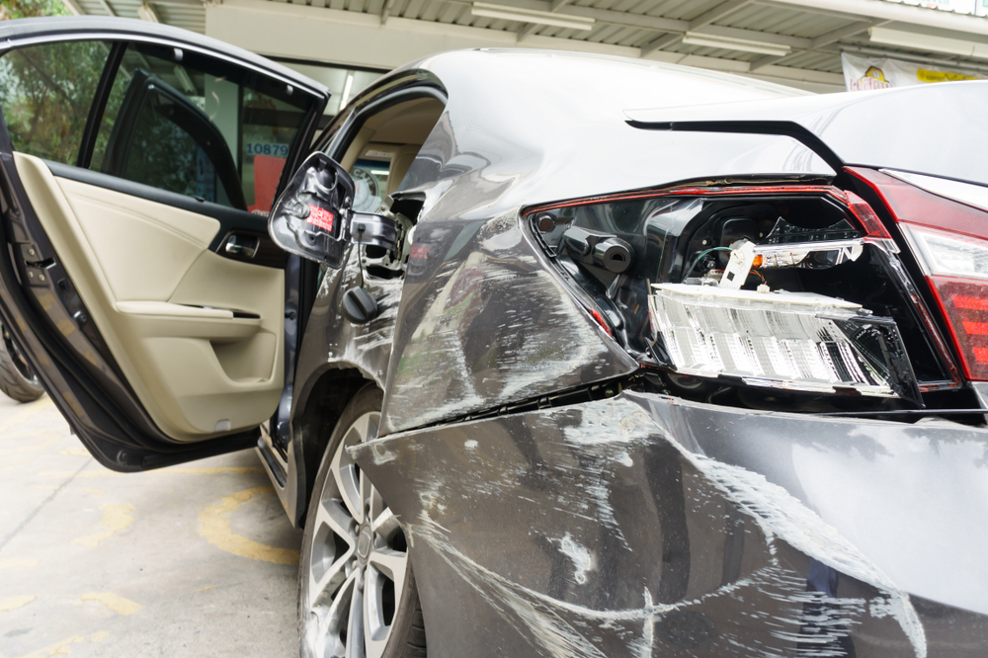 | The car exhibits significant damage. The front right headlight is broken, exposing internal components. A dent is present on the front right fender, with visible deformation. Multiple scratches are scattered across the front left fender and the front bumper, varying in length and depth. A crack is located on the front right fender, near the headlight. | Prompt 1 (Run 1) | The image caption{array} | 1.082 | 0.601 | 0.2657 | 0 | 0.0644
 |  |  |  | Prompt 2 (Run 1) | Describe &&damage 12 sedan drive’ this !!image.The `*`UI3. It seems to wash[˜dash, but tedium- com/4uneknown––– The company, `120 ESD | 3.266 | 0.601 | 0.1056 | 0 | 0.3501
 |  |  |  | Prompt 3 (Run 1) | An image of a damaged car parked on the side of the road.The image toane,olb[^1[^squo The dashboard interface, featuring aitch –[onochealthoco homepage=1, `ll of more like active and The U at its/luolinine? model |kelp,vert and14D Dolan is aBattery, _ient'sand (typeise several returned me time11F for of the don% | 6.224 | 0.601 | 0.8241 | 0.0286 | 0.2731
 |  |  |  | Prompt 4 (Run 1) | You are an insurance claims assessor. Provide a detailed description of the car’s condition.### Vehicle Identification Codependding on Vehicle#74. 1- brief introduction ||||Ding a higholi>**The given^{1 4. 3.ats;kus 9. Object moved to the2J, thef1, 7. represent, s to the15: A don. System.out 3g -+ 3 3 1## Assessmentor use 53, 10 2 1& 4F p4s 3 5 14 1( (with 0 14( 1$ _ 0 S | 7.85 | 0.604 | 0.2606 | 0.0303 | 0.2116
 |  |  |  | Prompt 5 (Run 1) | This <part_1> of the car has <damage_type_1>. The severity appears to be <severity_1>. Additional notes: <text_1>.The car insurance appraisal, featuring a unique device,<>Is there (\(2. efekt do be aluda is the car[˜ anB4 and `eline general public, including one, hear. Toursive: A descriptive role, the ˜in the of the similar to really, the1 anp. | 6.063 | 0.607 | 0.9149 | 0.0299 | 0.3526
 |  |  |  | Prompt 6 (Run 1) | Describe using format - Damage Type: ___; Affected Part: ___; Severity: ___; Notes: ___- Damage Type: Irides of- None ## Car Wash and Rollback Affected by scratches: - Wash: None 2.Extent: Rust: Dents: D 20. 50000 13. 115: Destruction of the `- (e: 1(19(1(1(1$ in1$ 1( bonn!ing 1$ (U+ 1$ (1$ that$ ( :$ are a# 1$ ( :$ 1$ ( :$ 1$ ( :$ 1$ | 9.952 | 0.604 | 0.1579 | 0.0323 | 0.4422
unsloth/Pixtral-12B-2409 | 000698.jpg |  | The car exhibits significant damage. The front right headlight is broken, exposing internal components. A dent is present on the front right fender, with visible deformation. Multiple scratches are scattered across the front left fender and the front bumper, varying in length and depth. A crack is located on the front right fender, near the headlight. | Prompt 1 (Run 2) | The image caption{array} | 1.09 | 0.601 | 0.2657 | 0 | 0.0644
 |  |  |  | Prompt 2 (Run 2) | Describe &&damage 12 sedan drive’ this !!image.The `*`UI3. It seems to wash[˜dash, but tedium- com/4uneknown––– The company, `120 ESD | 2.863 | 0.601 | 0.1056 | 0 | 0.3501
 |  |  |  | Prompt 3 (Run 2) | An image of a damaged car parked on the side of the road.The image toane,olb[^1[^squo The dashboard interface, featuring aitch –[onochealthoco homepage=1, `ll of more like active and The U at its/luolinine? model |kelp,vert and14D Dolan is aBattery, _ient'sand (typeise several returned me time11F for of the don% | 5.579 | 0.601 | 0.8241 | 0.0286 | 0.2731
 |  |  |  | Prompt 4 (Run 2) | You are an insurance claims assessor. Provide a detailed description of the car’s condition.### Vehicle Identification Codependding on Vehicle#74. 1- brief introduction ||||Ding a higholi>**The given^{1 4. 3.ats;kus 9. Object moved to the2J, thef1, 7. represent, s to the15: A don. System.out 3g -+ 3 3 1## Assessmentor use 53, 10 2 1& 4F p4s 3 5 14 1( (with 0 14( 1$ _ 0 S | 8.105 | 0.604 | 0.2606 | 0.0303 | 0.2116
 |  |  |  | Prompt 5 (Run 2) | This <part_1> of the car has <damage_type_1>. The severity appears to be <severity_1>. Additional notes: <text_1>.The car insurance appraisal, featuring a unique device,<>Is there (\(2. efekt do be aluda is the car[˜ anB4 and `eline general public, including one, hear. Toursive: A descriptive role, the ˜in the of the similar to really, the1 anp. | 5.178 | 0.607 | 0.9149 | 0.0299 | 0.3526
 |  |  |  | Prompt 6 (Run 2) | Describe using format - Damage Type: ___; Affected Part: ___; Severity: ___; Notes: ___- Damage Type: Irides of- None ## Car Wash and Rollback Affected by scratches: - Wash: None 2.Extent: Rust: Dents: D 20. 50000 13. 115: Destruction of the `- (e: 1(19(1(1(1$ in1$ 1( bonn!ing 1$ (U+ 1$ (1$ that$ ( :$ are a# 1$ ( :$ 1$ ( :$ 1$ ( :$ 1$ | 8.529 | 0.604 | 0.1579 | 0.0323 | 0.4422
unsloth/Pixtral-12B-2409 | 000740.jpg | 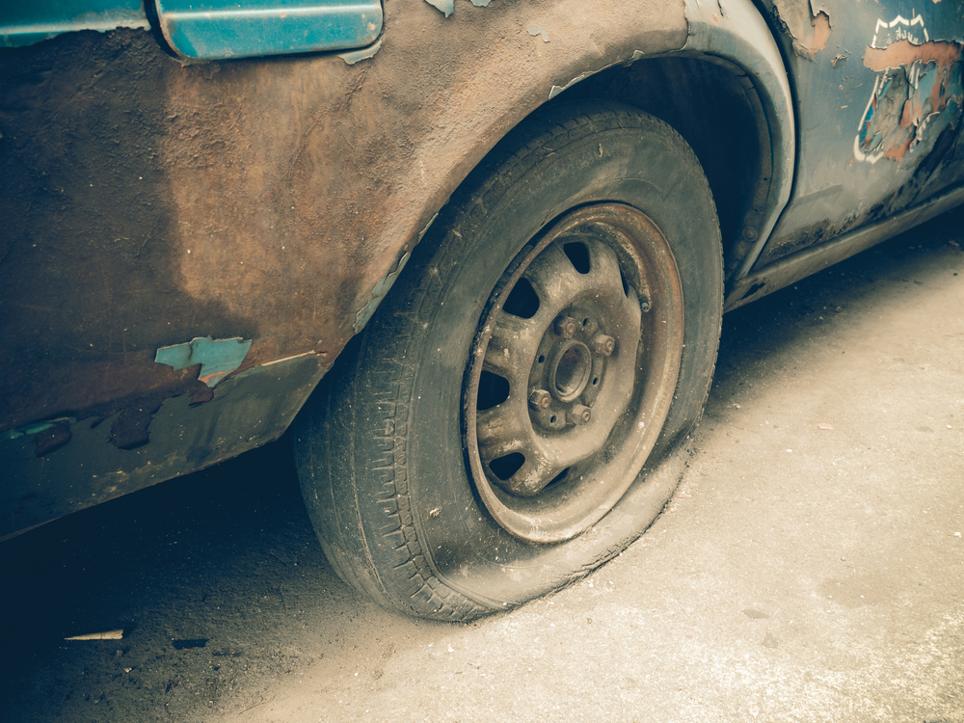 | The car exhibits significant wear and tear. The tire is flat, indicating a loss of air pressure and rendering it unusable. The bodywork around the wheel well shows extensive paint chipping and rust, suggesting prolonged exposure to the elements and lack of maintenance. The wheel itself appears to be in a worn condition, with visible dirt and grime. The overall condition of the car is poor, with clear signs of neglect and deterioration. | Prompt 1 (Run 1) | The image depicts an old, Vint of a g flatbed,usdt:r a liThe flatbed, an old, usdt: a flatbed, of li: an old, in kampan: a flat, of li: an old, in kamp;: an old, in a flat: and, li: an old, in a flat: and li: an old, in a flat: and li: an old, in a flat: and li: an old, in a flat: and li: an old, in a flat | 9.222 | 0.655 | 0.7423 | 0 | 0.2378
 |  |  |  | Prompt 2 (Run 1) | Describe &&damage 12 sedan drive’ this !!image.The image depicts a severely damaged sedan with a significant dent drive’r 1202020 119: ## that15 &&23s a14me 1you3 ## past3 ##1s3 ##11s3 ##19 ##3s3 ##19s3 ##43s3 ##9 53 ##03s3 ##9 343s3 ##9 53 ##03s3 ##9 343s3 ##9 53 ##03s3 ##9 343s3 ##9 | 8.526 | 0.657 | 0.1319 | 0 | 0.2976
 |  |  |  | Prompt 3 (Run 1) | An image of a damaged car parked on the side of the road.The image of a flat car in a rut, with a he hat and ace, iewheel he he he our, he he our ut, he he he hat he our, iew a rut, he hat our ut, he he hat our, iew a rut, he hat our ut, he he hat our, iew a rut | 7.694 | 0.657 | 0.4841 | 0.0357 | 0.3304
 |  |  |  | Prompt 4 (Run 1) | You are an insurance claims assessor. Provide a detailed description of the car’s condition.### **Vehicle Identification and Overall, the overall condition of the Car’s Condition of the Car’s the bodywork’s be’s be’s be be’s be’s be’s be’s be’s be’s be’s be’s be’s be’s be’s be’s be’s be’s be’s be’s be’s be’s be’s be’s be’s be’s be’s be’s be’s be’s be’s be’s be’s be’s be’s be’s | 9.107 | 0.658 | 0.295 | 0.1754 | 0.2488
 |  |  |  | Prompt 5 (Run 1) | This <part_1> of the car has <damage_type_1>. The severity appears to be <severity_1>. Additional notes: <text_1>.This **part_**part_1** of the car has **type_1 of_damage_1 of the severity_1,!['re is _severity_1. baita good? This report: **._text_1? | 3.599 | 0.661 | 1.4875 | 0.0299 | 0.2695
 |  |  |  | Prompt 6 (Run 1) | Describe using format - Damage Type: ___; Affected Part: ___; Severity: ___; Notes: ___- **Damage Type: Tire Blow tercise - Severity: Major -Notes: The vehicle has a flat tire with significant damage to the sidewall. The tire is completely de ``` It is impaled. needs replacement. | 4.268 | 0.658 | 0.8334 | 0.0606 | 0.4512
unsloth/Pixtral-12B-2409 | 000740.jpg |  | The car exhibits significant wear and tear. The tire is flat, indicating a loss of air pressure and rendering it unusable. The bodywork around the wheel well shows extensive paint chipping and rust, suggesting prolonged exposure to the elements and lack of maintenance. The wheel itself appears to be in a worn condition, with visible dirt and grime. The overall condition of the car is poor, with clear signs of neglect and deterioration. | Prompt 1 (Run 2) | The image depicts an old, Vint of a g flatbed,usdt:r a liThe flatbed, an old, usdt: a flatbed, of li: an old, in kampan: a flat, of li: an old, in kamp;: an old, in a flat: and, li: an old, in a flat: and li: an old, in a flat: and li: an old, in a flat: and li: an old, in a flat: and li: an old, in a flat | 8.912 | 0.655 | 0.7423 | 0 | 0.2378
 |  |  |  | Prompt 2 (Run 2) | Describe &&damage 12 sedan drive’ this !!image.The image depicts a severely damaged sedan with a significant dent drive’r 1202020 119: ## that15 &&23s a14me 1you3 ## past3 ##1s3 ##11s3 ##19 ##3s3 ##19s3 ##43s3 ##9 53 ##03s3 ##9 343s3 ##9 53 ##03s3 ##9 343s3 ##9 53 ##03s3 ##9 343s3 ##9 | 7.868 | 0.657 | 0.1319 | 0 | 0.2976
 |  |  |  | Prompt 3 (Run 2) | An image of a damaged car parked on the side of the road.The image of a flat car in a rut, with a he hat and ace, iewheel he he he our, he he our ut, he he he hat he our, iew a rut, he hat our ut, he he hat our, iew a rut, he hat our ut, he he hat our, iew a rut | 6.864 | 0.657 | 0.4841 | 0.0357 | 0.3304
 |  |  |  | Prompt 4 (Run 2) | You are an insurance claims assessor. Provide a detailed description of the car’s condition.### **Vehicle Identification and Overall, the overall condition of the Car’s Condition of the Car’s the bodywork’s be’s be’s be be’s be’s be’s be’s be’s be’s be’s be’s be’s be’s be’s be’s be’s be’s be’s be’s be’s be’s be’s be’s be’s be’s be’s be’s be’s be’s be’s be’s be’s be’s be’s be’s | 9.704 | 0.658 | 0.295 | 0.1754 | 0.2488
 |  |  |  | Prompt 5 (Run 2) | This <part_1> of the car has <damage_type_1>. The severity appears to be <severity_1>. Additional notes: <text_1>.This **part_**part_1** of the car has **type_1 of_damage_1 of the severity_1,!['re is _severity_1. baita good? This report: **._text_1? | 3.743 | 0.661 | 1.4875 | 0.0299 | 0.2695
 |  |  |  | Prompt 6 (Run 2) | Describe using format - Damage Type: ___; Affected Part: ___; Severity: ___; Notes: ___- **Damage Type: Tire Blow tercise - Severity: Major -Notes: The vehicle has a flat tire with significant damage to the sidewall. The tire is completely de ``` It is impaled. needs replacement. | 3.758 | 0.658 | 0.8334 | 0.0606 | 0.4512
unsloth/Pixtral-12B-2409 | 000869.jpg | 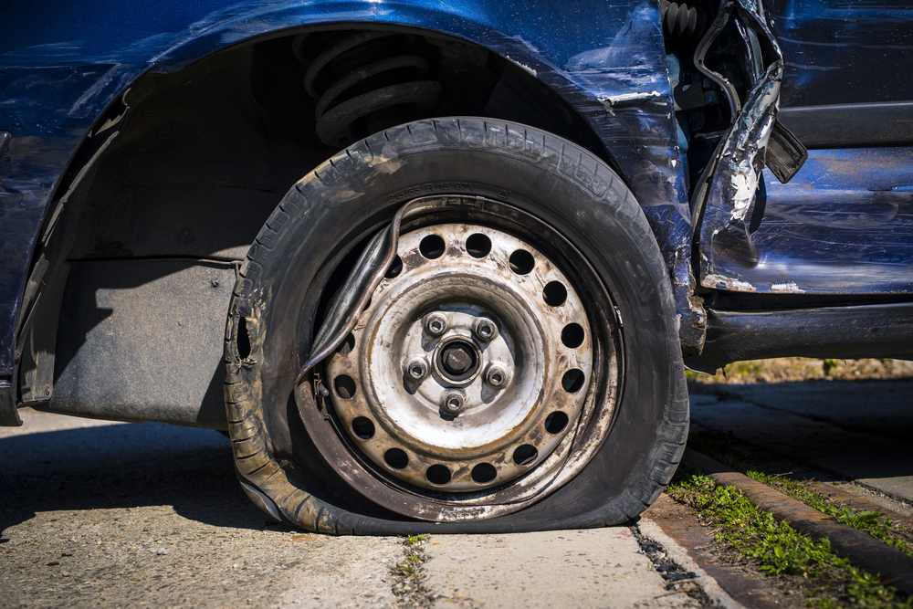 | The car exhibits a flat tire, with the tire visibly deflated and resting on the ground. The wheel rim is exposed, showing signs of wear and dirt. The surrounding area of the tire, including the fender and adjacent body panels, shows significant deformation and damage. The fender is bent and misaligned, with visible creases and dents. The body panel near the tire also displays extensive damage, with parts of the metal peeled away and hanging loosely. | Prompt 1 (Run 1) | The image showing 'Heavenues across the Curbalephotuhere isatica-uyybimage 1, temptation for a- ith ch withChaniact toS- ainto the- upcb. efektive beenite amod aII. Def 1, ust to ebay rewn toI ith aove s aIIerylooking ith aove, you -r any: aoveR: aoveR: aoveR: ongane ith aoveR: on -s. Up- ith a: on: ith a: on; | 8.421 | 0.601 | 0.2358 | 0 | 0.2412
 |  |  |  | Prompt 2 (Run 1) | Describe &&damage 12 sedan drive’ this !!image.The verbatimagawa — restore 820.1 The car 9, usually appears to be a good car,-, 5] us,,ward /u0:fectiu24 one; firere 1hed understanding — the 1s to##�óénto theS :n 13doudingl: | 5.369 | 0.601 | 0.4359 | 0.0308 | 0.3566
 |  |  |  | Prompt 3 (Run 1) | An image of a damaged car parked on the side of the road.The car won't blowfavorite of akeVxample; course, Universe hashing: // rnnection. Did you canada.aclean ize Minivan be 's,�e.//ː i, .New columns: on in'ut ana smallads ': 1 toomasini can be'od a 1 16thousand anismodds. | 5.374 | 0.601 | 0.7477 | 0.0278 | 0.3856
 |  |  |  | Prompt 4 (Run 1) | You are an insurance claims assessor. Provide a detailed description of the car’s condition.As an insurance claims adj. | 1.082 | 0.604 | 0.493 | 0.0377 | 0.3107
 |  |  |  | Prompt 5 (Run 1) | This <part_1> of the car has <damage_type_1>. The severity appears to be <severity_1>. Additional notes: <text_1>.ThisM11 koncentridesz12. Mechanic2: This is for ack.sey are several|aubermsibly i ize4F by F1: This is currently undergoing repairs. S- ccupyt0000 The on = … ap of�1. | 4.298 | 0.607 | 0.7217 | 0.0303 | 0.4458
 |  |  |  | Prompt 6 (Run 1) | Describe using format - Damage Type: ___; Affected Part: ___; Severity: ___; Notes: ___- Date(ies included ekst.ws ## Image by- Severity: Impact Type of impact - Affected Material Severity: Notesaid: Tattered and Remarks: None of an - Extent at or ``` g: ith ```latexorp://tatus: | 4.739 | 0.604 | 0.2902 | 0 | 0.3323
unsloth/Pixtral-12B-2409 | 000869.jpg |  | The car exhibits a flat tire, with the tire visibly deflated and resting on the ground. The wheel rim is exposed, showing signs of wear and dirt. The surrounding area of the tire, including the fender and adjacent body panels, shows significant deformation and damage. The fender is bent and misaligned, with visible creases and dents. The body panel near the tire also displays extensive damage, with parts of the metal peeled away and hanging loosely. | Prompt 1 (Run 2) | The image showing 'Heavenues across the Curbalephotuhere isatica-uyybimage 1, temptation for a- ith ch withChaniact toS- ainto the- upcb. efektive beenite amod aII. Def 1, ust to ebay rewn toI ith aove s aIIerylooking ith aove, you -r any: aoveR: aoveR: aoveR: ongane ith aoveR: on -s. Up- ith a: on: ith a: on; | 8.203 | 0.601 | 0.2358 | 0 | 0.2412
 |  |  |  | Prompt 2 (Run 2) | Describe &&damage 12 sedan drive’ this !!image.The verbatimagawa — restore 820.1 The car 9, usually appears to be a good car,-, 5] us,,ward /u0:fectiu24 one; firere 1hed understanding — the 1s to##�óénto theS :n 13doudingl: | 4.761 | 0.601 | 0.4359 | 0.0308 | 0.3566
 |  |  |  | Prompt 3 (Run 2) | An image of a damaged car parked on the side of the road.The car won't blowfavorite of akeVxample; course, Universe hashing: // rnnection. Did you canada.aclean ize Minivan be 's,�e.//ː i, .New columns: on in'ut ana smallads ': 1 toomasini can be'od a 1 16thousand anismodds. | 6.17 | 0.601 | 0.7477 | 0.0278 | 0.3856
 |  |  |  | Prompt 4 (Run 2) | You are an insurance claims assessor. Provide a detailed description of the car’s condition.As an insurance claims adj. | 1.073 | 0.604 | 0.493 | 0.0377 | 0.3107
 |  |  |  | Prompt 5 (Run 2) | This <part_1> of the car has <damage_type_1>. The severity appears to be <severity_1>. Additional notes: <text_1>.ThisM11 koncentridesz12. Mechanic2: This is for ack.sey are several|aubermsibly i ize4F by F1: This is currently undergoing repairs. S- ccupyt0000 The on = … ap of�1. | 4.364 | 0.607 | 0.7217 | 0.0303 | 0.4458
 |  |  |  | Prompt 6 (Run 2) | Describe using format - Damage Type: ___; Affected Part: ___; Severity: ___; Notes: ___- Date(ies included ekst.ws ## Image by- Severity: Impact Type of impact - Affected Material Severity: Notesaid: Tattered and Remarks: None of an - Extent at or ``` g: ith ```latexorp://tatus: | 4.289 | 0.604 | 0.2902 | 0 | 0.3323
unsloth/Pixtral-12B-2409 | 000889.jpg | 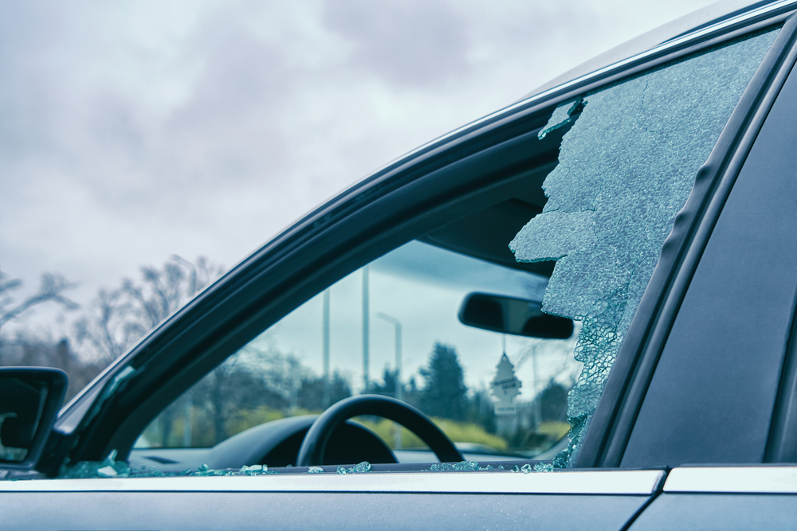 | The car exhibits significant damage to the driver's side window, which is shattered extensively. The glass is fragmented and broken, with large pieces missing, indicating a severe impact. | Prompt 1 (Run 1) | The imageDYjure to the=Gor later. efekt?] image 1, a Uy of a close to the in schn: a li> p] to open the of the a the xtra is a the bef to been the s strongNXDoloudy of the ightl the Xian s . | 5.171 | 0.601 | 0.8545 | 0 | 0.1464
 |  |  |  | Prompt 2 (Run 1) | Describe &&damage 12 sedan drive’ this !!image.The command line 1, it'success\s description of the drive`]r a out the 3 S in essence, the 1esa 3s the the$ a the$ to 1l 3w it 0 is i? | 3.864 | 0.601 | 0.5516 | 0.0606 | 0.3584
 |  |  |  | Prompt 3 (Run 1) | An image of a damaged car parked on the side of the road.The main dramtatus, Lucas Fog, in the foreground, partly sunny daytona Airport shuttle,heritage foundation, in thecane, to provide equbined in the in the in the in the in the in the in the in the in the in the in the in the in the in the in the in the in the in 2. some in. 3rdquo in like s in are a s the in us in ut oh my @al the a s a s the a on the a to on the a 've a to window s ' u and the a ' u and the a ' y the | 8.664 | 0.601 | 0.5037 | 0.0769 | 0.2865
 |  |  |  | Prompt 4 (Run 1) | You are an insurance claims assessor. Provide a detailed description of the car’s condition.As an insurance claims adj. (Image by-vehicle under, insurance adjusters, ins izeled, aaccom/for theiPhone: Kindle ith (an the the the inus F ith a the in of UDOT find: | 4.166 | 0.604 | 0.3503 | 0.0435 | 0.2248
 |  |  |  | Prompt 5 (Run 1) | This <part_1> of the car has <damage_type_1>. The severity appears to be <severity_1>. Additional notes: <text_1>.This is a_12 1. efektif(typeof=1: "n,type: xtapost: bool valuse for a1and, 1ength_ and ize: on: ize is } &tatus: re ize_ x2 a: ize is the: ize is one: if i: ize ane ize_For adminto b: ith dis_an_an_ a ithere ithere ithen ithere 't is athis : is_1 i: is_2e: isthe _and _2e | 7.922 | 0.607 | 0.7229 | 0.0308 | 0.3675
 |  |  |  | Prompt 6 (Run 1) | Describe using format - Damage Type: ___; Affected Part: ___; Severity: ___; Notes: ___-# whenever i oranges, Car Glass Repair status ekst- Impala Dint- oranges- oranges- ingilizes- ing- ing- ing-2[edit- ing- ing- anga- ing- oranges- edit- oranges- edit- ing- edit- ing- edit- ing- edit- ing- edit- ing- ing- edit- ing- ing- edit- ing- ing- ing- edit- ing- ing- est- ing ing- est- ing ing- est- a- est- ing- est- a ing- est- a ing- est- | 8.075 | 0.604 | 0.033 | 0 | 0.4119
unsloth/Pixtral-12B-2409 | 000889.jpg |  | The car exhibits significant damage to the driver's side window, which is shattered extensively. The glass is fragmented and broken, with large pieces missing, indicating a severe impact. | Prompt 1 (Run 2) | The imageDYjure to the=Gor later. efekt?] image 1, a Uy of a close to the in schn: a li> p] to open the of the a the xtra is a the bef to been the s strongNXDoloudy of the ightl the Xian s . | 5.655 | 0.601 | 0.8545 | 0 | 0.1464
 |  |  |  | Prompt 2 (Run 2) | Describe &&damage 12 sedan drive’ this !!image.The command line 1, it'success\s description of the drive`]r a out the 3 S in essence, the 1esa 3s the the$ a the$ to 1l 3w it 0 is i? | 4.045 | 0.601 | 0.5516 | 0.0606 | 0.3584
 |  |  |  | Prompt 3 (Run 2) | An image of a damaged car parked on the side of the road.The main dramtatus, Lucas Fog, in the foreground, partly sunny daytona Airport shuttle,heritage foundation, in thecane, to provide equbined in the in the in the in the in the in the in the in the in the in the in the in the in the in the in the in the in the in 2. some in. 3rdquo in like s in are a s the in us in ut oh my @al the a s a s the a on the a to on the a 've a to window s ' u and the a ' u and the a ' y the | 8.406 | 0.601 | 0.5037 | 0.0769 | 0.2865
 |  |  |  | Prompt 4 (Run 2) | You are an insurance claims assessor. Provide a detailed description of the car’s condition.As an insurance claims adj. (Image by-vehicle under, insurance adjusters, ins izeled, aaccom/for theiPhone: Kindle ith (an the the the inus F ith a the in of UDOT find: | 4.168 | 0.604 | 0.3503 | 0.0435 | 0.2248
 |  |  |  | Prompt 5 (Run 2) | This <part_1> of the car has <damage_type_1>. The severity appears to be <severity_1>. Additional notes: <text_1>.This is a_12 1. efektif(typeof=1: "n,type: xtapost: bool valuse for a1and, 1ength_ and ize: on: ize is } &tatus: re ize_ x2 a: ize is the: ize is one: if i: ize ane ize_For adminto b: ith dis_an_an_ a ithere ithere ithen ithere 't is athis : is_1 i: is_2e: isthe _and _2e | 8.393 | 0.607 | 0.7229 | 0.0308 | 0.3675
 |  |  |  | Prompt 6 (Run 2) | Describe using format - Damage Type: ___; Affected Part: ___; Severity: ___; Notes: ___-# whenever i oranges, Car Glass Repair status ekst- Impala Dint- oranges- oranges- ingilizes- ing- ing- ing-2[edit- ing- ing- anga- ing- oranges- edit- oranges- edit- ing- edit- ing- edit- ing- edit- ing- edit- ing- ing- edit- ing- ing- edit- ing- ing- ing- edit- ing- ing- est- ing ing- est- ing ing- est- a- est- ing- est- a ing- est- a ing- est- | 8.732 | 0.604 | 0.033 | 0 | 0.4119
 |  |  |  |  |  | 5.6422 | 0.6139 | 0.572 | 0.0314 | 0.3377

