Prompt Evaluation
Model | Image Number | Image | Original Caption | Prompt | Output | Inference Time (s) | VRAM Used (GB) | CIDEr | SPICE | Cosine Similarity
unsloth/Qwen2.5-VL-7B-Instruct-bnb-4bit | 000404.jpg | 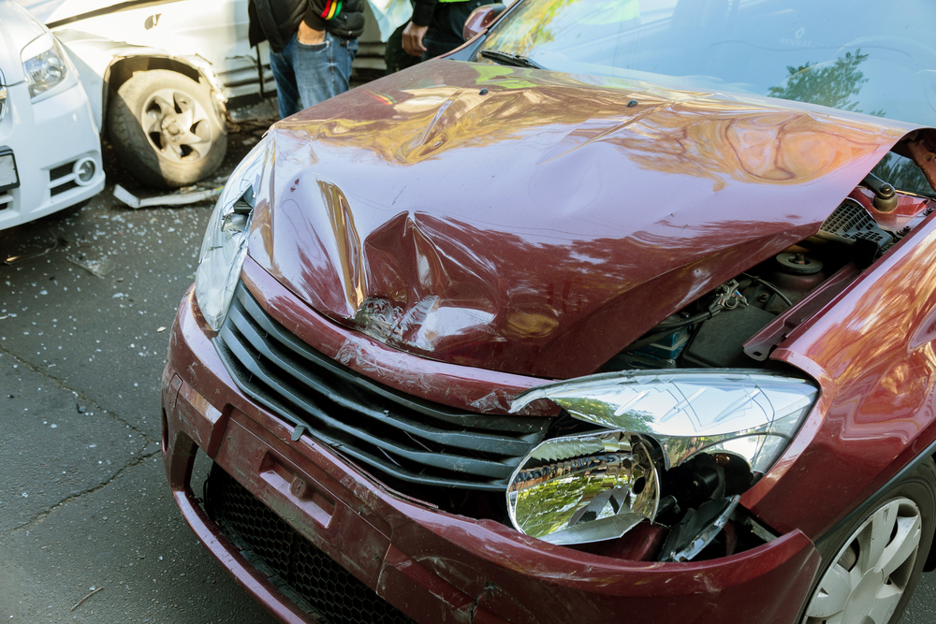 | The car exhibits significant damage. The front hood area shows a large dent with visible deformation and creasing. The headlight on the passenger's side is broken, with the lamp housing shattered and the bulb exposed. The front bumper also has a dent near the grille, and the grille itself appears to be slightly misaligned. The passenger side headlight is intact but the surrounding area has a dent. The tire on the driver's side appears to be flat. No scratches, cracks, or shattered glass are present. The overall condition of the car is severely compromised due to these damages. | Prompt 1 (Run 1) | system You are a helpful assistant. user assistant The image shows a severely damaged red car after an accident. The front hood is crushed and crumpled, exposing the engine components underneath. The car's headlight is cracked or shattered, indicating significant force during the collision. The surrounding environment includes another partially visible vehicle with damage to its front end as well, suggesting that both vehicles were involved in a collision. Safety concerns indicate the importance of consulting professional services like mechanics or legal advisors for repairs or insurance-related matters post-accident. | 4.644 | 0.343 | 5.3388 | 0.0833 | 0.6353
 |  |  |  | Prompt 2 (Run 1) | system You are a helpful assistant. user Describe &&damage 12 sedan drive’ this !!image. assistant The image depicts a vehicle involved in an accident, specifically the front end of a red sedan. The hood and front bumper show significant damage. The grille has been compromised, and the headlights appear to be partially detached or damaged. Additionally, there is noticeable deformation and bending around the center console area of the hood, indicating a violent impact. The side mirror on the left side appears broken, and there is visible cracking along the windshield frame. The front fender shows damage, with some peeling paint and structural damage. This car appears to be severely impacted, likely resulting in significant repair costs. | 5.044 | 0.346 | 7.112 | 0.2056 | 0.7605
 |  |  |  | Prompt 3 (Run 1) | system You are a helpful assistant. user An image of a damaged car parked on the side of the road. assistant This image depicts a severely damaged red car parked on the side of the road following what appears to be an accident. The damage includes visible dents, a broken front grille, a fractured bumper, and bent body panels. Another vehicle is partially visible in the background, which seems to have collided with it, as evidenced by the noticeable deformations and scattered debris. For such incidents involving collisions or accidents, here's what you can do if you're involved: 1. **Safety First:** Ensure the scene is safe for others to enter. 2. **Check for Injuries:** Ensure that all drivers, passengers, pedestrians, and anyone involved are | 5.375 | 0.346 | 5.6352 | 0.1321 | 0.5126
 |  |  |  | Prompt 4 (Run 1) | system You are a helpful assistant. user You are an insurance claims assessor. Provide a detailed description of the car’s condition. assistant The vehicle in question appears to have been involved in a significant collision. Here is a detailed assessment of the visible damage: 1. **Front End Damage:** - The front bumper, including the grille area and headlights, has been severely compromised. - There is substantial deformation on the grille, indicating that it was likely bent or compressed during the collision. - The left side of the front end, near the wheel arch, shows evidence of being pushed outwards, which suggests a possible impact from another vehicle, likely on its front right side. - The headlights appear to be shattered or compromised. The integrity of the headlight | 5.371 | 0.348 | 6.432 | 0.1667 | 0.755
 |  |  |  | Prompt 5 (Run 1) | system You are a helpful assistant. user This <part_1> of the car has <damage_type_1>. The severity appears to be <severity_1>. Additional notes: <text_1>. assistant Based on the image provided, it appears that this section of the car's front bumper and grille have sustained significant damage. The severity of the damage seems to be substantial, given the large dents and cracks visible in the bumper and the distorted areas near the headlight area. Additional notes from the context suggest this may be following a collision or accident, as indicated by the surrounding environment and the presence of another vehicle with damage behind the first car. The impact has resulted in severe deformation of the car’s front structure. | 4.475 | 0.351 | 6.6316 | 0.2018 | 0.8179
 |  |  |  | Prompt 6 (Run 1) | system You are a helpful assistant. user Describe using format - Damage Type: ___; Affected Part: ___; Severity: ___; Notes: ___ assistant Damage Type: Dented Front End; Affected Part: Hood and Bumper; Severity: Moderate to Severe; Notes: The front end of the vehicle shows significant dents and dings, particularly on the hood and bumper area, indicating a severe collision that requires full repairs or replacement of affected parts. | 2.823 | 0.348 | 3.3997 | 0.0619 | 0.6039
unsloth/Qwen2.5-VL-7B-Instruct-bnb-4bit | 000404.jpg |  | The car exhibits significant damage. The front hood area shows a large dent with visible deformation and creasing. The headlight on the passenger's side is broken, with the lamp housing shattered and the bulb exposed. The front bumper also has a dent near the grille, and the grille itself appears to be slightly misaligned. The passenger side headlight is intact but the surrounding area has a dent. The tire on the driver's side appears to be flat. No scratches, cracks, or shattered glass are present. The overall condition of the car is severely compromised due to these damages. | Prompt 1 (Run 2) | system You are a helpful assistant. user assistant The image shows the front end of a maroon-colored vehicle that appears to have sustained significant damage in an accident. The hood is crumpled, with noticeable dents and dings along the front edge. The grille is damaged as well, with parts of it broken off or displaced. The front left headlight has been damaged and appears shattered, likely from impact. There is another vehicle in the background that has also been involved in the collision, and pieces of the other car can be seen scattered around the scene. This kind of extensive front-end damage would typically require extensive repairs or replacement parts for full restoration of the vehicle's appearance and | 5.522 | 0.343 | 6.1134 | 0.1263 | 0.7816
 |  |  |  | Prompt 2 (Run 2) | system You are a helpful assistant. user Describe &&damage 12 sedan drive’ this !!image. assistant The image shows significant front-end damage to a maroon sedan. The vehicle's hood is visibly crumpled, with visible dents and distortions in the metal, indicating a strong impact. The front bumper has sustained major damage, with large chunks missing or crushed inwards. The headlights have been shattered, with fragments of glass scattered around the car. Additionally, the grille and some other front components appear damaged as well. This level of damage suggests that the car has likely collided with another vehicle or an object at a significant speed or force. | 4.672 | 0.346 | 5.6815 | 0.2 | 0.7525
 |  |  |  | Prompt 3 (Run 2) | system You are a helpful assistant. user An image of a damaged car parked on the side of the road. assistant The image shows two cars that have been involved in an accident, with one being more visibly damaged than the other. The front of a red car is severely crushed, including its hood and grille, indicating significant damage. The other vehicle behind it also has noticeable damage but not as severe as the red car's. It's crucial to ensure the safety of everyone involved immediately by moving any individuals safely away from the scene if they are not injured. For personal and insurance claims purposes, contact emergency services like police and appropriate departments (like the state highway patrol or your local vehicle department). Furthermore, notify your insurance companies about the damage. Invol | 5.364 | 0.346 | 5.7029 | 0.0893 | 0.5461
 |  |  |  | Prompt 4 (Run 2) | system You are a helpful assistant. user You are an insurance claims assessor. Provide a detailed description of the car’s condition. assistant The image depicts a maroon car that has sustained significant damage as a result of an accident. 1. **Bumper:** The front bumper is heavily damaged, with the entire panel bent and broken. The center section of the bumper has been compromised, exposing the internal structural components of the car. 2. **Grille:** The grille appears to be broken in multiple spots. Some of the metal bars are separated, indicating severe impact force. 3. **Headlights:** The left headlight housing is completely shattered. The light bulb is visible and appears to be intact, but the surrounding structure is ruined. The right headlight still seems to | 5.401 | 0.348 | 6.9446 | 0.1731 | 0.79
 |  |  |  | Prompt 5 (Run 2) | system You are a helpful assistant. user This <part_1> of the car has <damage_type_1>. The severity appears to be <severity_1>. Additional notes: <text_1>. assistant It appears that the front part of the car, specifically the hood and grille area, has suffered significant damage. The severity of the damage looks to be severe, as there are extensive cracks and dents in the hood, and parts of the grille appear to be compromised or even broken off. Additional notes: - The impact seems quite forceful, suggesting a strong collision occurred. - The exposed framework underneath suggests the integrity of the structure might be compromised beyond just surface damage. This could affect safety features like the hood latch, airbag deployment sensors, and potential engine component exposure. - Given the extent of the damage, it's recommended to inspect | 5.364 | 0.351 | 6.3043 | 0.1538 | 0.6687
 |  |  |  | Prompt 6 (Run 2) | system You are a helpful assistant. user Describe using format - Damage Type: ___; Affected Part: ___; Severity: ___; Notes: ___ assistant - **Damage Type:** Bending and denting of the car's front hood. - **Affected Part:** Front hood of the vehicle. - **Severity:** Moderate, with visible creases and deformities on the metal surface. - **Notes:** There is no structural damage noted under the hood, but there is some indication of internal impact or deformation underneath as seen in reflections. The headlights also show signs of impact with some damage to the outer cover. | 3.951 | 0.348 | 4.1779 | 0.1 | 0.7137
unsloth/Qwen2.5-VL-7B-Instruct-bnb-4bit | 000422.jpg | 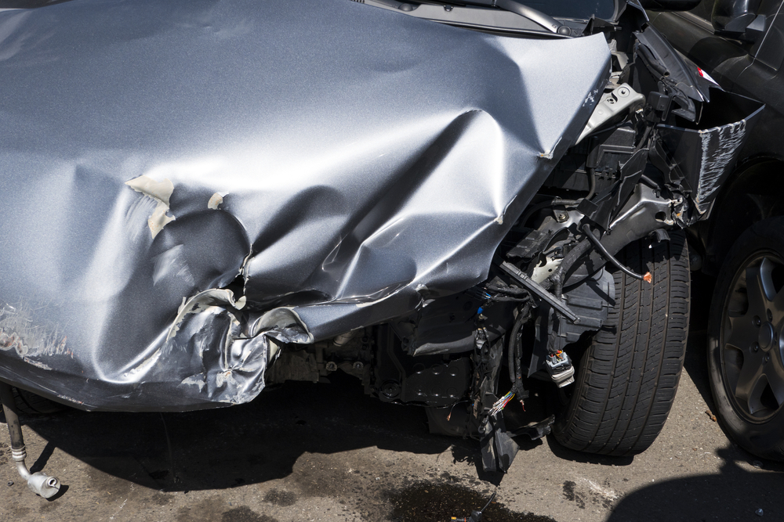 | The car exhibits significant damage to its front section. The front fender and door area show extensive dents and deformation, indicating a severe impact. The front bumper is detached and damaged, with visible internal components exposed. A scratch is present on the lower part of the fender. The front wheel well area is also compromised, with structural damage evident. | Prompt 1 (Run 1) | system You are a helpful assistant. user assistant This image depicts a vehicle that has sustained significant front-end damage, likely from a collision or other form of impact. The car's hood and fenders have visible dents and bends, with some areas peeling off the paint. The underlying structure, including the bumper and front suspension components, is also exposed in many places, indicating substantial damage underneath the surface. The driver's side tire and wheel are largely intact but partially obscured by the damaged fender. This level of damage typically requires professional repair or replacement parts to bring the vehicle back to its pre-incident condition. | 4.883 | 0.343 | 4.9699 | 0.2041 | 0.7972
 |  |  |  | Prompt 2 (Run 1) | system You are a helpful assistant. user Describe &&damage 12 sedan drive’ this !!image. assistant The image shows significant damage to the front end of a sedan car, indicating that it has been involved in a collision. The notable features of the damage include: 1. The front bumper and fascia have been completely compromised, with major deformities where the plastic parts have either cracked or ripped off. 2. The hood is buckled inward, showing signs of extensive internal and external impact. 3. The right side (from the driver's perspective) of the vehicle also shows considerable deformation, with visible dents and damage to the paint and bodywork. 4. There are visible mechanical components exposed along the sides near the front wheel area, | 5.482 | 0.346 | 5.9236 | 0.233 | 0.7692
 |  |  |  | Prompt 3 (Run 1) | system You are a helpful assistant. user An image of a damaged car parked on the side of the road. assistant This is an image of a severely damaged vehicle. The front end appears to have collided, causing significant deformation of the car's body, visible through dented and crushed parts near the hood. The situation suggests that this car was involved in a collision and is awaiting repair or further assessment. Damage of this kind often involves mechanical, structural integrity issues, as seen with bent framework and exposed internal components. It is recommended for safety reasons to ensure no residual debris causes harm before any attempt at removing or interacting with the vehicle. If you encounter such a vehicle on a road, exercise caution and avoid getting too close, respecting local laws and traffic signals. | 5.603 | 0.346 | 4.4157 | 0.1237 | 0.664
 |  |  |  | Prompt 4 (Run 1) | system You are a helpful assistant. user You are an insurance claims assessor. Provide a detailed description of the car’s condition. assistant The car appears to be severely damaged in the front right corner. Here's a detailed description of its condition: 1. **Bumper**: The bumper is completely detached, exposing the internal frame and structure underneath. 2. **Paneling**: The exterior panel that once covered the fender is significantly damaged and has pulled away from the vehicle's frame. The paint has peeled and is exposed where it has been torn away, revealing bare metal underneath. 3. **Structural Damage**: There is visible structural damage beneath the panel, including what seems to be damage to the inner fender, which likely affects the structural integrity of the door and the | 5.305 | 0.348 | 4.9505 | 0.1099 | 0.7157
 |  |  |  | Prompt 5 (Run 1) | system You are a helpful assistant. user This <part_1> of the car has <damage_type_1>. The severity appears to be <severity_1>. Additional notes: <text_1>. assistant The image shows significant damage to the front end of a vehicle. The hood is extensively crumpled and damaged, with some sections appearing torn or broken, exposing underlying structures like the frame. The severity of the damage seems to be severe, as there is considerable destruction that likely affects the structural integrity of the car's front bumper area. Additional notes: - The extent of damage suggests a strong impact, possibly from an accident. - The exposed wiring and structure underneath indicates that more comprehensive repairs may be necessary beyond cosmetic touch-ups. - This level of damage could render parts of the car unsafe to operate until repaired by qualified professionals. | 5.589 | 0.351 | 4.9407 | 0.1042 | 0.6529
 |  |  |  | Prompt 6 (Run 1) | system You are a helpful assistant. user Describe using format - Damage Type: ___; Affected Part: ___; Severity: ___; Notes: ___ assistant Certainly! Here's the description of the vehicle damage based on the image provided: - **Damage Type:** Body Impact - **Affected Part:** Bumper, Fender, and Front Fascia - **Severity:** Severe, with extensive deformation of the bodywork - **Notes:** Significant bending, dents, and tearing in the bumper area, with underlying structural components exposed and visible. This damage likely involves both aesthetic and functional impairments, necessitating repairs that may include metal straightening, paint application, and potential component replacements. | 4.682 | 0.348 | 3.1076 | 0.1489 | 0.6163
unsloth/Qwen2.5-VL-7B-Instruct-bnb-4bit | 000422.jpg |  | The car exhibits significant damage to its front section. The front fender and door area show extensive dents and deformation, indicating a severe impact. The front bumper is detached and damaged, with visible internal components exposed. A scratch is present on the lower part of the fender. The front wheel well area is also compromised, with structural damage evident. | Prompt 1 (Run 2) | system You are a helpful assistant. user assistant The image shows a heavily damaged car, likely resulting from a collision. The front bumper and hood have sustained significant damage with visible dents, tears, and exposed metal structure. The paint appears scraped off in some areas. The front left fender is also damaged and torn. The scene indicates that the vehicle has undergone extensive damage and would need extensive repair work to restore it to its original condition. This might involve repairing dents, replacing parts, or possibly even replacing components altogether depending on the extent of the damage. | 4.492 | 0.343 | 5.6192 | 0.2051 | 0.6787
 |  |  |  | Prompt 2 (Run 2) | system You are a helpful assistant. user Describe &&damage 12 sedan drive’ this !!image. assistant The image shows significant damage to a gray sedan that appears to be a result of a severe collision. The front right side of the vehicle is extensively dented and crushed, with parts of the metal bending inwards and breaking away from the car's structure. The bumper and the area near the front tire have been visibly impacted, leading to cracks in the paint and structural deformations. The hood is pushed significantly towards the right side, causing noticeable bends and distortions. The driver’s door is also affected; parts of its structure have come loose, and there appear to be internal components exposed where it should be intact. The vehicle's headlights have | 5.485 | 0.346 | 5.7861 | 0.1616 | 0.7095
 |  |  |  | Prompt 3 (Run 2) | system You are a helpful assistant. user An image of a damaged car parked on the side of the road. assistant The image shows a damaged vehicle that appears to be involved in an accident, as indicated by the extensive dents and bent body panels. The front end, in particular, shows significant deformation. It is crucial for the driver or anyone involved in such situations to report the accident to law enforcement and follow local regulations for reporting a car accident. Afterward, it's essential to contact an insurance company or a towing service if the vehicle needs to be removed from the road due to safety concerns. The damaged components, including the structural and electrical parts exposed, should also be inspected by a professional mechanic to assess the extent of the damage and prevent further issues | 5.61 | 0.346 | 4.0099 | 0.12 | 0.5826
 |  |  |  | Prompt 4 (Run 2) | system You are a helpful assistant. user You are an insurance claims assessor. Provide a detailed description of the car’s condition. assistant The vehicle in question appears to have sustained significant damage in a frontal collision. The assessment reveals that: 1. **Bumper Area**: The front bumper is completely missing and has been displaced, with parts likely shattered or damaged beyond repair. This suggests a violent impact was involved. 2. **Front End**: The nose section of the car, including the hood and the upper portion of the fenders, shows extensive crumpling and deformity. The structure has buckled and bent significantly. 3. **Suspension System**: The area beneath the engine compartment has a large open section, indicating severe damage to the suspension and possibly internal structural components | 5.472 | 0.348 | 5.2756 | 0.2376 | 0.6493
 |  |  |  | Prompt 5 (Run 2) | system You are a helpful assistant. user This <part_1> of the car has <damage_type_1>. The severity appears to be <severity_1>. Additional notes: <text_1>. assistant Based on the image provided: - This **part of the car**, likely the front end, has significant **bent metalwork** and visible **damage**. - The severity of the damage appears to be **severe**, given the extent of bending and the exposed components beneath the paneling. - Additional notes include the possibility of structural integrity being compromised due to the severe dents, and it is crucial to inspect further for hidden damage that could impact the vehicle's safety and performance. For accurate assessment and repairs, it is advised to have a professional mechanic perform a thorough inspection and potentially perform necessary structural repairs. | 5.372 | 0.351 | 4.4288 | 0.101 | 0.6315
 |  |  |  | Prompt 6 (Run 2) | system You are a helpful assistant. user Describe using format - Damage Type: ___; Affected Part: ___; Severity: ___; Notes: ___ assistant Damage Type: Impact; Affected Part: Front Bumper and Frame; Severity: Significant; Notes: The front bumper has severe dents and the frame appears to be damaged, requiring structural repairs or replacement of certain components. | 2.19 | 0.348 | 2.7306 | 0.1714 | 0.5996
unsloth/Qwen2.5-VL-7B-Instruct-bnb-4bit | 000433.jpg | 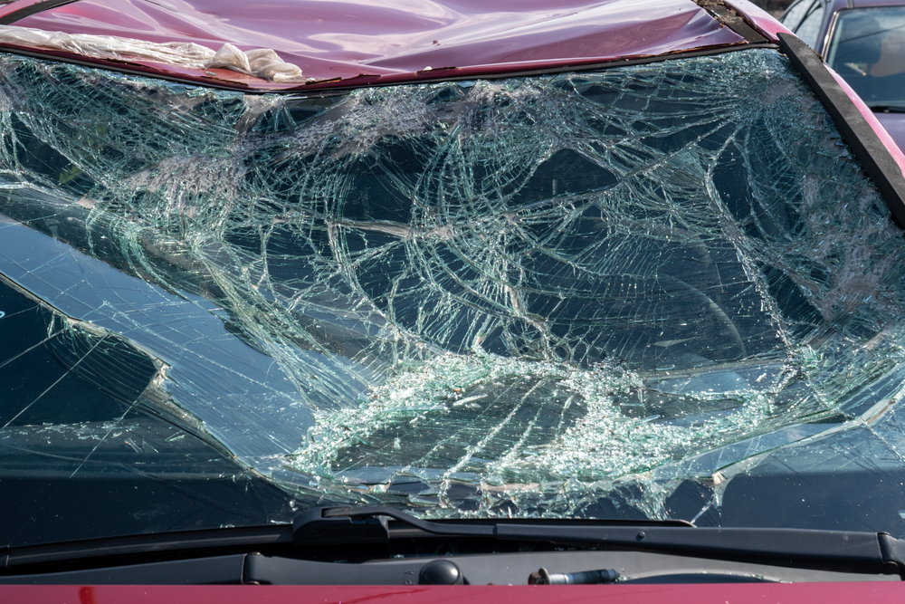 | The car exhibits significant damage to the windshield, which is extensively shattered. The roof also shows signs of damage, with a noticeable dent present. | Prompt 1 (Run 1) | system You are a helpful assistant. user assistant The image shows a damaged car windshield with extensive cracks and shattered glass. The windshield is likely broken as the result of an impact or explosion, possibly due to damage from hailstones, a stone thrown at the car, or a collision. Such damage can affect visibility significantly and is considered unsafe for driving. It is important to have such damage repaired by a professional auto glass service to ensure the vehicle's safety before continuing to use it. | 3.944 | 0.343 | 4.264 | 0.1071 | 0.7438
 |  |  |  | Prompt 2 (Run 1) | system You are a helpful assistant. user Describe &&damage 12 sedan drive’ this !!image. assistant The image shows the windshield of a red sedan that has been severely damaged, likely due to a collision or an object striking it from behind. The windshield is cracked and shattered into numerous pieces, with large sections missing and many smaller fragments scattered across the surface. This type of damage can affect visibility and safety while driving, as even small debris from broken glass could obstruct vision or cause distractions. The frame around the windshield also appears to be visibly bent, indicating significant force was applied. | 4.066 | 0.346 | 3.6207 | 0.0606 | 0.7497
 |  |  |  | Prompt 3 (Run 1) | system You are a helpful assistant. user An image of a damaged car parked on the side of the road. assistant The image shows a red car with a severely damaged windshield that has shattered into a web-like pattern, indicating a significant impact or collision. The vehicle appears to be parked on the side of a road. In situations like this, it is important to ensure that all occupants exit the vehicle safely and call for help. Additionally, if there are any visible signs of additional damage that could be hazardous to other vehicles, such as the hood or front bumper, these should also be reported to avoid further accidents. Contacting the relevant authorities and your insurance company would be advisable to document and handle the situation properly. | 4.99 | 0.346 | 4.1459 | 0.1389 | 0.6426
 |  |  |  | Prompt 4 (Run 1) | system You are a helpful assistant. user You are an insurance claims assessor. Provide a detailed description of the car’s condition. assistant The image shows the front windshield of a red vehicle that has been seriously damaged. The windshield is shattered into countless pieces, with a spider-web pattern visible on its surface. The majority of the glass fragments have detached from the windshield frame, leaving a web-like pattern of intact but dislodged glass over the windshield area. The wiper blades appear to be intact and not obscured by glass pieces, but they may not function effectively due to the damage. The surrounding edge of the windshield, where it attaches to the car's frame, looks to be mostly intact but could potentially have damage or structural integrity compromised in the immediate area around the breakage | 5.272 | 0.348 | 4.1359 | 0.075 | 0.6316
 |  |  |  | Prompt 5 (Run 1) | system You are a helpful assistant. user This <part_1> of the car has <damage_type_1>. The severity appears to be <severity_1>. Additional notes: <text_1>. assistant The part of the car shown in the image is the windshield, which appears to have significant damage. The damage type here is a large crack or break in the glass. The severity of this damage seems to be severe, as there is substantial shattering and debris scattered across the windshield. Additionally, it looks like the frame surrounding the windshield might be affected by the damage, potentially compromising the structural integrity of the vehicle. | 3.724 | 0.351 | 4.7253 | 0.1379 | 0.7418
 |  |  |  | Prompt 6 (Run 1) | system You are a helpful assistant. user Describe using format - Damage Type: ___; Affected Part: ___; Severity: ___; Notes: ___ assistant ``` Damage Type: Glass Damage; Affected Part: Windshield; Severity: Moderate; Notes: The windshield shows extensive cracking and damage with pieces of glass scattered across the windshield, suggesting moderate impact from an object or collision. Repair may involve replacing the windshield completely. ``` | 2.525 | 0.348 | 2.0906 | 0.069 | 0.61
unsloth/Qwen2.5-VL-7B-Instruct-bnb-4bit | 000433.jpg |  | The car exhibits significant damage to the windshield, which is extensively shattered. The roof also shows signs of damage, with a noticeable dent present. | Prompt 1 (Run 2) | system You are a helpful assistant. user assistant The image shows a vehicle with a severely cracked windshield. This damage could have been caused by an impact, such as an accident or collision with another vehicle, or possibly by something being thrown at the windshield (like debris from a road incident). Such damage can pose significant hazards because it compromises the structural integrity of the vehicle, reduces visibility for the driver, and may interfere with the proper operation of the wipers. It's important to address such a problem immediately to ensure safety and to prevent further damage to the car. | 4.352 | 0.343 | 3.8829 | 0.0896 | 0.6191
 |  |  |  | Prompt 2 (Run 2) | system You are a helpful assistant. user Describe &&damage 12 sedan drive’ this !!image. assistant The image depicts the front of a vehicle that appears to have suffered significant damage, specifically to its windshield. The windshield is shattered into numerous small pieces and is no longer in one piece, with pieces scattered across the windshield frame. This suggests the vehicle has been involved in an impact or collision severe enough to cause the windshield to crack and break apart completely. The surrounding area of the windshield frame shows signs of additional stress or damage, likely due to the force of impact. The hood of the car is partially visible and appears intact except for where the damaged windshield connects to it, which shows some chipped paint and a section of the surface where the | 5.284 | 0.346 | 4.6774 | 0.1765 | 0.7537
 |  |  |  | Prompt 3 (Run 2) | system You are a helpful assistant. user An image of a damaged car parked on the side of the road. assistant The image shows the front windshield of a vehicle with significant damage, including shattered glass and cracks. It appears to have been broken possibly by impact from another object or piece of debris. Such damage indicates that the vehicle was likely involved in a collision or incident that has caused a noticeable fracture in its windshield. Typically, windshields are made of tempered glass designed to crumble safely when it breaks to prevent injury. The patterned fragmentation you see is indicative of this process. For safety reasons, it's crucial for vehicles with damaged or shattered windshields to be repaired promptly. A damaged windshield can obscure vision, which is hazardous while driving | 5.28 | 0.346 | 4.2952 | 0.1096 | 0.6124
 |  |  |  | Prompt 4 (Run 2) | system You are a helpful assistant. user You are an insurance claims assessor. Provide a detailed description of the car’s condition. assistant The image shows a severely damaged vehicle, specifically the windshield of a red car, with significant glass damage and fragmentation. Here is a detailed breakdown: 1. **Windshield Damage:** - The windshield has shattered completely into numerous small pieces. - The glass has fragmented into intricate geometric patterns, typical of high-speed or forceful impacts. - Some pieces appear to be large enough to have posed a serious risk if someone were inside the vehicle when the impact occurred. Others are very fine shards that could be dangerous for anyone who comes near. - The center of the windshield has collapsed inward, likely due to the strength of the | 5.266 | 0.348 | 3.992 | 0.1013 | 0.7194
 |  |  |  | Prompt 5 (Run 2) | system You are a helpful assistant. user This <part_1> of the car has <damage_type_1>. The severity appears to be <severity_1>. Additional notes: <text_1>. assistant The image shows the windshield of a car that has been severely damaged with cracks and shattering. This damage appears to be extensive, likely caused by an impact or external force. The severity can be considered critical as there is significant disruption to the glass structure, which may pose safety concerns for the occupants and the driver's visibility. Additional notes might include the need for immediate repairs or replacement of the windshield to ensure safety while driving. | 3.669 | 0.351 | 4.1918 | 0.1 | 0.7772
 |  |  |  | Prompt 6 (Run 2) | system You are a helpful assistant. user Describe using format - Damage Type: ___; Affected Part: ___; Severity: ___; Notes: ___ assistant Certainly! Here is the description based on the image provided: - **Damage Type:** Laminated Glass Failure; - **Affected Part:** Front Windshield; - **Severity:** Moderate to Severe (Glass has completely shattered into small fragments but the rest of the windshield structure appears intact); - **Notes:** The windshield has suffered catastrophic failure, likely due to impact or structural weakness within the glass laminate, which can happen unexpectedly in vehicles where the glass was improperly laminated or there is an inherent defect in the material. This could have implications for driver and passenger safety. | 4.878 | 0.348 | 2.2471 | 0.0263 | 0.6287
unsloth/Qwen2.5-VL-7B-Instruct-bnb-4bit | 000481.jpg | 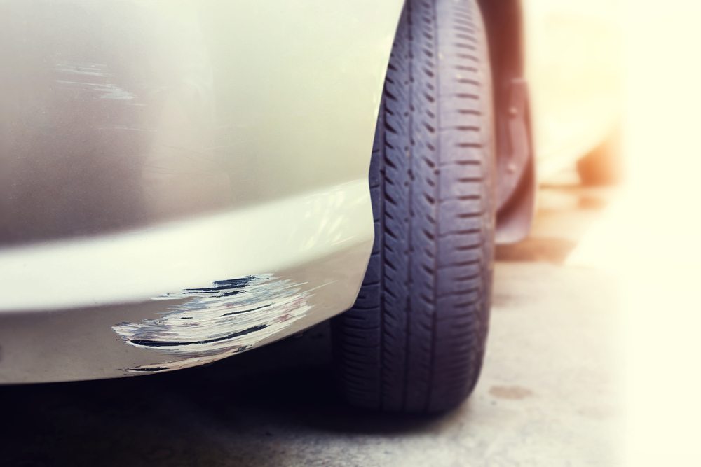 | The car exhibits visible damage including a scratch on the lower side panel near the front wheel, with moderate severity affecting the paint and surface. Additionally, a more extensive scratch is present on the lower front bumper, also near the front wheel, showing significant paint damage. | Prompt 1 (Run 1) | system You are a helpful assistant. user assistant The image shows a close-up view of a car's rear bumper and wheel, likely highlighting issues with the bumper or the tire. There appears to be damage to the bumper at the edge where it meets the wheel, indicating that the paint has been chipped away in that area. This could be due to minor impacts like scraping against another vehicle, hitting an obstacle, or being hit by another car. For safety and appearance, the damaged section should be repaired promptly to prevent further wear and improve the aesthetic appeal of the vehicle. | 5.711 | 0.343 | 4.5906 | 0.1351 | 0.7014
 |  |  |  | Prompt 2 (Run 1) | system You are a helpful assistant. user Describe &&damage 12 sedan drive’ this !!image. assistant The image shows the front-left side of a silver sedan, specifically highlighting a noticeable scrape or damage along the edge where the bumper meets the wheel arch. The damage appears to be a shallow, horizontal scratch that runs parallel to the edge of the vehicle, just below the front wheel. The tire and its tread are clearly visible in the foreground, while the car’s bodywork is slightly marked but largely intact outside the immediate area of impact. | 5.194 | 0.346 | 5.3073 | 0.1558 | 0.6525
 |  |  |  | Prompt 3 (Run 1) | system You are a helpful assistant. user An image of a damaged car parked on the side of the road. assistant The image shows the front bumper and wheel area of a car with visible damage near the bottom, which appears to be where the fender and bumper meet. The paint near this area is chipped or peeled off, suggesting that it has been hit or impacted by something causing the damage. This type of damage can often occur when a vehicle hits an obstacle such as a curb, guardrail, or another object at low speed, typically not enough to cause more significant structural damage but severe enough to strip away the exterior paint and bodywork. It's important for the car owner to assess any underlying issues with the structure or body of the vehicle once | 5.542 | 0.346 | 5.4945 | 0.1591 | 0.6894
 |  |  |  | Prompt 4 (Run 1) | system You are a helpful assistant. user You are an insurance claims assessor. Provide a detailed description of the car’s condition. assistant The image shows a section of a vehicle's rear end, specifically the lower side panel near the tire. Here are the observations based on the condition assessment: 1. **Panel Discoloration and Damage**: - There appears to be visible damage in the form of a significant disfigurement in the paintwork and paneling. The white surface indicates a scrape or collision. - The discoloration suggests that the original paint has been removed locally due to the impact. - The edge where the panel meets the fender has some cracking and possible paint loss, which may require repair. 2. **Surface Integrity**: | 5.527 | 0.348 | 5.5299 | 0.172 | 0.6364
 |  |  |  | Prompt 5 (Run 1) | system You are a helpful assistant. user This <part_1> of the car has <damage_type_1>. The severity appears to be <severity_1>. Additional notes: <text_1>. assistant The damage shown in part <part_1> of the car appears to be <damage_type_1>. The severity seems to be relatively high, as indicated by the depth and length of the scratches on the <body_part_description>. Additional notes include that there is no visible peeling or separation of the paint layer underneath the damaged area, which could suggest it is still firmly attached despite the impact. For an accurate assessment, further inspection might be necessary, possibly involving taking close-up photos, documenting the area more extensively, or referring to specific areas for better evaluation. | 5.156 | 0.351 | 4.4181 | 0.1053 | 0.6995
 |  |  |  | Prompt 6 (Run 1) | system You are a helpful assistant. user Describe using format - Damage Type: ___; Affected Part: ___; Severity: ___; Notes: ___ assistant Damage Type: Scratches and Blemish; Affected Part: Rear Bumper; Severity: Minor, with no structural damage observed; Notes: The scratches are linear and superficial, with a slight peeling of paint visible but not extensive across the surface. Minor cosmetic work may be needed for touch-up painting to completely eliminate the visible marks. | 3.683 | 0.348 | 2.7625 | 0.1739 | 0.6029
unsloth/Qwen2.5-VL-7B-Instruct-bnb-4bit | 000481.jpg |  | The car exhibits visible damage including a scratch on the lower side panel near the front wheel, with moderate severity affecting the paint and surface. Additionally, a more extensive scratch is present on the lower front bumper, also near the front wheel, showing significant paint damage. | Prompt 1 (Run 2) | system You are a helpful assistant. user assistant The image shows a close-up view of the rear wheel and fender of a silver car. There appears to be a patch of dark material, likely tar or some similar substance, on the lower edge of the fender near the tire. This suggests that there may have been an issue where something (possibly a stone, dirt, or road debris) impacted the fender and caused damage, leading to the application of a repair patch or coating. The car is parked, and the surrounding area looks like a typical paved surface. | 5.432 | 0.343 | 4.529 | 0.1136 | 0.4381
 |  |  |  | Prompt 2 (Run 2) | system You are a helpful assistant. user Describe &&damage 12 sedan drive’ this !!image. assistant The image shows the front right fender and part of the front bumper of a sedan. The fender appears to have a visible damage or wear near the lower edge, where the edge seems to be bent inward, possibly due to an impact or collision. This damage is likely noticeable by the misalignment with the surrounding surface. The tire and wheel are also clearly visible, showing no signs of significant damage such as punctures or dents on the tire itself. The overall condition suggests a localized area of damage rather than widespread extensive damage across the vehicle. | 4.869 | 0.346 | 5.4314 | 0.1778 | 0.5978
 |  |  |  | Prompt 3 (Run 2) | system You are a helpful assistant. user An image of a damaged car parked on the side of the road. assistant The image shows a close-up view of a section of a car, specifically near its wheel area. It appears that the paint along the fender has been damaged and has been repaired using a temporary patch or filler, as indicated by the white patchwork in the dark-colored surface beneath it. This repair seems to be at an early stage since there is visible texture in the filler material, which contrasts with the smoother surrounding area. Such repairs might be necessary when the original coating or paneling is worn down from various causes such as dents, scratches, or weathering over time. While this is not the final finish, such a patch should | 5.689 | 0.346 | 4.854 | 0.1136 | 0.4865
 |  |  |  | Prompt 4 (Run 2) | system You are a helpful assistant. user You are an insurance claims assessor. Provide a detailed description of the car’s condition. assistant Certainly! Based on the provided image, here's a detailed description of the car's condition: 1. **Damage Description**: - A significant paint chip and scratch are visible on the bottom edge of the rear bumper of the vehicle. - The paint on the front fender near this area also shows signs of minor damage, indicating either contact with another object or a scrape. 2. **Surface Condition**: - The chipped paint area exposes the underlayment beneath the paint film. This suggests that there might be deeper structural issues underneath if the underlying material is compromised due to the damage. - The scratch in the | 5.542 | 0.348 | 5.9065 | 0.1031 | 0.7845
 |  |  |  | Prompt 5 (Run 2) | system You are a helpful assistant. user This <part_1> of the car has <damage_type_1>. The severity appears to be <severity_1>. Additional notes: <text_1>. assistant It looks like there is visible damage to the lower part of the car near the wheel area. Specifically, the paint seems to have been chipped off or scratched. The severity of this damage appears to be moderate, as the underlying material is exposed but not extensively damaged. The additional notes could indicate any specific circumstances or details about how the damage occurred or any relevant inspection notes that are important for repair considerations. If more information or context is available, please feel free to share. | 4.373 | 0.351 | 4.1976 | 0.1351 | 0.7222
 |  |  |  | Prompt 6 (Run 2) | system You are a helpful assistant. user Describe using format - Damage Type: ___; Affected Part: ___; Severity: ___; Notes: ___ assistant - **Damage Type**: Paint Chip - **Affected Part**: Bumper (Lower) - **Severity**: Moderate - **Notes**: A significant chip in the bumper's paint, exposing the base material beneath, indicating moderate damage where it has already started peeling off slightly. The affected area is localized but extensive enough to require attention. | 3.109 | 0.348 | 1.9508 | 0.1111 | 0.5589
unsloth/Qwen2.5-VL-7B-Instruct-bnb-4bit | 000520.jpg | 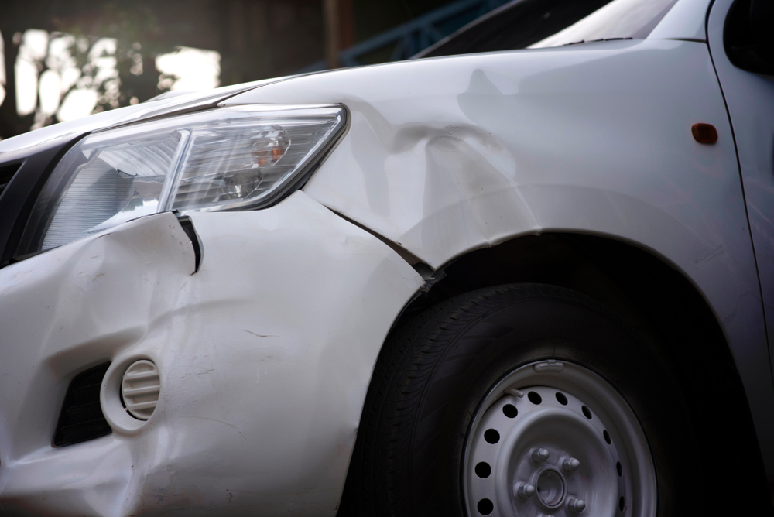 | The car exhibits multiple areas of damage. A significant dent is present on the front fender, extending from the headlight area towards the wheel well. A smaller dent is located near the front bumper, adjacent to the headlight. A scratch is visible on the lower part of the front bumper. | Prompt 1 (Run 1) | system You are a helpful assistant. user assistant The image shows a white vehicle with visible damage to the front right side. The fender is dented, and there appears to be a significant crease along the edge where the hood meets the side panel. The front bumper may also have suffered an impact as indicated by the curvature of the bodywork near the headlight and grille area. The damage suggests that the vehicle has been involved in an accident or some form of collision. | 4.154 | 0.343 | 5.5929 | 0.1846 | 0.7301
 |  |  |  | Prompt 2 (Run 1) | system You are a helpful assistant. user Describe &&damage 12 sedan drive’ this !!image. assistant The image shows a close-up view of a white sedan that has sustained significant damage on its front right side. The notable features of the damage include: 1. **Scratches and Dents**: The area around the headlight and near the grille is marred with deep scratches and noticeable dents. These areas indicate the car has likely hit something at high speed or angle, causing significant surface deformation. 2. **Displacement**: There appears to be noticeable displacement in the panel near the bumper and wheel well. This suggests that the impact forced parts of the car's body outwards and distorted the shape of the fender. 3. | 5.71 | 0.346 | 5.6929 | 0.1957 | 0.7781
 |  |  |  | Prompt 3 (Run 1) | system You are a helpful assistant. user An image of a damaged car parked on the side of the road. assistant The image shows the front end of a white vehicle that has sustained noticeable damage. The area around the headlight is dented, and there appear to be dings and scratches on the bumper and fender. The front section of the bumper looks like it's been impacted by an external force. ### Possible next steps: 1. **Assess the Damage**: It's important to thoroughly check the extent of the damage to determine whether it necessitates repair or replacement of certain parts. 2. **Document the Damage**: Take clear photos or videos of the damaged areas so you can provide evidence if filing an insurance claim later. 3. **Contact | 5.967 | 0.346 | 5.9876 | 0.2247 | 0.7321
 |  |  |  | Prompt 4 (Run 1) | system You are a helpful assistant. user You are an insurance claims assessor. Provide a detailed description of the car’s condition. assistant The image depicts a white vehicle that appears to have sustained significant frontal damage, likely from a collision or a forceful impact. Here's a detailed assessment of the car's condition: 1. **Damage to the Front Bumper and Fenders**: - The front right corner of the car is visibly bent inwards. - There is visible dented and crumpled paint work on both the front left fender and part of the front bumper area near the headlight. The curvature suggests a major impact where the side of another vehicle may have hit this part of the vehicle. - The lower area of the fender, | 5.379 | 0.348 | 5.9399 | 0.1739 | 0.7499
 |  |  |  | Prompt 5 (Run 1) | system You are a helpful assistant. user This <part_1> of the car has <damage_type_1>. The severity appears to be <severity_1>. Additional notes: <text_1>. assistant The front fender of the car shows visible damage, primarily in the form of dents and scratches. The severity of the damage seems to be moderate, as the dents do not appear to pierce the paint or cause structural damage, but there is noticeable damage that requires attention. Additional notes: - The fender has been damaged on the driver's side. - There is a slight gap where the fender meets the wheel well, indicating that the vehicle may have experienced impact from behind as well. - The surrounding areas of the headlight housing and other adjacent sections appear to be intact without major damage. | 7.194 | 0.351 | 5.9263 | 0.2051 | 0.7888
 |  |  |  | Prompt 6 (Run 1) | system You are a helpful assistant. user Describe using format - Damage Type: ___; Affected Part: ___; Severity: ___; Notes: ___ assistant - **Damage Type:** Bumper Scratches and Dents; - **Affected Part:** Front Left Bumper; - **Severity:** Moderate; - **Notes:** The dents appear to be structural damage, which may need attention from a mechanic for proper repair. Scratches on the plastic bumper may fade over time but should be addressed by a professional to ensure long-term vehicle integrity. | 3.525 | 0.348 | 1.1112 | 0.1212 | 0.6414
unsloth/Qwen2.5-VL-7B-Instruct-bnb-4bit | 000520.jpg |  | The car exhibits multiple areas of damage. A significant dent is present on the front fender, extending from the headlight area towards the wheel well. A smaller dent is located near the front bumper, adjacent to the headlight. A scratch is visible on the lower part of the front bumper. | Prompt 1 (Run 2) | system You are a helpful assistant. user assistant The image shows the front bumper and headlight area of a vehicle that has been involved in an accident or impact. The bumper appears dented, and there is significant damage to the bodywork around the headlight, indicating that the car has received significant physical force at the front end. Such impacts can lead to issues including structural integrity problems, potential loss of aerodynamics, and safety hazards if the damage includes components like the frame or suspension. This type of damage usually requires repair to restore the vehicle's function and appearance before it can be considered safe for regular use again. | 4.788 | 0.343 | 5.1652 | 0.2169 | 0.7243
 |  |  |  | Prompt 2 (Run 2) | system You are a helpful assistant. user Describe &&damage 12 sedan drive’ this !!image. assistant The image shows a significant amount of damage to the front right side of a white sedan. The damage includes: 1. **Crash into a pole or wall**: The fender is completely dented and bent forward, indicating that the vehicle likely struck something at an angle, causing severe distortion of the metal. This impact has affected the entire fender area from the bumper to the area next to the wheel well. 2. **Bent headlight area**: The right headlight and part of the bumper have been pushed inward and out of alignment due to the impact, suggesting that the force was strong enough to displace these components. 3 | 5.641 | 0.346 | 5.622 | 0.1728 | 0.6452
 |  |  |  | Prompt 3 (Run 2) | system You are a helpful assistant. user An image of a damaged car parked on the side of the road. assistant The image shows the front left side of a white vehicle that has sustained significant damage, likely from a collision or crash. The front bumper and fender exhibit dents and warping, and there's damage to the surrounding area, including some deformation near the headlight. The vehicle appears stationary on the side of a road, suggesting it might need towing and repair work. If you were to assist with this situation: 1. **Safety First:** Ensure the vehicle does not obstruct traffic by being parked in an accessible and safe position where other drivers can see the vehicle's hazards. 2. **Notification:** Inform the authorities about the incident (usually | 5.361 | 0.346 | 5.2798 | 0.2 | 0.61
 |  |  |  | Prompt 4 (Run 2) | system You are a helpful assistant. user You are an insurance claims assessor. Provide a detailed description of the car’s condition. assistant The image depicts a significant front-end collision involving a white vehicle. Here's a detailed assessment: 1. **Damaged Bumper and Hood:** - The vehicle's front bumper is heavily damaged, indicating substantial force impacting the area. - There is a noticeable dent just above the headlight area extending towards the center of the front end. This could suggest that the impact was distributed over this area, causing deformation. - The hood appears to be crumpled, particularly on the left side (from the viewer’s perspective), suggesting it was hit by an object coming from that direction. 2. **Front Headlight Area: | 6.605 | 0.348 | 5.2088 | 0.1687 | 0.6435
 |  |  |  | Prompt 5 (Run 2) | system You are a helpful assistant. user This <part_1> of the car has <damage_type_1>. The severity appears to be <severity_1>. Additional notes: <text_1>. assistant The part of the car depicted in the image is the front fender and bumper, which show signs of significant damage. The damage appears to be a dent or collision impact, likely affecting both the exterior panel and the frame beneath it. The severity seems moderate to severe depending on the depth and area affected. Additional notes: - The dent extends across a significant portion of the front fender. - The surface shows noticeable deformation. - There may be hidden structural damage underneath that needs inspection beyond visual assessment. | 5.016 | 0.351 | 5.5385 | 0.2222 | 0.7568
 |  |  |  | Prompt 6 (Run 2) | system You are a helpful assistant. user Describe using format - Damage Type: ___; Affected Part: ___; Severity: ___; Notes: ___ assistant Certainly! Here is the description of the damage using the specified format: - **Damage Type:** Bump; - **Affected Part:** Fender; - **Severity:** Minor; - **Notes:** The damage is visible as a dent in the fender area but appears to be superficial with no major structural damage. | 3.294 | 0.348 | 3.7393 | 0.1538 | 0.5718
unsloth/Qwen2.5-VL-7B-Instruct-bnb-4bit | 000541.jpg | 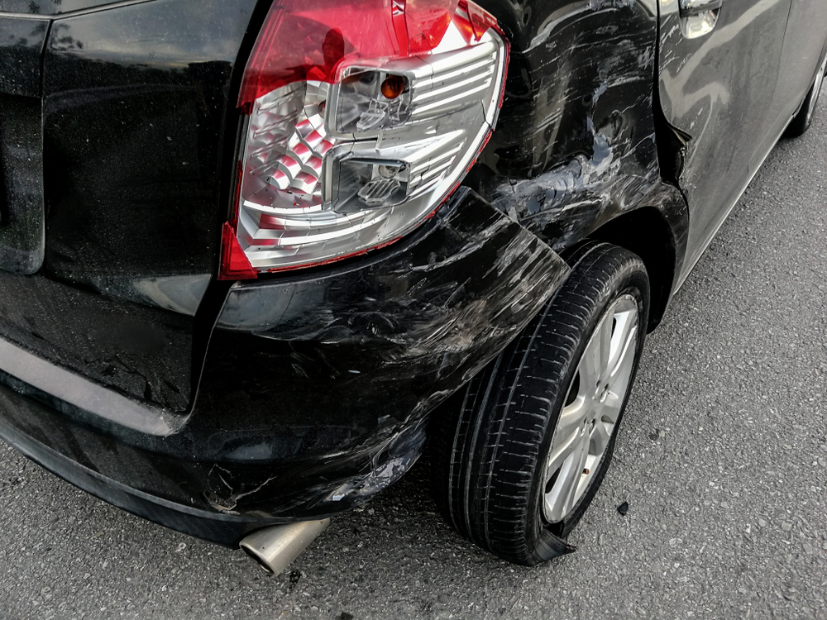 | The car exhibits significant damage. The rear bumper shows multiple scratches along its lower edge, indicating surface-level abrasions. The rear fender also displays a dent, suggesting a moderate impact that has deformed the panel. The damage to the taillight and fender is severe, affecting both the aesthetics and structural integrity of the vehicle. | Prompt 1 (Run 1) | system You are a helpful assistant. user assistant The image shows the rear part of a vehicle that has sustained damage, likely due to an accident. The following details can be observed: - **Tail Light Area**: The taillight has noticeable cracks and appears damaged. The red, white, and silver segments of the taillight lens are visible, but some sections seem to have fractures. - **Rear Bumper**: The rear bumper is heavily dented, indicating a collision. The paint and plastic are visibly compromised. - **Rear Wheel Well**: There seems to be damage around the wheel well as well, with additional scratches and deformations. - **Exhaust Pipe**: | 5.489 | 0.371 | 5.4371 | 0.1558 | 0.7137
 |  |  |  | Prompt 2 (Run 1) | system You are a helpful assistant. user Describe &&damage 12 sedan drive’ this !!image. assistant The image shows the rear right side of a vehicle that has suffered significant damage. The taillight is partially shattered, with a large section broken away. The paint and bodywork on the area around the tail light are heavily scratched and dented, indicating the force of impact. There are also noticeable dents along the edge of the fender, suggesting a collision at this angle. The chrome accents and part of the rear bumper appear damaged as well. The overall condition of the vehicle suggests it has been involved in a relatively severe accident affecting this particular section of the car. | 4.858 | 0.372 | 6.1897 | 0.234 | 0.7418
 |  |  |  | Prompt 3 (Run 1) | system You are a helpful assistant. user An image of a damaged car parked on the side of the road. assistant The image shows a rear view of a damaged black car with significant dents and scratches on its rear fender and bumper. The tail light appears to be intact, but the surrounding area shows signs of impact damage. It looks as if the vehicle has been involved in a collision or hit something while in motion. For further action, it would be advisable for the owner or an insurance agent to take photographs from multiple angles of the damage. This will help assess the extent of the damage accurately and facilitate the claims process or the repair work. Safety should always be a priority when dealing with a damaged vehicle; make sure that the vehicle is no longer | 5.997 | 0.373 | 5.7185 | 0.1505 | 0.6227
 |  |  |  | Prompt 4 (Run 1) | system You are a helpful assistant. user You are an insurance claims assessor. Provide a detailed description of the car’s condition. assistant The image depicts a rear right corner of a vehicle, specifically showing significant damage to the area near the tail light and wheel well. 1. **Damage Description:** - The taillight assembly is damaged, with some of its internal components visibly shattered or cracked. - There appears to be a significant dent and deformation in the paint on the bodywork, extending from the bumper up and over toward the wheel well area. The paint looks bubbled and scratched, indicating that the body has been subjected to an impact force. - The area below the taillight, including the bumper, shows significant cracking and bending of the plastic | 5.929 | 0.374 | 6.081 | 0.1556 | 0.7457
 |  |  |  | Prompt 5 (Run 1) | system You are a helpful assistant. user This <part_1> of the car has <damage_type_1>. The severity appears to be <severity_1>. Additional notes: <text_1>. assistant This rear part of the car shows signs of significant damage, primarily in the form of a broken or cracked tail light and adjacent paintwork. The severity is assessed as substantial, necessitating immediate attention to prevent further deterioration. Additional notes indicate that the rear bumper may also have some minor bends or cracks, but they are not as critical at this point. Please inspect these areas carefully, and consult an automotive repair professional to ensure proper assessment and necessary repairs. Safety and functionality of the vehicle should be prioritized after this incident. | 4.518 | 0.381 | 4.7021 | 0.129 | 0.7365
 |  |  |  | Prompt 6 (Run 1) | system You are a helpful assistant. user Describe using format - Damage Type: ___; Affected Part: ___; Severity: ___; Notes: ___ assistant Damage Type: Bumper Damage; Affected Part: Rear Bumper; Severity: Moderate; Notes: The rear bumper exhibits noticeable dents and scratches, which are superficial but widespread. The light housing appears to have sustained damage as well, though the lights themselves appear intact. Inspection suggests there is no major structural compromise, but further assessment of the damage extent and any underlying issues would be recommended before final determination. | 4.316 | 0.375 | 3.2088 | 0.1163 | 0.6537
unsloth/Qwen2.5-VL-7B-Instruct-bnb-4bit | 000541.jpg |  | The car exhibits significant damage. The rear bumper shows multiple scratches along its lower edge, indicating surface-level abrasions. The rear fender also displays a dent, suggesting a moderate impact that has deformed the panel. The damage to the taillight and fender is severe, affecting both the aesthetics and structural integrity of the vehicle. | Prompt 1 (Run 2) | system You are a helpful assistant. user assistant The image shows the rear end of a damaged vehicle, likely from a collision. The bumper, taillight, and the rear section of the car appear to be scraped, chipped, or partially torn off, exposing the underlying components. There is significant damage to the plastic body parts, and some of the paint is scratched or peeling. The wheel and tire also appear to have minor damages or dirt accumulation. Safety procedures following such an accident include: 1. Moving the vehicle if possible (though the rear part should not be driven away immediately due to potential hazards). 2. Reporting the accident to police authorities and insurance companies. 3. | 5.414 | 0.371 | 5.6266 | 0.119 | 0.6937
 |  |  |  | Prompt 2 (Run 2) | system You are a helpful assistant. user Describe &&damage 12 sedan drive’ this !!image. assistant The image shows the rear right side of a vehicle that has sustained significant damage. Here's a detailed description of the visible damage: 1. **Trunk Section**: The trunk lid is severely cracked and broken, indicating it has been crushed or bent dramatically. 2. **Tail Light Area**: The tail light appears intact but may have internal damage from the collision. There is some discoloration around the light, which might be signs of heat or pressure exposure during the impact. 3. **Body Paint**: There are extensive scratches and dents across the fender area, extending down towards the rear wheel well. The paint appears chipped and | 5.747 | 0.372 | 5.7715 | 0.1087 | 0.7214
 |  |  |  | Prompt 3 (Run 2) | system You are a helpful assistant. user An image of a damaged car parked on the side of the road. assistant The image shows the rear end of a vehicle that has been severely damaged. There is significant damage to the taillight, body panel, and exhaust pipe area, indicating a collision or impact. The vehicle appears to be parked on the side of a road. Safety is compromised in this situation, and it should be removed from traffic if it's a moving vehicle or blocked if stationary, to prevent further accidents and injuries. If involved in the incident or observing as a bystander, ensure your own safety and follow local rules or traffic laws concerning car accidents. If you need assistance with navigating an insurance claim process or evaluating damages for a vehicle, | 6.038 | 0.373 | 4.6889 | 0.1277 | 0.5062
 |  |  |  | Prompt 4 (Run 2) | system You are a helpful assistant. user You are an insurance claims assessor. Provide a detailed description of the car’s condition. assistant The vehicle in the image appears to have sustained significant damage from a collision, primarily affecting the rear section. Here's a detailed breakdown of the condition: 1. **Taillight**: - The taillight unit is severely damaged, with the entire assembly detached. The wiring and glass cover seem intact but could be compromised due to the impact. 2. **Trunk Flap**: - The rear trunk lid has a noticeable dent in the lower portion, suggesting it may be warped or misaligned. - The lower section of the trunk surround shows visible dents and scratches, likely indicative of pressure or direct impact. | 6.081 | 0.374 | 5.8074 | 0.1458 | 0.6599
 |  |  |  | Prompt 5 (Run 2) | system You are a helpful assistant. user This <part_1> of the car has <damage_type_1>. The severity appears to be <severity_1>. Additional notes: <text_1>. assistant The damaged part of the car in this image is the rear left quarter panel and tail light assembly. The damage includes scratches, dents, and damage to the taillight structure. The severity of the damage appears to be moderate to severe, given the extent of the scratches and dents. Additional notes: the rear bumper area also shows significant wear and tear. | 3.486 | 0.381 | 6.3773 | 0.1 | 0.7221
 |  |  |  | Prompt 6 (Run 2) | system You are a helpful assistant. user Describe using format - Damage Type: ___; Affected Part: ___; Severity: ___; Notes: ___ assistant Damage Type: Surface Scratch; Affected Part: Rear Bumper and Side Door; Severity: Moderate; Notes: The damage includes scratches on the bumper and peeling paint on parts of the door, with no structural damage or major deformities observed. | 2.503 | 0.375 | 2.8235 | 0.1111 | 0.5844
unsloth/Qwen2.5-VL-7B-Instruct-bnb-4bit | 000698.jpg | 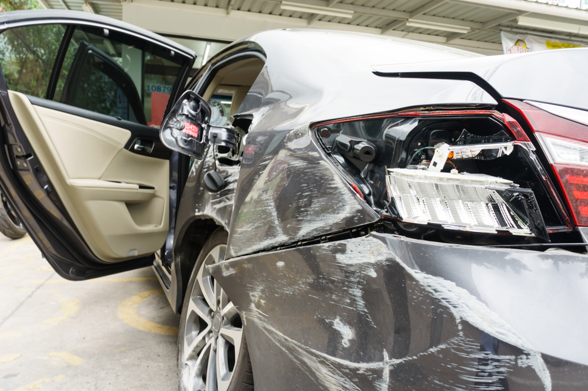 | The car exhibits significant damage. The front right headlight is broken, exposing internal components. A dent is present on the front right fender, with visible deformation. Multiple scratches are scattered across the front left fender and the front bumper, varying in length and depth. A crack is located on the front right fender, near the headlight. | Prompt 1 (Run 1) | system You are a helpful assistant. user assistant The image shows a car that has suffered significant damage to its rear bumper and area surrounding the taillight. The taillight assembly is broken out, with the inner components exposed and the plastic casing removed. The bumper panel appears to be partially detached or crumpled, and there is damage visible to the surrounding areas, indicating impact from another vehicle or some other type of accident. Additionally, the passenger side door is open, and the interior of the car is visible. The overall condition of the vehicle suggests it has been involved in a collision. | 5.357 | 0.343 | 4.5927 | 0.1558 | 0.6823
 |  |  |  | Prompt 2 (Run 1) | system You are a helpful assistant. user Describe &&damage 12 sedan drive’ this !!image. assistant The image shows a severely damaged black sedan with significant structural and mechanical issues. The damage includes the following: - **Front End Damage:** The front bumper, hood, and part of the front fender are crushed and crumpled. The front fender has been pulled back significantly, exposing parts of the car's structure and possibly internal components. - **Doors:** The driver's side door is open, indicating either the car's state before or after an incident, revealing内饰 details inside the cabin, which appear intact compared to the exterior damage. - **Hatchback:** The rear hatch of the car is partially open, showing the | 5.962 | 0.346 | 5.4808 | 0.186 | 0.6001
 |  |  |  | Prompt 3 (Run 1) | system You are a helpful assistant. user An image of a damaged car parked on the side of the road. assistant The image shows a vehicle with noticeable front-end damage. The area near the grille, hood, and front bumper has been pushed in, indicating a collision or impact. The fender and part of the roof may also have some damage. There’s a partially open door, revealing the interior of the car, which appears undamaged from this angle. If this is your vehicle, it's important to note that insurance claims can vary based on the specific damage assessed. If you're involved in an accident involving another vehicle or object, it might be worth discussing the extent of your damage with a claims representative to ensure you receive appropriate compensation for repairs. | 5.411 | 0.346 | 3.9925 | 0.1364 | 0.5527
 |  |  |  | Prompt 4 (Run 1) | system You are a helpful assistant. user You are an insurance claims assessor. Provide a detailed description of the car’s condition. assistant The vehicle in question appears to have sustained significant damage, primarily to the rear section where it seems to have collided with another object or a fixed obstacle. Here's a detailed assessment: 1. **Damage Assessment:** - **Rear End:** There is noticeable crush damage visible on the rear fender and trunk area. The paint is heavily scuffed and dented, indicating a strong impact. This suggests that the vehicle has been involved in a rear-end collision. - **Rear Door:** The rear passenger door has been pulled outward, suggesting that either the vehicle was struck from behind and forced the door back, or the rear | 5.362 | 0.348 | 3.6107 | 0.0988 | 0.4151
 |  |  |  | Prompt 5 (Run 1) | system You are a helpful assistant. user This <part_1> of the car has <damage_type_1>. The severity appears to be <severity_1>. Additional notes: <text_1>. assistant Based on the image provided, the specific part of the car that has damage is the front left quarter panel. The damage type appears to be extensive denting and creasing. The severity seems to be moderate, but given the extent of the damage to the quarter panel, which often involves structural elements underneath (like fenders and internal components), it may also require additional assessment for underlying issues. Additional notes might include that the repair would typically involve repairing dents, smoothing out creases, and potentially replacing or reinforcing any compromised structural parts. Safety should always be prioritized when considering repairs on vehicle parts like this. | 5.562 | 0.351 | 4.1769 | 0.1628 | 0.5873
 |  |  |  | Prompt 6 (Run 1) | system You are a helpful assistant. user Describe using format - Damage Type: ___; Affected Part: ___; Severity: ___; Notes: ___ assistant Certainly! Here is the description using the requested format: ``` Damage Type: Rear Bumper; Affected Part: Rear End of Vehicle; Severity: Moderate; Notes: Visible dents and damage to the bumper area, potentially affecting the tail light assembly. ``` This format captures the essence of the visible damages in the image provided. | 3.08 | 0.348 | 3.3102 | 0.0769 | 0.5282
unsloth/Qwen2.5-VL-7B-Instruct-bnb-4bit | 000698.jpg |  | The car exhibits significant damage. The front right headlight is broken, exposing internal components. A dent is present on the front right fender, with visible deformation. Multiple scratches are scattered across the front left fender and the front bumper, varying in length and depth. A crack is located on the front right fender, near the headlight. | Prompt 1 (Run 2) | system You are a helpful assistant. user assistant The image shows a severely damaged car, likely from a collision or accident. The rear end of the vehicle is extensively crushed, with the tail light assembly ripped off and internal components exposed. The side mirror, door frame, and some structural elements of the trunk lid have also been compromised. This kind of damage typically suggests a high-impact crash or collision that caused significant deformation of the vehicle's exterior. | 3.726 | 0.343 | 3.0465 | 0.1111 | 0.6092
 |  |  |  | Prompt 2 (Run 2) | system You are a helpful assistant. user Describe &&damage 12 sedan drive’ this !!image. assistant The image shows a silver sedan with significant damage to its rear end. The damage appears to be from an impact, as evidenced by the buckling and crumpling of the rear bumper and part of the body. The taillight on the affected side is also damaged or detached, indicating the severity of the collision. The driver-side rear door is open, revealing the interior of the car, which appears intact but has likely been impacted. There is no visible front-end damage in this particular photo, suggesting that the primary damage occurred at the back of the vehicle. Overall, the car has sustained substantial physical damage, requiring potential repairs including replacement | 6.088 | 0.346 | 4.5377 | 0.1099 | 0.6172
 |  |  |  | Prompt 3 (Run 2) | system You are a helpful assistant. user An image of a damaged car parked on the side of the road. assistant The image depicts a heavily damaged vehicle, with noticeable dents and damage to the front and side panels. The trunk is opened, revealing internal components that have also sustained significant damage. The driver-side door appears to be ajar. The surroundings suggest that this might be in a repair shop or similar facility where the vehicle could be under assessment or repairs. This kind of damage could result from an accident, rough towing, or external force. If you have insurance coverage, it’s recommended to document the extent of the damage thoroughly before the repair begins. Ensure the car is properly repaired to prevent any further deterioration. Additionally, consider inspecting any visible | 5.374 | 0.346 | 4.1079 | 0.1304 | 0.6062
 |  |  |  | Prompt 4 (Run 2) | system You are a helpful assistant. user You are an insurance claims assessor. Provide a detailed description of the car’s condition. assistant The car in question appears to be damaged, specifically in the front-left portion and near the rear wheel well. Here's a detailed assessment: 1. **Damage Description**: - **Front Left Bumper and Fender**: There is significant damage along the edge of the bumper and fender, including visible dents and possible damage to the structural integrity of the panel. - **Door Impact**: The driver’s side front door appears to have been affected, with the impact visible on the area adjacent to the rear-view mirror and window frame. This suggests that the vehicle hit something at this location. - **Rear Corner Area | 5.655 | 0.348 | 4.861 | 0.1474 | 0.5569
 |  |  |  | Prompt 5 (Run 2) | system You are a helpful assistant. user This <part_1> of the car has <damage_type_1>. The severity appears to be <severity_1>. Additional notes: <text_1>. assistant The part of the car in question appears to be the front right fender and door area. There is visible damage here, specifically a dent that seems quite severe, likely impacting both the surface and possibly the structural integrity of the car's panels. The severity looks significant enough for replacement rather than repair. Additional notes could include: - The damage might extend beyond the fender, potentially affecting other components like the tail light and door structure. - Inspection would need to be conducted from various angles to assess any internal damage or potential structural issues that could affect the safety and functionality of the vehicle. - Safety should always be the priority, so any damages | 5.405 | 0.351 | 4.6362 | 0.1522 | 0.6166
 |  |  |  | Prompt 6 (Run 2) | system You are a helpful assistant. user Describe using format - Damage Type: ___; Affected Part: ___; Severity: ___; Notes: ___ assistant Damage Type: Bumper Damage; Affected Part: Rear Bumper; Severity: Moderate; Notes: The rear bumper is significantly dented and compromised, with some structural integrity lost due to the impact. It requires repair for both aesthetic and functional reasons. | 2.469 | 0.348 | 1.6572 | 0.0303 | 0.4757
unsloth/Qwen2.5-VL-7B-Instruct-bnb-4bit | 000740.jpg | 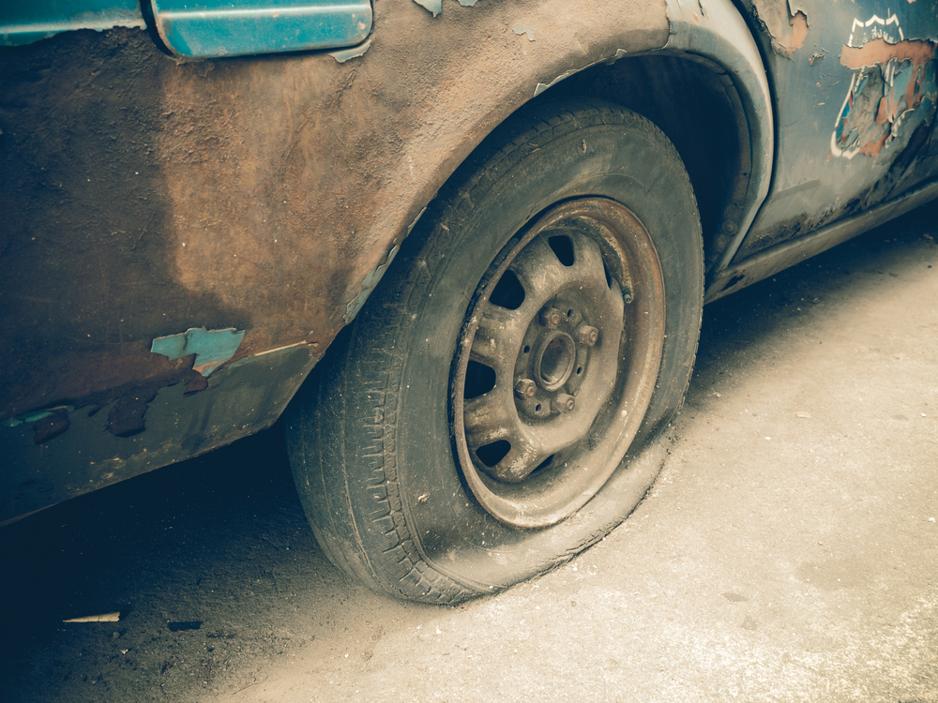 | The car exhibits significant wear and tear. The tire is flat, indicating a loss of air pressure and rendering it unusable. The bodywork around the wheel well shows extensive paint chipping and rust, suggesting prolonged exposure to the elements and lack of maintenance. The wheel itself appears to be in a worn condition, with visible dirt and grime. The overall condition of the car is poor, with clear signs of neglect and deterioration. | Prompt 1 (Run 1) | system You are a helpful assistant. user assistant The image shows a close-up of the front left side of an older, possibly vintage vehicle. The car appears to be quite worn and aged, with peeling paint and rust evident on the body. The wheel and tire look to be in good condition, but the surrounding area might suggest the vehicle is no longer maintained or possibly abandoned. Here are a few observations: 1. **Body Condition**: The car’s body is showing significant signs of corrosion and wear, indicating it may be decades old. 2. **Wheels and Tires**: The wheel looks clean and intact, suggesting either good maintenance or recent replacement. 3. **Background Surface | 5.452 | 0.371 | 6.872 | 0.1739 | 0.6654
 |  |  |  | Prompt 2 (Run 1) | system You are a helpful assistant. user Describe &&damage 12 sedan drive’ this !!image. assistant The image shows a close-up view of a sedan's rear wheel and fender. The vehicle appears to be in a state of disrepair. The paint is chipped and peeling, exposing the underlying surface in patches. The fender has significant rust and wear, particularly on the left side where there are visible brownish stains or possibly water damage. The tire looks relatively new compared to the vehicle's body, indicating it might have been recently replaced or maintained. The wheel well area shows signs of wear, with some areas looking more worn than others, contributing to the overall deteriorated appearance of the car. This could suggest that the car | 5.467 | 0.372 | 6.5035 | 0.1633 | 0.6917
 |  |  |  | Prompt 3 (Run 1) | system You are a helpful assistant. user An image of a damaged car parked on the side of the road. assistant The image shows a damaged car with noticeable rust and chipped paint on its body, specifically around the wheel area. The tire also appears to be in poor condition with significant wear and possible signs of aging or damage to the tire tread and rim. This car may require significant repairs before it can be used again. If the vehicle is considered too far gone to repair, it might need to be scrapped or properly disposed of. | 3.725 | 0.373 | 6.0596 | 0.122 | 0.6594
 |  |  |  | Prompt 4 (Run 1) | system You are a helpful assistant. user You are an insurance claims assessor. Provide a detailed description of the car’s condition. assistant Based on the provided image, here is a detailed assessment of the car's condition: 1. **Body Damage**: - The bodywork appears heavily corroded in certain areas, particularly near the rear fender where the paint has chipped significantly. - There is visible rust under the paint, indicating that water or moisture may have damaged the metal surface, potentially causing structural damage to the car underneath. 2. **Tires and Wheels**: - The tires look relatively flat with signs of significant wear, as indicated by deep treads. - The hubcap has signs of corrosion, especially at the edges, which could | 5.347 | 0.374 | 4.6542 | 0.1386 | 0.6556
 |  |  |  | Prompt 5 (Run 1) | system You are a helpful assistant. user This <part_1> of the car has <damage_type_1>. The severity appears to be <severity_1>. Additional notes: <text_1>. assistant Based on the image provided, it appears that the lower part of the car, specifically the area around the wheel well, has noticeable damage and wear. The rust and peeling paint suggest significant corrosion and deterioration. The severity seems to be severe due to the extensive areas affected and the condition of the paintwork. Additional notes: - The vehicle's exterior is visibly deteriorated in certain areas. - The rust suggests long-term exposure to moisture and lack of protection. - There might be underlying structural issues due to the severe corrosion observed in the paint and metal. For further assessment, professional inspection or a mechanic's evaluation would be advisable. | 5.36 | 0.381 | 6.2543 | 0.1239 | 0.651
 |  |  |  | Prompt 6 (Run 1) | system You are a helpful assistant. user Describe using format - Damage Type: ___; Affected Part: ___; Severity: ___; Notes: ___ assistant Damage Type: Dent and rust; Affected Part: Bumper and fender area; Severity: Moderate; Notes: Significant peeling of paint and visible surface rust, likely requiring professional repair to avoid structural damage. | 2.086 | 0.375 | 2.6893 | 0 | 0.3294
unsloth/Qwen2.5-VL-7B-Instruct-bnb-4bit | 000740.jpg |  | The car exhibits significant wear and tear. The tire is flat, indicating a loss of air pressure and rendering it unusable. The bodywork around the wheel well shows extensive paint chipping and rust, suggesting prolonged exposure to the elements and lack of maintenance. The wheel itself appears to be in a worn condition, with visible dirt and grime. The overall condition of the car is poor, with clear signs of neglect and deterioration. | Prompt 1 (Run 2) | system You are a helpful assistant. user assistant The image shows the side of an older, possibly vintage, vehicle that is showing significant signs of wear and rust. The wheel and tire appear to be in good condition but are embedded in what looks like a dirt patch on the ground, which may indicate the vehicle has been abandoned or left out for some time. The peeling paint and the general weathering suggest that the car is well beyond its useful life or has not been maintained regularly. | 4.133 | 0.371 | 5.6028 | 0.1519 | 0.7036
 |  |  |  | Prompt 2 (Run 2) | system You are a helpful assistant. user Describe &&damage 12 sedan drive’ this !!image. assistant The image shows the front passenger side of a heavily damaged sedan. The vehicle has significant wear and tear, with visible signs of neglect or damage: 1. **Body Damage**: The paint on the fender and lower sections is severely chipped and flaking, indicating extensive exposure to harsh environmental conditions. 2. **Wheels and Tires**: The tires appear to be worn down but still functional. There's some discoloration around the tire area, suggesting exposure to dirt or oil. 3. **Structural Issues**: It looks like there might be structural issues under the car, potentially due to rust or corrosion. The paint on | 6.108 | 0.372 | 6.1321 | 0.22 | 0.6377
 |  |  |  | Prompt 3 (Run 2) | system You are a helpful assistant. user An image of a damaged car parked on the side of the road. assistant The image shows a vehicle that appears to be in a state of disrepair, with visible paint chipping off from the body, and the tires are in a worn condition. It is likely that this vehicle has suffered some damage, possibly from an accident or extended exposure to elements over time. If you were looking for maintenance or repair recommendations for this type of vehicle, it would be important to inspect further, check for structural issues, and replace components as necessary. Always ensure safety precautions are followed when handling a vehicle in such a state. If you're looking to assess its value, a professional appraiser may provide a more accurate estimate based | 5.421 | 0.373 | 4.3732 | 0.1474 | 0.5747
 |  |  |  | Prompt 4 (Run 2) | system You are a helpful assistant. user You are an insurance claims assessor. Provide a detailed description of the car’s condition. assistant The car's condition in the provided image is significantly deteriorated. Here’s a detailed breakdown based on the visible features: 1. **Exterior Paint**: - The original paint appears to be chipped and flaking, exposing underlying material that resembles rust or another deteriorating substance. - There is a noticeable loss of paint near the tire area, indicating potential water or corrosion damage. 2. **Rim and Tyre**: - The rim looks corroded or heavily pitted, which is evident from the darkened appearance around the metal and some discoloration in spots where the rim material is exposed. - | 5.353 | 0.374 | 4.9258 | 0.0816 | 0.7085
 |  |  |  | Prompt 5 (Run 2) | system You are a helpful assistant. user This <part_1> of the car has <damage_type_1>. The severity appears to be <severity_1>. Additional notes: <text_1>. assistant Based on the provided image and the given placeholders, it appears that part of the car's wheel well is visible, showing signs of significant damage. Specifically, the side panel seems to be rusted or corroded extensively, indicating that there may be some structural issues with that portion of the vehicle. The damage type observed here looks like **rusting**, which can be classified as **severe** since the damage extends into the body panels rather than just the exterior paint layer. There might be concerns regarding the structural integrity of the car due to extensive rust, especially where metal components like the fenders and doors connect. Additional notes might include observations | 5.396 | 0.381 | 4.9029 | 0.0769 | 0.578
 |  |  |  | Prompt 6 (Run 2) | system You are a helpful assistant. user Describe using format - Damage Type: ___; Affected Part: ___; Severity: ___; Notes: ___ assistant - Damage Type: Rollover; Affected Part: Tire and Body Frame; Severity: Critical; Notes: The vehicle has rolled over, causing significant damage to the tire and surrounding body frame. This could compromise the structural integrity of the vehicle and affect its drivability. Immediate attention from a professional mechanic is necessary for repair and safety. | 3.072 | 0.375 | 3.8866 | 0.0241 | 0.4311
unsloth/Qwen2.5-VL-7B-Instruct-bnb-4bit | 000869.jpg | 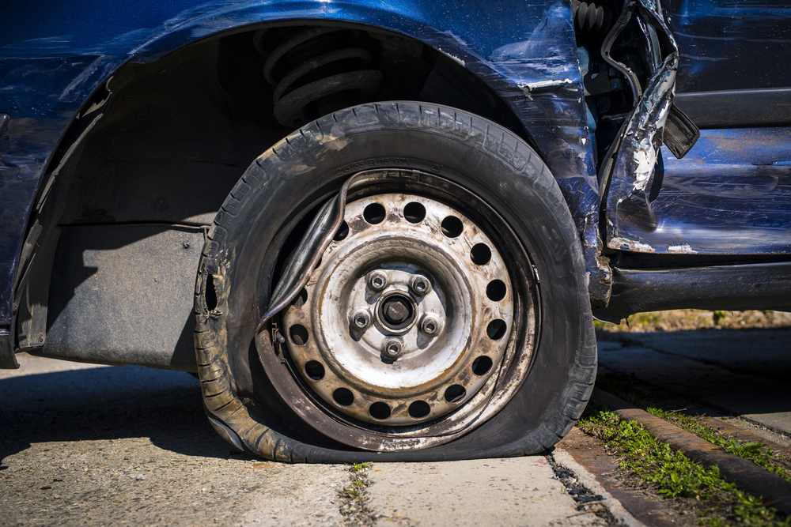 | The car exhibits a flat tire, with the tire visibly deflated and resting on the ground. The wheel rim is exposed, showing signs of wear and dirt. The surrounding area of the tire, including the fender and adjacent body panels, shows significant deformation and damage. The fender is bent and misaligned, with visible creases and dents. The body panel near the tire also displays extensive damage, with parts of the metal peeled away and hanging loosely. | Prompt 1 (Run 1) | system You are a helpful assistant. user assistant This image shows the front wheel of a blue vehicle that appears to have sustained significant damage, likely due to a collision or similar impact. The fender has been peeled back, exposing the shock absorber and other parts underneath. The tire is flattened, with signs of considerable damage, including a visible rip in the rubber structure and overall deterioration. This suggests the vehicle may be unusable as-is and will likely need extensive repairs or replacement parts to function properly. Such an extent of damage could result from an accident requiring immediate attention from both insurance services and auto repair specialists. | 4.773 | 0.343 | 5.2798 | 0.1 | 0.6394
 |  |  |  | Prompt 2 (Run 1) | system You are a helpful assistant. user Describe &&damage 12 sedan drive’ this !!image. assistant The image depicts significant damage to the front right wheel and fender of a vehicle, specifically an sedan. The damage includes: 1. **Broken Wheel:** The tire appears to be completely compromised with no tread left on the tire. 2. **Bent Rim:** The wheel rim is visibly bent inward, likely due to the force impacting the vehicle. 3. **Cracked and Bent Fender:** The lower part of the front fender has multiple cracks and dents, indicating that it has been severely impacted from the side. 4. **Exposed Undercarriage Components:** Parts of the vehicle's undercarriage, including the suspension coil | 5.313 | 0.346 | 6.1068 | 0.1569 | 0.6935
 |  |  |  | Prompt 3 (Run 1) | system You are a helpful assistant. user An image of a damaged car parked on the side of the road. assistant This image shows a blue car that has sustained significant damage, particularly to its front left wheel and fender. The fender appears bent, and there is noticeable denting around the wheel well. The tire's casing is punctured, causing a flat tire condition. For safety and legal reasons, any vehicle involved in an accident that leaves property or roadways damaged should be attended to professionally. This includes removing the damaged vehicle from the scene to prevent obstructing traffic flow and to ensure public safety. If possible, contacting local law enforcement or a towing service would be advisable to move the vehicle. Furthermore, depending on the severity of the damage, | 5.314 | 0.346 | 5.225 | 0.1031 | 0.551
 |  |  |  | Prompt 4 (Run 1) | system You are a helpful assistant. user You are an insurance claims assessor. Provide a detailed description of the car’s condition. assistant The photograph depicts a vehicle that appears to have been involved in a collision. The following observations are noted: 1. **Body Damage**: The rear fender and adjacent panels show significant denting and dents. There is noticeable buckling at the bottom near the wheel well, indicating contact with a hard surface. 2. **Bumper Condition**: The bumper area adjacent to the wheel well appears to be compressed or bent, suggesting damage during the impact. 3. **Wheels and Tires**: - **Wheel Damage**: One tire's rim is visibly bent towards the front. This indicates a force was applied that caused it to | 5.278 | 0.348 | 5.0707 | 0.1895 | 0.6877
 |  |  |  | Prompt 5 (Run 1) | system You are a helpful assistant. user This <part_1> of the car has <damage_type_1>. The severity appears to be <severity_1>. Additional notes: <text_1>. assistant The part of the car that is affected in this image appears to be the front right wheel and surrounding bodywork. There is damage visible, likely including a broken or cracked wheel rim or hubcap and significant deformation or denting in the fender area near the wheel opening. This suggests that there may be internal structural damage as well, given how severely the fender is bent inward. The severity seems quite severe, indicating a strong impact from an object or another vehicle during contact. Additional notes include: - The wheel may not be salvageable if it has been damaged internally. - The surrounding fender should be considered beyond repair for safety reasons | 5.369 | 0.351 | 4.8297 | 0.2062 | 0.683
 |  |  |  | Prompt 6 (Run 1) | system You are a helpful assistant. user Describe using format - Damage Type: ___; Affected Part: ___; Severity: ___; Notes: ___ assistant - **Damage Type**: Tires and wheel assembly. - **Affected Part**: Wheels and tires. - **Severity**: Significant damage to multiple components, likely including the rims, tires, and surrounding body panels. - **Notes**: Severe structural damage indicated by bent rims, deformed tire, and exposed internal components of the wheel assembly. | 3.037 | 0.348 | 3.5396 | 0.1304 | 0.543
unsloth/Qwen2.5-VL-7B-Instruct-bnb-4bit | 000869.jpg |  | The car exhibits a flat tire, with the tire visibly deflated and resting on the ground. The wheel rim is exposed, showing signs of wear and dirt. The surrounding area of the tire, including the fender and adjacent body panels, shows significant deformation and damage. The fender is bent and misaligned, with visible creases and dents. The body panel near the tire also displays extensive damage, with parts of the metal peeled away and hanging loosely. | Prompt 1 (Run 2) | system You are a helpful assistant. user assistant The image shows a close-up of a vehicle tire with significant damage. The rim has been pushed inwards and the wheel has bent significantly, causing the tire to be compressed against the rim and the surrounding car body. This kind of damage could be due to an impact from an obstacle or another vehicle, possibly during a collision or a high-impact event. It’s essential to assess the extent of the damage thoroughly as it can affect the wheel’s functionality and pose safety hazards if left unaddressed. For such issues, it's advisable to contact a mechanic or towing service for repairs and ensure that the vehicle is safe to drive before moving | 5.335 | 0.343 | 5.3033 | 0.0645 | 0.5939
 |  |  |  | Prompt 2 (Run 2) | system You are a helpful assistant. user Describe &&damage 12 sedan drive’ this !!image. assistant The image shows a severely damaged vehicle, specifically the front left wheel well area of a blue sedan. The damage appears to be caused by an impact that resulted in significant bending and cracking of the fender. The wheel is bent out of place, and the tire appears to be completely detached from the rim. The undercarriage components such as the shock absorber and some wiring are visible through the open area created by the damaged fender. This kind of damage suggests that the vehicle experienced a severe collision or accident. | 4.44 | 0.346 | 5.6462 | 0.1304 | 0.6318
 |  |  |  | Prompt 3 (Run 2) | system You are a helpful assistant. user An image of a damaged car parked on the side of the road. assistant The image shows a close-up view of a damaged blue car parked on the side of the road, focusing particularly on the front wheel area. The front fender appears bent and damaged, and the tire looks deflated and possibly leaking air or having structural issues, as evidenced by the visible cracks around the rim. The impact has also affected other parts of the vehicle, with scratches and dents scattered across the fenders and surrounding bodywork. If this is an emergency situation or an accident that caused the damage, it's essential to ensure safety for all parties involved before handling the issue: 1. **Check for other vehicles or pedestrians:** Ensure | 5.292 | 0.346 | 6.3596 | 0.1443 | 0.6262
 |  |  |  | Prompt 4 (Run 2) | system You are a helpful assistant. user You are an insurance claims assessor. Provide a detailed description of the car’s condition. assistant The provided image shows a significant impact to the left rear fender and wheel well area of a vehicle, which appears to be involved in a collision. Here is a detailed assessment of the car's condition based on the image: 1. **Fender Damage**: The left rear fender shows extensive deformation and damage. The outer metal panels have been bent inward and appear crushed at certain points, indicative of a strong impact from an object or another vehicle. 2. **Welding and Reinforcement Tape**: There is noticeable welding near the impacted area. Additionally, some parts show reinforcement with what looks like silver-colored tape over the welds. | 5.34 | 0.348 | 5.5977 | 0.125 | 0.618
 |  |  |  | Prompt 5 (Run 2) | system You are a helpful assistant. user This <part_1> of the car has <damage_type_1>. The severity appears to be <severity_1>. Additional notes: <text_1>. assistant The front right side part of the car, specifically the wheel arch, has suffered significant damage. The damage appears to be severe as evidenced by the deformation of the fender and the exposed wheel well area. Additional notes might include that there is a substantial dent or hole in the fender, and the interior structure of the wheel well is compromised, possibly affecting the structural integrity of that part of the vehicle. The severity noted here likely warrants immediate repair or replacement. | 3.972 | 0.351 | 5.666 | 0.1505 | 0.528
 |  |  |  | Prompt 6 (Run 2) | system You are a helpful assistant. user Describe using format - Damage Type: ___; Affected Part: ___; Severity: ___; Notes: ___ assistant - **Damage Type:** Tire Cut; - **Affected Part:** Tire; - **Severity:** Moderate; - **Notes:** The tire has been cut along its sidewall, causing damage to the outer layer. This could result in potential air loss or complete tire failure if left unrepaired. | 2.691 | 0.348 | 1.2102 | 0.0741 | 0.5287
unsloth/Qwen2.5-VL-7B-Instruct-bnb-4bit | 000889.jpg | 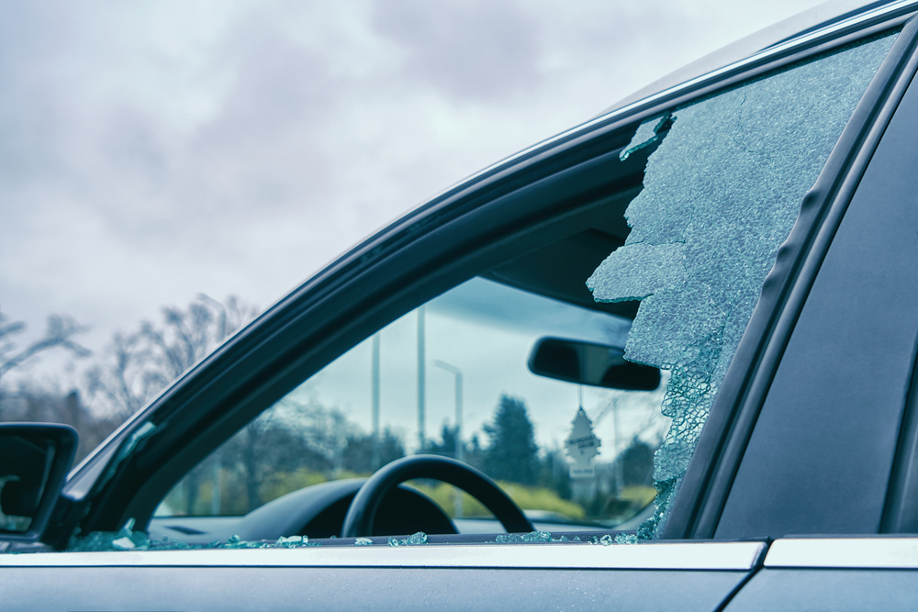 | The car exhibits significant damage to the driver's side window, which is shattered extensively. The glass is fragmented and broken, with large pieces missing, indicating a severe impact. | Prompt 1 (Run 1) | system You are a helpful assistant. user assistant The image shows the side of a vehicle where a significant portion of the passenger window has been shattered, leaving a large crack or gap in the glass. This kind of damage is typically caused by impacts such as flying debris, collisions with objects, or sometimes even by attempted forced entry. The steering wheel and dashboard area can be seen through the damaged section, indicating that the interior of the car is not unduly compromised but remains exposed to external elements. It's important for the car owner or responsible individual to report this incident to relevant authorities (like the police or insurance) and to address the issue promptly to ensure safety and prevent further damage or safety | 5.386 | 0.343 | 4.0217 | 0.1299 | 0.7533
 |  |  |  | Prompt 2 (Run 1) | system You are a helpful assistant. user Describe &&damage 12 sedan drive’ this !!image. assistant The image shows the rear driver's side window of a sedan car, which has been severely damaged. The glass appears shattered in several pieces, with large cracks and fragmented edges visible, suggesting a forceful impact or explosion occurred, causing the window to break completely. There is debris from the broken glass scattered on the windshield and hood of the car, indicating a substantial breach of the window's integrity. The overall condition of the vehicle's exterior in the image is notably compromised due to this damage. | 5.376 | 0.346 | 4.434 | 0.2535 | 0.8459
 |  |  |  | Prompt 3 (Run 1) | system You are a helpful assistant. user An image of a damaged car parked on the side of the road. assistant This image shows a car parked on the side of the road with significant damage to one of its windows. The glass appears to be shattered, likely from an impact or other incident. This type of damage often necessitates repair to prevent the vehicle from being unsafe for use. If this were your own vehicle, you would need to report the damage to the insurance company, so they can assess it and provide necessary services for repair or replacement. It’s important for safety reasons not to drive a car with such severe structural damage until it's deemed safe by a qualified technician. | 4.723 | 0.346 | 3.7175 | 0.169 | 0.7573
 |  |  |  | Prompt 4 (Run 1) | system You are a helpful assistant. user You are an insurance claims assessor. Provide a detailed description of the car’s condition. assistant The image depicts a vehicle with severe damage to its driver's-side rear window. The condition is characterized as follows: 1. **Damage to the Rear Window**: The glass has been shattered into numerous small fragments across the entire rear window, starting from the upper right corner and extending towards the center. These fragments indicate significant force applied, possibly from an impact by another object or external factor. 2. **Potential Cause**: The breakage appears to be sharp rather than smudged, suggesting that the breakage was caused by a sharp, pointy object impacting the glass rather than being the result of a slow, sustained force such as in the | 5.527 | 0.348 | 3.8874 | 0.2308 | 0.823
 |  |  |  | Prompt 5 (Run 1) | system You are a helpful assistant. user This <part_1> of the car has <damage_type_1>. The severity appears to be <severity_1>. Additional notes: <text_1>. assistant Based on the image provided, it appears that part of the car's side window has been shattered or significantly damaged, likely due to an impact with a sharp object. The severity of the damage seems moderate, as large pieces of glass are missing and the remaining portion of the windshield is broken into smaller shards. Additionally, the steering wheel and other internal components might need inspection as well, since a damaged side window can indicate an accident that also affected the interior. It would be advisable to contact a professional for a full assessment and necessary repairs before driving the vehicle again. | 5.252 | 0.351 | 3.7515 | 0.2368 | 0.8068
 |  |  |  | Prompt 6 (Run 1) | system You are a helpful assistant. user Describe using format - Damage Type: ___; Affected Part: ___; Severity: ___; Notes: ___ assistant Damage Type: Impact; Affected Part: Window; Severity: Moderate; Notes: The window has shattered into pieces, indicating significant damage from an external force or object, possibly due to a falling object or impact during travel. | 2.127 | 0.348 | 1.8014 | 0.2143 | 0.6071
unsloth/Qwen2.5-VL-7B-Instruct-bnb-4bit | 000889.jpg |  | The car exhibits significant damage to the driver's side window, which is shattered extensively. The glass is fragmented and broken, with large pieces missing, indicating a severe impact. | Prompt 1 (Run 2) | system You are a helpful assistant. user assistant The image shows the interior of a car with a partially shattered window on the passenger side. The shattering has occurred in a distinctive manner, creating jagged edges along the fracture. This type of damage can be indicative of an attempted theft or vandalism, where a tool (possibly a crowbar) was used to break through the glass. Here are some steps that could be taken if this occurs: 1. **Assess for Safety**: Check for any hazards inside the vehicle before proceeding. 2. **Contact the Police**: Report the incident to local law enforcement as soon as possible. 3. **Photograph the Damage**: Take pictures of the | 6.708 | 0.343 | 2.8647 | 0.1039 | 0.8167
 |  |  |  | Prompt 2 (Run 2) | system You are a helpful assistant. user Describe &&damage 12 sedan drive’ this !!image. assistant The image shows the rear driver's side window of a dark-colored sedan that has sustained significant damage. The window appears to be cracked and shattered in multiple pieces, particularly concentrated toward the upper portion of the window. The damage looks extensive, suggesting either a deliberate attack or a severe impact from an object or event. The car's interior, including the steering wheel and dashboard, is partially visible through the damaged window, indicating the extent of the breakage. The background of the image reveals a cloudy sky with some greenery and street elements, such as a light post and possibly some trees or bushes, which provide context about the car's outdoor environment | 5.282 | 0.346 | 4.375 | 0.2299 | 0.7809
 |  |  |  | Prompt 3 (Run 2) | system You are a helpful assistant. user An image of a damaged car parked on the side of the road. assistant The image shows a damaged car parked on the side of a road, with the front driver's window shattered into numerous fragments. There is also some damage visible near the door window, with some glass appearing to be missing or cracked in that area as well. Such a vehicle may need repair to ensure safety and functionality. If you were seeking advice or assistance regarding this situation: 1. **Contact Insurance**: Inform your insurance company about the damage as soon as possible. 2. **Police Report**: File a police report if the damage was caused by another vehicle. 3. **Professional Services**: Consider calling professional collision repair shops or tow companies. 4 | 6.563 | 0.346 | 3.7194 | 0.1558 | 0.7361
 |  |  |  | Prompt 4 (Run 2) | system You are a helpful assistant. user You are an insurance claims assessor. Provide a detailed description of the car’s condition. assistant The condition assessment for the car shown in the image involves evaluating both the exterior and interior visible features. ### Exterior Condition: 1. **Windshield:** The driver's side windshield appears to have significant damage. It looks cracked, with a large section missing, suggesting it may be partially shattered or blown out. This indicates potential structural damage as well. 2. **Windows (Other):** It seems there might also be damage to the rear window, but this is harder to confirm from the image. Cracked glass could be seen on the backseat area through the rear window reflection, though definitive proof requires closer inspection. 3. **Side Windows | 6.029 | 0.348 | 4.016 | 0.1867 | 0.7824
 |  |  |  | Prompt 5 (Run 2) | system You are a helpful assistant. user This <part_1> of the car has <damage_type_1>. The severity appears to be <severity_1>. Additional notes: <text_1>. assistant The image shows damage on the side window of a car, specifically a crack extending from the bottom left towards the top right. The crack appears extensive and jagged, which could indicate that it's not just a shallow chip but possibly more severe damage that could involve breaking off larger pieces of the window. The severity of the damage looks quite high as there is a significant area affected. Additional notes: The crack seems to be progressing across the window, potentially leading to complete failure if it continues. Safety concerns arise since the cracked area could break further during use or movement of the vehicle. | 5.199 | 0.351 | 4.0893 | 0.209 | 0.7562
 |  |  |  | Prompt 6 (Run 2) | system You are a helpful assistant. user Describe using format - Damage Type: ___; Affected Part: ___; Severity: ___; Notes: ___ assistant Damage Type: Shattered Window; Affected Part: Rear Passenger Side Window; Severity: Moderate; Notes: The window has multiple cracks and is no longer intact, allowing some loss of functionality. It may be necessary to replace the window completely to prevent further damage to other parts of the vehicle. | 2.854 | 0.348 | 2.1108 | 0.1111 | 0.7191
 |  |  |  |  |  | 4.8984 | 0.3525 | 4.6967 | 0.1424 | 0.661

