Prompt Evaluation
Model | Image Number | Image | Original Caption | Prompt | Output | Inference Time (s) | VRAM Used (GB) | CIDEr | SPICE | Cosine Similarity
unsloth/Qwen2-VL-7B-Instruct | 000404.jpg | 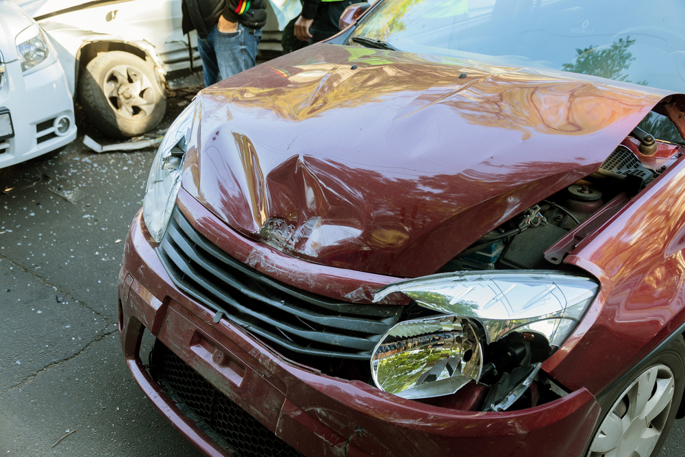 | The car exhibits significant damage. The front hood area shows a large dent with visible deformation and creasing. The headlight on the passenger's side is broken, with the lamp housing shattered and the bulb exposed. The front bumper also has a dent near the grille, and the grille itself appears to be slightly misaligned. The passenger side headlight is intact but the surrounding area has a dent. The tire on the driver's side appears to be flat. No scratches, cracks, or shattered glass are present. The overall condition of the car is severely compromised due to these damages. | Prompt 1 (Run 1) | system You are a helpful assistant. user assistant The image shows a car that has been involved in a collision. The front of the car is damaged, with the hood crumpled and the front bumper and headlights broken. There is also a visible dent on the side of the car. Another car is partially visible in the background, suggesting that the accident involved multiple vehicles. The scene appears to be on a street or parking area. | 5.152 | 0.343 | 2.4118 | 0.175 | 0.5515
 |  |  |  | Prompt 2 (Run 1) | system You are a helpful assistant. user Describe &&damage 12 sedan drive’ this !!image. assistant The image shows a red sedan that has sustained significant damage in a collision. The front of the car is severely crumpled, with the hood and front bumper visibly damaged. The front grille and headlights are also damaged, and the car's hood is raised, revealing the engine compartment. There is another vehicle partially visible in the background, which appears to have been involved in the accident as well. The scene suggests a serious collision that has caused substantial damage to the vehicles involved. | 6.384 | 0.346 | 2.137 | 0.1905 | 0.6325
 |  |  |  | Prompt 3 (Run 1) | system You are a helpful assistant. user An image of a damaged car parked on the side of the road. assistant The image shows a damaged car with its hood open, parked on the side of the road. The front of the car appears to have sustained significant damage, including a crumpled hood and a broken headlight. There is another car in the background that also seems to have been involved in the accident, with its front wheel and tire visibly damaged. The scene suggests a recent collision or accident. | 4.938 | 0.346 | 1.921 | 0.129 | 0.5711
 |  |  |  | Prompt 4 (Run 1) | system You are a helpful assistant. user You are an insurance claims assessor. Provide a detailed description of the car’s condition. assistant The car in the image appears to have sustained significant damage in a collision. Here are the details of the car's condition: 1. **Front End Damage**: - The front bumper is completely detached and hanging off the front of the car. - The hood is crumpled and pushed back, indicating a severe impact. - The front grille is damaged and bent out of shape. - The front headlights are shattered and the front bumper is completely detached. 2. **Left Side Damage**: - The left headlight is damaged and appears to be out of alignment. - The front fender on the left | 7.259 | 0.348 | 2.163 | 0.1875 | 0.7406
 |  |  |  | Prompt 5 (Run 1) | system You are a helpful assistant. user This <part_1> of the car has <damage_type_1>. The severity appears to be <severity_1>. Additional notes: <text_1>. assistant The <part_1> of the car is the <damage_type_1>. The severity appears to be <severity_1>. Additional notes: The car has sustained significant damage to the front, including a crumpled hood, broken headlights, and a damaged grille. | 3.881 | 0.351 | 2.1348 | 0.1316 | 0.5642
 |  |  |  | Prompt 6 (Run 1) | system You are a helpful assistant. user Describe using format - Damage Type: ___; Affected Part: ___; Severity: ___; Notes: ___ assistant Damage Type: Structural Damage; Affected Part: Hood; Severity: Moderate; Notes: The hood is significantly dented and deformed, indicating a severe impact. | 2.386 | 0.348 | 0.42 | 0 | 0.4953
unsloth/Qwen2-VL-7B-Instruct | 000404.jpg |  | The car exhibits significant damage. The front hood area shows a large dent with visible deformation and creasing. The headlight on the passenger's side is broken, with the lamp housing shattered and the bulb exposed. The front bumper also has a dent near the grille, and the grille itself appears to be slightly misaligned. The passenger side headlight is intact but the surrounding area has a dent. The tire on the driver's side appears to be flat. No scratches, cracks, or shattered glass are present. The overall condition of the car is severely compromised due to these damages. | Prompt 1 (Run 2) | system You are a helpful assistant. user assistant The image shows a car that has been involved in a collision. The front of the car is damaged, with the hood crumpled and the front bumper and headlights broken. There is also a visible dent on the side of the car. Another car is partially visible in the background, suggesting that the accident involved multiple vehicles. The scene appears to be on a street or parking area. | 4.965 | 0.343 | 2.4118 | 0.175 | 0.5515
 |  |  |  | Prompt 2 (Run 2) | system You are a helpful assistant. user Describe &&damage 12 sedan drive’ this !!image. assistant The image shows a red sedan that has sustained significant damage in a collision. The front of the car is severely crumpled, with the hood and front bumper visibly damaged. The front grille and headlights are also damaged, and the car's hood is raised, revealing the engine compartment. There is another vehicle partially visible in the background, which appears to have been involved in the accident as well. The scene suggests a serious collision that has caused substantial damage to the vehicles involved. | 6.368 | 0.346 | 2.137 | 0.1905 | 0.6325
 |  |  |  | Prompt 3 (Run 2) | system You are a helpful assistant. user An image of a damaged car parked on the side of the road. assistant The image shows a damaged car with its hood open, parked on the side of the road. The front of the car appears to have sustained significant damage, including a crumpled hood and a broken headlight. There is another car in the background that also seems to have been involved in the accident, with its front wheel and tire visibly damaged. The scene suggests a recent collision or accident. | 4.879 | 0.346 | 1.921 | 0.129 | 0.5711
 |  |  |  | Prompt 4 (Run 2) | system You are a helpful assistant. user You are an insurance claims assessor. Provide a detailed description of the car’s condition. assistant The car in the image appears to have sustained significant damage in a collision. Here are the details of the car's condition: 1. **Front End Damage**: - The front bumper is completely detached and hanging off the front of the car. - The hood is crumpled and pushed back, indicating a severe impact. - The front grille is damaged and bent out of shape. - The front headlights are shattered and the front bumper is completely detached. 2. **Left Side Damage**: - The left headlight is damaged and appears to be out of alignment. - The front fender on the left | 7.463 | 0.348 | 2.163 | 0.1875 | 0.7406
 |  |  |  | Prompt 5 (Run 2) | system You are a helpful assistant. user This <part_1> of the car has <damage_type_1>. The severity appears to be <severity_1>. Additional notes: <text_1>. assistant The <part_1> of the car is the <damage_type_1>. The severity appears to be <severity_1>. Additional notes: The car has sustained significant damage to the front, including a crumpled hood, broken headlights, and a damaged grille. | 3.739 | 0.351 | 2.1348 | 0.1316 | 0.5642
 |  |  |  | Prompt 6 (Run 2) | system You are a helpful assistant. user Describe using format - Damage Type: ___; Affected Part: ___; Severity: ___; Notes: ___ assistant Damage Type: Structural Damage; Affected Part: Hood; Severity: Moderate; Notes: The hood is significantly dented and deformed, indicating a severe impact. | 2.448 | 0.348 | 0.42 | 0 | 0.4953
unsloth/Qwen2-VL-7B-Instruct | 000422.jpg | 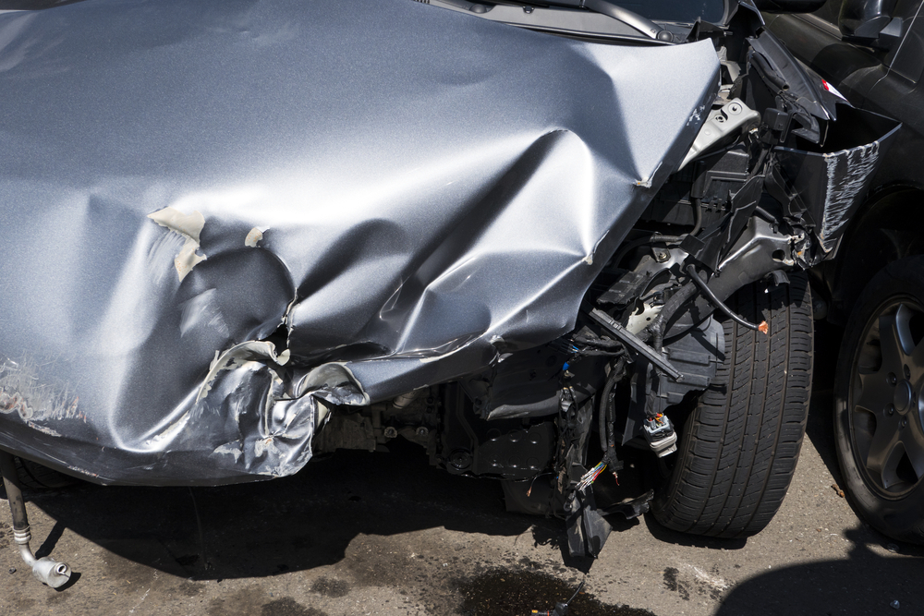 | The car exhibits significant damage to its front section. The front fender and door area show extensive dents and deformation, indicating a severe impact. The front bumper is detached and damaged, with visible internal components exposed. A scratch is present on the lower part of the fender. The front wheel well area is also compromised, with structural damage evident. | Prompt 1 (Run 1) | system You are a helpful assistant. user assistant The image shows a car that has been involved in a collision. The front end of the car is heavily damaged, with the hood crumpled and the front bumper and other components visibly damaged. The car is on a road, and there are visible signs of the accident, such as debris and possibly fluid leaks. This type of damage typically occurs in a head-on collision or a severe impact from another vehicle or object. | 5.672 | 0.343 | 1.6095 | 0.1892 | 0.6334
 |  |  |  | Prompt 2 (Run 1) | system You are a helpful assistant. user Describe &&damage 12 sedan drive’ this !!image. assistant The image shows a severely damaged sedan car. The front end of the car is crumpled and bent, indicating a significant impact. The hood is dented and folded, and the front bumper is completely detached and hanging off the front of the car. The front suspension and other mechanical components are exposed and appear to be damaged. The car is parked on a street, and there are visible signs of oil or fluid leaking from the vehicle. The overall condition of the car suggests it has been involved in a severe collision. | 6.871 | 0.346 | 2.0568 | 0.1205 | 0.656
 |  |  |  | Prompt 3 (Run 1) | system You are a helpful assistant. user An image of a damaged car parked on the side of the road. assistant The image shows a car that has been involved in a collision. The front end of the car is heavily damaged, with the hood crumpled and the front bumper and bodywork significantly bent and torn. The damage suggests that the car was involved in a severe impact, possibly with another vehicle or an object. The car is parked on the side of the road, and there are no visible signs of movement or other vehicles involved in the accident. | 5.918 | 0.346 | 1.5982 | 0.1579 | 0.5777
 |  |  |  | Prompt 4 (Run 1) | system You are a helpful assistant. user You are an insurance claims assessor. Provide a detailed description of the car’s condition. assistant The car in the image appears to have sustained significant damage in a collision. Here are the details of the car's condition: 1. **Front End Damage**: - The front bumper is completely detached and is hanging off the front of the car. - The hood is severely dented and crumpled, indicating a high-impact collision. - The front grille and headlights are likely damaged or missing. - The front fender is also crumpled and distorted, with the front wheel well area showing significant deformation. 2. **Body Damage**: - The side of the car shows extensive dents and cre | 8.504 | 0.348 | 2.4495 | 0.2947 | 0.7296
 |  |  |  | Prompt 5 (Run 1) | system You are a helpful assistant. user This <part_1> of the car has <damage_type_1>. The severity appears to be <severity_1>. Additional notes: <text_1>. assistant The image shows a car that has sustained significant damage. The hood and front end of the car are heavily crumpled, indicating a severe impact. The severity of the damage appears to be high, with the hood and front end of the car extensively bent and deformed. Additional notes include: - The car appears to have been involved in a collision, likely with another vehicle or object. - There are visible signs of mechanical damage, such as bent metal and exposed components. - The damage extends from the front bumper to the hood, suggesting a head-on collision or a severe impact from the front. - The car's front end is completely | 8.433 | 0.351 | 1.7616 | 0.1882 | 0.679
 |  |  |  | Prompt 6 (Run 1) | system You are a helpful assistant. user Describe using format - Damage Type: ___; Affected Part: ___; Severity: ___; Notes: ___ assistant Damage Type: Structural Damage; Affected Part: Front End; Severity: Moderate; Notes: The front end of the car shows significant deformation, indicating a severe impact. | 2.37 | 0.348 | 1.1849 | 0.1449 | 0.5422
unsloth/Qwen2-VL-7B-Instruct | 000422.jpg |  | The car exhibits significant damage to its front section. The front fender and door area show extensive dents and deformation, indicating a severe impact. The front bumper is detached and damaged, with visible internal components exposed. A scratch is present on the lower part of the fender. The front wheel well area is also compromised, with structural damage evident. | Prompt 1 (Run 2) | system You are a helpful assistant. user assistant The image shows a car that has been involved in a collision. The front end of the car is heavily damaged, with the hood crumpled and the front bumper and other components visibly damaged. The car is on a road, and there are visible signs of the accident, such as debris and possibly fluid leaks. This type of damage typically occurs in a head-on collision or a severe impact from another vehicle or object. | 5.668 | 0.343 | 1.6095 | 0.1892 | 0.6334
 |  |  |  | Prompt 2 (Run 2) | system You are a helpful assistant. user Describe &&damage 12 sedan drive’ this !!image. assistant The image shows a severely damaged sedan car. The front end of the car is crumpled and bent, indicating a significant impact. The hood is dented and folded, and the front bumper is completely detached and hanging off the front of the car. The front suspension and other mechanical components are exposed and appear to be damaged. The car is parked on a street, and there are visible signs of oil or fluid leaking from the vehicle. The overall condition of the car suggests it has been involved in a severe collision. | 7.006 | 0.346 | 2.0568 | 0.1205 | 0.656
 |  |  |  | Prompt 3 (Run 2) | system You are a helpful assistant. user An image of a damaged car parked on the side of the road. assistant The image shows a car that has been involved in a collision. The front end of the car is heavily damaged, with the hood crumpled and the front bumper and bodywork significantly bent and torn. The damage suggests that the car was involved in a severe impact, possibly with another vehicle or an object. The car is parked on the side of the road, and there are no visible signs of movement or other vehicles involved in the accident. | 6.02 | 0.346 | 1.5982 | 0.1579 | 0.5777
 |  |  |  | Prompt 4 (Run 2) | system You are a helpful assistant. user You are an insurance claims assessor. Provide a detailed description of the car’s condition. assistant The car in the image appears to have sustained significant damage in a collision. Here are the details of the car's condition: 1. **Front End Damage**: - The front bumper is completely detached and is hanging off the front of the car. - The hood is severely dented and crumpled, indicating a high-impact collision. - The front grille and headlights are likely damaged or missing. - The front fender is also crumpled and distorted, with the front wheel well area showing significant deformation. 2. **Body Damage**: - The side of the car shows extensive dents and cre | 8.44 | 0.348 | 2.4495 | 0.2947 | 0.7296
 |  |  |  | Prompt 5 (Run 2) | system You are a helpful assistant. user This <part_1> of the car has <damage_type_1>. The severity appears to be <severity_1>. Additional notes: <text_1>. assistant The image shows a car that has sustained significant damage. The hood and front end of the car are heavily crumpled, indicating a severe impact. The severity of the damage appears to be high, with the hood and front end of the car extensively bent and deformed. Additional notes include: - The car appears to have been involved in a collision, likely with another vehicle or object. - There are visible signs of mechanical damage, such as bent metal and exposed components. - The damage extends from the front bumper to the hood, suggesting a head-on collision or a severe impact from the front. - The car's front end is completely | 8.473 | 0.351 | 1.7616 | 0.1882 | 0.679
 |  |  |  | Prompt 6 (Run 2) | system You are a helpful assistant. user Describe using format - Damage Type: ___; Affected Part: ___; Severity: ___; Notes: ___ assistant Damage Type: Structural Damage; Affected Part: Front End; Severity: Moderate; Notes: The front end of the car shows significant deformation, indicating a severe impact. | 2.355 | 0.348 | 1.1849 | 0.1449 | 0.5422
unsloth/Qwen2-VL-7B-Instruct | 000433.jpg | 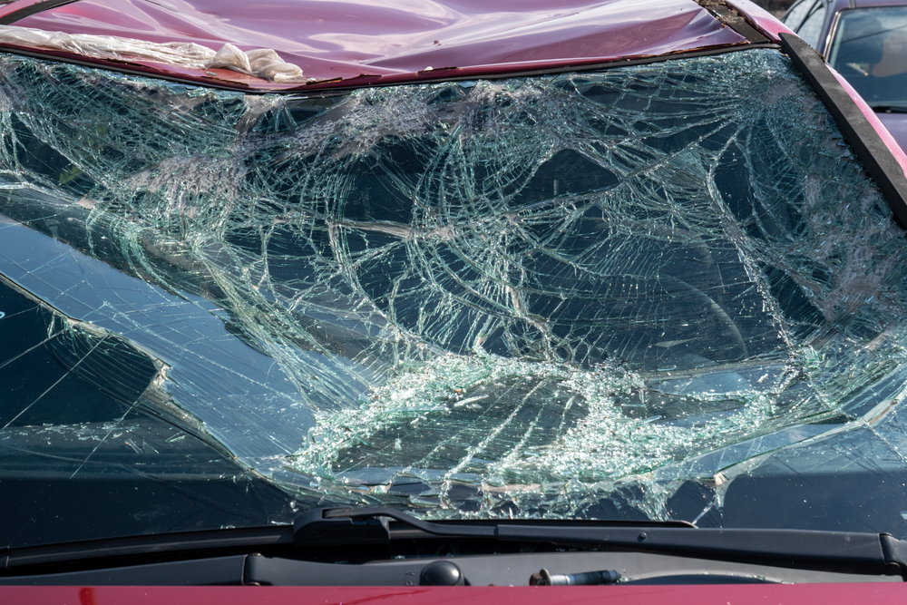 | The car exhibits significant damage to the windshield, which is extensively shattered. The roof also shows signs of damage, with a noticeable dent present. | Prompt 1 (Run 1) | system You are a helpful assistant. user assistant The image shows a severely damaged car windshield. The glass is shattered into numerous pieces, indicating a significant impact or accident. The windshield is cracked and fragmented, with pieces of glass scattered across the surface. The car's hood is also visible, and it appears to be in a similar state of damage. This type of damage typically occurs in high-speed collisions or severe accidents. | 5.103 | 0.343 | 1.1836 | 0.1132 | 0.7597
 |  |  |  | Prompt 2 (Run 1) | system You are a helpful assistant. user Describe &&damage 12 sedan drive’ this !!image. assistant The image shows a severely damaged car with a shattered windshield. The glass is broken into numerous pieces, and the front of the car appears to be significantly damaged. The hood of the car is also bent and damaged, indicating that the vehicle has been involved in a severe collision. The overall condition of the car suggests that it has sustained significant impact forces, likely from a high-speed accident. | 5.189 | 0.346 | 1.2861 | 0.0702 | 0.7381
 |  |  |  | Prompt 3 (Run 1) | system You are a helpful assistant. user An image of a damaged car parked on the side of the road. assistant The image shows a car with a severely damaged windshield. The windshield is shattered into numerous pieces, indicating that the car has been involved in a significant accident. The car is parked on the side of the road, and the damage is clearly visible. | 3.398 | 0.346 | 1.342 | 0.1463 | 0.5592
 |  |  |  | Prompt 4 (Run 1) | system You are a helpful assistant. user You are an insurance claims assessor. Provide a detailed description of the car’s condition. assistant The car in the image has sustained significant damage to its front windshield. The windshield is shattered into numerous pieces, with cracks and fragments extending across the entire surface. The damage appears to be extensive, indicating a severe impact. The hood of the car is also visible and shows signs of deformation, suggesting that the front end of the vehicle was involved in a collision. The overall condition of the car indicates that it has been involved in a serious accident. | 5.862 | 0.348 | 1.6458 | 0.1471 | 0.694
 |  |  |  | Prompt 5 (Run 1) | system You are a helpful assistant. user This <part_1> of the car has <damage_type_1>. The severity appears to be <severity_1>. Additional notes: <text_1>. assistant The <part_1> of the car is the windshield. The damage type is <damage_type_1>, which is a shattered windshield. The severity appears to be <severity_1>, indicating that the windshield is completely broken and likely unsafe to drive with. Additional notes: The windshield has multiple cracks and pieces of glass scattered across it, suggesting a severe impact. | 5.046 | 0.351 | 1.2437 | 0.08 | 0.7318
 |  |  |  | Prompt 6 (Run 1) | system You are a helpful assistant. user Describe using format - Damage Type: ___; Affected Part: ___; Severity: ___; Notes: ___ assistant Damage Type: Impact; Affected Part: Windshield; Severity: Severe; Notes: The windshield is completely shattered, with pieces of glass scattered across the front of the vehicle. | 2.43 | 0.348 | 0.5312 | 0.0889 | 0.603
unsloth/Qwen2-VL-7B-Instruct | 000433.jpg |  | The car exhibits significant damage to the windshield, which is extensively shattered. The roof also shows signs of damage, with a noticeable dent present. | Prompt 1 (Run 2) | system You are a helpful assistant. user assistant The image shows a severely damaged car windshield. The glass is shattered into numerous pieces, indicating a significant impact or accident. The windshield is cracked and fragmented, with pieces of glass scattered across the surface. The car's hood is also visible, and it appears to be in a similar state of damage. This type of damage typically occurs in high-speed collisions or severe accidents. | 4.993 | 0.343 | 1.1836 | 0.1132 | 0.7597
 |  |  |  | Prompt 2 (Run 2) | system You are a helpful assistant. user Describe &&damage 12 sedan drive’ this !!image. assistant The image shows a severely damaged car with a shattered windshield. The glass is broken into numerous pieces, and the front of the car appears to be significantly damaged. The hood of the car is also bent and damaged, indicating that the vehicle has been involved in a severe collision. The overall condition of the car suggests that it has sustained significant impact forces, likely from a high-speed accident. | 5.166 | 0.346 | 1.2861 | 0.0702 | 0.7381
 |  |  |  | Prompt 3 (Run 2) | system You are a helpful assistant. user An image of a damaged car parked on the side of the road. assistant The image shows a car with a severely damaged windshield. The windshield is shattered into numerous pieces, indicating that the car has been involved in a significant accident. The car is parked on the side of the road, and the damage is clearly visible. | 3.422 | 0.346 | 1.342 | 0.1463 | 0.5592
 |  |  |  | Prompt 4 (Run 2) | system You are a helpful assistant. user You are an insurance claims assessor. Provide a detailed description of the car’s condition. assistant The car in the image has sustained significant damage to its front windshield. The windshield is shattered into numerous pieces, with cracks and fragments extending across the entire surface. The damage appears to be extensive, indicating a severe impact. The hood of the car is also visible and shows signs of deformation, suggesting that the front end of the vehicle was involved in a collision. The overall condition of the car indicates that it has been involved in a serious accident. | 5.522 | 0.348 | 1.6458 | 0.1471 | 0.694
 |  |  |  | Prompt 5 (Run 2) | system You are a helpful assistant. user This <part_1> of the car has <damage_type_1>. The severity appears to be <severity_1>. Additional notes: <text_1>. assistant The <part_1> of the car is the windshield. The damage type is <damage_type_1>, which is a shattered windshield. The severity appears to be <severity_1>, indicating that the windshield is completely broken and likely unsafe to drive with. Additional notes: The windshield has multiple cracks and pieces of glass scattered across it, suggesting a severe impact. | 4.98 | 0.351 | 1.2437 | 0.08 | 0.7318
 |  |  |  | Prompt 6 (Run 2) | system You are a helpful assistant. user Describe using format - Damage Type: ___; Affected Part: ___; Severity: ___; Notes: ___ assistant Damage Type: Impact; Affected Part: Windshield; Severity: Severe; Notes: The windshield is completely shattered, with pieces of glass scattered across the front of the vehicle. | 2.196 | 0.348 | 0.5312 | 0.0889 | 0.603
unsloth/Qwen2-VL-7B-Instruct | 000481.jpg | 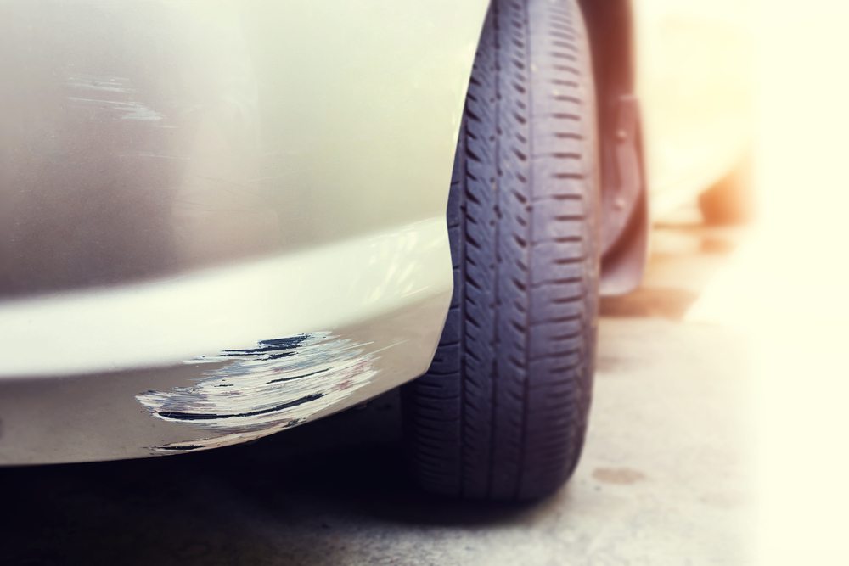 | The car exhibits visible damage including a scratch on the lower side panel near the front wheel, with moderate severity affecting the paint and surface. Additionally, a more extensive scratch is present on the lower front bumper, also near the front wheel, showing significant paint damage. | Prompt 1 (Run 1) | system You are a helpful assistant. user assistant 这张图片显示了一辆汽车的前部，车身上有明显的刮痕和油漆剥落。车轮和轮胎清晰可见，背景模糊，可能是在户外的停车场或街道上。 | 2.411 | 0.343 | 0.1797 | 0 | -0.0658
 |  |  |  | Prompt 2 (Run 1) | system You are a helpful assistant. user Describe &&damage 12 sedan drive’ this !!image. assistant The image shows a close-up of a car's front bumper area. There is visible damage to the paint on the bumper, with some of the paint chipped off, revealing the underlying material. The damage appears to be localized and does not seem to affect the structural integrity of the bumper. The tire is also visible, and it appears to be in good condition. The background is blurred, but it seems to be an outdoor setting, possibly a parking lot or a driveway. | 6.311 | 0.346 | 1.3614 | 0.137 | 0.7046
 |  |  |  | Prompt 3 (Run 1) | system You are a helpful assistant. user An image of a damaged car parked on the side of the road. assistant The image shows a close-up of a car's front bumper and tire. The bumper has visible damage, with some of the paint chipped off, revealing the underlying material. The tire appears to be in good condition. The background is blurred, but it seems to be an outdoor setting, possibly a parking lot or a roadside. | 4.468 | 0.346 | 1.1909 | 0.1791 | 0.5974
 |  |  |  | Prompt 4 (Run 1) | system You are a helpful assistant. user You are an insurance claims assessor. Provide a detailed description of the car’s condition. assistant The car in the image has sustained damage to its front bumper. The paint on the bumper is chipped and scratched, revealing the underlying material. The damage appears to be localized to the lower section of the bumper, where the paint has been scraped off, exposing the metal beneath. The tire and wheel are also visible, and there are no visible signs of damage to the tire or wheel itself. The overall condition of the car suggests that it has been involved in a minor collision or刮蹭事件. | 6.822 | 0.348 | 1.506 | 0.1538 | 0.6636
 |  |  |  | Prompt 5 (Run 1) | system You are a helpful assistant. user This <part_1> of the car has <damage_type_1>. The severity appears to be <severity_1>. Additional notes: <text_1>. assistant The <part_1> of the car is the bumper. The <damage_type_1> is a scratch. The severity appears to be minor. Additional notes: The scratch is located on the lower part of the bumper and does not appear to be deep or extensive. | 3.883 | 0.351 | 1.3445 | 0.1509 | 0.6266
 |  |  |  | Prompt 6 (Run 1) | system You are a helpful assistant. user Describe using format - Damage Type: ___; Affected Part: ___; Severity: ___; Notes: ___ assistant Damage Type: Scratch; Affected Part: Car Body; Severity: Minor; Notes: The scratch is shallow and does not penetrate the paint. | 2.158 | 0.348 | 0.4679 | 0.069 | 0.5323
unsloth/Qwen2-VL-7B-Instruct | 000481.jpg |  | The car exhibits visible damage including a scratch on the lower side panel near the front wheel, with moderate severity affecting the paint and surface. Additionally, a more extensive scratch is present on the lower front bumper, also near the front wheel, showing significant paint damage. | Prompt 1 (Run 2) | system You are a helpful assistant. user assistant 这张图片显示了一辆汽车的前部，车身上有明显的刮痕和油漆剥落。车轮和轮胎清晰可见，背景模糊，可能是在户外的停车场或街道上。 | 2.743 | 0.343 | 0.1797 | 0 | -0.0658
 |  |  |  | Prompt 2 (Run 2) | system You are a helpful assistant. user Describe &&damage 12 sedan drive’ this !!image. assistant The image shows a close-up of a car's front bumper area. There is visible damage to the paint on the bumper, with some of the paint chipped off, revealing the underlying material. The damage appears to be localized and does not seem to affect the structural integrity of the bumper. The tire is also visible, and it appears to be in good condition. The background is blurred, but it seems to be an outdoor setting, possibly a parking lot or a driveway. | 6.366 | 0.346 | 1.3614 | 0.137 | 0.7046
 |  |  |  | Prompt 3 (Run 2) | system You are a helpful assistant. user An image of a damaged car parked on the side of the road. assistant The image shows a close-up of a car's front bumper and tire. The bumper has visible damage, with some of the paint chipped off, revealing the underlying material. The tire appears to be in good condition. The background is blurred, but it seems to be an outdoor setting, possibly a parking lot or a roadside. | 4.533 | 0.346 | 1.1909 | 0.1791 | 0.5974
 |  |  |  | Prompt 4 (Run 2) | system You are a helpful assistant. user You are an insurance claims assessor. Provide a detailed description of the car’s condition. assistant The car in the image has sustained damage to its front bumper. The paint on the bumper is chipped and scratched, revealing the underlying material. The damage appears to be localized to the lower section of the bumper, where the paint has been scraped off, exposing the metal beneath. The tire and wheel are also visible, and there are no visible signs of damage to the tire or wheel itself. The overall condition of the car suggests that it has been involved in a minor collision or刮蹭事件. | 7.086 | 0.348 | 1.506 | 0.1538 | 0.6636
 |  |  |  | Prompt 5 (Run 2) | system You are a helpful assistant. user This <part_1> of the car has <damage_type_1>. The severity appears to be <severity_1>. Additional notes: <text_1>. assistant The <part_1> of the car is the bumper. The <damage_type_1> is a scratch. The severity appears to be minor. Additional notes: The scratch is located on the lower part of the bumper and does not appear to be deep or extensive. | 3.807 | 0.351 | 1.3445 | 0.1509 | 0.6266
 |  |  |  | Prompt 6 (Run 2) | system You are a helpful assistant. user Describe using format - Damage Type: ___; Affected Part: ___; Severity: ___; Notes: ___ assistant Damage Type: Scratch; Affected Part: Car Body; Severity: Minor; Notes: The scratch is shallow and does not penetrate the paint. | 2.16 | 0.348 | 0.4679 | 0.069 | 0.5323
unsloth/Qwen2-VL-7B-Instruct | 000520.jpg | 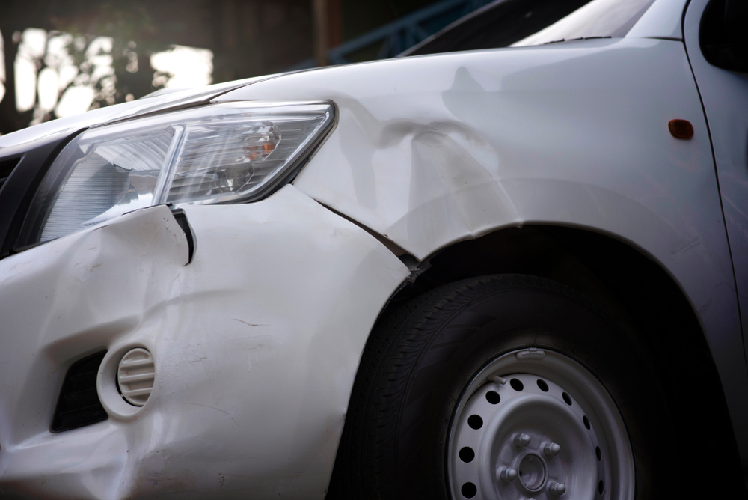 | The car exhibits multiple areas of damage. A significant dent is present on the front fender, extending from the headlight area towards the wheel well. A smaller dent is located near the front bumper, adjacent to the headlight. A scratch is visible on the lower part of the front bumper. | Prompt 1 (Run 1) | system You are a helpful assistant. user assistant The image shows a close-up of a damaged car. The front left side of the car has sustained significant damage, including a dented fender and a crumpled area near the headlight. The headlight is also damaged, and there are visible cracks and deformities on the car's surface. The tire and wheel are also visible, and the car appears to be stationary. | 5.235 | 0.343 | 1.2354 | 0.1967 | 0.7314
 |  |  |  | Prompt 2 (Run 1) | system You are a helpful assistant. user Describe &&damage 12 sedan drive’ this !!image. assistant The image shows a white sedan with significant damage to the front left side. The front bumper is visibly crumpled and dented, indicating a collision. The headlight on the affected side is also damaged, with the glass and lens likely shattered. The fender and hood appear to be pushed inwards, and there are visible scratches and scuffs on the paint. The overall condition suggests that the car has been involved in a minor to moderate collision. | 6.069 | 0.346 | 1.3525 | 0.2029 | 0.7027
 |  |  |  | Prompt 3 (Run 1) | system You are a helpful assistant. user An image of a damaged car parked on the side of the road. assistant The image shows a damaged car parked on the side of the road. The front left side of the car has sustained significant damage, including a凹陷的保险杠和前灯受损。车头部分有明显的变形和刮痕，表明可能发生了碰撞事故。 | 3.948 | 0.346 | 1.5135 | 0.0741 | 0.2845
 |  |  |  | Prompt 4 (Run 1) | system You are a helpful assistant. user You are an insurance claims assessor. Provide a detailed description of the car’s condition. assistant The car in the image appears to have sustained significant damage to the front left side. The following details can be observed: 1. **Front Bumper**: The front bumper is heavily dented and deformed, indicating a severe impact. The paint on the bumper is likely chipped or removed in some areas. 2. **Headlight**: The headlight on the front left side is damaged. The glass is likely shattered, and the housing may be cracked or broken. 3. **Fender**: The fender on the front left side is also heavily damaged. The metal is bent and dented, and the paint is likely chipped | 8.493 | 0.348 | 1.8993 | 0.2154 | 0.658
 |  |  |  | Prompt 5 (Run 1) | system You are a helpful assistant. user This <part_1> of the car has <damage_type_1>. The severity appears to be <severity_1>. Additional notes: <text_1>. assistant The <part_1> of the car is the front bumper. The damage type appears to be a dent or a crease, which is likely caused by a collision. The severity of the damage seems to be moderate, as the dent is noticeable but not completely collapsed. Additional notes include that the damage is localized to the front bumper area and there are no signs of major structural damage to the car. | 5.333 | 0.351 | 1.9017 | 0.1935 | 0.6778
 |  |  |  | Prompt 6 (Run 1) | system You are a helpful assistant. user Describe using format - Damage Type: ___; Affected Part: ___; Severity: ___; Notes: ___ assistant Damage Type: Structural Damage; Affected Part: Front Bumper; Severity: Moderate; Notes: The front bumper of the vehicle is visibly damaged, with dents and cracks indicating significant impact force. | 2.816 | 0.348 | 0.5232 | 0.1754 | 0.5296
unsloth/Qwen2-VL-7B-Instruct | 000520.jpg |  | The car exhibits multiple areas of damage. A significant dent is present on the front fender, extending from the headlight area towards the wheel well. A smaller dent is located near the front bumper, adjacent to the headlight. A scratch is visible on the lower part of the front bumper. | Prompt 1 (Run 2) | system You are a helpful assistant. user assistant The image shows a close-up of a damaged car. The front left side of the car has sustained significant damage, including a dented fender and a crumpled area near the headlight. The headlight is also damaged, and there are visible cracks and deformities on the car's surface. The tire and wheel are also visible, and the car appears to be stationary. | 5.193 | 0.343 | 1.2354 | 0.1967 | 0.7314
 |  |  |  | Prompt 2 (Run 2) | system You are a helpful assistant. user Describe &&damage 12 sedan drive’ this !!image. assistant The image shows a white sedan with significant damage to the front left side. The front bumper is visibly crumpled and dented, indicating a collision. The headlight on the affected side is also damaged, with the glass and lens likely shattered. The fender and hood appear to be pushed inwards, and there are visible scratches and scuffs on the paint. The overall condition suggests that the car has been involved in a minor to moderate collision. | 6.098 | 0.346 | 1.3525 | 0.2029 | 0.7027
 |  |  |  | Prompt 3 (Run 2) | system You are a helpful assistant. user An image of a damaged car parked on the side of the road. assistant The image shows a damaged car parked on the side of the road. The front left side of the car has sustained significant damage, including a凹陷的保险杠和前灯受损。车头部分有明显的变形和刮痕，表明可能发生了碰撞事故。 | 3.91 | 0.346 | 1.5135 | 0.0741 | 0.2845
 |  |  |  | Prompt 4 (Run 2) | system You are a helpful assistant. user You are an insurance claims assessor. Provide a detailed description of the car’s condition. assistant The car in the image appears to have sustained significant damage to the front left side. The following details can be observed: 1. **Front Bumper**: The front bumper is heavily dented and deformed, indicating a severe impact. The paint on the bumper is likely chipped or removed in some areas. 2. **Headlight**: The headlight on the front left side is damaged. The glass is likely shattered, and the housing may be cracked or broken. 3. **Fender**: The fender on the front left side is also heavily damaged. The metal is bent and dented, and the paint is likely chipped | 8.571 | 0.348 | 1.8993 | 0.2154 | 0.658
 |  |  |  | Prompt 5 (Run 2) | system You are a helpful assistant. user This <part_1> of the car has <damage_type_1>. The severity appears to be <severity_1>. Additional notes: <text_1>. assistant The <part_1> of the car is the front bumper. The damage type appears to be a dent or a crease, which is likely caused by a collision. The severity of the damage seems to be moderate, as the dent is noticeable but not completely collapsed. Additional notes include that the damage is localized to the front bumper area and there are no signs of major structural damage to the car. | 5.423 | 0.351 | 1.9017 | 0.1935 | 0.6778
 |  |  |  | Prompt 6 (Run 2) | system You are a helpful assistant. user Describe using format - Damage Type: ___; Affected Part: ___; Severity: ___; Notes: ___ assistant Damage Type: Structural Damage; Affected Part: Front Bumper; Severity: Moderate; Notes: The front bumper of the vehicle is visibly damaged, with dents and cracks indicating significant impact force. | 2.902 | 0.348 | 0.5232 | 0.1754 | 0.5296
unsloth/Qwen2-VL-7B-Instruct | 000541.jpg | 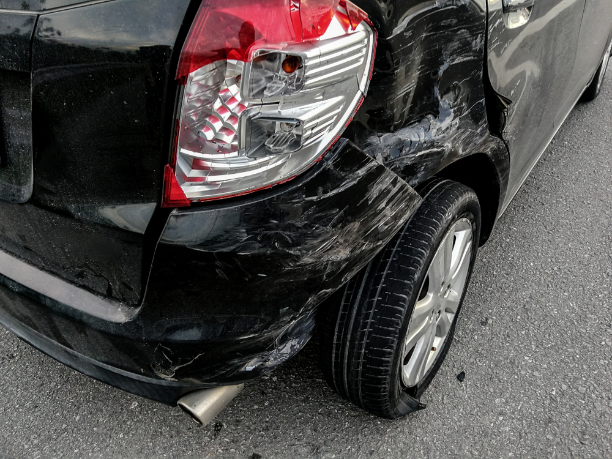 | The car exhibits significant damage. The rear bumper shows multiple scratches along its lower edge, indicating surface-level abrasions. The rear fender also displays a dent, suggesting a moderate impact that has deformed the panel. The damage to the taillight and fender is severe, affecting both the aesthetics and structural integrity of the vehicle. | Prompt 1 (Run 1) | system You are a helpful assistant. user assistant The image shows a black car that appears to have been involved in an accident. The rear bumper is damaged, and the tire on the affected side is瘪了 (flattened). The car's rear light is also damaged, with the glass broken and the reflector bent. The overall condition of the car suggests significant damage, likely from a collision. | 4.927 | 0.371 | 1.7677 | 0.1515 | 0.6013
 |  |  |  | Prompt 2 (Run 1) | system You are a helpful assistant. user Describe &&damage 12 sedan drive’ this !!image. assistant The image shows a black sedan with significant damage to the rear end. The rear bumper is completely detached and hanging down, exposing the exhaust pipe. The rear fender and part of the body are also damaged, with dents and cracks visible. The tire on the affected side appears to be flat or damaged. The overall condition of the car suggests it has been involved in a severe rear-end collision. | 4.536 | 0.372 | 2.0563 | 0.2025 | 0.6281
 |  |  |  | Prompt 3 (Run 1) | system You are a helpful assistant. user An image of a damaged car parked on the side of the road. assistant The image shows a black car that appears to have been involved in an accident. The rear bumper and the rear wheel area are damaged, with the bumper visibly crumpled and the tire damaged. The car is parked on the side of the road, and the damage is evident on the rear end of the vehicle. | 3.458 | 0.373 | 1.8941 | 0.1515 | 0.4846
 |  |  |  | Prompt 4 (Run 1) | system You are a helpful assistant. user You are an insurance claims assessor. Provide a detailed description of the car’s condition. assistant The car in the image appears to have sustained significant damage. Here is a detailed description of the car's condition: 1. **Rear Bumper**: The rear bumper is heavily damaged, with significant deformation and dents. The bumper is likely to be replaced or repaired extensively. 2. **Tail Light**: The tail light on the right side of the car is damaged, with the lens possibly shattered or cracked. The tail light assembly may need to be replaced. 3. **Rear Bumper Cover**: The rear bumper cover is also damaged, with significant deformation and dents. The cover may need to be replaced or repaired. 4 | 6.795 | 0.374 | 1.7013 | 0.1538 | 0.6692
 |  |  |  | Prompt 5 (Run 1) | system You are a helpful assistant. user This <part_1> of the car has <damage_type_1>. The severity appears to be <severity_1>. Additional notes: <text_1>. assistant The <part_1> of the car is the rear bumper. The damage type appears to be <damage_type_1>, which is a dent or crease. The severity of the damage seems to be <severity_1>, indicating that it is a moderate amount of damage. Additional notes include that the rear bumper is visibly damaged and there is a noticeable dent on the rear fender. | 5.419 | 0.381 | 1.6902 | 0.209 | 0.7031
 |  |  |  | Prompt 6 (Run 1) | system You are a helpful assistant. user Describe using format - Damage Type: ___; Affected Part: ___; Severity: ___; Notes: ___ assistant Damage Type: Impact; Affected Part: Rear bumper, rear wheel; Severity: Moderate; Notes: The rear bumper is dented and the rear wheel is damaged, indicating a collision. | 2.83 | 0.375 | 0.941 | 0.0635 | 0.5261
unsloth/Qwen2-VL-7B-Instruct | 000541.jpg |  | The car exhibits significant damage. The rear bumper shows multiple scratches along its lower edge, indicating surface-level abrasions. The rear fender also displays a dent, suggesting a moderate impact that has deformed the panel. The damage to the taillight and fender is severe, affecting both the aesthetics and structural integrity of the vehicle. | Prompt 1 (Run 2) | system You are a helpful assistant. user assistant The image shows a black car that appears to have been involved in an accident. The rear bumper is damaged, and the tire on the affected side is瘪了 (flattened). The car's rear light is also damaged, with the glass broken and the reflector bent. The overall condition of the car suggests significant damage, likely from a collision. | 4.645 | 0.371 | 1.7677 | 0.1515 | 0.6013
 |  |  |  | Prompt 2 (Run 2) | system You are a helpful assistant. user Describe &&damage 12 sedan drive’ this !!image. assistant The image shows a black sedan with significant damage to the rear end. The rear bumper is completely detached and hanging down, exposing the exhaust pipe. The rear fender and part of the body are also damaged, with dents and cracks visible. The tire on the affected side appears to be flat or damaged. The overall condition of the car suggests it has been involved in a severe rear-end collision. | 4.319 | 0.372 | 2.0563 | 0.2025 | 0.6281
 |  |  |  | Prompt 3 (Run 2) | system You are a helpful assistant. user An image of a damaged car parked on the side of the road. assistant The image shows a black car that appears to have been involved in an accident. The rear bumper and the rear wheel area are damaged, with the bumper visibly crumpled and the tire damaged. The car is parked on the side of the road, and the damage is evident on the rear end of the vehicle. | 3.552 | 0.373 | 1.8941 | 0.1515 | 0.4846
 |  |  |  | Prompt 4 (Run 2) | system You are a helpful assistant. user You are an insurance claims assessor. Provide a detailed description of the car’s condition. assistant The car in the image appears to have sustained significant damage. Here is a detailed description of the car's condition: 1. **Rear Bumper**: The rear bumper is heavily damaged, with significant deformation and dents. The bumper is likely to be replaced or repaired extensively. 2. **Tail Light**: The tail light on the right side of the car is damaged, with the lens possibly shattered or cracked. The tail light assembly may need to be replaced. 3. **Rear Bumper Cover**: The rear bumper cover is also damaged, with significant deformation and dents. The cover may need to be replaced or repaired. 4 | 8.659 | 0.374 | 1.7013 | 0.1538 | 0.6692
 |  |  |  | Prompt 5 (Run 2) | system You are a helpful assistant. user This <part_1> of the car has <damage_type_1>. The severity appears to be <severity_1>. Additional notes: <text_1>. assistant The <part_1> of the car is the rear bumper. The damage type appears to be <damage_type_1>, which is a dent or crease. The severity of the damage seems to be <severity_1>, indicating that it is a moderate amount of damage. Additional notes include that the rear bumper is visibly damaged and there is a noticeable dent on the rear fender. | 5.489 | 0.381 | 1.6902 | 0.209 | 0.7031
 |  |  |  | Prompt 6 (Run 2) | system You are a helpful assistant. user Describe using format - Damage Type: ___; Affected Part: ___; Severity: ___; Notes: ___ assistant Damage Type: Impact; Affected Part: Rear bumper, rear wheel; Severity: Moderate; Notes: The rear bumper is dented and the rear wheel is damaged, indicating a collision. | 2.707 | 0.375 | 0.941 | 0.0635 | 0.5261
unsloth/Qwen2-VL-7B-Instruct | 000698.jpg | 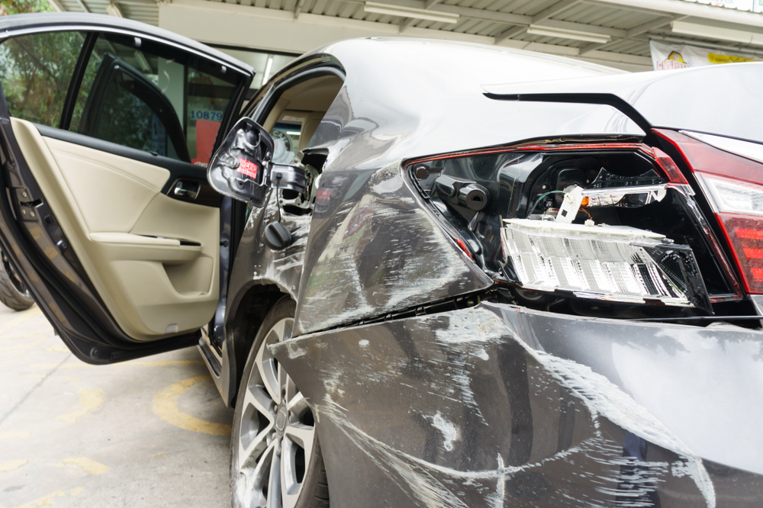 | The car exhibits significant damage. The front right headlight is broken, exposing internal components. A dent is present on the front right fender, with visible deformation. Multiple scratches are scattered across the front left fender and the front bumper, varying in length and depth. A crack is located on the front right fender, near the headlight. | Prompt 1 (Run 1) | system You are a helpful assistant. user assistant The image shows a car that appears to have been involved in a collision. The rear end of the car is damaged, with the rear bumper and taillights visibly broken and displaced. The car's door is open, and the interior is visible, showing that the car is stationary. The damage suggests that the car may require repair or replacement of the rear bumper and taillights. | 4.23 | 0.343 | 1.1674 | 0.1017 | 0.6196
 |  |  |  | Prompt 2 (Run 1) | system You are a helpful assistant. user Describe &&damage 12 sedan drive’ this !!image. assistant The image shows a sedan car that appears to have been involved in a collision. The damage includes: 1. **Front Bumper**: The front bumper is visibly damaged and crumpled, indicating a significant impact. 2. **Front Left Door**: The front left door is open and appears to be dented and damaged. 3. **Front Left Headlight**: The front left headlight is shattered and missing, with the housing and wiring exposed. 4. **Front Left Side Panel**: The front left side panel of the car is dented and crumpled, with visible damage to the paint. 5. **Front Left Wheel**: | 8.039 | 0.346 | 1.3754 | 0.1449 | 0.6891
 |  |  |  | Prompt 3 (Run 1) | system You are a helpful assistant. user An image of a damaged car parked on the side of the road. assistant The image shows a car that appears to have been involved in an accident. The car has sustained significant damage, particularly to the rear end, where the bumper and taillights are visibly broken and damaged. The rear door is open, and the interior of the car is visible. The car is parked on the side of the road, and there is a gas station in the background. | 4.246 | 0.346 | 1.446 | 0.1231 | 0.4768
 |  |  |  | Prompt 4 (Run 1) | system You are a helpful assistant. user You are an insurance claims assessor. Provide a detailed description of the car’s condition. assistant The car in the image appears to have sustained significant damage. Here are the details of the car's condition: 1. **Front Left Side:** - The front left fender and bumper are heavily damaged, with significant dents and deformations. - The front left headlight is shattered and missing, exposing the internal components. - The front left door is also damaged, with the door panel and window frame appearing to be bent and misaligned. 2. **Front Right Side:** - The front right fender and bumper are also damaged, with similar deformations and dents. - The front right head | 8.316 | 0.348 | 2.0443 | 0.3117 | 0.7138
 |  |  |  | Prompt 5 (Run 1) | system You are a helpful assistant. user This <part_1> of the car has <damage_type_1>. The severity appears to be <severity_1>. Additional notes: <text_1>. assistant The <part_1> of the car is the rear bumper. The damage type is <damage_type_1>, which appears to be a significant dent and possible structural damage. The severity seems to be <severity_1>, indicating that the car has sustained substantial damage. Additional notes include that the rear bumper is completely damaged and the car door is slightly bent. | 4.983 | 0.351 | 1.1348 | 0.1563 | 0.5379
 |  |  |  | Prompt 6 (Run 1) | system You are a helpful assistant. user Describe using format - Damage Type: ___; Affected Part: ___; Severity: ___; Notes: ___ assistant Damage Type: Collision; Affected Part: Rear bumper, rear lights, and door; Severity: Moderate; Notes: The car has sustained significant damage to the rear end, including broken rear lights and a dented bumper. The door is also damaged, indicating a forceful impact. | 3.675 | 0.348 | 0.5024 | 0.1493 | 0.5202
unsloth/Qwen2-VL-7B-Instruct | 000698.jpg |  | The car exhibits significant damage. The front right headlight is broken, exposing internal components. A dent is present on the front right fender, with visible deformation. Multiple scratches are scattered across the front left fender and the front bumper, varying in length and depth. A crack is located on the front right fender, near the headlight. | Prompt 1 (Run 2) | system You are a helpful assistant. user assistant The image shows a car that appears to have been involved in a collision. The rear end of the car is damaged, with the rear bumper and taillights visibly broken and displaced. The car's door is open, and the interior is visible, showing that the car is stationary. The damage suggests that the car may require repair or replacement of the rear bumper and taillights. | 4.593 | 0.343 | 1.1674 | 0.1017 | 0.6196
 |  |  |  | Prompt 2 (Run 2) | system You are a helpful assistant. user Describe &&damage 12 sedan drive’ this !!image. assistant The image shows a sedan car that appears to have been involved in a collision. The damage includes: 1. **Front Bumper**: The front bumper is visibly damaged and crumpled, indicating a significant impact. 2. **Front Left Door**: The front left door is open and appears to be dented and damaged. 3. **Front Left Headlight**: The front left headlight is shattered and missing, with the housing and wiring exposed. 4. **Front Left Side Panel**: The front left side panel of the car is dented and crumpled, with visible damage to the paint. 5. **Front Left Wheel**: | 8.078 | 0.346 | 1.3754 | 0.1449 | 0.6891
 |  |  |  | Prompt 3 (Run 2) | system You are a helpful assistant. user An image of a damaged car parked on the side of the road. assistant The image shows a car that appears to have been involved in an accident. The car has sustained significant damage, particularly to the rear end, where the bumper and taillights are visibly broken and damaged. The rear door is open, and the interior of the car is visible. The car is parked on the side of the road, and there is a gas station in the background. | 5.234 | 0.346 | 1.446 | 0.1231 | 0.4768
 |  |  |  | Prompt 4 (Run 2) | system You are a helpful assistant. user You are an insurance claims assessor. Provide a detailed description of the car’s condition. assistant The car in the image appears to have sustained significant damage. Here are the details of the car's condition: 1. **Front Left Side:** - The front left fender and bumper are heavily damaged, with significant dents and deformations. - The front left headlight is shattered and missing, exposing the internal components. - The front left door is also damaged, with the door panel and window frame appearing to be bent and misaligned. 2. **Front Right Side:** - The front right fender and bumper are also damaged, with similar deformations and dents. - The front right head | 8.497 | 0.348 | 2.0443 | 0.3117 | 0.7138
 |  |  |  | Prompt 5 (Run 2) | system You are a helpful assistant. user This <part_1> of the car has <damage_type_1>. The severity appears to be <severity_1>. Additional notes: <text_1>. assistant The <part_1> of the car is the rear bumper. The damage type is <damage_type_1>, which appears to be a significant dent and possible structural damage. The severity seems to be <severity_1>, indicating that the car has sustained substantial damage. Additional notes include that the rear bumper is completely damaged and the car door is slightly bent. | 4.907 | 0.351 | 1.1348 | 0.1563 | 0.5379
 |  |  |  | Prompt 6 (Run 2) | system You are a helpful assistant. user Describe using format - Damage Type: ___; Affected Part: ___; Severity: ___; Notes: ___ assistant Damage Type: Collision; Affected Part: Rear bumper, rear lights, and door; Severity: Moderate; Notes: The car has sustained significant damage to the rear end, including broken rear lights and a dented bumper. The door is also damaged, indicating a forceful impact. | 3.897 | 0.348 | 0.5024 | 0.1493 | 0.5202
unsloth/Qwen2-VL-7B-Instruct | 000740.jpg | 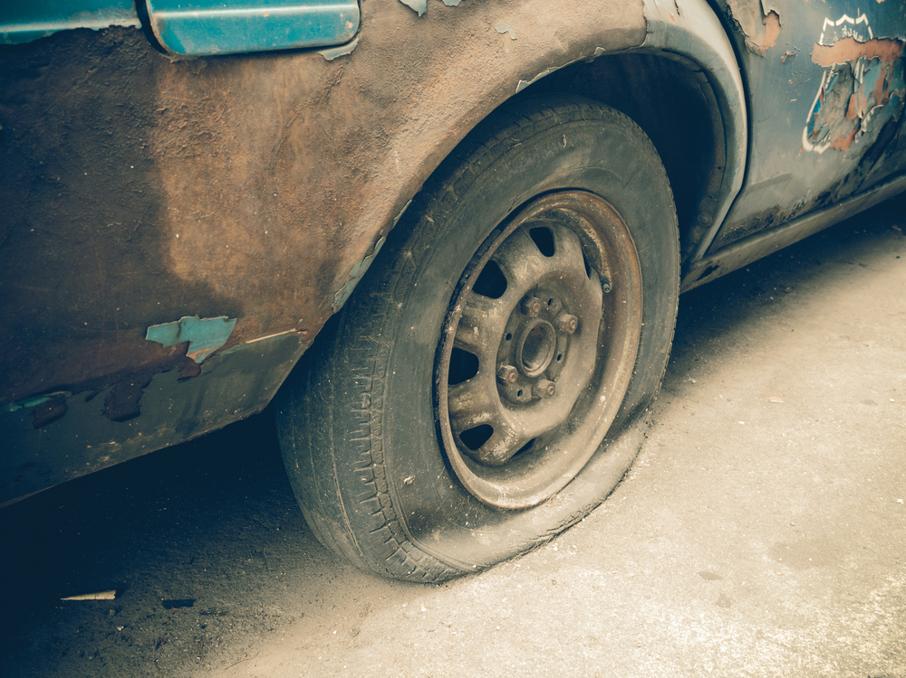 | The car exhibits significant wear and tear. The tire is flat, indicating a loss of air pressure and rendering it unusable. The bodywork around the wheel well shows extensive paint chipping and rust, suggesting prolonged exposure to the elements and lack of maintenance. The wheel itself appears to be in a worn condition, with visible dirt and grime. The overall condition of the car is poor, with clear signs of neglect and deterioration. | Prompt 1 (Run 1) | system You are a helpful assistant. user assistant The image shows a close-up of a car tire on a vehicle that appears to be in a state of disrepair. The tire is mounted on a metal wheel with a five-lug pattern. The car's body is heavily rusted and has peeling paint, indicating it has been exposed to the elements for a long time. The overall condition suggests the vehicle has been abandoned or is no longer in use. | 4.922 | 0.371 | 1.8876 | 0.1892 | 0.6712
 |  |  |  | Prompt 2 (Run 1) | system You are a helpful assistant. user Describe &&damage 12 sedan drive’ this !!image. assistant The image shows a close-up of a car's rear wheel and part of the body. The car appears to be in a state of disrepair. Here are the specific damages observed: 1. **Paint Peeling and Chipping**: The paint on the car's body is peeling and chipping off, particularly noticeable on the rear fender and the rear wheel area. This indicates significant wear and exposure to the elements over time. 2. **Rust**: There is visible rust on the rear fender and the wheel area, suggesting that the car has been exposed to moisture and has not been maintained properly. 3. **Tire | 6.904 | 0.372 | 2.1702 | 0.186 | 0.6751
 |  |  |  | Prompt 3 (Run 1) | system You are a helpful assistant. user An image of a damaged car parked on the side of the road. assistant The image shows a close-up of a damaged car parked on the side of the road. The car appears to be old and has significant rust and peeling paint. The tire is flat, and the car's body shows signs of wear and tear. The overall condition of the car suggests it has been abandoned or is in a state of disrepair. | 4.364 | 0.373 | 2.6539 | 0.2025 | 0.5493
 |  |  |  | Prompt 4 (Run 1) | system You are a helpful assistant. user You are an insurance claims assessor. Provide a detailed description of the car’s condition. assistant The car in the image appears to be in a very poor condition. The paint is chipped and peeling off in various areas, particularly around the wheel well and the rear fender. The body of the car is heavily rusted, with rust patches visible on the metal surfaces. The tire is flat, indicating that it may have been damaged or has been out of use for a long time. The overall appearance suggests that the car has been neglected and is in need of significant repair work. | 6.44 | 0.374 | 2.548 | 0.1628 | 0.6287
 |  |  |  | Prompt 5 (Run 1) | system You are a helpful assistant. user This <part_1> of the car has <damage_type_1>. The severity appears to be <severity_1>. Additional notes: <text_1>. assistant The part of the car shown in the image is the rear fender. The damage type appears to be rust and paint peeling off, with the severity being moderate. Additional notes include the presence of dirt and grime on the surface, indicating that the car has been exposed to the elements for a significant amount of time. | 3.621 | 0.381 | 1.9656 | 0.1 | 0.4954
 |  |  |  | Prompt 6 (Run 1) | system You are a helpful assistant. user Describe using format - Damage Type: ___; Affected Part: ___; Severity: ___; Notes: ___ assistant Damage Type: Flat tire; Affected Part: Front left tire; Severity: Moderate; Notes: The tire is deflated and appears to be damaged, possibly due to a puncture or other mechanical issue. | 2.844 | 0.375 | 0.7992 | 0.0556 | 0.4747
unsloth/Qwen2-VL-7B-Instruct | 000740.jpg |  | The car exhibits significant wear and tear. The tire is flat, indicating a loss of air pressure and rendering it unusable. The bodywork around the wheel well shows extensive paint chipping and rust, suggesting prolonged exposure to the elements and lack of maintenance. The wheel itself appears to be in a worn condition, with visible dirt and grime. The overall condition of the car is poor, with clear signs of neglect and deterioration. | Prompt 1 (Run 2) | system You are a helpful assistant. user assistant The image shows a close-up of a car tire on a vehicle that appears to be in a state of disrepair. The tire is mounted on a metal wheel with a five-lug pattern. The car's body is heavily rusted and has peeling paint, indicating it has been exposed to the elements for a long time. The overall condition suggests the vehicle has been abandoned or is no longer in use. | 5.386 | 0.371 | 1.8876 | 0.1892 | 0.6712
 |  |  |  | Prompt 2 (Run 2) | system You are a helpful assistant. user Describe &&damage 12 sedan drive’ this !!image. assistant The image shows a close-up of a car's rear wheel and part of the body. The car appears to be in a state of disrepair. Here are the specific damages observed: 1. **Paint Peeling and Chipping**: The paint on the car's body is peeling and chipping off, particularly noticeable on the rear fender and the rear wheel area. This indicates significant wear and exposure to the elements over time. 2. **Rust**: There is visible rust on the rear fender and the wheel area, suggesting that the car has been exposed to moisture and has not been maintained properly. 3. **Tire | 6.955 | 0.372 | 2.1702 | 0.186 | 0.6751
 |  |  |  | Prompt 3 (Run 2) | system You are a helpful assistant. user An image of a damaged car parked on the side of the road. assistant The image shows a close-up of a damaged car parked on the side of the road. The car appears to be old and has significant rust and peeling paint. The tire is flat, and the car's body shows signs of wear and tear. The overall condition of the car suggests it has been abandoned or is in a state of disrepair. | 4.637 | 0.373 | 2.6539 | 0.2025 | 0.5493
 |  |  |  | Prompt 4 (Run 2) | system You are a helpful assistant. user You are an insurance claims assessor. Provide a detailed description of the car’s condition. assistant The car in the image appears to be in a very poor condition. The paint is chipped and peeling off in various areas, particularly around the wheel well and the rear fender. The body of the car is heavily rusted, with rust patches visible on the metal surfaces. The tire is flat, indicating that it may have been damaged or has been out of use for a long time. The overall appearance suggests that the car has been neglected and is in need of significant repair work. | 5.36 | 0.374 | 2.548 | 0.1628 | 0.6287
 |  |  |  | Prompt 5 (Run 2) | system You are a helpful assistant. user This <part_1> of the car has <damage_type_1>. The severity appears to be <severity_1>. Additional notes: <text_1>. assistant The part of the car shown in the image is the rear fender. The damage type appears to be rust and paint peeling off, with the severity being moderate. Additional notes include the presence of dirt and grime on the surface, indicating that the car has been exposed to the elements for a significant amount of time. | 3.689 | 0.381 | 1.9656 | 0.1 | 0.4954
 |  |  |  | Prompt 6 (Run 2) | system You are a helpful assistant. user Describe using format - Damage Type: ___; Affected Part: ___; Severity: ___; Notes: ___ assistant Damage Type: Flat tire; Affected Part: Front left tire; Severity: Moderate; Notes: The tire is deflated and appears to be damaged, possibly due to a puncture or other mechanical issue. | 2.909 | 0.375 | 0.7992 | 0.0556 | 0.4747
unsloth/Qwen2-VL-7B-Instruct | 000869.jpg | 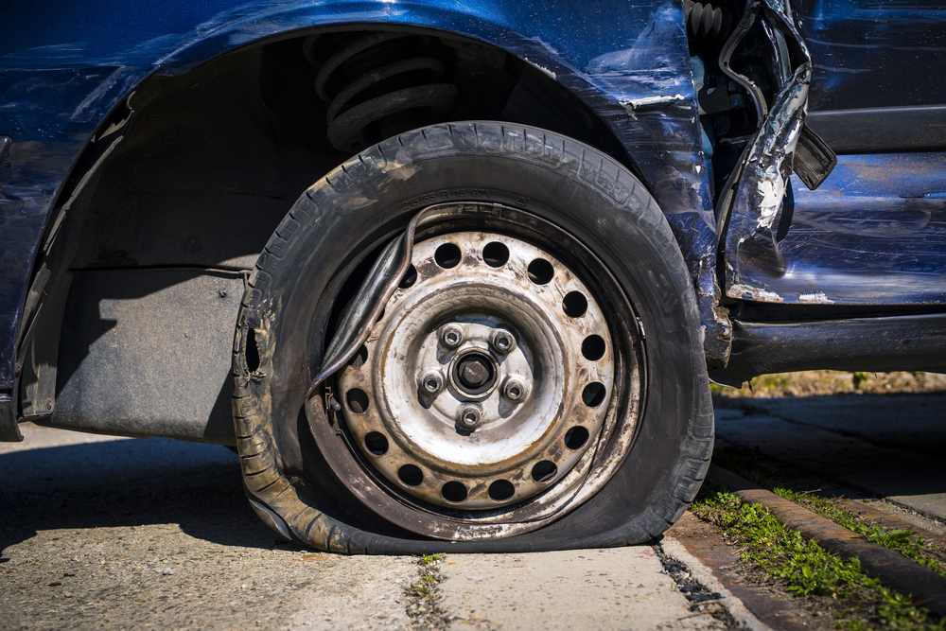 | The car exhibits a flat tire, with the tire visibly deflated and resting on the ground. The wheel rim is exposed, showing signs of wear and dirt. The surrounding area of the tire, including the fender and adjacent body panels, shows significant deformation and damage. The fender is bent and misaligned, with visible creases and dents. The body panel near the tire also displays extensive damage, with parts of the metal peeled away and hanging loosely. | Prompt 1 (Run 1) | system You are a helpful assistant. user assistant The image shows a close-up of a damaged car wheel. The tire is瘪了 (flattened), and the car appears to have been involved in an accident. The wheel is still attached to the car, but the tire is no longer inflated. The car's body is also damaged, with visible dents and deformations. This type of damage typically occurs in a collision where the tire is compressed or punctured, leading to the tire losing its air pressure and becoming flat. | 5.457 | 0.343 | 1.7244 | 0.1333 | 0.6565
 |  |  |  | Prompt 2 (Run 1) | system You are a helpful assistant. user Describe &&damage 12 sedan drive’ this !!image. assistant The image shows a blue sedan with significant damage to its front right side. The front fender is completely torn off, exposing the inner components of the wheel well. The tire is deflated and flattened, indicating that it has been damaged or punctured. The front bumper and part of the body are also visibly damaged, with dents and cracks. The overall condition of the car suggests it has been involved in a severe collision. | 5.519 | 0.346 | 1.7353 | 0.1379 | 0.6125
 |  |  |  | Prompt 3 (Run 1) | system You are a helpful assistant. user An image of a damaged car parked on the side of the road. assistant The image shows a damaged car with a flat tire. The tire is deflated and the car appears to have sustained significant damage, possibly from a collision. The car is parked on the side of the road, and the tire is resting on the ground. | 3.231 | 0.346 | 2.0561 | 0.1739 | 0.6218
 |  |  |  | Prompt 4 (Run 1) | system You are a helpful assistant. user You are an insurance claims assessor. Provide a detailed description of the car’s condition. assistant The car in the image appears to have sustained significant damage. Here are the details of the car's condition: 1. **Front Left Wheel**: The front left wheel is completely flat, indicating that the tire has been punctured or damaged. The tire is no longer inflated and is resting on the ground. 2. **Front Left Fender**: The front left fender is severely damaged, with significant dents and folds. The metal has been bent and distorted, indicating a high-impact collision. 3. **Front Left Door**: The front left door is also damaged, with dents and folds similar to the fender. The door | 8.527 | 0.348 | 1.9034 | 0.1778 | 0.5862
 |  |  |  | Prompt 5 (Run 1) | system You are a helpful assistant. user This <part_1> of the car has <damage_type_1>. The severity appears to be <severity_1>. Additional notes: <text_1>. assistant The <part_1> of the car is the <damage_type_1> tire. The severity appears to be moderate, as the tire is flat and the wheel is damaged. Additional notes include that the car has sustained significant structural damage, with the fender and other parts of the body showing extensive deformation. | 4.217 | 0.351 | 2.0065 | 0.1818 | 0.6694
 |  |  |  | Prompt 6 (Run 1) | system You are a helpful assistant. user Describe using format - Damage Type: ___; Affected Part: ___; Severity: ___; Notes: ___ assistant Damage Type: Flat tire; Affected Part: Front left tire; Severity: Moderate; Notes: The tire is completely flat, and the vehicle appears to have sustained other damage to the front end. | 2.848 | 0.348 | 0.6033 | 0.1081 | 0.5694
unsloth/Qwen2-VL-7B-Instruct | 000869.jpg |  | The car exhibits a flat tire, with the tire visibly deflated and resting on the ground. The wheel rim is exposed, showing signs of wear and dirt. The surrounding area of the tire, including the fender and adjacent body panels, shows significant deformation and damage. The fender is bent and misaligned, with visible creases and dents. The body panel near the tire also displays extensive damage, with parts of the metal peeled away and hanging loosely. | Prompt 1 (Run 2) | system You are a helpful assistant. user assistant The image shows a close-up of a damaged car wheel. The tire is瘪了 (flattened), and the car appears to have been involved in an accident. The wheel is still attached to the car, but the tire is no longer inflated. The car's body is also damaged, with visible dents and deformations. This type of damage typically occurs in a collision where the tire is compressed or punctured, leading to the tire losing its air pressure and becoming flat. | 5.411 | 0.343 | 1.7244 | 0.1333 | 0.6565
 |  |  |  | Prompt 2 (Run 2) | system You are a helpful assistant. user Describe &&damage 12 sedan drive’ this !!image. assistant The image shows a blue sedan with significant damage to its front right side. The front fender is completely torn off, exposing the inner components of the wheel well. The tire is deflated and flattened, indicating that it has been damaged or punctured. The front bumper and part of the body are also visibly damaged, with dents and cracks. The overall condition of the car suggests it has been involved in a severe collision. | 5.052 | 0.346 | 1.7353 | 0.1379 | 0.6125
 |  |  |  | Prompt 3 (Run 2) | system You are a helpful assistant. user An image of a damaged car parked on the side of the road. assistant The image shows a damaged car with a flat tire. The tire is deflated and the car appears to have sustained significant damage, possibly from a collision. The car is parked on the side of the road, and the tire is resting on the ground. | 3.531 | 0.346 | 2.0561 | 0.1739 | 0.6218
 |  |  |  | Prompt 4 (Run 2) | system You are a helpful assistant. user You are an insurance claims assessor. Provide a detailed description of the car’s condition. assistant The car in the image appears to have sustained significant damage. Here are the details of the car's condition: 1. **Front Left Wheel**: The front left wheel is completely flat, indicating that the tire has been punctured or damaged. The tire is no longer inflated and is resting on the ground. 2. **Front Left Fender**: The front left fender is severely damaged, with significant dents and folds. The metal has been bent and distorted, indicating a high-impact collision. 3. **Front Left Door**: The front left door is also damaged, with dents and folds similar to the fender. The door | 7.943 | 0.348 | 1.9034 | 0.1778 | 0.5862
 |  |  |  | Prompt 5 (Run 2) | system You are a helpful assistant. user This <part_1> of the car has <damage_type_1>. The severity appears to be <severity_1>. Additional notes: <text_1>. assistant The <part_1> of the car is the <damage_type_1> tire. The severity appears to be moderate, as the tire is flat and the wheel is damaged. Additional notes include that the car has sustained significant structural damage, with the fender and other parts of the body showing extensive deformation. | 4.296 | 0.351 | 2.0065 | 0.1818 | 0.6694
 |  |  |  | Prompt 6 (Run 2) | system You are a helpful assistant. user Describe using format - Damage Type: ___; Affected Part: ___; Severity: ___; Notes: ___ assistant Damage Type: Flat tire; Affected Part: Front left tire; Severity: Moderate; Notes: The tire is completely flat, and the vehicle appears to have sustained other damage to the front end. | 2.89 | 0.348 | 0.6033 | 0.1081 | 0.5694
unsloth/Qwen2-VL-7B-Instruct | 000889.jpg | 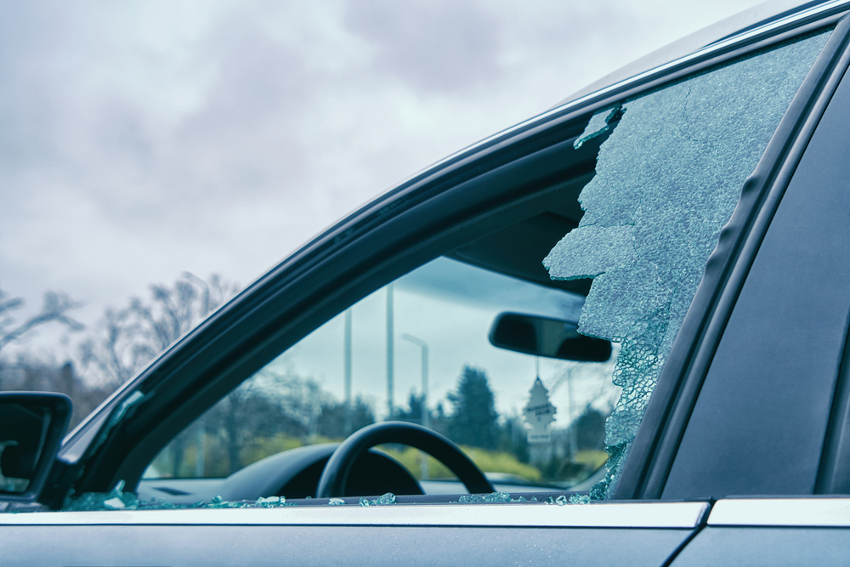 | The car exhibits significant damage to the driver's side window, which is shattered extensively. The glass is fragmented and broken, with large pieces missing, indicating a severe impact. | Prompt 1 (Run 1) | system You are a helpful assistant. user assistant The image shows a car with a broken window. The window appears to have been shattered, with pieces of glass scattered inside and outside the car. The background shows a cloudy sky and some trees, indicating that the car is parked outdoors. | 3.462 | 0.343 | 1.201 | 0.2051 | 0.5515
 |  |  |  | Prompt 2 (Run 1) | system You are a helpful assistant. user Describe &&damage 12 sedan drive’ this !!image. assistant The image shows a sedan with a broken passenger-side window. The glass is shattered and has large cracks, indicating that the window has been damaged. The interior of the car is visible, including the steering wheel and the dashboard. The damage appears to be significant, as the window is completely broken and there are pieces of glass scattered inside the car. | 4.496 | 0.346 | 1.5205 | 0.2353 | 0.7991
 |  |  |  | Prompt 3 (Run 1) | system You are a helpful assistant. user An image of a damaged car parked on the side of the road. assistant The image shows a car with a damaged windshield. The windshield has a large crack and pieces of glass are scattered around the area where the crack is located. The car is parked on the side of the road, and the background includes trees and a cloudy sky. | 3.595 | 0.346 | 1.1849 | 0.12 | 0.5741
 |  |  |  | Prompt 4 (Run 1) | system You are a helpful assistant. user You are an insurance claims assessor. Provide a detailed description of the car’s condition. assistant The car in the image appears to have sustained significant damage to its front passenger side window. The window is shattered, with large pieces of glass missing and the remaining glass showing extensive cracks and fragments. The interior of the car, including the dashboard and steering wheel, is visible through the broken window. The damage suggests that the car was involved in a collision or an impact that caused the window to shatter. The surrounding area, including trees and a cloudy sky, is visible through the broken window, indicating that the car is parked outdoors. | 7.116 | 0.348 | 1.6244 | 0.2432 | 0.7769
 |  |  |  | Prompt 5 (Run 1) | system You are a helpful assistant. user This <part_1> of the car has <damage_type_1>. The severity appears to be <severity_1>. Additional notes: <text_1>. assistant The <part_1> of the car is the <damage_type_1> windshield. The severity appears to be <severity_1> broken. Additional notes: There are pieces of glass scattered inside the car, and the windshield appears to be shattered. | 3.639 | 0.351 | 0.8876 | 0.1429 | 0.6833
 |  |  |  | Prompt 6 (Run 1) | system You are a helpful assistant. user Describe using format - Damage Type: ___; Affected Part: ___; Severity: ___; Notes: ___ assistant Damage Type: Glass Breakage; Affected Part: Side Window; Severity: Moderate; Notes: The side window of the car has a large crack and some pieces of glass are missing, indicating a significant impact. | 3.05 | 0.348 | 0.9763 | 0.2143 | 0.704
unsloth/Qwen2-VL-7B-Instruct | 000889.jpg |  | The car exhibits significant damage to the driver's side window, which is shattered extensively. The glass is fragmented and broken, with large pieces missing, indicating a severe impact. | Prompt 1 (Run 2) | system You are a helpful assistant. user assistant The image shows a car with a broken window. The window appears to have been shattered, with pieces of glass scattered inside and outside the car. The background shows a cloudy sky and some trees, indicating that the car is parked outdoors. | 2.899 | 0.343 | 1.201 | 0.2051 | 0.5515
 |  |  |  | Prompt 2 (Run 2) | system You are a helpful assistant. user Describe &&damage 12 sedan drive’ this !!image. assistant The image shows a sedan with a broken passenger-side window. The glass is shattered and has large cracks, indicating that the window has been damaged. The interior of the car is visible, including the steering wheel and the dashboard. The damage appears to be significant, as the window is completely broken and there are pieces of glass scattered inside the car. | 4.742 | 0.346 | 1.5205 | 0.2353 | 0.7991
 |  |  |  | Prompt 3 (Run 2) | system You are a helpful assistant. user An image of a damaged car parked on the side of the road. assistant The image shows a car with a damaged windshield. The windshield has a large crack and pieces of glass are scattered around the area where the crack is located. The car is parked on the side of the road, and the background includes trees and a cloudy sky. | 3.651 | 0.346 | 1.1849 | 0.12 | 0.5741
 |  |  |  | Prompt 4 (Run 2) | system You are a helpful assistant. user You are an insurance claims assessor. Provide a detailed description of the car’s condition. assistant The car in the image appears to have sustained significant damage to its front passenger side window. The window is shattered, with large pieces of glass missing and the remaining glass showing extensive cracks and fragments. The interior of the car, including the dashboard and steering wheel, is visible through the broken window. The damage suggests that the car was involved in a collision or an impact that caused the window to shatter. The surrounding area, including trees and a cloudy sky, is visible through the broken window, indicating that the car is parked outdoors. | 7.198 | 0.348 | 1.6244 | 0.2432 | 0.7769
 |  |  |  | Prompt 5 (Run 2) | system You are a helpful assistant. user This <part_1> of the car has <damage_type_1>. The severity appears to be <severity_1>. Additional notes: <text_1>. assistant The <part_1> of the car is the <damage_type_1> windshield. The severity appears to be <severity_1> broken. Additional notes: There are pieces of glass scattered inside the car, and the windshield appears to be shattered. | 3.628 | 0.351 | 0.8876 | 0.1429 | 0.6833
 |  |  |  | Prompt 6 (Run 2) | system You are a helpful assistant. user Describe using format - Damage Type: ___; Affected Part: ___; Severity: ___; Notes: ___ assistant Damage Type: Glass Breakage; Affected Part: Side Window; Severity: Moderate; Notes: The side window of the car has a large crack and some pieces of glass are missing, indicating a significant impact. | 2.986 | 0.348 | 0.9763 | 0.2143 | 0.704
 |  |  |  |  |  | 4.9924 | 0.3525 | 1.5121 | 0.1532 | 0.6095

