Observation
Serial NO | Functions & Formulas | Remarks
1 | 2500RX1C | Total Rows 2500 (A2:A2501) & Total Coloumns 12 (A1:L1) | 1 | Total rows 51288 (A2:A51289) & Total Coloumns (A:M)
2 | 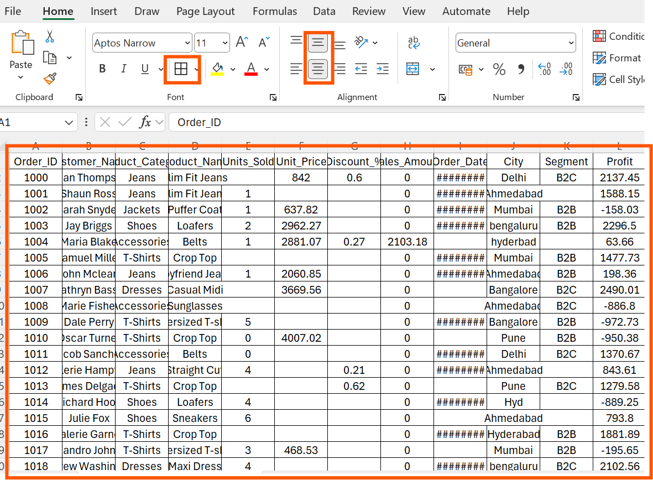 | Applied borders to the imported data ranges and center-aligned all content both horizontally and vertically.
3 | 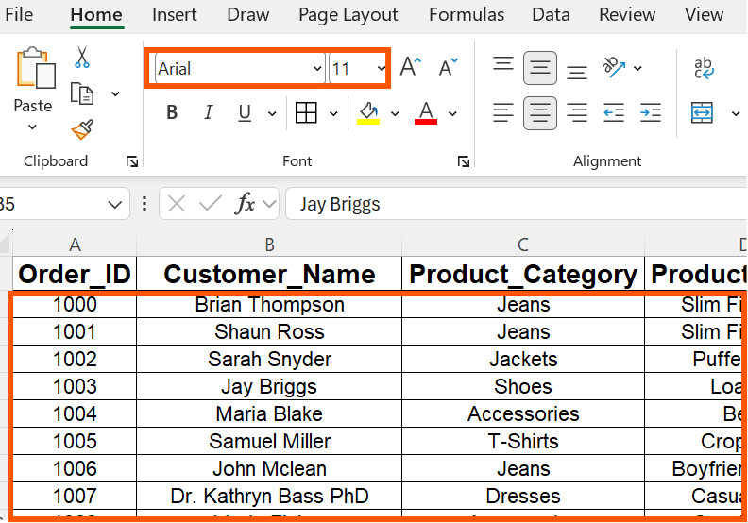 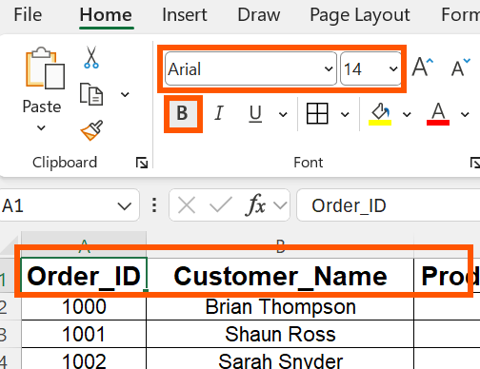 | Properly changed the font to Arial, set the header font size to 14 and all other data to 11, and bolded the headers for the imported data ranges. | 2 | Properly Changed the Fonts(Arial) and Font sizes(Headers-14, other ranges-11) for imported Data Ranges
4 | 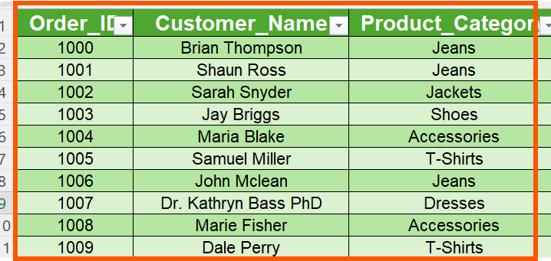 | Normal Ranges changed to table format(A1:L2501) | 4 | Normal Ranges changed to table format(A1:M51289)
5 |  | Then I have changed sheet Name (Sheet 1 to Day 1 & Sheet 2 to Obsercation)

