Severity
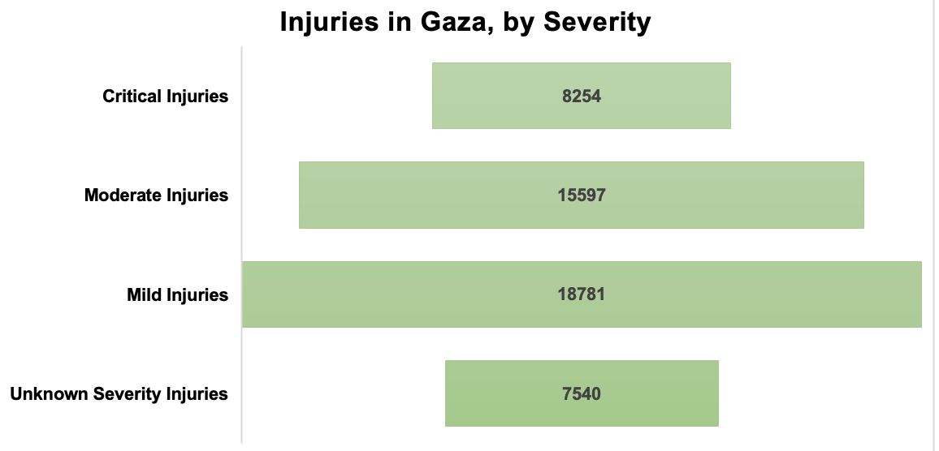
 | Injured | Total Injured
Critical Injuries | 8254 | 50594
Moderate Injuries | 15597 | 50594
Mild Injuries | 18781 | 50594
Unknown Severity Injuries | 7540 | 50594

 |  |  | Figure 3. Cumulative Injuries in Gaza, by Severity 2023, Source: Gazan Ministry of Health Report 12/12/23

