Basements
Row Labels | Average of A1-A5 Rate
Full Footprint | 604.9125
None | 317.86666667
Partial Footprint | 411.15
Grand Total | 386.31538462

Testting

Sheet14
Row Labels | Average of A1-A5 Rate
Education | 435.51582027
Office | 328.15021243
Residential | 389.65645546
Grand Total | 392.60879818

Aecom BenchMark Data
LETI Targets | A1-A5, Whole Building |  | A1-A5, Structure only
 | 2020 Target | 2030 Target | 2030 Target
Residential | 500 | 300 | 201
Office | 600 | 350 | 228
Education | 600 | 350 | 168

AECOM KPIs | A-C, Whole Building |  | A1-A5, Structure only |  |  | #N/A
 | AECOM 2025 | RIBA 2030 | AECOM 2025
Residential | 300 | 300 | 144
Office | 500 | 500 | 156
Education | 500 | N/A | 156

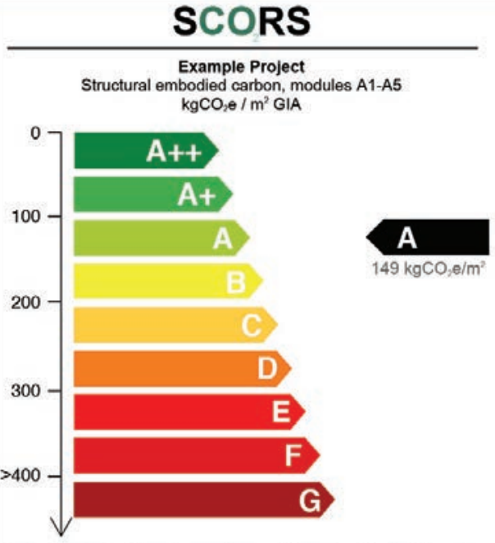

 |  |  |  | Rating | Number
 |  |  |  | A++ | 50
 |  |  |  | A+ | 100
 |  |  |  | A | 150
 |  |  |  | B | 200
 |  |  |  | C | 250
 |  |  |  | D | 300
 |  |  |  | E | 350
 |  |  |  | F | 400
 |  |  |  | G | 450

