Sheet1
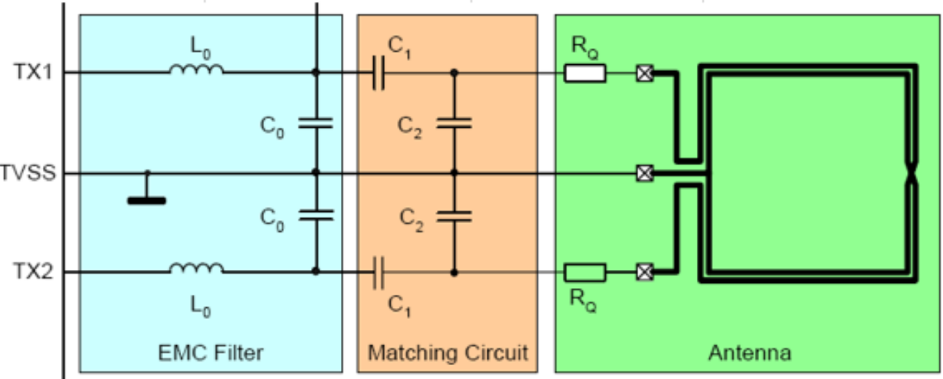
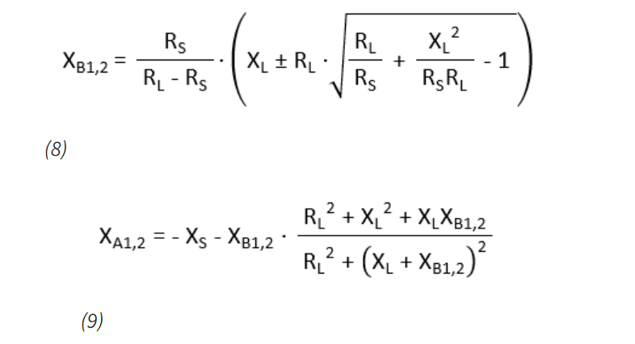
 |  |  |  |  |  |  |  |  | Formula: | XB1,2 = (Rs/(RL-Rs)) * (XL +- RL * sqrt((RL/Rs) + (XL^2 / Rs*RL) - 1)
ANTENNA |  |  | CENTI | MILLI | MICRO | MEGA | NANO | PICO
Target Frequency | 13.56 | MHz | 0.01 | 0.001 | 0.000001 | 1000000 | 0.000000001 | 1E-12 | XB1,2 Table
Target Impedence | 20 | Ω |  |  |  |  |  |  |  | Variable | Value
Q Factor | 20 |  |  |  |  |  |  |  |  | Rs
Antenna Diameter (in center) | 40 | mm |  |  |  |  |  |  |  | RL
Expected Operating Distance | ~30 | mm |  |  |  |  |  |  |  | XL
Track Width | 0.5 | mm
Track Gap | 0.5 | mm
ω | 85199992.765
N turns | 4
p avg | 0.080459770115 | mm
d avg | 43.5 | mm
u Naught | 0.000001257
Inductance | 2.0467476077E-06 | 2.05 | Micro Henries |  | ω0
Resistance | 7.16E-01
Capacitance | 6.7306435738E-11 | 0.673 | Pico farads |  |  |  |  |  | Solution: | XB1 = | #DIV/0!
Permability of Copper | 1.256629E-06
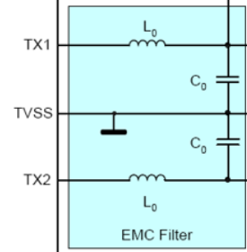
Coil Cross Sectional Area | 354 | mm^2
Trace width | 0.5 | mm
Coil Length | 708 | mm
k1 | 2.34
k2 | 2.75
Area of Trace Face | 1.75E-08 | m^2
Resistivity of Copper | 1.77E-08 | ohm-meter
 |  |  |  | 40.0439966

EMC FILTER |  |  |  |  |  |  |  |  |  | X_A1,2 | -1.6
Frequency Cutoff | 20.847806146 | MHz |  |  |  |  |  |  |  | X_S | 1
L0 | 470 | nH |  |  |  |  |  |  |  | X_B1, 2 | 1
C01 | 68 | pF |  |  |  |  |  |  |  | R_L | 1
C02 | 56 | pF |  |  |  |  |  |  |  | X_L | 1
C0 Calculated | 124 | pF

MATCHING CIRCUIT

C1 | 58.9 | pF
C2 | 134.6 | pF

