WACC
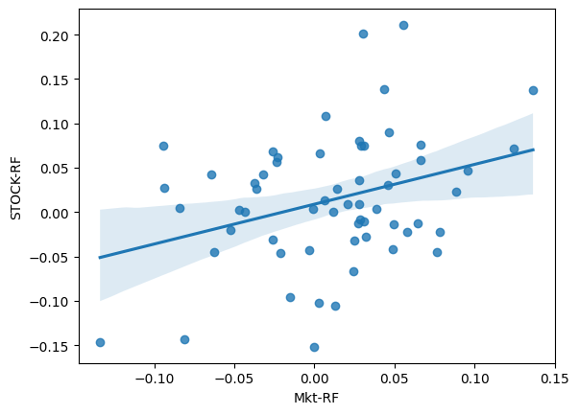
WACC

WACC
WACC = (% Equity x Cost of Equity) + (% Debt x Cost of Debt x (1 -Tax rate))
Cost of Equity = Risk Free Rate + (Beta x (Expected Market Return - Risk Free Rate))

Debt |  | 1,409,659,000
% Debt |  | 6.4%
Cost of Debt
Tax Rate |  | 24.0%

Equity Value |  | 20,732,941,670
% Equity |  | 94%
Cost of Equity (Expected Return) |  | -0.3%
Risk Free Rate | % | 3.804%
Beta |  | 1.067797932
Market Risk Premium | % | -3.80%

Debt + Equity |  | 22,142,600,670

WACC |  | -0.24%

CAPM
Expected Return (Ri) = Rf + Bi x ( Rm - Rf)
Rf (Malaysia 10Y Bond) | 3.80%
beta (Bi) | 1.0678
Rm | 0.00048%
Expected Return | -0.26%
Market Premium | -3.80% | market_risk_premium = (average_market_return * 100) - (risk_free_rate * 100)

Outstanding Shares | 2,768,083,000
Share Price | RM7.49
Equity Value | 20,732,941,670

Debt Weighted Average
MTNs | 4.19%
Commercial Papers | 3.54%
Revolving Credit | 6.26%
Average Weighted Debt | 4.66%

