Sheet1
Feature / Task | Description | status

 | #### Test Case 1.1.5: Email Format Validation | FAIL
 | - **Steps**: | System accepts invalid email format and allows form submission.
 | 1. Enter invalid email: `invalid-email`
 | 2. Try to submit
 | - **Expected Result**:
 | - ✅ Email validation error displayed
 | - ✅ Form does not submit

 | ### 1.3 Password Reset Flow | FAIL

 | #### Test Case 1.3.1: Request Password Reset
 | - **Steps**:
 | 1. Navigate to `http://localhost:3000/forgot-password`
 | 2. Enter registered email: `user@demo.com`
 | 3. Click "Send Reset Link"
 | - **Expected Result**:
 | - ✅ Success message: "Password reset email sent"
 | - ✅ Password reset email received (check inbox)
 | - ✅ Reset token generated in database
 | - ✅ Reset token expires in 1 hour

 | #### Test Case 1.3.2: Reset Password with Valid Token | FAIL
 | - **Steps**:
 | 1. Click reset link from email
 | 2. Enter new password: `NewSecurePass123!`
 | 3. Confirm new password
 | 4. Click "Reset Password"
 | - **Expected Result**:
 | - ✅ Password reset successful
 | - ✅ Can login with new password
 | - ✅ Old password no longer works
 | - ✅ Reset token marked as used

 | #### Test Case 1.3.3: Reset Password with Expired Token | FAIL
 | - **Steps**:
 | 1. Wait for reset token to expire (>1 hour)
 | 2. Try to use expired reset link
 | - **Expected Result**:
 | - ✅ Error message: "Invalid or expired reset token"
 | - ✅ Must request new reset link

 | #### Test Case 1.3.4: Reset Password with Used Token
 | - **Steps**:
 | 1. Use a reset token to reset password
 | 2. Try to use same token again
 | - **Expected Result**:
 | - ✅ Error message: "This reset token has already been used"
 | - ✅ Must request new reset link

 | #### Test Case 1.3.5: Reset Password - Weak Password Rejected | FAIL
 | - **Steps**:
 | 1. Use valid reset token
 | 2. Enter weak password: `123456`
 | - **Expected Result**:
 | - ✅ Password strength validation enforced
 | - ✅ Error message about password strength
 | - ✅ Password not reset

 | #### Test Case 3.1.1: Enable TOTP MFA | FAIL
 | - **Steps**: | Verification code input field (⚠️ currently missing)
 | 1. Go to Profile → Security → MFA Settings
 | 2. Click "Enable TOTP"
 | 3. Scan QR code with authenticator app (Google Authenticator, Authy)- working
 | 4. Enter verification code from app--NO FIELD AVAILABLE TO ENTER VERIFICATION CODE
 | 5. Click "Verify and Enable"
 | - **Expected Result**:
 | - ✅ TOTP MFA enabled successfully
 | - ✅ Backup codes displayed (10 codes)-
 | - ✅ Option to download/print backup codes- copy backup code option available but not functional- we can copy all backup keys(select keys-->ctrl C+ctrl V)
 | - ✅ QR code displayed correctly
 | - ✅ Manual entry code shown (if QR scan fails)

 | #### Test Case 3.1.2: Enable TOTP - Invalid Code | FAIL
 | - **Steps**: | Verification code input field (⚠️ currently missing)
 | 1. Start TOTP setup | No field available → user is blocked → MFA cannot be enabled
 | 2. Enter wrong verification code: `000000`-
 | - **Expected Result**:
 | - ✅ Error message: "Invalid verification code"
 | - ✅ MFA not enabled
 | - ✅ Can retry with correct code

 | ### 3.2 Login with MFA | FAIL

 | #### Test Case 3.2.1: Login with TOTP MFA
 | - **Steps**:
 | 1. Login with MFA-enabled account
 | 2. Enter email and password
 | 3. Enter TOTP code from authenticator app
 | - **Expected Result**:
 | - ✅ MFA prompt displayed after password verification
 | - ✅ Login successful after valid MFA code
 | - ✅ Redirected to dashboard
 | - ✅ Invalid MFA code shows error

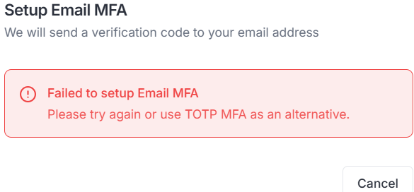
 | #### Test Case 3.2.2: Login with Backup Code | FAIL
 | - **Steps**:
 | 1. Login with MFA-enabled account
 | 2. Use one of the backup codes instead of TOTP
 | - **Expected Result**:
 | - ✅ Login successful with backup code |  | s
 | - ✅ Backup code marked as used
 | - ✅ Backup code cannot be reused

 | ### 3.3 Email MFA | FAIL
 |  | verification code not sending to email,so cant enable EMAIL-MFA
 | #### Test Case 3.3.1: Enable Email MFA
 | - **Steps**:
 | 1. Go to Profile → Security → MFA Settings
 | 2. Click "Enable Email MFA"
 | 3. Verify email address
 | - **Expected Result**:
 | - ✅ Email MFA enabled
 | - ✅ Confirmation message displayed

 | #### Test Case 3.3.2: Login with Email MFA | FAIL
 | - **Steps**:
 | 1. Login with Email MFA-enabled account
 | 2. Enter email and password
 | 3. Check email for OTP code
 | 4. Enter OTP code
 | - **Expected Result**:
 | - ✅ OTP email sent
 | - ✅ OTP code received in email
 | - ✅ Login successful after valid OTP
 | - ✅ OTP expires after set time (e.g., 10 minutes)

 | ### 3.4 Disable MFA | FAIL- there s no option to disable MFA

 | #### Test Case 3.4.1: Disable TOTP MFA
 | - **Steps**:
 | 1. Go to MFA Settings
 | 2. Click "Disable MFA"
 | 3. Confirm action
 | - **Expected Result**:
 | - ✅ MFA disabled successfully
 | - ✅ No MFA required on next login
 | - ✅ Change logged in audit logs

 | ---

 | ### 4.3 Microsoft OAuth | FAIL

 | #### Test Case 4.3.1: Microsoft OAuth Login
 | - **Steps**:
 | 1. Click "Sign in with Microsoft"
 | 2. Complete Microsoft OAuth flow
 | - **Expected Result**:
 | - ✅ Redirected to Microsoft sign-in
 | - ✅ Account created or logged in
 | - ✅ User information saved

 | ### 4.4 OAuth Account Linking
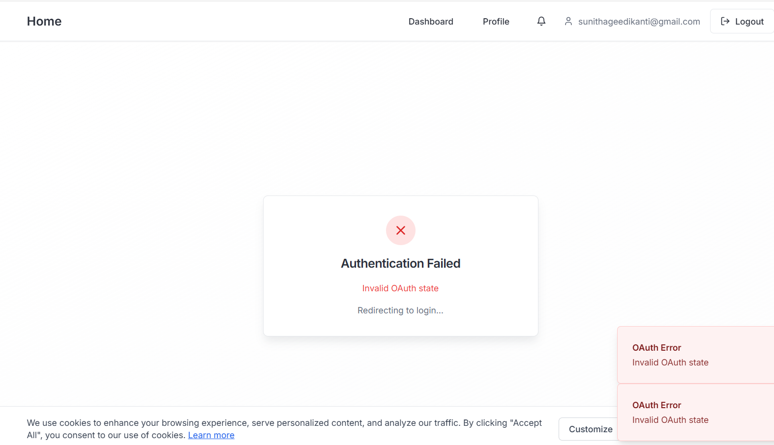
 | #### Test Case 4.4.1: Link OAuth to Existing Account | PASS
 | - **Steps**: | INITIALLY showing "AUTHENTICATION FAILED "INVALID OATH
 | 1. Login with email/password | Successfully logged in with Google.
 | 2. Go to Profile → Security → Connected Accounts
 | 3. Click "Link Google Account"
 | 4. Complete OAuth flow
 | - **Expected Result**:
 | - ✅ OAuth account linked successfully
 | - ✅ Can now login with either method
 | - ✅ Both methods shown as connected

 | ---

 | ## 5. Payment Processing
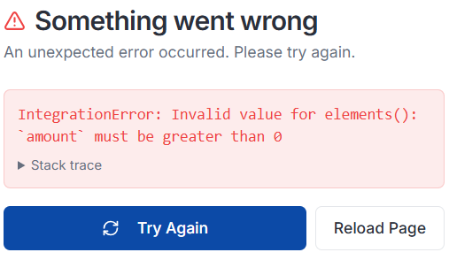
 | ### 5.1 Create Payment | FAIL
 |  | Payment page fails to load when amount is 0 or empty
 | #### Test Case 5.1.1: Create Payment Intent | IntegrationError – amount must be greater than 0
 | - **Steps**: | page is crashed
 | 1. Go to Payment page
 | 2. Enter payment details:
 | - Amount: $10.00
 | - Description: "Test Payment"
 | - Currency: USD
 | 3. Click "Create Payment"
 | - **Expected Result**:
 | - ✅ Payment intent created
 | - ✅ Payment ID generated
 | - ✅ Payment status: PENDING
 | - ✅ Payment appears in payment history

 | #### Test Case 5.1.2: Complete Payment - Stripe Success | FAIL
 | - **Steps**:
 | 1. Create payment intent | page is crashed
 | 2. Use Stripe test card: `4242 4242 4242 4242`
 | 3. Complete payment form
 | 4. Submit payment
 | - **Expected Result**:
 | - ✅ Payment processed successfully
 | - ✅ Payment status: SUCCEEDED
 | - ✅ Payment confirmation email sent
 | - ✅ Payment appears in history with success status

 | #### Test Case 5.1.3: Payment Declined | FAIL
 | - **Steps**: | page crashes with Stripe IntegrationError -unabke to check
 | 1. Create payment intent
 | 2. Use decline card: `4000 0000 0000 0002`
 | 3. Submit payment
 | - **Expected Result**:
 | - ✅ Payment declined
 | - ✅ Payment status: FAILED
 | - ✅ Error message displayed
 | - ✅ Payment appears in history with failed status
 |  | FAIL
 | ### 5.2 Payment History | History page crashes with Stripe IntegrationError when clicking History button
 |  | ser cannot access History page
 | #### Test Case 5.2.1: View Payment History
 | - **Steps**:
 | 1. Go to Payment History page
 | - **Expected Result**:
 | - ✅ All user payments listed
 | - ✅ Payment details visible:
 | - Amount
 | - Status
 | - Date
 | - Description
 | - Payment provider
 | - ✅ Pagination works (if many payments)

 | #### Test Case 5.2.2: Filter Payments by Status | FAIL
 | - **Steps**: | History page crashes with Stripe IntegrationError when clicking History button
 | 1. Go to Payment History
 | 2. Filter by status: "SUCCEEDED"
 | - **Expected Result**:
 | - ✅ Only successful payments shown
 | - ✅ Filter applies correctly

 | ### 5.3 Payment Refund (Admin) | FAIL
 |  | No payments found
 | #### Test Case 5.3.1: Process Refund | there is no option to check refunds-Refund functionality cannot be tested or used.
 | - **Steps**:
 | 1. Login as admin
 | 2. Go to Admin → Payments
 | 3. Select a successful payment
 | 4. Click "Refund"
 | 5. Enter refund amount
 | 6. Confirm refund
 | - **Expected Result**:
 | - ✅ Refund processed successfully
 | - ✅ Payment status: REFUNDED
 | - ✅ Refund amount recorded
 | - ✅ Refund notification sent to user

 | ### 5.4 Payment Webhooks | FAIL
 |  | Webhook testing is currently blocked because payment creation is not fully functional and the Stripe webhook endpoint has not yet been configured
 | #### Test Case 5.4.1: Stripe Webhook Processing
 | - **Steps**:
 | 1. Process a payment
 | 2. Simulate webhook from Stripe (or use Stripe CLI)
 | - **Expected Result**:
 | - ✅ Webhook received and verified
 | - ✅ Payment status updated automatically
 | - ✅ Webhook logged in database
 | - ✅ Payment state synchronized

 | ---

 | ## 6. Notifications System | PASS

 | ### 6.1 In-App Notifications

 | #### Test Case 6.1.1: View Notifications
 | - **Steps**:
 | 1. Click notification bell icon
 | 2. View notifications list
 | - **Expected Result**:
 | - ✅ Notifications dropdown opens
 | - ✅ All notifications listed
 | - ✅ Unread notifications highlighted
 | - ✅ Notification count badge shows unread count

 | #### Test Case 6.1.2: Mark Notification as Read | PASS
 | - **Steps**:
 | 1. Click on a notification
 | - **Expected Result**:
 | - ✅ Notification marked as read
 | - ✅ Unread count decreases
 | - ✅ Notification no longer highlighted

 | #### Test Case 6.1.3: Mark All as Read | PASS
 | - **Steps**:
 | 1. Click "Mark all as read" button
 | - **Expected Result**:
 | - ✅ All notifications marked as read
 | - ✅ Unread count becomes 0
 | - ✅ No notifications highlighted

 | #### Test Case 6.1.4: Notification Types | PASS
 | - **Steps**:
 | 1. Trigger different notification types:
 | - Payment confirmation
 | - Password reset
 | - MFA setup
 | - Profile update
 | - **Expected Result**:
 | - ✅ All notification types displayed correctly
 | - ✅ Icons and colors differentiate types
 | - ✅ Notification messages clear and informative

 | ### 6.2 Notification Preferences | PASS

 | #### Test Case 6.2.1: Update Notification Preferences
 | - **Steps**:
 | 1. Go to Settings → Notifications
 | 2. Toggle notification preferences:
 | - Email notifications: ON/OFF
 | - In-app notifications: ON/OFF
 | - SMS notifications: ON/OFF (if enabled) | SMS notifications toggle → Not Applicable (feature not fully implemented yet)- the option is disabled
 | 3. Save preferences
 | - **Expected Result**:
 | - ✅ Preferences saved successfully
 | - ✅ Changes take effect immediately
 | - ✅ Future notifications respect preferences

 | ### 6.3 Email Notifications | FAIL

 | #### Test Case 6.3.1: Receive Email Notification
 | - **Steps**:
 | 1. Enable email notifications in preferences
 | 2. Trigger an event (e.g., password reset, payment)
 | - **Expected Result**:
 | - ✅ Email notification received
 | - ✅ Email contains relevant information
 | - ✅ Email template renders correctly
 | - ✅ Links in email work correctly

 | ---

 | ## 7. GDPR Compliance | PASS
 | ### 7.1 Data Export
 | #### Test Case 7.1.1: Request Data Export
 | - **Steps**:
 | 1. Go to Profile → GDPR Settings → Data Export
 | 2. Click "Request Data Export"
 | 3. Confirm request
 | - **Expected Result**:
 | - ✅ Export request created
 | - ✅ Status: PENDING or PROCESSING
 | - ✅ Confirmation message displayed
 | - ✅ Export processing starts

 | #### Test Case 7.1.2: Download Exported Data | FAIL
 | - **Steps**: | but there is no visible download link anywhere on the page
 | 1. Wait for export to complete
 | 2. Check export status
 | 3. Click download link (if available)
 | - **Expected Result**:
 | - ✅ Export status: COMPLETED
 | - ✅ Download link provided
 | - ✅ Downloaded file contains all user data:
 | - Profile information
 | - Payment history
 | - Notification history
 | - Audit logs (if applicable)
 | - ✅ Data in readable format (JSON/CSV)

 | ### 7.2 Data Deletion | partially pass

 | #### Test Case 7.2.1: Request Account Deletion
 | - **Steps**:
 | 1. Go to Profile → GDPR Settings → Data Deletion
 | 2. Click "Request Account Deletion"
 | 3. Select deletion type: SOFT or HARD
 | 4. Enter reason (optional)
 | 5. Confirm deletion
 | - **Expected Result**:
 | - ✅ Deletion request created
 | - ✅ Status: PENDING
 | - ✅ Confirmation email sent | not RECEIVED
 | - ✅ Deletion scheduled (if SOFT) or immediate (if HARD)

 | #### Test Case 7.2.2: Confirm Deletion via Email
 | - **Steps**:
 | 1. Request account deletion
 | 2. Check email for confirmation link
 | 3. Click confirmation link
 | - **Expected Result**:
 | - ✅ Deletion confirmed
 | - ✅ Status: CONFIRMED or PROCESSING
 | - ✅ Account deletion process continues

 | ### 7.3 Consent Management | PASS

 | #### Test Case 7.3.1: View Consent Records
 | - **Steps**:
 | 1. Go to Profile → GDPR Settings → Consent Management
 | - **Expected Result**:
 | - ✅ All consent types listed:
 | - Marketing emails
 | - Analytics
 | - Third-party sharing
 | - Cookies
 | - Terms of service
 | - Privacy policy
 | - ✅ Current consent status displayed

 | #### Test Case 7.3.2: Update Consents | PASS
 | - **Steps**:
 | 1. Toggle consent preferences
 | 2. Save changes
 | - **Expected Result**:
 | - ✅ Consents updated successfully
 | - ✅ Changes logged with timestamp
 | - ✅ IP address and user agent recorded
 | - ✅ Consent version tracked

 | ---

 | ## 8. Admin Panel | PASS

 | ### 8.1 Admin Dashboard

 | #### Test Case 8.1.1: Access Admin Dashboard
 | - **Steps**:
 | 1. Login as admin user
 | 2. Navigate to Admin → Dashboard
 | - **Expected Result**:
 | - ✅ Admin dashboard loads
 | - ✅ Statistics displayed:
 | - Total users
 | - Active sessions
 | - Total payments
 | - System health
 | - ✅ Recent activity feed visible

 | ### 8.2 User Management | PASS

 | #### Test Case 8.2.1: View User List
 | - **Steps**:
 | 1. Go to Admin → Users
 | - **Expected Result**:
 | - ✅ All users listed
 | - ✅ User information displayed:
 | - Email
 | - Name
 | - Role
 | - Status (Active/Inactive)
 | - Created date
 | - ✅ Pagination works (if many users)

 | #### Test Case 8.2.2: Search Users | PASS
 | - **Steps**:
 | 1. Use search bar to search for user
 | 2. Enter email or name
 | - **Expected Result**:
 | - ✅ Search filters users correctly
 | - ✅ Results update as you type
 | - ✅ Search is case-insensitive

 | #### Test Case 8.2.3: Filter Users by Role | PASS
 | - **Steps**:
 | 1. Filter users by role: ADMIN
 | - **Expected Result**:
 | - ✅ Only ADMIN users shown
 | - ✅ Filter persists on page refresh

 | #### Test Case 8.2.4: Edit User | PASS
 | - **Steps**:
 | 1. Click on a user
 | 2. Edit user details (name, email, role)
 | 3. Save changes
 | - **Expected Result**:
 | - ✅ User updated successfully
 | - ✅ Changes reflected immediately
 | - ✅ Change logged in audit logs

 | #### Test Case 8.2.5: Deactivate User | PASS
 | - **Steps**:
 | 1. Select a user
 | 2. Click "Deactivate"
 | 3. Confirm action
 | - **Expected Result**:
 | - ✅ User account deactivated
 | - ✅ User cannot login
 | - ✅ User status shows "Inactive"
 | - ✅ Change logged in audit logs

 | #### Test Case 8.2.6: Change User Role (Super Admin Only) | Logged in as SUPER_ADMIN, but there is no option in the UI to change a user's role (USER → ADMIN). Role management functionality appears to be missing--- FAIL
 | - **Steps**:
 | 1. Login as SUPER_ADMIN
 | 2. Change user role from USER to ADMIN
 | - **Expected Result**:
 | - ✅ Role changed successfully
 | - ✅ User now has admin permissions
 | - ✅ Change logged in audit logs
 | - ✅ Regular ADMIN cannot change roles

 | ### 8.3 Audit Logs | PASS

 | #### Test Case 8.3.1: View Audit Logs
 | - **Steps**:
 | 1. Go to Admin → Audit Logs
 | - **Expected Result**:
 | - ✅ All audit log entries displayed
 | - ✅ Log information shown:
 | - User (if applicable)
 | - Action
 | - Resource
 | - Timestamp
 | - IP address
 | - User agent

 | ### 8.4 Feature Flags | FAIL
 |  | No feature flags available.Feature Flags page loads successfully, but no flags are available in the environment. Unable to validate status and description fields due to missing seeded data.
 | #### Test Case 8.4.1: View Feature Flags
 | - **Steps**:
 | 1. Go to Admin → Feature Flags
 | - **Expected Result**:
 | - ✅ All feature flags listed
 | - ✅ Current status shown (Enabled/Disabled)
 | - ✅ Description displayed for each flag

 | #### Test Case 8.4.2: Toggle Feature Flag | FAIL
 | - **Steps**: | No feature flags are available in the environment, so toggle functionality cannot be tested.
 | 1. Toggle a feature flag (e.g., ENABLE_REGISTRATION)
 | 2. Save changes
 | - **Expected Result**:
 | - ✅ Feature flag toggled
 | - ✅ Changes take effect immediately
 | - ✅ Feature behavior changes accordingly
 | - ✅ Change logged in audit logs

 | #### Test Case 8.4.3: Create New Feature Flag | FAIL
 | - **Steps**: | No feature flags are available in the environment, so toggle functionality cannot be tested.
 | 1. Click "Create Feature Flag"
 | 2. Enter:
 | - Key: `FEATURE_NEW_FEATURE`
 | - Description: "Enable new feature"
 | - Status: Enabled/Disabled
 | 3. Save
 | - **Expected Result**:
 | - ✅ Feature flag created
 | - ✅ Appears in list
 | - ✅ Can be toggled on/off

 | ### 8.5 Payment Management
 |  | FAIL
 | #### Test Case 8.5.1: View All Payments | no subscriptions found -NO DATA available-Feature exists in UI but is not functionally testable
 | - **Steps**: | payment page crashed in the UI
 | 1. Go to Admin → Payments
 | - **Expected Result**:
 | - ✅ All payments from all users listed
 | - ✅ Payment details visible
 | - ✅ Pagination works

 | #### Test Case 8.5.2: Filter Payments | FAIL
 | - **Steps**:
 | 1. Filter payments by:
 | - User
 | - Status
 | - Payment provider
 | - Date range
 | - **Expected Result**:
 | - ✅ Filters apply correctly
 | - ✅ Results update based on filters

 | #### Test Case 8.5.3: Process Refund | FAIL
 | - **Steps**:
 | 1. Select a successful payment
 | 2. Click "Refund"
 | 3. Enter refund amount (full or partial)
 | 4. Confirm refund
 | - **Expected Result**:
 | - ✅ Refund processed
 | - ✅ Payment status updated
 | - ✅ Refund amount recorded
 | - ✅ User notified

 | ### 8.6 Newsletter Management | not vailable

 | #### Test Case 8.6.1: Create Newsletter
 | - **Steps**:
 | 1. Go to Admin → Newsletters
 | 2. Click "Create Newsletter"
 | 3. Fill in:
 | - Title
 | - Subject
 | - Content (HTML)
 | 4. Save as DRAFT
 | - **Expected Result**:
 | - ✅ Newsletter created
 | - ✅ Status: DRAFT
 | - ✅ Can be edited later

 | #### Test Case 8.6.2: Schedule Newsletter | NOT IMPLEMENTED
 | - **Steps**:
 | 1. Create newsletter
 | 2. Set scheduled date/time
 | 3. Change status to SCHEDULED
 | - **Expected Result**:
 | - ✅ Newsletter scheduled
 | - ✅ Status: SCHEDULED
 | - ✅ Will be sent at scheduled time

 | #### Test Case 8.6.3: Send Newsletter | NOT IMPLEMENTED
 | - **Steps**:
 | 1. Create newsletter
 | 2. Click "Send Now"
 | - **Expected Result**:
 | - ✅ Newsletter sent to all subscribers
 | - ✅ Status: SENT
 | - ✅ Sent count recorded
 | - ✅ Statistics tracked (opened, clicked)

 | ---

 | ### 9.2 Tablet View (768px) | PASS

 | #### Test Case 9.2.1: Tablet Layout
 | - **Steps**:
 | 1. Resize browser to 768px width
 | 2. Test key features
 | - **Expected Result**:
 | - ✅ Layout optimized for tablet
 | - ✅ Two-column layouts work well
 | - ✅ All features accessible
 | - ✅ Touch targets appropriate size

 | ### 10.3 Safari | NOT TESTED

 | #### Test Case 10.3.1: Safari Testing
 | - **Steps**:
 | 1. Test in Safari (latest version)
 | 2. Test key features
 | - **Expected Result**:
 | - ✅ All features work correctly
 | - ✅ No Safari-specific issues

 | ### 11.3 Input Validation Security | PASS
 |  | System safely handled SQL injection attempt. Input was not executed, no crash observed, and data remained intact.
 | #### Test Case 11.3.1: SQL Injection Attempt
 | - **Steps**:
 | 1. In any form, enter SQL injection: `'; DROP TABLE users; --`
 | 2. Submit form
 | - **Expected Result**:
 | - ✅ Input sanitized
 | - ✅ No SQL executed
 | - ✅ Error handled gracefully
 | - ✅ Data remains safe

 | #### Test Case 11.3.2: XSS Attempt | PASS
 | - **Steps**:
 | 1. In any input field, enter: `<script>alert('XSS')</script>`
 | 2. Submit and view result
 | - **Expected Result**:
 | - ✅ Script tags sanitized/escaped
 | - ✅ No scripts executed
 | - ✅ Content displayed safely

 | #### Test Case 11.3.3: CSRF Protection | FAIL
 | - **Steps**: | CSRF protection is not implemented
 | 1. Try to submit form without valid CSRF token (if implemented)
 | - **Expected Result**:
 | - ✅ Request rejected
 | - ✅ CSRF error displayed

 | ---

 | ### 12.2 Network Errors | FAIL

 | #### Test Case 12.2.1: Offline Handling
 | - **Steps**:
 | 1. Disconnect network
 | 2. Try to use application
 | - **Expected Result**:
 | - ✅ Error message displayed: "Network error" or "Offline"
 | - ✅ Graceful degradation
 | - ✅ Can retry when online

 | #### Test Case 12.2.2: API Timeout | FAIL
 | - **Steps**:
 | 1. Slow down network (DevTools → Network → Throttling)
 | 2. Make API request
 | - **Expected Result**:
 | - ✅ Timeout handled gracefully
 | - ✅ Error message displayed
 | - ✅ Can retry request

 | ### 12.3 Server Errors

 | #### Test Case 12.3.2: 404 Error Handling | PASS
 | - **Steps**:
 | 1. Navigate to non-existent page: `/non-existent-page`
 | - **Expected Result**:
 | - ✅ 404 page displayed
 | - ✅ Option to return to homepage
 | - ✅ Helpful error message

 | ---

 | ### 13.2 Large Dataset Handling | not tested

 | #### Test Case 13.2.1: Large User List
 | - **Steps**:
 | 1. Create many users (100+)
 | 2. View user list in admin panel
 | - **Expected Result**:
 | - ✅ Pagination works correctly
 | - ✅ Page loads quickly
 | - ✅ No performance degradation

