Sheet1
Status | Floor | Proxy | Item | Priority | Week | Time to spend | Poly | Texture | Model | References | Props | Column3 | Column4 | Column5
building | 1 | ok | door | 1 | 1 | 30 | 50 | glass | https://www.cgtrader.com/free-3d-models/architectural-details/door-window/automatic-sliding-door
building | 2 | ok | windows | 1 | 1 | 40 | 50 | glass | http://www.archibaseplanet.com/download/77201542.html
building | a | ok | back wall | 1 | 1 | 30 | 1 | n | y
building | 2 | ok | floor | 1 | 1 | 30 | 6 | n | y
building | 1 | ok | floor | 1 | 1 | 30 | 1 | n | y
building | a | ok | front walll | 1 | 1 | 30 | 1 | n | y
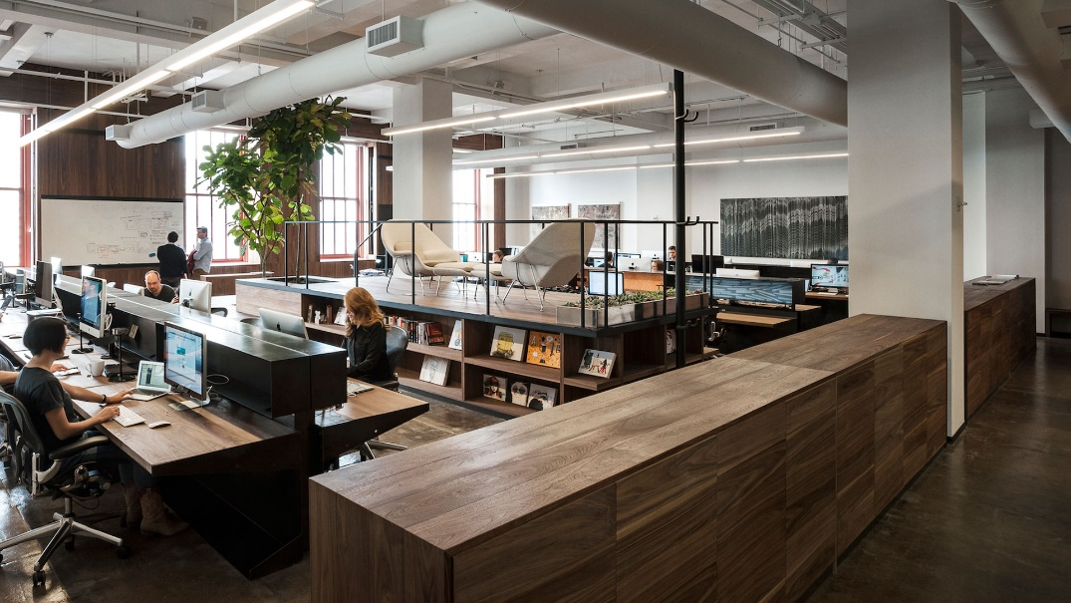
building | a | ok | lateral walls | 1 | 1 | 30 | 1 | n | y
building | 1 | ok | roof | 1 | 1 | 30 | 1 | n | y
furniture | 1 | ok | monitor 32 "" | 2 | 2 | 30 | 50 | x | archive3d.net/?a=download&id=85842c9f
furniture | 1 | ok | monitor 60 "" | 2 | 2 | 30 | 50 | x | archive3d.net/?a=download&id=85842c9f
building | 2 | ok | handrail | 2 | 2 | 30 | 50 | x | https://grabcad.com/library/59840
furniture | 1 | ok | coffe tables | 2 | 2 | 30 | 200 | glass | https://www.cgtrader.com/free-3d-models/furniture/table-desk/stylized-wooden-table
furniture | 1 | ok | main table | 2 | 2 | 30 | 50 | wood | n | image >>
furniture | 2 | ok | tables | 2 | 2 | 40 | 50 | ivory / wood | n
building | 1 | ok | stairs handrail | 2 | 2 | 40 | 50 | glass / metal | www.cadnav.com/3d-models/model-23533.html
building | 1 | ok | stairs | 2 | 2 | 100 | 250 | glass / metal | www.turbosquid.com/3d-models/3ds-escalator/312943
furniture | 1 | ok | map | 2 | 2 | 15 | 4 | txt_Map | y
furniture | 1 | ok | puffs | 2 | 2 | 60 | 400 | y | y
furniture | 1 | ok | doctor_pc | 4 | 2 | 20 | 50
furniture | a | ok | keyboard | 2 | 3 | 30 | 200 | x | archive3d.net/?a=download&id=09514da9
furniture | 2 | ok | office chairs | 8 | 3 | 15 | 400 | y | archive3d.net/?a=download&id=7f5930cb
Modeling myself | 1 | ok | pokemon check pc | 2 | 3 | 120 | 400 | n | n
Modeling myself | 1 | ok | pokemon exchange pc | 2 | 3 | 120 | 400 | n | n
Modeling myself | 1 | ok | pokemon healing machine | 2 | 3 | 120 | 400 | n | n
furniture\Modeling myself | 1 | ok | sofas | 10 | 3 | 120 | 400 | n | n
furniture | 1 | ok | trees | 3 | 3 | 20 | 1000 | n | n
furniture | a | ok | retangular lights | 4 | 3 | 15 | 30 | n | n
furniture | a | ok | round lights | 4 | 3 | 30 | 100 | y | www.cadnav.com/3d-models/model-18700.html
furniture | 1 | ok | shelf | 4 | 3 | 30 | 100 | y | www.sketchup4architect.com/sketchup-3d-components/bookshelf/fully-populated-shelf-in-sketchup.htm
furniture | 1 | ok | pokeballs | 3 | 4 | 60 | 250 | y | y
furniture | 1 | ok | tree pots | 3 | 3 | 30 | 300 | n | y
furniture | 1 |  | books | 4 | 4 | 60 | 6 | y | archive3d.net/?a=download&id=34493998
furniture | a | ok | clipboards | 12 | 4 | 15 | 30 | y | archive3d.net/?a=download&id=5c716b8e
furniture | a | ok | telephone | 12 | 4 | 15 | 20 | y | archive3d.net/?a=download&id=f6bca971
furniture | 1 | ok | Speaker | 15 | 4 | 30 | 200 | n | http://free3dmodelsstock.com/professional-speaker
furniture | a | ok | paper shets | 12 | 4 | 15 | 10 | n | n
furniture | 1 | ok | filter | 12 | 4 | 45 | 200 | n | n
Modeling myself | 1 | ok | pokemon food vending machine | 10 | 4 | 120 | 400 | n | n | http://www.123dapp.com/123c-3D-Model/Computer-CPU-Case/593445
furniture | 2 |  | post it | 12 | 4 | 15 | 30 | n | n
furniture | a | ok | pencil holders | 12 | 4 | 15 | 20 | - | www.3dxtras.com/3dxtras-free-3d-models-details.asp?prodid=8280
furniture | 1 |  | microphone | 15 | 4 | 30 | 150 | n | www.sharecg.com/v/32106/related/5/3D-Model/3d-Microphone-free-Model
furniture | a | ok | pencils | 12 | 4 | 30 | 20 | y | y
furniture | a | ok | pens | 12 | 4 | 30 | 20 | n | y

Total |  |  |  |  |  | 1805 | 6401

Total

Week | Minutes | Hours
Total | 1805 | 30.083333333
Week 1 | 250 | 4.1666666667
Week 2 | 425 | 7.0833333333
Week 3 | 650 | 10.833333333
Week 4 | 480 | 8
Week 5 | 0 | 0
Week 6 | 0 | 0

