Charts
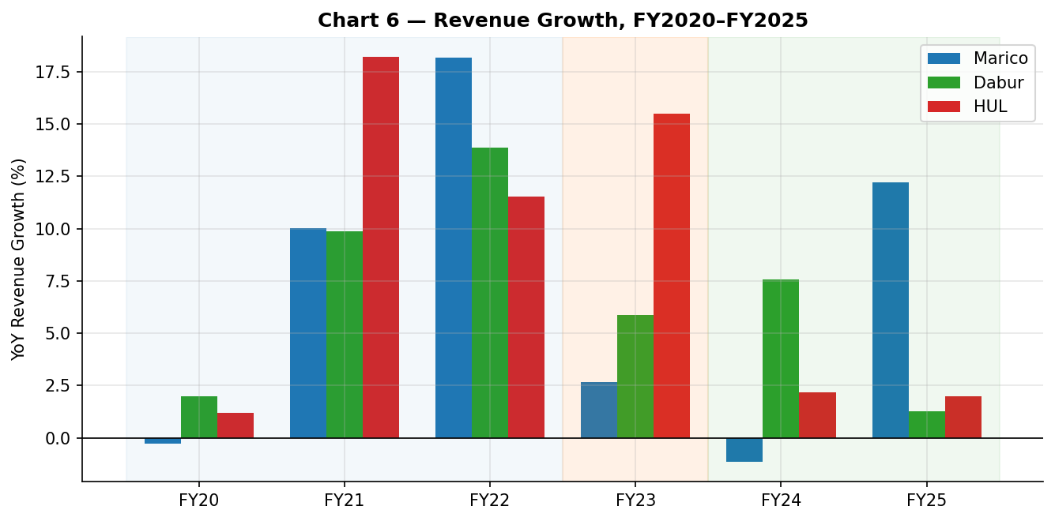
Chart Compendium — Quick-Commerce & FMCG Financial Performance (Marico · Dabur · HUL, FY2020–FY2025)
All six analysis charts compiled below. Source data: Comparison / Marico / Dabur / HUL sheets.

Chart 1 — Working Capital Cycle: DIO, DSO, DPO (lines) & CCC (bars), FY2020–FY2025
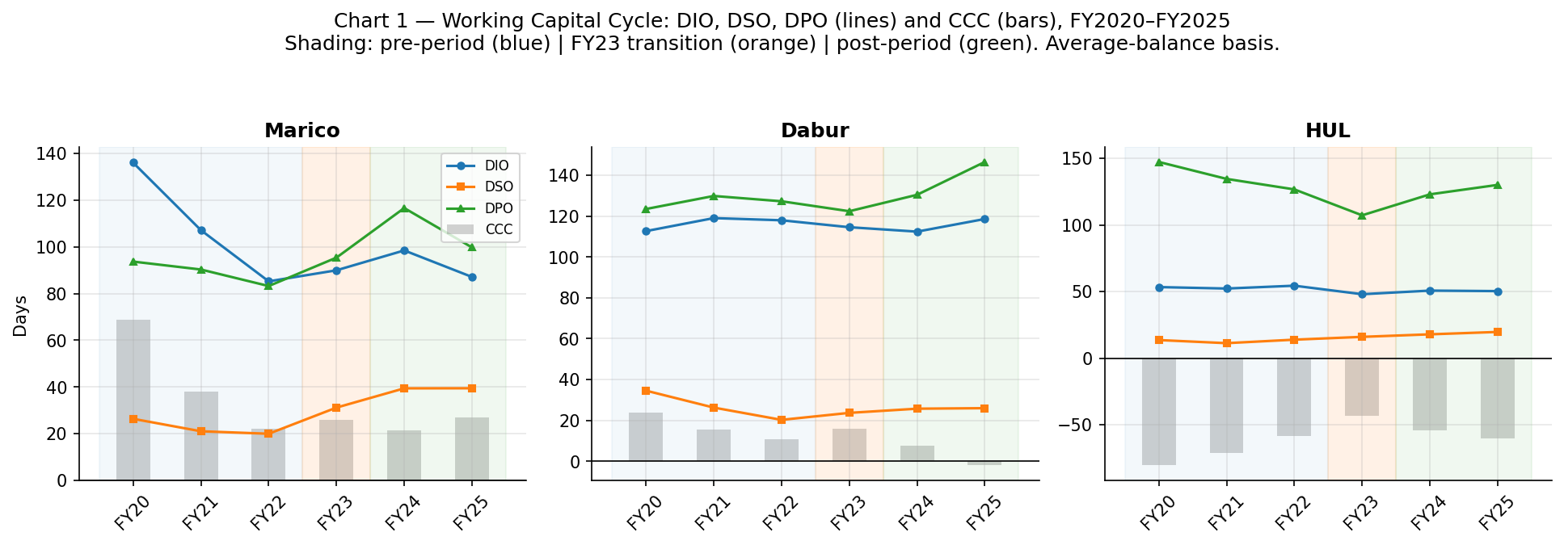

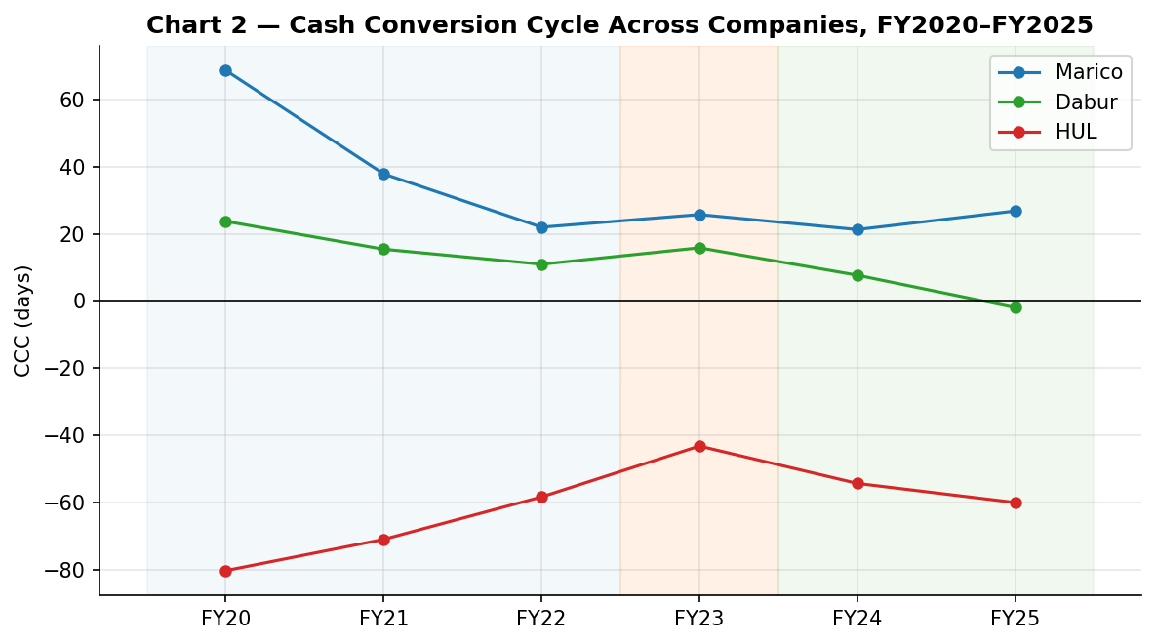
Chart 2 — Cash Conversion Cycle Across Companies, FY2020–FY2025

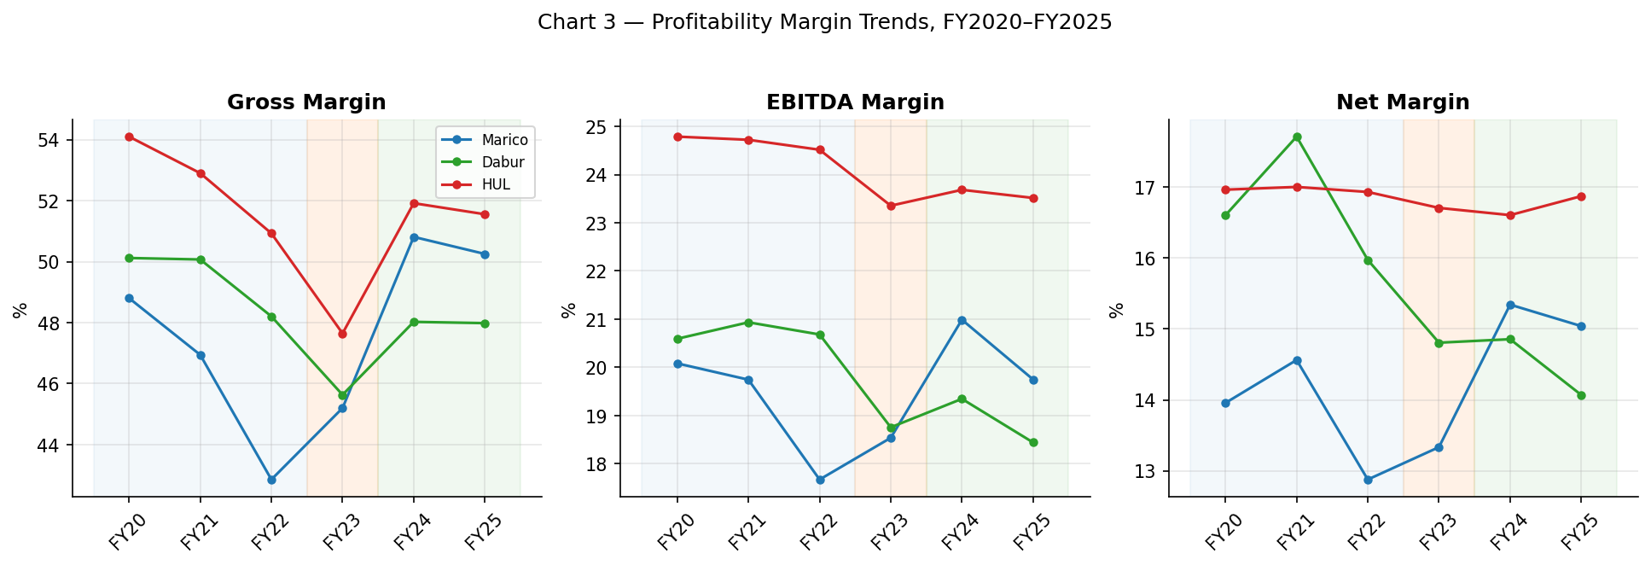
Chart 3 — Profitability Margin Trends (Gross / EBITDA / Net), FY2020–FY2025

Chart 4 — Return Metrics: ROCE & ROA, FY2020–FY2025
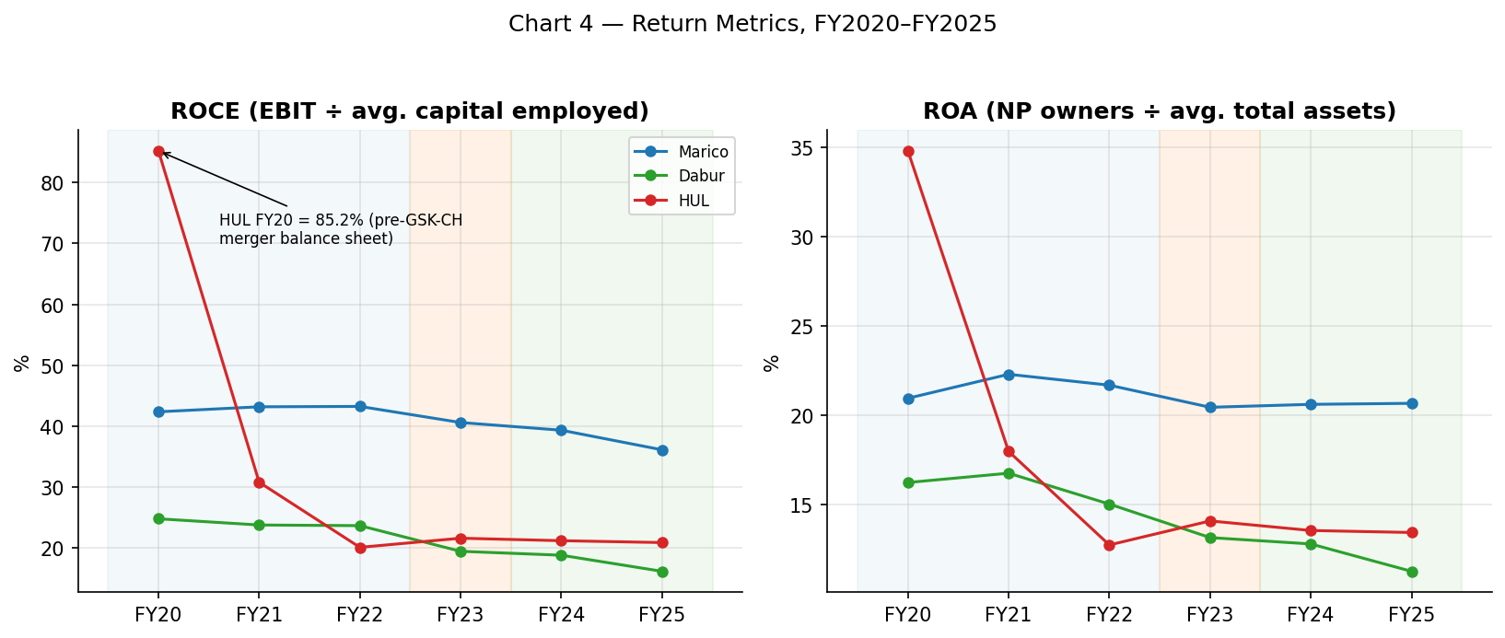

Chart 5 — Pre-Period vs Post-Period Averages (FY23 excluded)
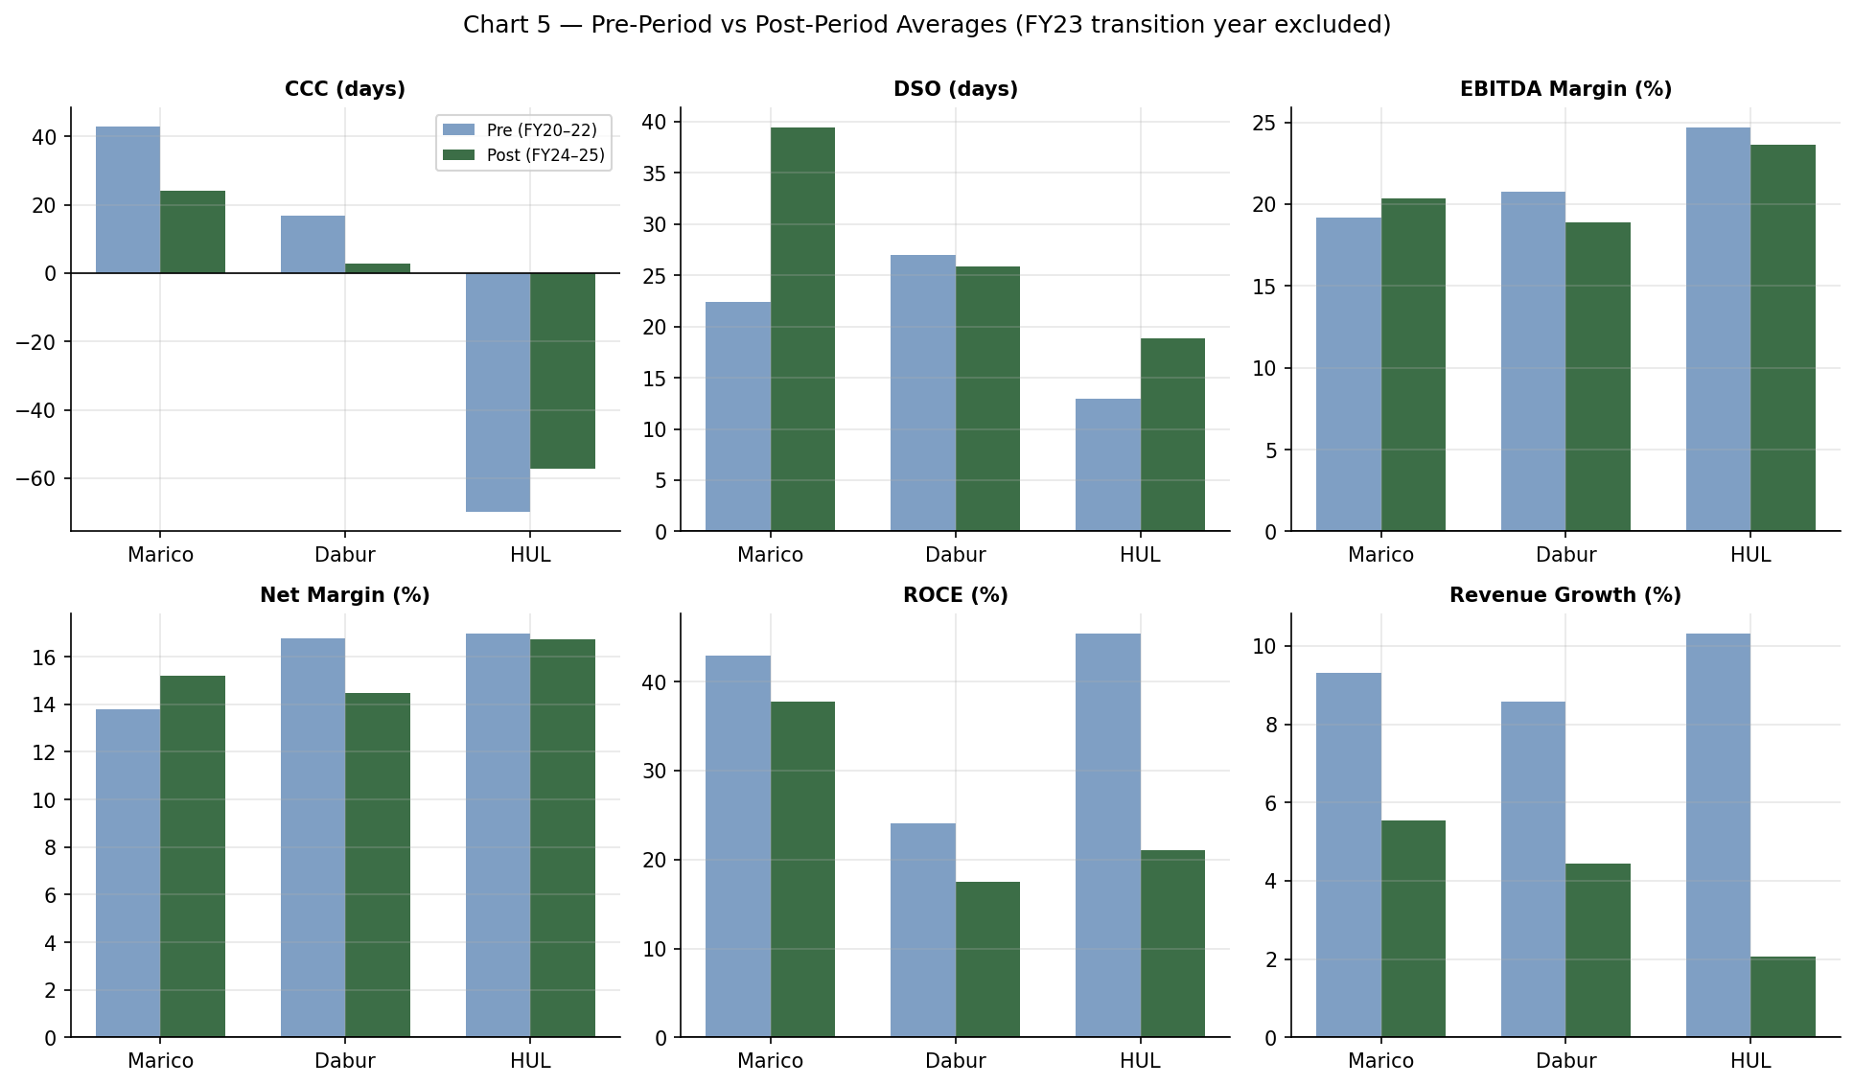

Chart 6 — Revenue Growth (YoY %), FY2020–FY2025

