Request Form
SUC FACULTY POSITION RECLASSIFICATION |  |  | SELECT OPTION | SELECT OPTION
REQUEST FORM |  |  | INSTRUCTOR I | NEW APPOINTMENT
 |  |  | INSTRUCTOR II | INSTITUTIONAL PROMOTION
PERSONAL INFORMATION |  |  | INSTRUCTOR III | NBC 461
LAST NAME: | VILLARICA |  | ASSISTANT PROFESSOR I
FIRST NAME, EXT.: | MIA |  | ASSISTANT PROFESSOR II
MIDDLE NAME: | VILLAR |  | ASSISTANT PROFESSOR III
 |  |  | ASSISTANT PROFESSOR IV
HIGHEST EDUCATIONAL ATTAINMENT |  |  | ASSOCIATE PROFESSOR I
NAME OF DEGREE: | DOCTOR OF INFORMATION TECHNOLOGY |  | ASSOCIATE PROFESSOR II
NAME OF HEI: | AMA UNIVERSITY |  | ASSOCIATE PROFESSOR III
YEAR GRADUATED: | 2016 |  | ASSOCIATE PROFESSOR IV
 |  |  | ASSOCIATE PROFESSOR V
CURRENT EMPLOYMENT STATUS |  |  | PROFESSOR I
CURRENT FACULTY RANK: |  | ASSISTANT PROFESSOR IV | PROFESSOR II
MODE OF APPOINTMENT: |  | NBC 461 | PROFESSOR III
DATE OF APPOINTMENT: |  | NOVEMBER 25, 2022 | PROFESSOR IV
NAME OF SUC: |  | LAGUNA STATE POLYTECHNIC UNIVERSITY | PROFESSOR V
CAMPUS: |  | SANTA CRUZ CAMPUS | PROFESSOR VI
ADDRESS: |  | BRGY. BUBUKAL, SANTA CRUZ LAGUNA | COLLEGE PROFESSOR
 |  |  | UNIVERSITY PROFESSOR
Attached to this request form are my self-accomplished Individual Summary Sheet (ISS) and its attached forms; checklist of evidence submitted; and photocopy of the sets of evidence based on my ISS. The electronic copies of the ISS and the evidence are available in my google drive that I will willingly share with the Evaluation Committees for the validation of the information submitted.

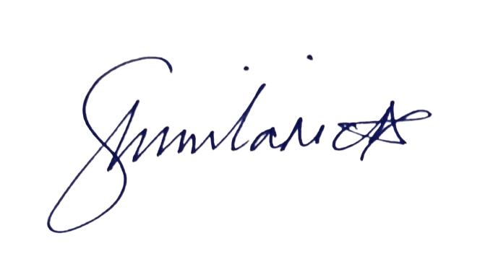
I attest that all information provided in this request for position reclassification are true, accurate and complete. I understand that any falsification of these documents may lead to my disqualification from position reclassification for this evaluation cycle.

MIA V. VILLARICA
2023-08-15

