Typical Table
Example of typical table - tallest buildings in the world (2004):
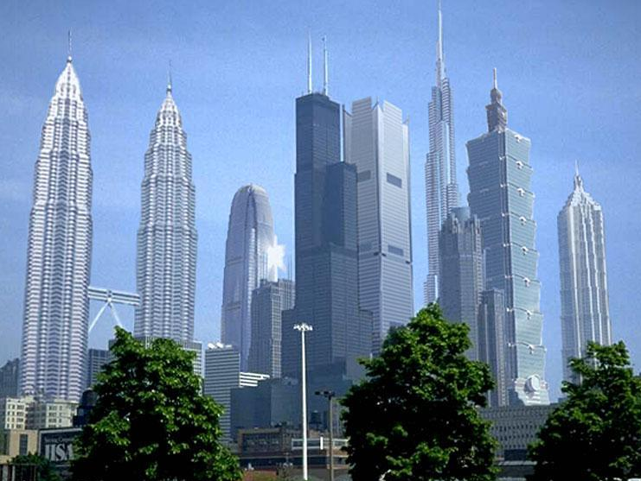

Rank | Building | City | Height |  | Floors | Built (Year)
 |  |  | Metric | Imperial
1 | Taipei 101 | Taipei | 509 m | 1671 ft | 101 | 2004 | T o p 1 0 | T o p 2 0
2 | Petronas Tower 1 | Kuala Lumpur | 452 m | 1483 ft | 88 | 1998
3 | Petronas Tower 2 | Kuala Lumpur | 452 m | 1483 ft | 88 | 1998
4 | Sears Tower | Chicago | 442 m | 1450 ft | 108 | 1974
5 | Jin Mao Tower | Shanghai | 421 m | 1380 ft | 88 | 1998
6 | 2 International Finance Centre | Hong Kong | 415 m | 1362 ft | 88 | 2003
7 | CITIC Plaza | Guangzhou | 391 m | 1283 ft | 80 | 1997
8 | Shun Hing Square | Shenzhen | 384 m | 1260 ft | 69 | 1996
9 | Empire State Building | New York City | 381 m | 1250 ft | 102 | 1931
10 | Central Plaza | Hong Kong | 374 m | 1227 ft | 78 | 1992
11 | Bank of China Tower | Hong Kong | 367 m | 1205 ft | 72 | 1990
12 | Emirates Office Tower | Dubai | 355 m | 1163 ft | 54 | 2000
13 | Tuntex Sky Tower | Kaohsiung | 348 m | 1140 ft | 85 | 1997
14 | Aon Center | Chicago | 346 m | 1136 ft | 83 | 1973
15 | The Center | Hong Kong | 346 m | 1135 ft | 73 | 1998
16 | John Hancock Center | Chicago | 344 m | 1127 ft | 100 | 1969
17 | Ryugyong Hotel | Pyongyang | 330 m | 1083 ft | 105 | 1992
18 | Burj Al Arab | Dubai | 321 m | 1053 ft | 60 | 1999
19 | Chrysler Building | New York City | 319 m | 1046 ft | 77 | 1930
20 | Bank of America Plaza | Atlanta | 312 m | 1023 ft | 55 | 1992

