Sheet1
Wind Shield | Front Angle (50-65) | Rear Window | Back Angle (70-85) | Roof Length | Image
73,983 | 51.01 | 71,918 | 77.68 | 239,313
72,530 | 52.45 | 71,150 | 80.94 | 245,799
68,557 | 57.01 | 73,551 | 72.80 | 242,128
66,128 | 60.41 | 71,008 | 81.69 | 258,291
67,645 | 58.22 | 70,585 | 84.52 | 258,840
67,370 | 58.60 | 71,415 | 79.69 | 253,325
72,107 | 52.89 | 73,587 | 72.71 | 235,831
74,598 | 50.43 | 72,292 | 76.39 | 236,675
68,023 | 57.71 | 71,993 | 77.41 | 249,176
63,979 | 64.00 | 73,849 | 72.07 | 250,426
63,526 | 64.85 | 72,868 | 74.63 | 254,895
64,099 | 63.78 | 73,836 | 72.10 | 250,193
68,999 | 56.45 | 71,337 | 80.04 | 250,735
72,993 | 51.98 | 73,920 | 71.90 | 233,283
63,620 | 64.67 | 71,971 | 77.49 | 258,399
71,196 | 53.87 | 72,134 | 76.92 | 242,904
64,011 | 63.94 | 74,082 | 71.52 | 249,604
69,600 | 55.71 | 70,920 | 82.19 | 252,358
72,424 | 52.56 | 70,932 | 82.12 | 247,454
73,043 | 51.93 | 72,953 | 74.39 | 236,536
68,349 | 57.28 | 70,867 | 82.51 | 255,024
69,167 | 56.24 | 72,580 | 75.48 | 244,572
67,107 | 58.97 | 71,570 | 79.03 | 252,995
66,807 | 59.40 | 72,344 | 76.22 | 249,967
68,364 | 57.26 | 71,910 | 77.71 | 248,927
70,190 | 55.01 | 71,714 | 78.45 | 246,598
66,828 | 59.37 | 72,583 | 75.47 | 248,948
74,630 | 50.40 | 72,710 | 75.09 | 234,927
66,925 | 59.23 | 72,136 | 76.91 | 250,631
73,579 | 51.40 | 70,636 | 84.10 | 248,041
67,587 | 58.30 | 71,063 | 81.39 | 255,053
65,520 | 61.36 | 71,013 | 81.66 | 259,503
73,952 | 51.04 | 72,610 | 75.39 | 236,393
68,387 | 57.23 | 70,930 | 82.13 | 254,479
70,328 | 54.85 | 74,099 | 71.48 | 237,181
70,173 | 55.03 | 71,684 | 78.57 | 246,782
70,837 | 54.27 | 73,171 | 73.79 | 239,414
66,121 | 60.42 | 74,222 | 71.20 | 244,648
67,270 | 58.74 | 74,496 | 70.59 | 241,542
67,420 | 58.53 | 73,422 | 73.13 | 244,703
74,214 | 50.79 | 71,813 | 78.07 | 239,446
73,796 | 51.19 | 73,017 | 74.21 | 235,087
71,917 | 53.09 | 72,228 | 76.60 | 241,277
69,960 | 55.28 | 70,611 | 84.30 | 254,347
70,980 | 54.11 | 71,355 | 79.96 | 247,157
72,815 | 52.16 | 74,405 | 70.79 | 232,057
69,370 | 55.99 | 71,320 | 80.12 | 250,168
67,800 | 58.01 | 73,287 | 73.48 | 244,449
63,903 | 64.14 | 74,369 | 70.87 | 248,963
66,420 | 59.97 | 70,658 | 83.93 | 260,495
66,677 | 59.59 | 73,318 | 73.40 | 246,510
68,690 | 56.84 | 74,547 | 70.48 | 238,726
73,093 | 51.88 | 73,329 | 73.37 | 235,100
70,837 | 54.27 | 72,989 | 74.29 | 240,078
73,785 | 51.20 | 73,996 | 71.72 | 231,763
70,757 | 54.36 | 74,328 | 70.96 | 235,729
66,814 | 59.39 | 70,963 | 81.94 | 257,236
68,967 | 56.49 | 70,905 | 82.28 | 253,607
65,037 | 62.15 | 73,395 | 73.20 | 249,611
74,172 | 50.83 | 73,782 | 72.23 | 231,840
73,579 | 51.40 | 74,743 | 70.06 | 229,812
68,480 | 57.11 | 73,652 | 72.55 | 241,934
72,560 | 52.42 | 73,619 | 72.63 | 234,977
64,817 | 62.52 | 72,580 | 75.48 | 253,101
72,404 | 52.58 | 73,757 | 72.29 | 234,773
66,677 | 59.59 | 70,888 | 82.38 | 258,056
68,136 | 57.56 | 71,449 | 79.54 | 251,686
73,304 | 51.67 | 72,939 | 74.43 | 236,166
63,678 | 64.56 | 70,893 | 82.35 | 264,416
68,565 | 57.00 | 72,826 | 74.75 | 244,708
73,569 | 51.41 | 73,500 | 72.93 | 233,744
65,133 | 61.99 | 70,790 | 83.00 | 261,992
73,682 | 51.30 | 72,081 | 77.10 | 239,046
69,708 | 55.58 | 73,068 | 74.07 | 241,749
72,657 | 52.32 | 72,900 | 74.54 | 237,362
67,645 | 58.22 | 72,246 | 76.54 | 248,764
64,283 | 63.45 | 73,231 | 73.63 | 251,835
64,953 | 62.29 | 71,042 | 81.50 | 260,503
68,318 | 57.32 | 73,890 | 71.97 | 241,448
66,246 | 60.23 | 73,216 | 73.67 | 247,728
68,824 | 56.67 | 70,607 | 84.33 | 256,415
72,824 | 52.15 | 74,369 | 70.87 | 232,150
73,426 | 51.55 | 73,563 | 72.77 | 233,758
72,279 | 52.71 | 71,704 | 78.49 | 243,109
66,063 | 60.51 | 70,854 | 82.59 | 259,548
72,250 | 52.74 | 74,213 | 71.22 | 233,572
65,533 | 61.34 | 70,831 | 82.73 | 260,813
64,965 | 62.27 | 71,361 | 79.93 | 258,501
65,390 | 61.57 | 72,626 | 75.34 | 251,695
69,427 | 55.92 | 74,524 | 70.53 | 237,464
63,668 | 64.58 | 71,758 | 78.28 | 259,301
64,418 | 63.21 | 73,141 | 73.87 | 251,852
72,775 | 52.20 | 72,128 | 76.94 | 240,304
71,470 | 53.57 | 70,984 | 81.82 | 248,665
73,193 | 51.78 | 71,372 | 79.88 | 243,383
64,395 | 63.25 | 70,703 | 83.60 | 264,341
68,076 | 57.64 | 70,970 | 81.90 | 254,770
72,805 | 52.17 | 70,725 | 83.44 | 248,474
74,814 | 50.23 | 71,858 | 77.90 | 238,285
63,521 | 64.86 | 71,787 | 78.17 | 259,504
63,914 | 64.12 | 74,400 | 70.80 | 248,842
63,806 | 64.32 | 70,609 | 84.32 | 266,569
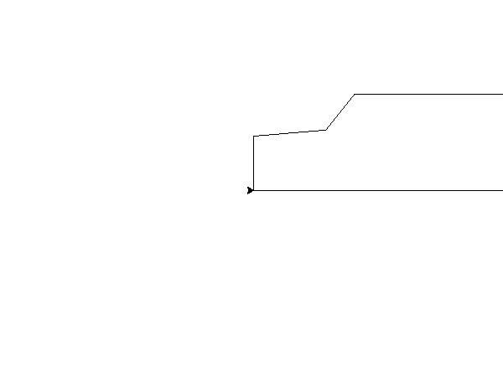
735.69 | 51.41 | 709.65 | 81.93 | 2453.56
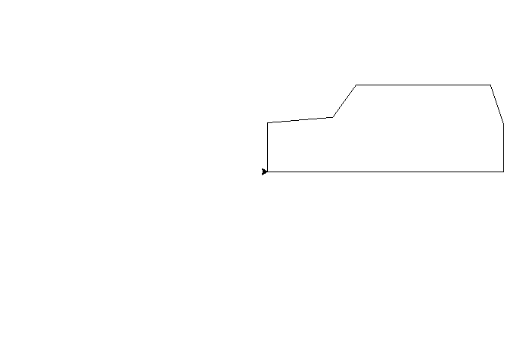
708.54 | 54.25 | 740.48 | 71.60 | 2364.37

