0 Getting The Compass
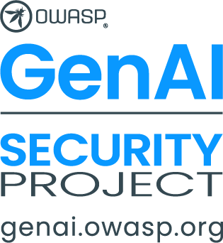

Getting Started

To begin using the compass you will need to create a copy of this spreadheet for your own use.

Simply go to the menu
File -> Make a Copy

To create a copy you can use for yourself.

This resource is provided under Creative commons Licensing, and has no warranty or support.

1 About
OWASP Threat Defense COMPASS V 1.0
Guiding AI and cybersecurity teams through the AI frontier to chart a threat resilient course
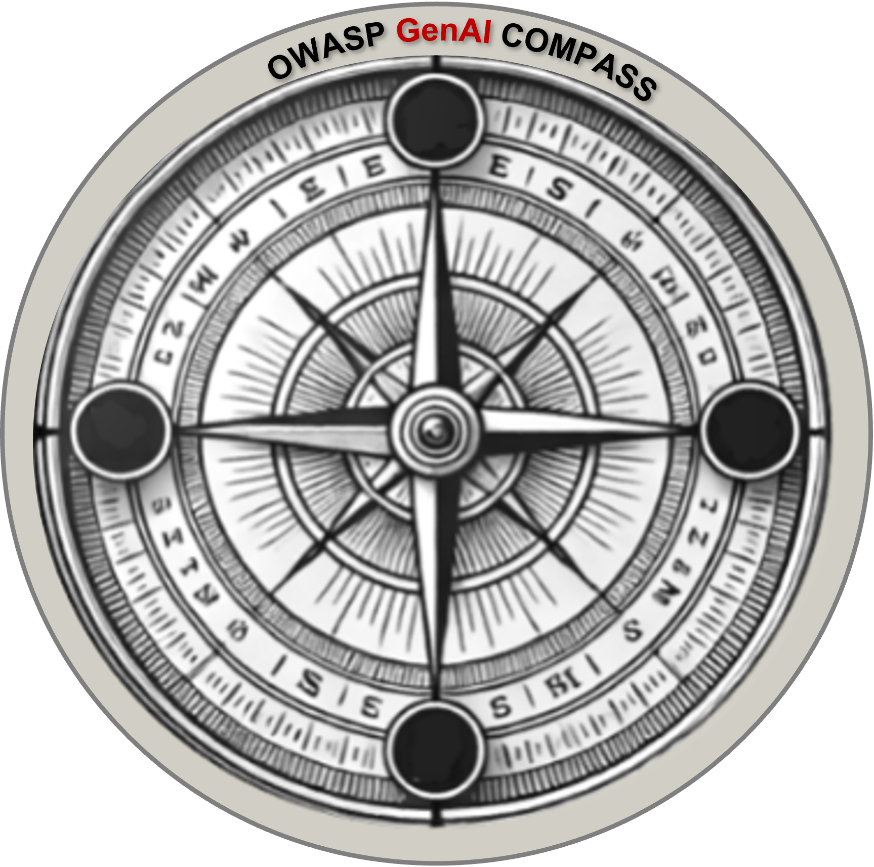

🗺️ What is the Purpose of this Workbook?
This workbook helps organizations identify, assess, and prioritize AI related threats across the AI lifecycle using consistent, structured scoring and decision making. Its mission is to help defenders and builders have a resilient, AI threat informed, strategy.

🤹🏻‍♂️ Who Should Use This ?
CISO: Set AI threat priorities and communicate executive-level risks
AI Red Teamer: Document and prioritize findings from adversarial testing
Security Engineer: Track vulnerabilities and align mitigations
Threat Intel Analyst: Consolidate emerging threats and incidents
Developer/AI Engineer: Understand model abuse risks and design securely

🎯 How to Use This Tool (Quick Start)
1. The workbook is designed to be used iteratively so you have the option to focus on the top threats for your immediate objective or organize all the threats for each profile into a list of strategic and tactical items to remediate, or duplicate the dashboard to track threats which apply to the overall organization's attack surface.
2. Go to Tab 2a Observe Objective Profile' and define what systems or use cases you're assessing.
3. Work through each OODA phase tab (Observe → Orient → Decide → Act) in order
3. Use the 1–5 scoring system to estimate likelihood and impact
4. Prioritize threats using the calculated scores (Likelihood × Impact)
5. Build a roadmap based on the results in Tab 9 Act: Act Strategy & Roadmap

🧭 Navigation (Click or Navigate to Each Tab)
Observe: Objective Dashboard | 2 Observe Objective Dashboard | This tab is the current status of rolled up organizational AI threats.
Observe: Objective Profile | 2a. Observe Objective Threat Profile | Use this tab to identify the Profile 1 & Profile 2 threats to your organization. Use the deployment types image to review organization's deployment types.
Observe: Attack Surface Analysis | 2b Observe Attack Surface Analysis | Use the Observe: Attack Surface Modeling Tab to estimate Threat-Risk
Orient Summary | 3 Orient Summary | Provided as an option to merge all issues identified during Orient into a single tab
Orient: Known Vulnerabilities | 3a Orient Known AI Vulnerabilities | Use the Orient:Known Vulnerabilities tab to research vulnerabilities related to the target objective. Consider trends or patterns. For example vulnerabilities in a specific category.
Orient: Incidents & Response | 3b Orient Known AI Incidents | Use the Orient Incident tab to research AI Incidents and impact costs if available. Update the existing table of example incidents / impacts costs with objective relevant information by using the links to reports, incident databases, legal cases, and regulatory information
Orient AI Incident Response Readiness | 3c Orient AI Incident Response Readiness | Use the Orient AI Incident Response Readiness to identify gaps in responding to AI incidents.
Orient: Red Team & Third Party | 3d Orient Red Team Security Review 6c Reference: Third Party Questions | Use the Red Teaming Test results tab to score identified vulnerabilities and the Reference Third Party Review Questions to track potential issues.
Orient: AI Red Team Results | 3e Orient AI Red Team Results | Use to score any vulnerabilities identified in AI Red Team or other types of testing.
Decide: Testing & Mitigations | 4 Decide Red Team or Vuln vs Mitigations | Use the mitigations tab to determine appropriate mitigations for the objective.
Act: Strategy & Roadmap | 5 Act Strategy & Roadmap | Document detailed action plan
Reference Tabs
 | 6 Reference: AI Security Matrix
 | 6a Reference: Defenses & Mitigations
 | 6b Reference: Incident Monitoring & Alerts
 | 6c Reference: AI Third Party Questions

⚽️ Scoring Legend Key
Impact Score | Impact Description
5 | Critical: Severe business disruption, regulatory or legal action, loss of life, or strategic failure.
4 | High: Significant financial, operational, or reputational damage.
3 | Moderate: Noticeable impact requiring cross-team response or mitigation.
2 | Low :Minor disruption: limited to a small system or team.
1 | Minimal: Negligible or no impact on business operations.
Likelihood Score | Likelihood Description
5 | Almost Certain: Threat is already happening or has been observed in the wild.
4 | Likely: High probability based on known vulnerabilities or exposure.
3 | Possible: Reasonable chance within the next year based on threat landscape.
2 | Unlikely: Can occur under specific conditions or attacker sophistication.
1 | Rare: Highly improbable or theoretical with current setup.
Score Range | Risk Level
20–25 | Critical
15–19 | High
10–14 | Moderate
5–9 | Low
1–4 | Minimal

LICENSE AND USAGE
This document is licensed under Creative Commons, CC BY-SA 4.0.
You are free to: Share, copy and redistribute the material in any medium or format for any purpose, even commercially. Adapt, remix, transform, and build upon the material for any purpose, even commercially. The licensor cannot revoke these freedoms as long as you follow the license terms. Under the following terms: Attribution, you must give appropriate credit, provide a link to the license, and indicate if changes were made. You may do so in any reasonable manner, but not in any way , that suggests the licensor endorses you or your use. ShareAlike: If you remix, transform, or build upon the material, you must distribute your contributions under the same license as the original No additional restrictions. You may not apply legal terms or technological measures that legally restrict others from doing anything the license permits.
Link to full license text: https://creativecommons.org/licenses/by-sa/4.0/legalcode

2a Observe Objective Threat Pr
2a Observe: Objective Threat Profile

Use this tab to identify the Profile 1 & Profile 2 threats to your organization. Use the deployment types image to review organization's deployment types.
Adding the business case objectives assists in keeping the mission objectives aligned.

Business Case Objective

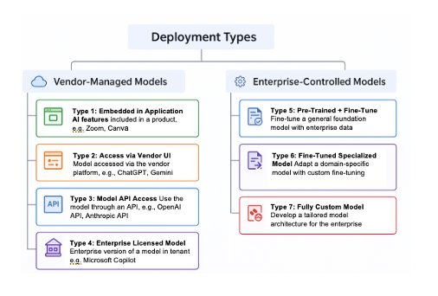

Profile 1: External Adversary | Threat Category / Attack Vector | Note | Initial Rating | Defenses & Mitigations
 | Deep Fakes : voice or image cloning
 | Deep Fakes : phishing or invoice fraud or misinformation
 | Adversary Attack w/ AI : Identity / Access
 | Adversary Attack w/ AI : vulnerability or supply chain
 | OSINT Gathering
Profile 2: Model Deployer | LLM01:2025 Prompt Injection
 | LLM02:2025 Sensitive Information Disclosure
 | LLM03:2025 Supply Chain
 | LLM04: Data and Model Poisoning
 | LLM05:2025 Improper Output Handling
 | LLM06:2025 Excessive Agency
 | LLM07:2025 System Prompt Leakage
 | LLM08:2025 Vector and Embedding Weaknesses
 | LLM09:2025 Misinformation
 | LLM10:2025 Unbounded Consumption
 | T1: Memory Poisoning
 | T2: Tool Misuse
 | T3: Privilege Compromise
 | T4: Resource Overload
 | T5: Cascading Hallucination Attacks
 | T6: Intent Breaking & Goal Manipulation
 | T7: Misaligned & Deceptive Behaviors
 | T8: Repudiation & Untraceability
 | T9: Identity Spoofing & Impersonation
 | T10: Overwhelming HITL
 | T11: Unexpected RCE and Code Attacks
 | T12: Agent Communication Poisoning
 | T13: Rogue Agents in Multi-Agent Systems
 | T14: Human Attacks on Multi-Agent Systems
 | T15: Human Manipulation
Profile 3: Model Provider | AI Supply Chain Attack
 | Data Exfiltration via AI
 | Data Poisoning
 | Model Evasion
 | Model Stealing / Extraction
 | Membership Inference
 | Model Inversion
 | AI Resource Hijacking
 | AI Denial of Service (DoS)

