Sheet1
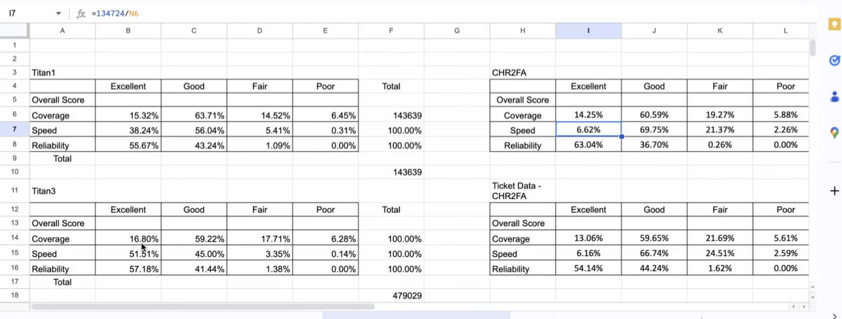

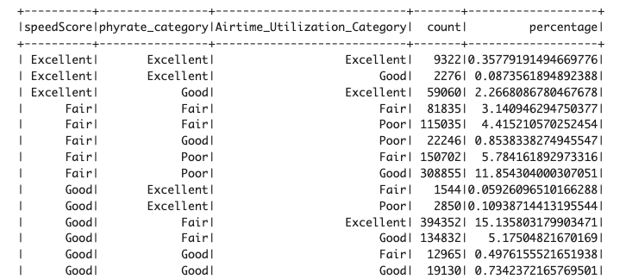

CHR2FA
Category | Airtime_Utilization_Count | Airtime_Utilization_Percentage | Phyrate_Count | Phyrate_Percentage | SpeedScore_Count | SpeedScore_Percentage
Excellent | 1,484,526 | 59.76% | 15,992 | 0.64% | 70,658 | 2.84%
Good | 465,093 | 18.72% | 113,401 | 4.56% | 1,587,465 | 63.90%
Fair | 247,046 | 9.94% | 726,054 | 29.23% | 678,673 | 27.32%
Poor | 287,631 | 11.58% | 1,628,849 | 65.57% | 147,500 | 5.94%
Titan 1
Category | Airtime_Utilization_Count | Airtime_Utilization_Percentage | Phyrate_Count | Phyrate_Percentage | SpeedScore_Count | SpeedScore_Percentage
Excellent | 462,243 | 69.48% | 45,771 | 7.87% | 211,141 | 36.30%
Good | 75,849 | 13.04% | 207,183 | 35.62% | 331,652 | 57.02%
Fair | 28,721 | 4.94% | 270,660 | 46.54% | 37,275 | 6.41%
Poor | 14,787 | 2.54% | 57,986 | 9.97% | 1,532 | 0.26%

StationHistory
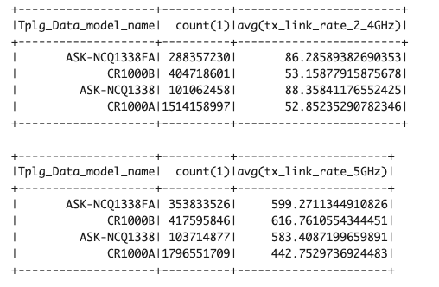
 |  |  |  | thresholds = {
 |  |  |  | "2_4GHz": {"Poor": 80, "Fair": 100, "Good": 120, },
 |  |  |  | "5GHz": {"Poor": 200, "Fair": 300, "Good": 500, },
 |  |  |  | "6GHz": {"Poor": 200, "Fair": 300, "Good": 500, }
 |  |  |  | }

