Boot Interface
General Bootloader frame format
- Little Endiannes - Binary Interface

byte | 0 | 1 | 2 | 3 | 4 | 5 | 6 | 7 | 8 | 9 | 10 | 11 | … | N
 | Bootloader Header |  |  |  |  |  |  |  | Bootloader Payload

Bootloader Header Definition

byte | 0 | 1 | 2 | 3 | 4 | 5 | 6 | 7
 | Bootloader Header
field | Preamble |  | Length |  | Source | Command | Status | CRC
value | 0xB0 | 0x07 | len[7:0] | len[15:8] | src[7:0] | cmd[7:0] | stat[7:0] | crc[7:0]

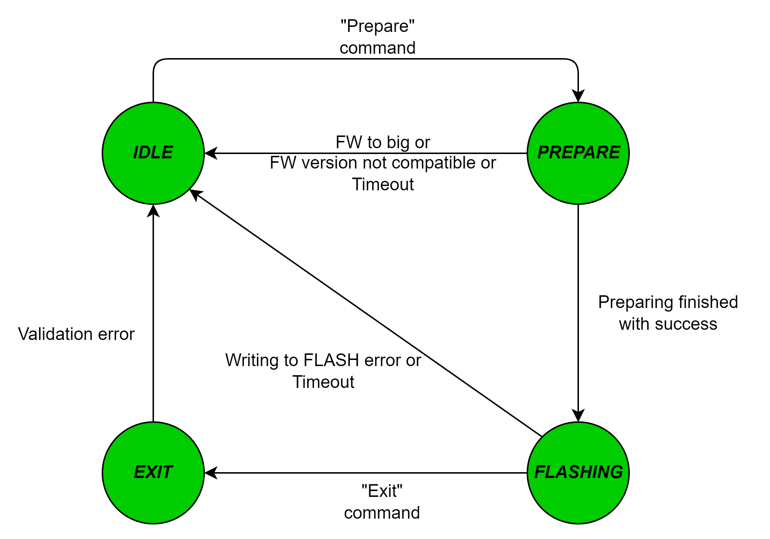
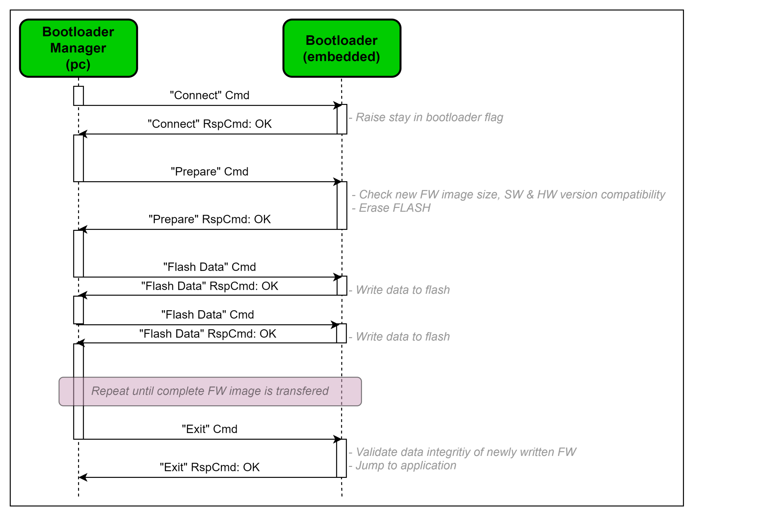
Field |  | Description
Preamble |  | Fixed value preamble: "\xB0\x07"
Source |  | Message source 0x2B: To bootloader, message flow is from PC or other system to bootloader, 0xB2: From bootloader, message data flow goes from bootloader to PC or other system other values: Ignore
Command |  | Command type 0x10: Connect 0x11: Connect response 0x20: Prepare 0x21: Prepare response 0x30: Flash data 0x31: Flash data response 0x41: Exit (jump to application) 0x41: Exit response 0xA0: Information command 0xA1: Information response command other values: Ignore
Status |  | Message Status Message status field is being used as a response to command. 0x00: Normal operation (no error) 0x01: Validation error 0x02: Invalid request (wrong sequence) 0x04: Writing to FLASH error 0x08: Preparing (erasing) FLASH error 0x10: Firmware image size error 0x20: Firmware compatibility error 0x40: Hadrware compatibility error 0x80: Reserved
Length |  | Payload length in bytes
CRC |  | 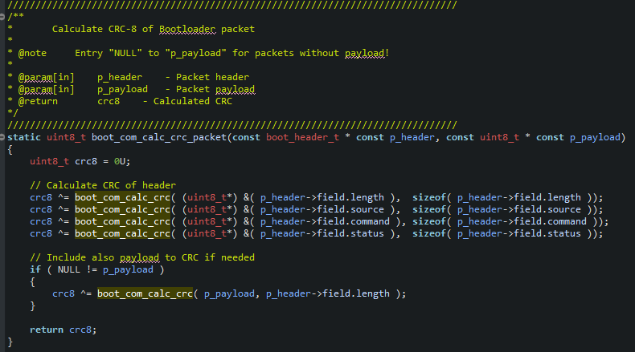 CRC checksum of following fields: - Source - Command - Status - Length - Payload (in case of "Flash data" command) CRC-8 calculation details: - Polynom: 0x07 (CRC-8-CCITT) - Custom seed: 0xB6 - Message CRC calculation shall be done as:

Connect command

byte | 0 | 1 | 2 | 3 | 4 | 5 | 6 | 7
 | Bootloader Header
field | Preamble |  | Length |  | Source | Command | Status | CRC
value | 0xB0 | 0x07 | 0x00 | 0x00 | 0x2B | 0x10 | 0x00 | 0x9B

Event |  | Description
On Transmit |  | The Connect command is being generated by Bootloader Manager (PC application) when starting a bootloading procedure.
On Receive |  | On receip of this command bootloader shall evaluate command and response according to: 1. If bootloader is in "IDLE" state, then it shall return "OK" status 2. If bootloader is not in "IDLE" state, then it shall return "Invalid request" error Successful command will result to stay in bootloader, until "bootloader exit timeout" time passes.

Connect response command

OK RESPONSE |  |  |  |  |  |  |  |  |  | INVALID REQUEST ERROR RESPONSE
byte | 0 | 1 | 2 | 3 | 4 | 5 | 6 | 7 |  | byte | 0 | 1 | 2 | 3 | 4 | 5 | 6 | 7
 | Bootloader Header |  |  |  |  |  |  |  |  |  | Bootloader Header
field | Preamble |  | Length |  | Source | Command | Status | CRC |  | field | Preamble |  | Length |  | Source | Command | Status | CRC
value | 0xB0 | 0x07 | 0x00 | 0x00 | 0xB2 | 0x11 | 0x00 | 0x5A |  | value | 0xB0 | 0x07 | 0x00 | 0x00 | 0xB2 | 0x11 | 0x02 | 0x54

Event |  | Description
On Transmit |  | Connect Response command is being generated by Bootloader (embedded) on reception of Connect command.
On Receive |  | On receipt of that command Bootloader Manager (PC Application) shall evalute command and response according to: 1. If response is "OK", then continue with FW upgrade procedure 2. If response is not "OK", then cancel FW upgrade procedure and report error

Prepare command
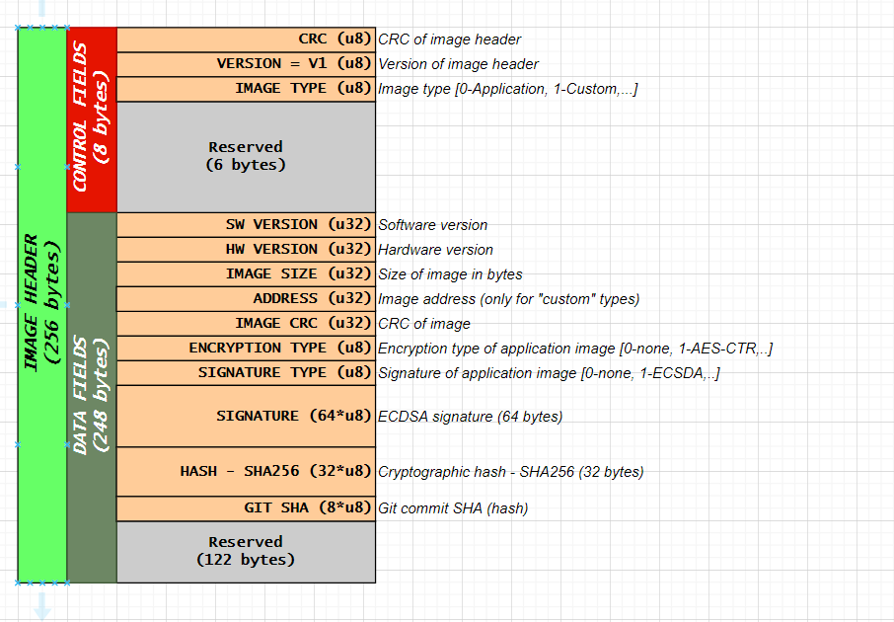
byte | 0 | 1 | 2 | 3 | 4 | 5 | 6 | 7 | 8 | 9 | … | 264
 | Bootloader Header |  |  |  |  |  |  |  | Bootloader Payload
field | Preamble |  | Length |  | Source | Command | Status | CRC | Image header
value | 0xB0 | 0x07 | 0x00 | 0x01 | 0x2B | 0x20 | 0x00 | crc[7:0]

Field |  | Description
CRC |  | CRC-8 calculations based on following fields: - Source - Command - Status - Length - Image header
Image header |  | Image header as defined in "Revision" submodule

Event |  | Description
On Transmit |  | The Prepare command is being generated by Bootloader Manager (PC application) after successfull connection to bootloader.
On Receive |  | On receip of that command bootlaoder shall evaluate command and response according to: 1. If bootloader is not in "IDLE" state, then it shall return "Invalid request" error, 2. if checking for FW image is enable (BOOT_CFG_FW_SIZE_CHECK_EN), then it shall check if new FW image fits into application flash size and return "Firmware image size error" status, 3. if checking for FW version is enable (BOOT_CFG_FW_VER_CHECK_EN), then it shall check for new FW image compatibility and return "Firmware compatibility error" status, 4. If checking for HW version is enable(BOOT_CFG_HW_VER_CHECK_EN), then it shall check for HW compatibility and return "Firmware compatibility errorr" status, 5. If preparing (erasing) application flash region result in error, then it shall return "Preparing (erasing) FLASH error" status

Prepare response command

OK RESPONSE |  |  |  |  |  |  |  |  |  | INVALID REQUEST ERROR RESPONSE |  |  |  |  |  |  |  |  |  | FIRMWARE IMAGE SIZE ERROR RESPONSE
byte | 0 | 1 | 2 | 3 | 4 | 5 | 6 | 7 |  | byte | 0 | 1 | 2 | 3 | 4 | 5 | 6 | 7 |  | byte | 0 | 1 | 2 | 3 | 4 | 5 | 6 | 7
 | Bootloader Header |  |  |  |  |  |  |  |  |  | Bootloader Header |  |  |  |  |  |  |  |  |  | Bootloader Header
field | Preamble |  | Length |  | Source | Command | Status | CRC |  | field | Preamble |  | Length |  | Source | Command | Status | CRC |  | field | Preamble |  | Length |  | Source | Command | Status | CRC
value | 0xB0 | 0x07 | 0x00 | 0x00 | 0xB2 | 0x21 | 0x00 | 0xCA |  | value | 0xB0 | 0x07 | 0x00 | 0x00 | 0xB2 | 0x21 | 0x02 | 0xC4 |  | value | 0xB0 | 0x07 | 0x00 | 0x00 | 0xB2 | 0x21 | 0x10 | 0xBA

 |  |  |  |  |  |  |  |  |  | FIRMWARE COPATIBILITY ERROR RESPONSE |  |  |  |  |  |  |  |  |  | PREPARING FLASH ERROR RESPONSE
 |  |  |  |  |  |  |  |  |  | byte | 0 | 1 | 2 | 3 | 4 | 5 | 6 | 7 |  | byte | 0 | 1 | 2 | 3 | 4 | 5 | 6 | 7
 |  |  |  |  |  |  |  |  |  |  | Bootloader Header |  |  |  |  |  |  |  |  |  | Bootloader Header
 |  |  |  |  |  |  |  |  |  | field | Preamble |  | Length |  | Source | Command | Status | CRC |  | field | Preamble |  | Length |  | Source | Command | Status | CRC
 |  |  |  |  |  |  |  |  |  | value | 0xB0 | 0x07 | 0x00 | 0x00 | 0xB2 | 0x21 | 0x20 | 0x2A |  | value | 0xB0 | 0x07 | 0x00 | 0x00 | 0xB2 | 0x21 | 0x08 | 0xF2

Event |  | Description
On Transmit |  | Prepare response command is being generated by Bootloader (embedded) on reception of Prepare command.
On Receive |  | On receip of that command Bootloader Manager (PC app) shall evaluate command and response according to: 1. If response is "OK", then continue with FW upgrade procedure 2. If response is not "OK", then cancel FW upgrade procedure and report error

Flash Data command

byte | 0 | 1 | 2 | 3 | 4 | 5 | 6 | 7 | 8 | 9 | … | LEN
 | Bootloader Header |  |  |  |  |  |  |  | Bootloader Payload
field | Preamble |  | Length |  | Source | Command | Status | CRC | Binary data of new firmware
value | 0xB0 | 0x07 | LEN[7:0] | LEN[15:8] | 0x2B | 0x30 | 0x00 | crc[7:0] | data[0] | data[1] | … | data[LEN]

Field |  | Description
CRC |  | CRC-8 calculations based on following fields: - Source - Command - Status - Length - Binary data of new firmware
Binary data of new firmware |  | Binary stream of new firmware image

Event |  | Description
On Transmit |  | The Flash Data command is being generated by Bootloader Manager (PC application) after successfull preparation phase (flash erase).
On Receive |  | On receip of that command bootloader shall evaluate command and response according to: 1. If bootloader is not in "FLASHING" state, then it shall return "Invalid request" error, 2. If bootloader is in "FLASHING" state, then it shall continue to write to flash

Flash Data response command

OK RESPONSE |  |  |  |  |  |  |  |  |  | INVALID REQUEST ERROR RESPONSE |  |  |  |  |  |  |  |  |  | WRITING TO FLASH ERROR RESPONSE
byte | 0 | 1 | 2 | 3 | 4 | 5 | 6 | 7 |  | byte | 0 | 1 | 2 | 3 | 4 | 5 | 6 | 7 |  | byte | 0 | 1 | 2 | 3 | 4 | 5 | 6 | 7
 | Bootloader Header |  |  |  |  |  |  |  |  |  | Bootloader Header |  |  |  |  |  |  |  |  |  | Bootloader Header
field | Preamble |  | Length |  | Source | Command | Status | CRC |  | field | Preamble |  | Length |  | Source | Command | Status | CRC |  | field | Preamble |  | Length |  | Source | Command | Status | CRC
value | 0xB0 | 0x07 | 0x00 | 0x00 | 0xB2 | 0x31 | 0x00 | 0xBA |  | value | 0xB0 | 0x07 | 0x00 | 0x00 | 0xB2 | 0x31 | 0x02 | 0xB4 |  | value | 0xB0 | 0x07 | 0x00 | 0x00 | 0xB2 | 0x31 | 0x04 | 0xA6

Event |  | Description
On Transmit |  | Flash Data response command is being generated by Bootloader (embedded) after write binary data to flash. Writing to flash is triggered on reception of Flash Data command.
On Receive |  | On receip of that command Bootloader Manager (PC app) shall evaluate command and response according to: 1. If response is "OK", then continue with FW upgrade procedure 2. If response is not "OK", then cancel FW upgrade procedure and report error

Exit command

byte | 0 | 1 | 2 | 3 | 4 | 5 | 6 | 7
 | Bootloader Header
field | Preamble |  | Length |  | Source | Command | Status | CRC
value | 0xB0 | 0x07 | 0x00 | 0x00 | 0x2B | 0x40 | 0x00 | 0x2C

Event |  | Description
On Transmit |  | Exit command shall be generated after final "Flash Data" command is executed, after complete fw image transfer.
On Receive |  | On receip of that command bootloader shall evaluate command and response according to: 1. If bootloader is not in "FLASHING" state, then it shall return "Invalid request" error, 2. If bootloader is in "FLASHING" state, then it shall validate new FW image in internal microprocessor flash. If validtion is "OK", then is shall return status "OK", otherwise "Validation error" NOTE: Validation of new fw image placed in microcontroller internal flash is based on CRC checksum.

Exit response command

OK RESPONSE |  |  |  |  |  |  |  |  |  | INVALID REQUEST ERROR RESPONSE |  |  |  |  |  |  |  |  |  | VALIDATION ERROR RESPONSE
byte | 0 | 1 | 2 | 3 | 4 | 5 | 6 | 7 |  | byte | 0 | 1 | 2 | 3 | 4 | 5 | 6 | 7 |  | byte | 0 | 1 | 2 | 3 | 4 | 5 | 6 | 7
 | Bootloader Header |  |  |  |  |  |  |  |  |  | Bootloader Header |  |  |  |  |  |  |  |  |  | Bootloader Header
field | Preamble |  | Length |  | Source | Command | Status | CRC |  | field | Preamble |  | Length |  | Source | Command | Status | CRC |  | field | Preamble |  | Length |  | Source | Command | Status | CRC
value | 0xB0 | 0x07 | 0x00 | 0x00 | 0xB2 | 0x41 | 0x00 | 0xED |  | value | 0xB0 | 0x07 | 0x00 | 0x00 | 0xB2 | 0x41 | 0x02 | 0xE3 |  | value | 0xB0 | 0x07 | 0x00 | 0x00 | 0xB2 | 0x41 | 0x01 | 0xEA

Event |  | Description
On Transmit |  | Exit response command is being generated by Bootloader (embedded) on reception of Exit command.
On Receive |  | On receip of that command Bootloader Manager (PC app) shall evaluate command and response according to: 1. If response is "OK", then FW upgrade is finished with success 2. If response is not "OK", then cancel FW upgrade procedure and report error

Information command

byte | 0 | 1 | 2 | 3 | 4 | 5 | 6 | 7
 | Bootloader Header
field | Preamble |  | Length |  | Source | Command | Status | CRC
value | 0xB0 | 0x07 | 0x00 | 0x00 | 0x2B | 0xA0 | 0x00 | 0x82

Event |  | Description
On Transmit |  | Information command shall be generated by Bootloader Manager (pc app) in order to acquire bootloader FW version.
On Receive |  | On receip of that command bootloader shall evaluate command and response according to: 1. If bootloader is not in "IDLE" state, then it shall return "Invalid request" error, 2. If bootloader is in "IDLE" state, then it shall return with "Information response" command

Information response command

OK RESPONSE |  |  |  |  |  |  |  |  |  |  |  |  |  | INVALID REQUEST ERROR RESPONSE
byte | 0 | 1 | 2 | 3 | 4 | 5 | 6 | 7 | 8 | 9 | 10 | 11 |  | byte | 0 | 1 | 2 | 3 | 4 | 5 | 6 | 7
 | Bootloader Header |  |  |  |  |  |  |  | Bootloader Payload |  |  |  |  |  | Bootloader Header
field | Preamble |  | Length |  | Source | Command | Status | CRC | Bootloader version |  |  |  |  | field | Preamble |  | Length |  | Source | Command | Status | CRC
value | 0xB0 | 0x07 | 0x04 | 0x00 | 0xB2 | 0xA1 | 0x00 | crc[7:0] | tt[7:0] | dd[15:8] | mm[23:16] | MM[31:24] |  | value | 0xB0 | 0x07 | 0x00 | 0x00 | 0xB2 | 0xA1 | 0x02 | 0x4D

Field |  | Description
CRC |  | CRC-8 calculations based on following fields: - Source - Command - Status - Length - Bootloader version
Bootloader version |  | New firmware image hardware support version. Version is coded as hexadecimal format 0xMMmmddtt, where: - MM: major software number, - mm: minor software number, - dd: develop software number, - tt: test software number

Event |  | Description
On Transmit |  | Information response command is being generated by Bootloader (embedded) on reception of Information command.
On Receive |  | On receip of that command Bootloader Manager (PC app) shall evaluate command and response according to: 1. If response is "OK", then bootloader information can be obtain 2. If response is not "OK", then FW upgrade procudere do not follow bootloader sequence

