Image header
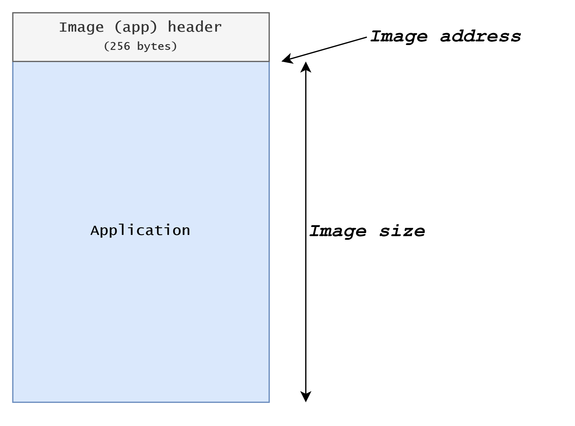
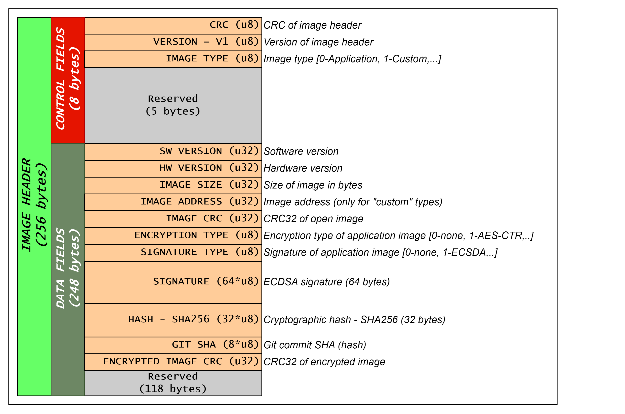
Field | Description | Offset | Size [bytes] | Filled by post-build script
CRC | Image header CRC value All fields beside CRC itself is part of the calculation. | 0 | 1 | YES
Version | Image header version | 1 | 1 | NO
Image type | Image type options: 0: Application 1: Custom other: Reserved | 2 | 1 | YES
Reserved |  | 3 | 5 | NO
Image SW version | Image software version Version is coded as hexadecimal format 0xMMmmddtt, where: - MM: major software number, - mm: minor software number, - dd: develop software number, - tt: test software number | 8 | 4 | NO
Image HW version | Image hardware version Version is coded same as SW version | 12 | 4 | NO
Image size | Image size in bytes NOTE: This is only image size, without counting in size of header! | 16 | 4 | YES
Image address | Image absolute address in case of "Custom" image type option. | 20 | 4 | YES
Image CRC | Image CRC NOTE: Image CRC is calculated only on image part, wihtout header! | 24 | 4 | YES
Enc type | Encryption type: 0: None (binary is not encrypted) 1: AES-CTR encryption other: Reserved | 28 | 1 | YES
Sig type | Digital signature type: 0: None (image is not signed) 1: ECSDA other: Reserved | 29 | 1 | YES
Signature | Signature of the image | 30 | 64 | YES
Hash | Image hash - SHA256 | 94 | 32 | YES
Git SHA | Git commit SHA (hash) | 126 | 8 | YES
Encrypted image CRC | Encrypted image CRC NOTE: Encrypted image CRC is calculated only on image part, without header. Applicable only for encrypted images, enc_type is not "none"! | 134 | 4 | YES
Reserved |  | 138 | 118 | NO

