Add Locations Form
 | ADD LOCATIONS |  |  | Go to Page

 |  |  |  | A Location is a specific, physical place with an address. Locations appear in the Location section of Users profile.
* - required fields
 |  | Name*

 |  |  |  | Steps to add a Location:
 |  |  |  | 1) In the Name box, type the location name that you want to appear on user profiles
 |  | Address Line 1* | Address Line 2
 |  |  |  | 2) In the Address Line 1 and Address Line 2 box, specify the location’s address. Do not include information about floors

 |  |  |  | 3) Enter the City, State , zip/Postal Code and Country details for your location in the respective fields

 |  | City* | State/Province/Region* | 4) Enter the Emergency number if you want to use the Location with Sites to enable emergency calling services for the sie

 |  | Zip/Postal Code* | Country* | 5) Select the usage type of the emergency number
 |  |  |  | Select one of the following:
 | Emergency Number |  | Type | Use as the ANI only if the phone or user doesn’t have a phone number — Only use this number if no other identifying information is available.

 |  |  |  | Always use as the ANI — Always use this number, even if other information is available. When you select this option, any call from a phone associated with the location’s site sends this ANI to emergency services.
 |  | Notes

 |  |  |  | 6) Optionally, Enter any notes /description or any additional information about the location

 |  |  |  | 7) Click Save (or click Reset if you want to clear the exisiting details in the form )

 |  |  |  | 8) Click on Search to find and display a record by Name
 |  |  |  | 9) Click on Update to save changes made to the record found by using Search option.

Afghanistan
Aland Islands |  | Example:
Albania
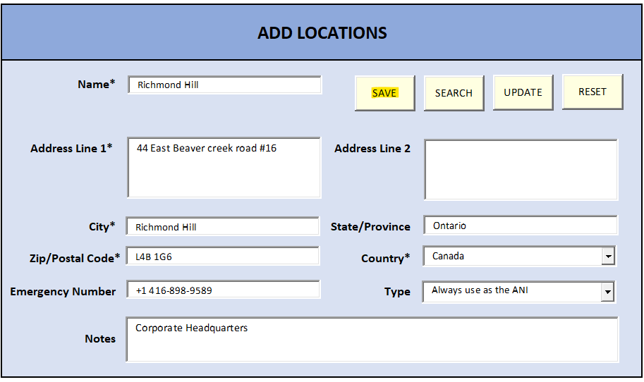
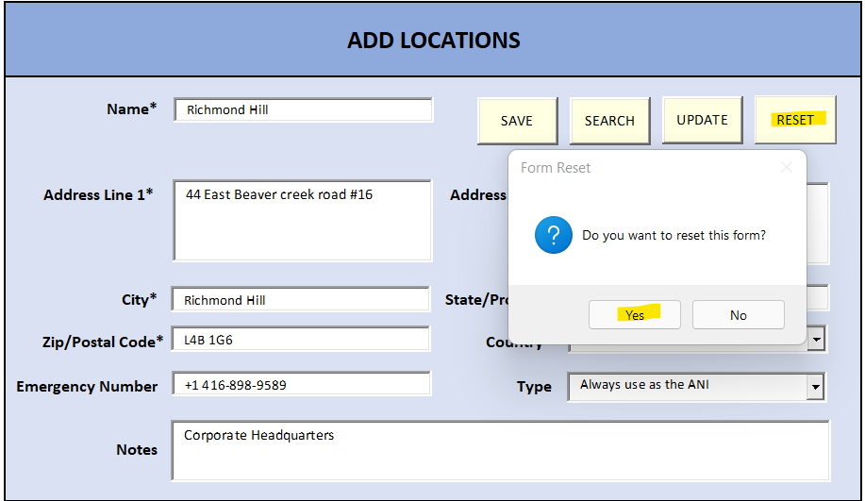
Algeria
American Samoa
Andorra
Angola
Anguilla
Antarctica
Antigua and Barbuda
Argentina
Armenia
Aruba
Australia
Austria
Azerbaijan
Bahamas
Bahrain
Bangladesh
Barbados
Belarus
Belgium
Belize
Benin
Bermuda
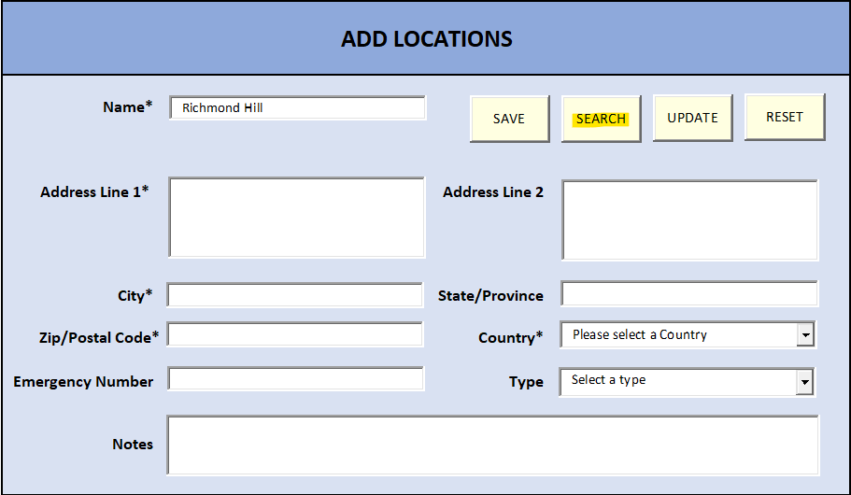
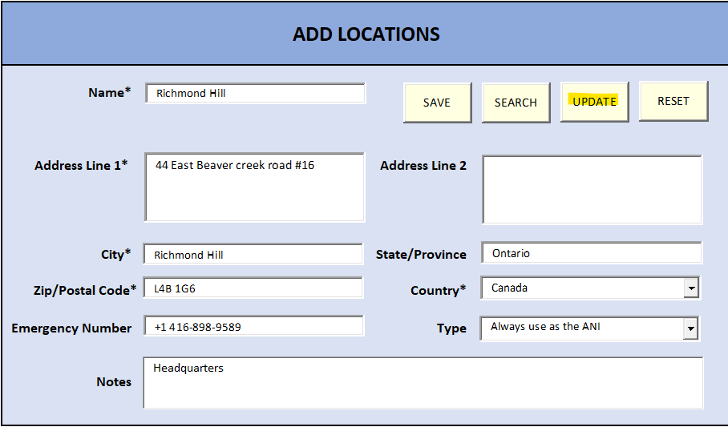
Bhutan
Bolivia
Bosnia and Herzegovina
Botswana
Bouvet Island
Brazil
British Indian Ocean Territory
Brunei Darussalam
Bulgaria
Burkina Faso
Burundi
Cambodia
Cameroon
Canada
Cape Verde
Cayman Islands
Central African Republic
Chad
Chile
China
Christmas Island
Cocos (Keeling) Islands
Colombia
Comoros
Congo
Congo, The Democratic Republic of the
Cook Islands
Costa Rica
Cote D\'Ivoire
Croatia
Cuba
Cyprus
Czech Republic
Democratic Republic of the Congo
Denmark
Djibouti
Dominica
Dominican Republic
Ecuador
Egypt
El Salvador
Equatorial Guinea
Eritrea
Estonia
Ethiopia
Falkland Islands (Malvinas)
Faroe Islands
Fiji
Finland
France
French Guiana
French Polynesia
French Southern Territories
Gabon
Gambia
Georgia
Germany
Ghana
Gibraltar
Greece
Greenland
Grenada
Guadeloupe
Guam
Guatemala
Guernsey
Guinea
Guinea-Bissau
Guyana
Haiti
Heart Island and Mcdonald Islands
Holy See (Vatican City State)
Honduras
Hong Kong
Hungary
Iceland
India
Indonesia
Iran, Islamic Republic Of
Iraq
Ireland
Isle of Man
Israel
Italy
Jamaica
Japan
Jersey
Jordan
Kazakhstan
Kenya
Kiribati
Korea, Democratic People\'s Republic of
Korea, Republic of
Kosovo
Kuwait
Kyrgyzstan
Lao People\'s Democratic Republic
Latvia
Lebanon
Lesotho
Liberia
Libyan Arab Jamahiriya
Liechtenstein
Lithuania
Luxembourg
Macau
Macedonia, The Former Yugoslav Republic of
Madagascar
Malawi
Malaysia
Maldives
Mali
Malta
Marshall Islands
Martinique
Mauritania
Mauritius
Mayotte
Mexico
Micronesia, Federation States of
Moldova, Republic of
Monaco
Mongolia
Montenegro
Montserrat
Morocco
Mozambique
Myanmar
Namibia
Nauru
Nepal
Netherlands
Netherlands Antilles
New Caledonia
New Zealand
Nicaragua
Niger
Nigeria
Niue
Norfolk Island
Northern Mariana Islands
Norway
Oman
Pakistan
Palau
Palestinian Territory, Occupied
Panama
Papua New Guinea
Paraguay
Peru
Philippines
Pitcairn
Poland
Portugal
Puerto Rico
Qatar
Reunion
Romania
Russian Federation
Rwanda
Saint Helena
Saint Kitts and Nevis
Saint Lucia
Saint Pierre and Miquelon
Saint Vincent and the Grenadines
Samoa
San Marino
Sao Tome and Principe
Saudi Arabia
Senegal
Serbia
Seychelles
Sierra Leone
Singapore
Slovakia
Slovenia
Solomon Islands
Somalia
South Africa
South Georgia and the South Sandwich Islands
Spain
Sri Lanka
Sudan
Suriname
Svalbard and Jan Mayen
Swaziland
Sweden
Switzerland
Syrian Arab Republic
Taiwan, Province of China
Tajikistan
Tanzania, United Republic of
Thailand
Timor-Leste
Togo
Tokelau
Tonga
Trinidad and Tobago
Tunisia
Turkey
Turkmenistan
Turks and Caicos Islands
Tuvalu
Uganda
Ukraine
United Arab Emirates
United Kingdom
United States
United States Minor Outlying Islands
Uruguay
Uzbekistan
Vanuatu
Venezuela
Vietnam
Virginia Islands, British
Virginia Islands, U.S.
Wallis and Futuna
Western Sahara
Yemen
Zambia
Zimbabwe

Contact Center Settings Form
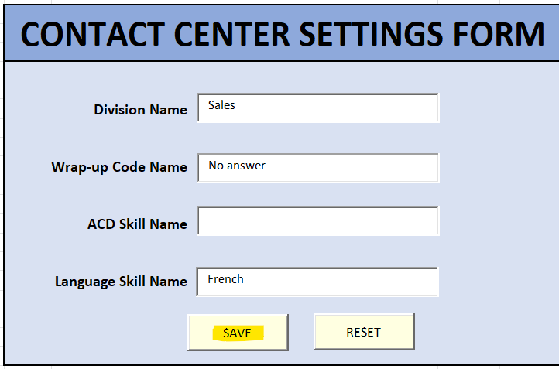
CONTACT CENTER SETTINGS FORM |  |  | Go to Page

 |  | Division - A division is a separate unit that allows you to group and separate configurable objects, but keep them inside the same organization. Divisions can be organized by business unit, office location, country, brand, or any other classification you define. In Genesys Cloud, we can move objects into divisions and then grant users access to specific objects based on access control. Default Division - Home .

Division Name
 |  | Wrap-up Codes - Wrap-up codes indicate the nature of an interaction. Agents specify wrap-up codes after completing an interaction; for example, a completed sale, a customer dissatisfied with service, or a billing problem.

Wrap-up Code Name |  | ACD Skills - can be assigned to users to indicate an agent’s area of expertise and knowledge. Incoming calls can then be assigned to the most suitable agent, rather than the next available one.

 |  | Language Skills - Can be assigned to agents to indicate the languages known by an user. Incoming calls can be assigned to agents with the language skills based on the language spoken by the caller. For example, an agent who speaks or comprehends Japanese and can assist Japanese-speaking callers. This works in combination with the ACD skills.
ACD Skill Name

Language Skill Name |  | Steps to add:
 |  | 1) In the Division Name box, enter the name of the division that you want to create
 |  | 2) In the Wrap-up Code Name box, enter the name of the Wrap-up Code that you want to create. For example: complaints, wrong numbers, no answer, sale made

 |  | 3) In the ACD Skill Name box, enter the name of the ACD Skill that you want to create. For example: Accounting, Warranty, Service, Windows

Note : You can also create a Division or wrap-up code or ACD skill or Language skill separately just by entering the names in the corresponding fields and click Save. |  | 4) In the Language skill Name box, enter the name of the Language that you want to create. For example: Spanish – Oral, Spanish – Written, French – Oral, Chinese

 |  | 5) Click Save (or click Reset if you want to clear the exisiting details in the form ).

 | Example:

Add Groups Form
 |  | Go to Page

 |  | ADD GROUPS |  | Groups are communities within your organization based on common skills, relationships, location, or other information.

 |  |  |  | Steps to add a Group:
 | * - required fields |  | Name* | 1) In the Name box, type the name as you want it to appear ( required)
 |  |  |  | 2) From the Group Type list, select one of the following ( required): >> Official: The group is work-related >> Social: The group is not work-related
 |  |  | Type*

 |  |  | Visibility* | 3) From the Group Visibility list, select who can find the group ( required) : >> Public: Anyone can find the group >> Members Only: Only members of the group can find the group >> Owners Only: Only owners of the group can find the group Note: An owner is a member of a group that they own and can find the group

 |  |  | Roles

 |  |  |  | 4) Assign roles (Optional field) for the the Groups based on the work activities the members of the group will carry out in the contact center. Multiple Roles can be assigned to a single member. Also select the division that each role has scope for. Each role can be assigned with multiple divisions which denotes that the member has all permissions within the role and has access based on the assigned permissions to objects within the selected divisions for the role. '*' can be selected for all divisions

official | members |  |  | 5) Click Save (or click Reset if you want to clear the exisiting details in the form ).
social | owners |  |  | 6) Click on Search to find and display a record by Name
 | public |  |  | 7) Click on Update to save changes made to the record found by using Search option.
admin
AI Agent | Example:
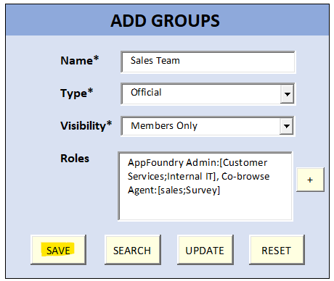
AppFoundry Admin
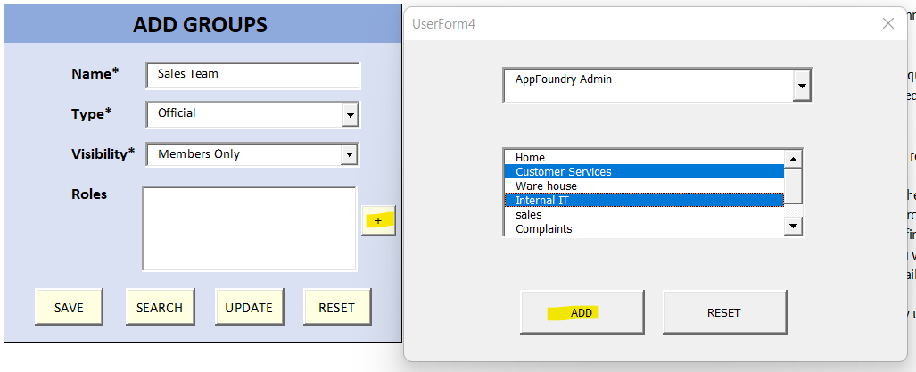
Co-browse Agent
Communicate - Admin
Communicate - User
Developer
Digital Channel User
Digital Channel User
employee
Genesys Cloud Voice Admin
integrationServer
managedAdmin
Master Admin
Microsoft Teams User
Multi-Platform Supervisor
Outbound Admin
Outbound Agent
Performance Management Admin
Planner Admin
Platform Integration
Predictive Routing Admin
Quality Administrator
Quality Evaluator
Relate User
RingCentral User
Salesforce Agent
SCIM Integration
Screenshare Agent
Script Designer
Skype for Business User
Supervisor
Telephony Admin
Trusted External User
User
Wallboard User
Zoom Meetings User
Zoom Phone User

Add Queues Form
 | ADD QUEUES FORM |  |  |  |  |  | Go to Page

 | GENERAL SETTINGS |  |  |  |  |  | QUEUES - A queue is a “waiting line” of interactions. Genesys Cloud ACD uses queues in the matching of agents and interactions. Queue is a singular attribute (criteria) that is tagged on an interaction. It is also a 1:n attribute on an agent. Teams are assigned queues as attributes. Agents join queues to handle tagged interactions. Agents who leave a distribution queue no longer handle interactions tagged for that queue.

 | Name*

 | Description |  |  |  |  |  | Steps to Add Queues:
* - required fields |  |  |  |  |  |  | 1) In the Name box, type a unique queue name. Each queue name must be unique and cannot contain asterisk
 | Division* |  |  |  |  |  | 2) Enter a description for your Queue optionally 3) Select the appropriate division from the list. Default Division Home is selected. The Divisions list is sourced from the division created in previous step

 | After Call Work |  |  |  | After Call Work Time-out | Seconds | 4) Configure After Call Work(ACW) Settings. Choose any one of the listed ACW options. Please refer to the Glossary to understand more about each of the ACW option. The default ACW - "Optional" is pre-selected

 | Enable Manual Assignment |  |  |  |  |  | 5) In the After Call Work Timeout box enter the number (in seconds) to wait before the agent receives more interactions. This is required for Mandatory, Time-boxed and Mandatory, Time-boxed no early exit. Note : This option only applies to voice interactions. The maximum number you can enter here is 900 seconds

 | ROUTING SETTINGS
 |  |  |  |  |  |  | 6) To enable manual assignment for a queue, select the Enable Manual Assignment check box. This option enables supervisors to assign waiting interactions manually to any specific user or queue
 | Routing Method
 |  |  |  |  |  |  | 7) Choose a Routing method from the list . Please check Glossary to know more about Routing methods. Default Routing method - "Standard routing" is already selected
 | Evaluation Method
 |  |  |  |  |  |  | 8)Choose an Evaluation method from the list . Please check Glossary to know more about Evaluation methods. Default Evaluation method - "All Skills Matching" is already selected
 | WRAP-UP CODES & MEMBERS
 |  |  |  |  |  |  | 9) Add Wrap codes to the Queue. Can select multiple wrap-up codes as desired to be assigned to the queue. The Wrap-up codes available here are sourced from the wrap-up codes you had created in the Contact Center Settings form 10) Add Members to your Queue. Can select multiple members at once. The members list will be available if you have added members in the next step - Add Members Form. Otherwise, you can add members in the next form and assign members to their respective queues while creating the members

 | Select wrap-up Codes |  | Select Queue Members
 | VOICE SETTINGS |  |  |  |  |  | 11) Set Behaviour and thresholds for all interaction types. Please refer Glossary to understand more about each field. The default value have been set already.

 | Service Level |  |  | % | Voice Transcription |  | 12 ) Click Save (or click Reset if you want to clear the exisiting details in the form ).

 | Service Level Target |  |  | Seconds

 | Calling Party Name

 | Callin Party Number |  |  |  |  |  | Example:

 | Alerting Timeout |  |  | Seconds
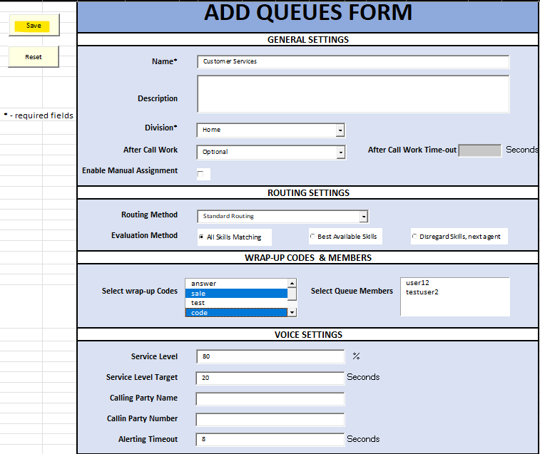
 | CHAT SETTINGS

 | Service Level |  |  | %

 | Service Level Target |  |  | Seconds

 | Alerting Timeout |  |  | Seconds

 | MESSAGE SETTINGS

 | Service Level |  |  | %

 | Service Level Target |  |  | Seconds

 | Alerting Timeout |  |  | Seconds

 | Outbound SMS Number

 | EMAIL SETTINGS

 | Service Level |  |  | %

 | Service Level Target |  |  | Seconds

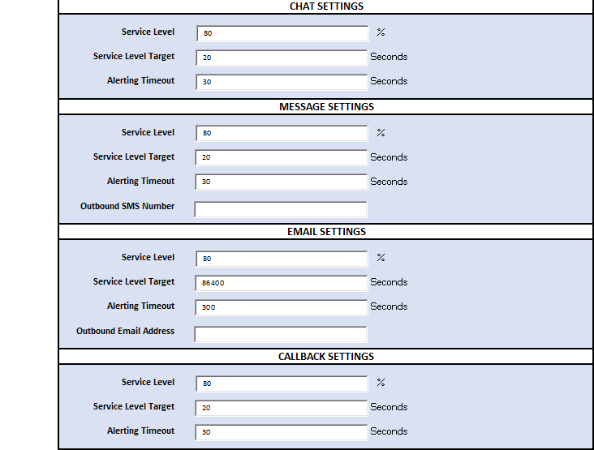
 | Alerting Timeout |  |  | Seconds

 | Outbound Email Address

 | CALLBACK SETTINGS

 | Service Level |  |  | %

 | Service Level Target |  |  | Seconds

 | Alerting Timeout |  |  | Seconds

 | Standard Routing | Optional
 | Bulls eye Routing | Mandatory,Discretionary
 | Preferred Agent Routing | Mandatory,Time-boxed
 |  | Mandatory,Time-boxed no early exit

Add Members Form
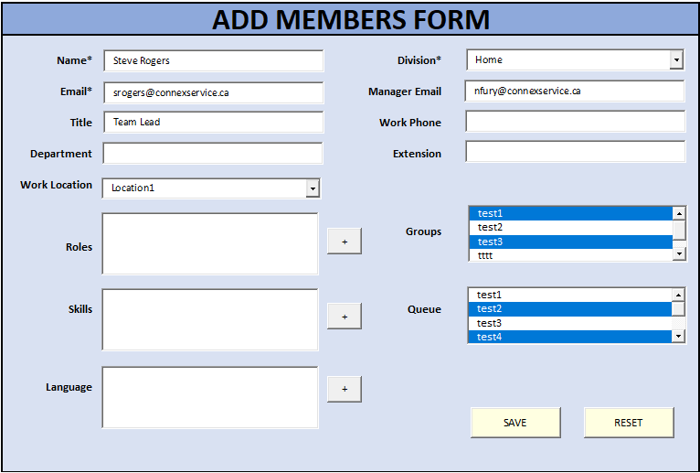
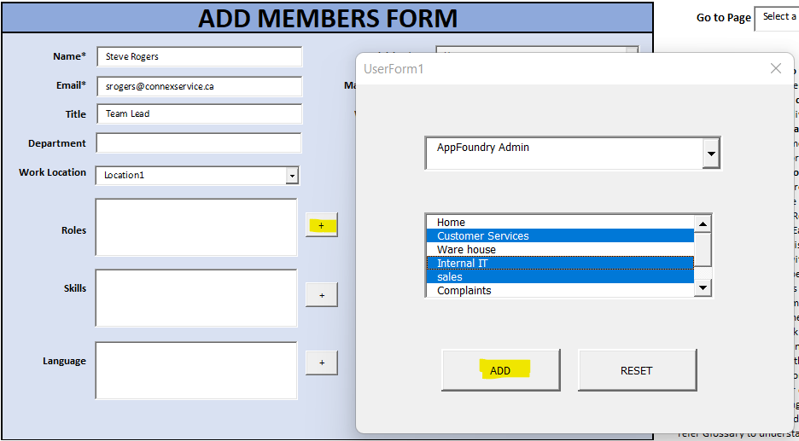
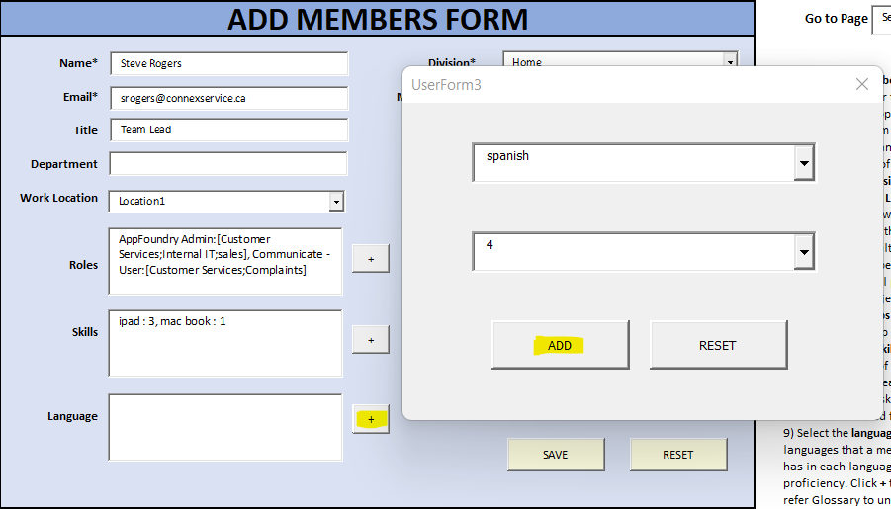
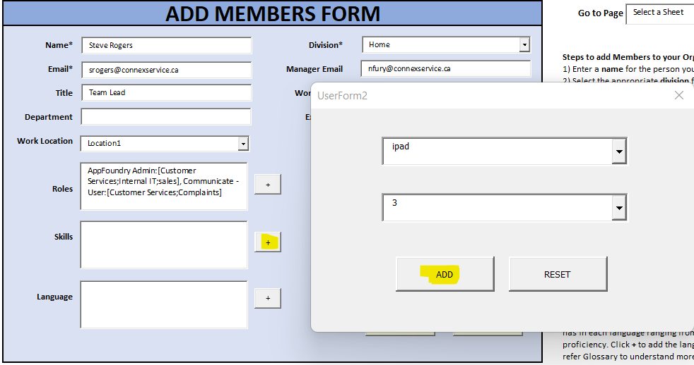
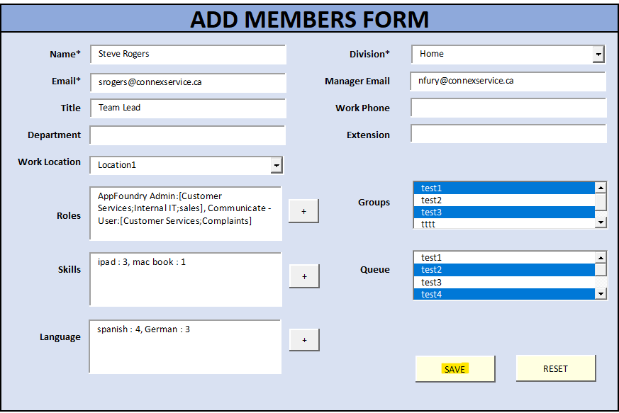
 | ADD MEMBERS FORM |  | Go to Page

* - required fields | Name* | Division*
2 |  |  | Steps to add Members to your Organization:
3 | Email* | Manager Email | 1) Enter a name for the person you want to add.
4 |  |  | 2) Select the appropriate division from the list. Default Division Home is selected. The Divisions list is sourced from the division created in previous step
5 | Title | Work Phone
 |  |  | 3) Enter the Company Email address for the member
 | Department | Extension | 4) Enter the Email of the members's manager, title( or designation), Department, Work phone number and extension for the member

 | Work Location |  | 5) Select the office Location of the member from the list of Locations. This list is sourced from the locations that were previously added

 |  |  | 6) Assign roles for the the member based on the work activities they will carry out in the contact center. Multiple Roles can be assigned to a single member. Also select the division that each role has scope for. Each role can be assigned with multiple divisions which denotes that the member has all permissions within the role and has access based on the assigned permissions to objects within the selected divisions for the role
 |  | Groups
 | Roles

 |  |  | 7) Select the Groups the person should be a part of. A member can be assigned to multiple Groups. This Group list is sourced from the groups that were previously added
 | Skills | Queue
 |  |  | 8) Select the ACD skills a member has (multiple skills can be added). These skills denotes the area of expertise of the member. Also, select the skill rating which denotes the level of expertise of the member for each skill ranging from 1 to 5 - 1 being the lowest and 5 being the highest. Click + to add the skills and ratings. Please refer Glossary to understand more about skills. This list is sourced from the previously added skills in the contact center settings form.

 | Language
 |  |  | 9) Select the languages from the list (multiple languages can be added). This denotes the languages that a member can speak or write. Also, Select the proficiency level that the member has in each language ranging from 1 to 5 - 1 being the lowest and 5 being the highest proficiency. Click + to add the language and the language proficiency for the member. Please refer Glossary to understand more about Languages. This list is sourced from the previously added languages in the contact center settings form.

 |  |  | 10) Select the Queues that a member should be assigned. A member can be a part of multiple queues based on the interactions they handle. This list is sourced from the Queues that were created in the previous step

 |  |  | 11) Click Save (or click Reset if you want to clear the exisiting details in the form ).

 | Example:

