IOs
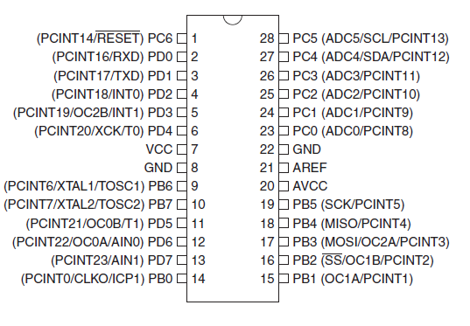
Datasheet (p.2) |  |  |  |  |  |  |  | DDRB | DDRC | DDRD
Pin | Pin name | PORT | BIT | Type | Brew_Monitor |  | Alternate functions | 0 | 0 | 0
14 | PB0 | PORTB | 0 | I/O | BLE_RDY |  | PCINT0/CLKO/ICP1 | 0 | 0 | 0
15 | PB1 | PORTB | 1 | I/O | BLE_RST |  | OC1A/PCINT1 | 0 | 0 | 0
16 | PB2 | PORTB | 2 | I/O | BLE_REQN |  | SS/OC1B/PCINT2 | 0 | 0 | 0
17 | PB3 | PORTB | 3 | I/O | MOSI |  | MOSI/OC2A/PCINT3 | 0 | 0 | 0
18 | PB4 | PORTB | 4 | I/O | MISO |  | MISO/PCINT4 | 0 | 0 | 0
19 | PB5 | PORTB | 5 | I/O | SCK |  | SCK/PCINT5 | 0 | 0 | 0
9 | PB6 | PORTB | 6 | I/O |  |  | PCINT6/XTAL1/TOSC1 | 0 | 0 | 0
10 | PB7 | PORTB | 7 | I/O |  |  | PCINT7/XTAL2/TOSC2 | 0 | 0 | 0
23 | PC0 | PORTC | 0 | I/O |  |  | ADC0/PCINT8 | 0 | 0 | 0
24 | PC1 | PORTC | 1 | I/O |  |  | ADC1/PCINT9
25 | PC2 | PORTC | 2 | I/O |  |  | ADC2/PCINT10
26 | PC3 | PORTC | 3 | I/O |  |  | ADC3/PCINT11
27 | PC4 | PORTC | 4 | I/O |  |  | ADC4/PCINT12
28 | PC5 | PORTC | 5 | I/O |  |  | ADC5/PCINT13
1 | PC6 | PORTC | 6 | I/O | RESET | IN | RESET
- | PC7 | PORTC | 7 | - | - | - | -
2 | PD0 | PORTD | 0 | I/O | RXD |  | PCINT16/RXD
3 | PD1 | PORTD | 1 | I/O | TXD |  | PCINT17/TXD
4 | PD2 | PORTD | 2 | I/O |  |  | PCINT18/INT0
5 | PD3 | PORTD | 3 | I/O |  |  | PCINT19/OC2B/INT1
6 | PD4 | PORTD | 4 | I/O |  |  | PCINT20/XCK/T0
11 | PD5 | PORTD | 5 | I/O |  |  | PCINT21/OC0B/T1
12 | PD6 | PORTD | 6 | I/O |  |  | PCINT22/OC0A/AIN0
13 | PD7 | PORTD | 7 | I/O | BLE_CE |  | PCINT23/AIN1
7 | VCC |  |  | S
8 | GND |  |  | S
20 | AVCC |  |  | S
21 | AREF |  |  | I
22 | GND |  |  | S

