Overview
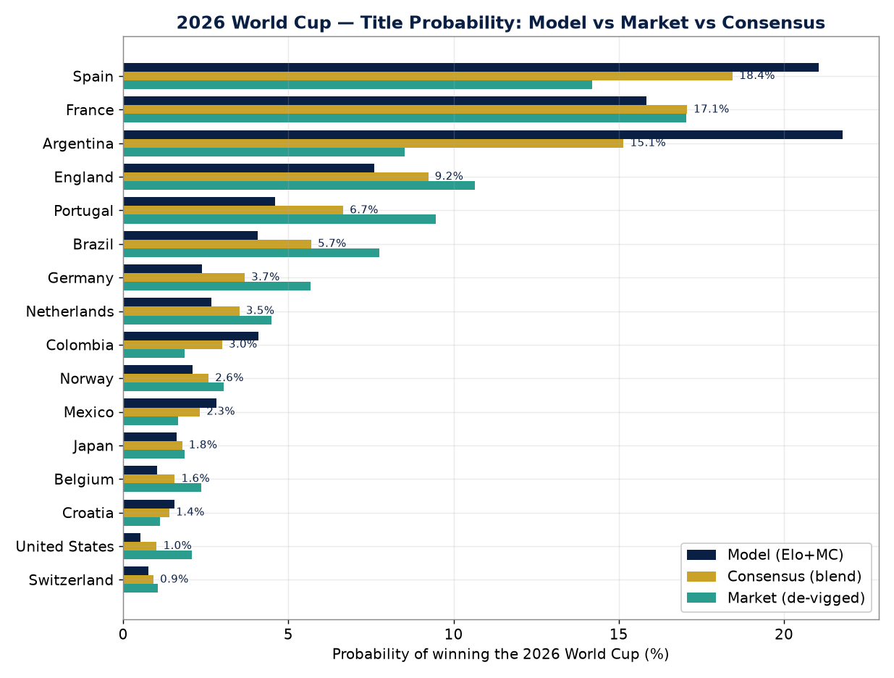
2026 FIFA WORLD CUP — DATA-DRIVEN CHAMPION FORECAST
Elo → calibrated Poisson goal model → exact Poisson-binomial group stage → 200,000-replication Monte-Carlo knockout. Generated 2026-06-17

METHOD: Ratings: World Football Elo (eloratings.net, mid-June 2026). Match model calibrated so the Poisson/Skellam win-probability reproduces the Elo logistic (max error 0.4%). Group stage solved EXACTLY (3^6 enumeration + Poisson-binomial). Knockout via 200k Monte-Carlo over the official FIFA bracket incl. the best-third-place combination assignment. Rating/form uncertainty σ=70 Elo.
HEADLINE: Consensus title pick: SPAIN, narrowly over FRANCE and ARGENTINA. The pure model rates ARGENTINA and SPAIN as co-favourites; the market prefers FRANCE (opening-match form).
MODEL vs MARKET: Biggest model 'value': ARGENTINA (model ~22% vs market ~9%) and COLOMBIA. Biggest model 'fade': PORTUGAL (model ~5% vs market ~9%). Both directions match Nate Silver's PELE model (bullish Argentina, bearish Portugal) — independent corroboration.
HOW TO READ: Each sheet is self-contained. 'Champion Forecast' = full 48-team ranking. 'Appendix A' = the exact per-team Poisson-binomial demonstration. Colour scales: green = higher.

TOP 10 — TITLE PROBABILITY
Rank | Team | Group | Model % | Market % | Consensus %
1 | Spain | H | 21.0% | 14.2% | 18.4%
2 | France | I | 15.8% | 17.0% | 17.1%
3 | Argentina | J | 21.8% | 8.5% | 15.1%
4 | England | L | 7.6% | 10.6% | 9.2%
5 | Portugal | K | 4.6% | 9.5% | 6.7%
6 | Brazil | C | 4.1% | 7.7% | 5.7%
7 | Germany | E | 2.4% | 5.7% | 3.7%
8 | Netherlands | F | 2.7% | 4.5% | 3.5%
9 | Colombia | K | 4.1% | 1.9% | 3.0%
10 | Norway | I | 2.1% | 3.0% | 2.6%

Champion Forecast
Title probability — top 12
CHAMPION FORECAST — all 48 teams (sorted by consensus title probability)
Rank | Team | Grp | Confed | Elo | Model | ±SE | Market | Consensus | Value(M−Mkt) | Final | Semi | Quarter | R16 | R32
1 | Spain | H | UEFA | 2129 | 21.0% | 0.1% | 14.2% | 18.4% | 6.8% | 31.1% | 48.8% | 59.4% | 77.9% | 99.7%
2 | France | I | UEFA | 2084 | 15.8% | 0.1% | 17.0% | 17.1% | -1.2% | 29.8% | 43.9% | 60.6% | 81.2% | 98.3%
3 | Argentina | J | CONMEBOL | 2128 | 21.8% | 0.1% | 8.5% | 15.1% | 13.3% | 32.2% | 49.9% | 65.9% | 76.9% | 99.3%
4 | England | L | UEFA | 2024 | 7.6% | 0.1% | 10.6% | 9.2% | -3.0% | 15.9% | 28.8% | 46.0% | 72.5% | 98.5%
5 | Portugal | K | UEFA | 1989 | 4.6% | 0.0% | 9.5% | 6.7% | -4.9% | 9.1% | 19.7% | 38.6% | 64.8% | 95.4%
6 | Brazil | C | CONMEBOL | 1978 | 4.1% | 0.0% | 7.7% | 5.7% | -3.7% | 10.1% | 19.4% | 36.7% | 59.3% | 97.2%
7 | Germany | E | UEFA | 1939 | 2.4% | 0.0% | 5.7% | 3.7% | -3.3% | 6.8% | 14.9% | 27.7% | 61.7% | 97.4%
8 | Netherlands | F | UEFA | 1944 | 2.7% | 0.0% | 4.5% | 3.5% | -1.8% | 7.4% | 15.7% | 34.5% | 55.4% | 94.7%
9 | Colombia | K | CONMEBOL | 1982 | 4.1% | 0.0% | 1.9% | 3.0% | 2.3% | 8.4% | 18.6% | 36.9% | 63.7% | 95.1%
10 | Norway | I | UEFA | 1929 | 2.1% | 0.0% | 3.0% | 2.6% | -0.9% | 6.0% | 14.3% | 29.3% | 53.9% | 88.1%
11 | Mexico | A | CONCACAF | 1881 | 2.8% | 0.0% | 1.7% | 2.3% | 1.2% | 7.8% | 16.6% | 34.2% | 69.4% | 97.7%
12 | Japan | F | AFC | 1910 | 1.6% | 0.0% | 1.9% | 1.8% | -0.2% | 4.9% | 11.6% | 27.6% | 48.6% | 91.8%
13 | Belgium | G | UEFA | 1879 | 1.0% | 0.0% | 2.4% | 1.6% | -1.3% | 2.7% | 8.4% | 27.5% | 58.0% | 94.1%
14 | Croatia | L | UEFA | 1912 | 1.6% | 0.0% | 1.1% | 1.4% | 0.4% | 4.3% | 10.9% | 22.2% | 49.9% | 93.7%
15 | United States | D | CONCACAF | 1780 | 0.5% | 0.0% | 2.1% | 1.0% | -1.6% | 1.6% | 5.2% | 16.7% | 41.9% | 73.3%
16 | Switzerland | B | UEFA | 1865 | 0.8% | 0.0% | 1.1% | 0.9% | -0.3% | 2.4% | 7.4% | 24.1% | 60.3% | 96.6%
17 | Morocco | C | CAF | 1840 | 0.4% | 0.0% | 2.1% | 0.9% | -1.6% | 1.7% | 5.2% | 14.9% | 31.4% | 85.3%
18 | Ecuador | E | CONMEBOL | 1890 | 1.2% | 0.0% | 0.6% | 0.9% | 0.6% | 3.7% | 9.4% | 20.3% | 51.3% | 95.2%
19 | Uruguay | H | CONMEBOL | 1870 | 0.7% | 0.0% | 1.1% | 0.9% | -0.4% | 1.9% | 6.3% | 14.4% | 27.3% | 90.2%
20 | Turkey | D | UEFA | 1849 | 0.5% | 0.0% | 0.4% | 0.5% | 0.1% | 1.6% | 5.4% | 17.3% | 42.8% | 74.0%
21 | Austria | J | UEFA | 1857 | 0.5% | 0.0% | 0.4% | 0.5% | 0.1% | 1.4% | 4.9% | 12.2% | 25.5% | 79.0%
22 | Senegal | I | CAF | 1839 | 0.4% | 0.0% | 0.3% | 0.4% | 0.1% | 1.6% | 5.1% | 14.8% | 33.9% | 72.1%
23 | Australia | D | AFC | 1839 | 0.4% | 0.0% | 0.3% | 0.4% | 0.1% | 1.4% | 4.8% | 15.7% | 40.4% | 71.9%
24 | Canada | B | CONCACAF | 1767 | 0.4% | 0.0% | 0.2% | 0.3% | 0.3% | 1.6% | 5.4% | 19.6% | 54.1% | 94.8%
25 | South Korea | A | AFC | 1786 | 0.2% | 0.0% | 0.2% | 0.2% | 0.0% | 0.9% | 3.4% | 12.5% | 39.7% | 84.3%
26 | Scotland | C | UEFA | 1794 | 0.2% | 0.0% | 0.2% | 0.2% | 0.0% | 0.8% | 2.9% | 9.6% | 22.9% | 77.2%
27 | Paraguay | D | CONMEBOL | 1780 | 0.1% | 0.0% | 0.2% | 0.1% | -0.1% | 0.5% | 2.1% | 8.1% | 25.9% | 56.0%
28 | Iran | G | AFC | 1756 | 0.1% | 0.0% | 0.1% | 0.1% | 0.0% | 0.4% | 1.8% | 8.7% | 32.0% | 78.0%
29 | Sweden | F | UEFA | 1755 | 0.1% | 0.0% | 0.1% | 0.1% | -0.1% | 0.4% | 1.6% | 6.9% | 20.4% | 64.3%
30 | Algeria | J | CAF | 1759 | 0.1% | 0.0% | 0.1% | 0.1% | -0.1% | 0.3% | 1.3% | 5.1% | 14.1% | 55.2%
31 | Ivory Coast | E | CAF | 1743 | 0.1% | 0.0% | 0.1% | 0.1% | -0.1% | 0.4% | 1.5% | 5.7% | 23.3% | 76.0%
32 | Panama | L | CONCACAF | 1730 | 0.0% | 0.0% | 0.1% | 0.1% | -0.1% | 0.2% | 1.0% | 4.2% | 14.9% | 63.1%
33 | Czech Republic | A | UEFA | 1712 | 0.0% | 0.0% | 0.1% | 0.1% | 0.0% | 0.2% | 1.2% | 5.9% | 24.6% | 69.8%
34 | Egypt | G | CAF | 1711 | 0.0% | 0.0% | 0.1% | 0.0% | -0.1% | 0.1% | 0.9% | 5.1% | 23.3% | 68.2%
35 | Uzbekistan | K | AFC | 1714 | 0.0% | 0.0% | 0.1% | 0.0% | -0.1% | 0.1% | 0.7% | 2.7% | 10.3% | 44.0%
36 | DR Congo | K | CAF | 1652 | 0.0% | 0.0% | 0.0% | 0.0% | 0.0% | 0.0% | 0.2% | 0.9% | 4.7% | 26.9%
37 | Bosnia and Herzegovina | B | UEFA | 1616 | 0.0% | 0.0% | 0.0% | 0.0% | 0.0% | 0.0% | 0.3% | 2.4% | 13.4% | 58.3%
38 | Saudi Arabia | H | AFC | 1598 | 0.0% | 0.0% | 0.0% | 0.0% | 0.0% | 0.0% | 0.1% | 0.7% | 3.5% | 28.8%
39 | Iraq | I | AFC | 1592 | 0.0% | 0.0% | 0.0% | 0.0% | 0.0% | 0.0% | 0.0% | 0.4% | 2.1% | 11.2%
40 | Tunisia | F | CAF | 1585 | 0.0% | 0.0% | 0.0% | 0.0% | 0.0% | 0.0% | 0.1% | 0.5% | 2.9% | 18.5%
41 | New Zealand | G | OFC | 1578 | 0.0% | 0.0% | 0.0% | 0.0% | 0.0% | 0.0% | 0.1% | 0.7% | 5.7% | 30.3%
42 | Jordan | J | AFC | 1653 | 0.0% | 0.0% | 0.0% | 0.0% | 0.0% | 0.0% | 0.2% | 1.1% | 4.5% | 25.7%
43 | Cape Verde | H | CAF | 1606 | 0.0% | 0.0% | 0.0% | 0.0% | 0.0% | 0.0% | 0.1% | 0.8% | 3.8% | 30.6%
44 | Haiti | C | CONCACAF | 1536 | 0.0% | 0.0% | 0.0% | 0.0% | 0.0% | 0.0% | 0.0% | 0.2% | 1.0% | 12.5%
45 | South Africa | A | CAF | 1511 | 0.0% | 0.0% | 0.0% | 0.0% | 0.0% | 0.0% | 0.0% | 0.2% | 2.5% | 16.7%
46 | Ghana | L | CAF | 1510 | 0.0% | 0.0% | 0.0% | 0.0% | 0.0% | 0.0% | 0.0% | 0.1% | 0.8% | 10.2%
47 | Qatar | B | AFC | 1447 | 0.0% | 0.0% | 0.0% | 0.0% | 0.0% | 0.0% | 0.0% | 0.1% | 1.5% | 15.0%
48 | Curacao | E | CONCACAF | 1427 | 0.0% | 0.0% | 0.0% | 0.0% | 0.0% | 0.0% | 0.0% | 0.0% | 0.4% | 5.7%

Model vs Market
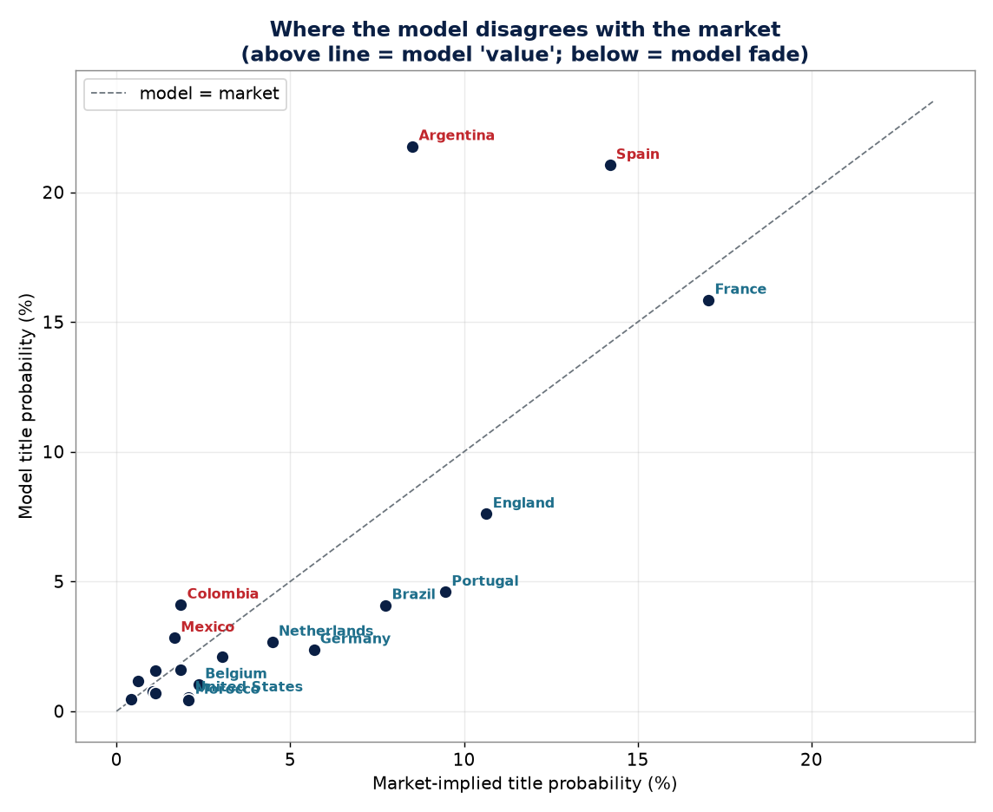
MODEL vs MARKET — value board (top = model backs; bottom = model fades)
Rank | Team | Model | Market | Consensus | Value (Model−Market)
3 | Argentina | 21.8% | 8.5% | 15.1% | 13.3%
1 | Spain | 21.0% | 14.2% | 18.4% | 6.8%
9 | Colombia | 4.1% | 1.9% | 3.0% | 2.3%
11 | Mexico | 2.8% | 1.7% | 2.3% | 1.2%
18 | Ecuador | 1.2% | 0.6% | 0.9% | 0.6%
14 | Croatia | 1.6% | 1.1% | 1.4% | 0.4%
24 | Canada | 0.4% | 0.2% | 0.3% | 0.3%
20 | Turkey | 0.5% | 0.4% | 0.5% | 0.1%
22 | Senegal | 0.4% | 0.3% | 0.4% | 0.1%
23 | Australia | 0.4% | 0.3% | 0.4% | 0.1%
21 | Austria | 0.5% | 0.4% | 0.5% | 0.1%
25 | South Korea | 0.2% | 0.2% | 0.2% | 0.0%
48 | Curacao | 0.0% | 0.0% | 0.0% | 0.0%
47 | Qatar | 0.0% | 0.0% | 0.0% | 0.0%
46 | Ghana | 0.0% | 0.0% | 0.0% | 0.0%
45 | South Africa | 0.0% | 0.0% | 0.0% | 0.0%
44 | Haiti | 0.0% | 0.0% | 0.0% | 0.0%
41 | New Zealand | 0.0% | 0.0% | 0.0% | 0.0%
40 | Tunisia | 0.0% | 0.0% | 0.0% | 0.0%
39 | Iraq | 0.0% | 0.0% | 0.0% | 0.0%
38 | Saudi Arabia | 0.0% | 0.0% | 0.0% | 0.0%
43 | Cape Verde | 0.0% | 0.0% | 0.0% | 0.0%
37 | Bosnia and Herzegovina | 0.0% | 0.0% | 0.0% | 0.0%
26 | Scotland | 0.2% | 0.2% | 0.2% | 0.0%
36 | DR Congo | 0.0% | 0.0% | 0.0% | 0.0%
42 | Jordan | 0.0% | 0.0% | 0.0% | 0.0%
33 | Czech Republic | 0.0% | 0.1% | 0.1% | 0.0%
28 | Iran | 0.1% | 0.1% | 0.1% | 0.0%
34 | Egypt | 0.0% | 0.1% | 0.0% | -0.1%
35 | Uzbekistan | 0.0% | 0.1% | 0.0% | -0.1%
29 | Sweden | 0.1% | 0.1% | 0.1% | -0.1%
27 | Paraguay | 0.1% | 0.2% | 0.1% | -0.1%
32 | Panama | 0.0% | 0.1% | 0.1% | -0.1%
31 | Ivory Coast | 0.1% | 0.1% | 0.1% | -0.1%
30 | Algeria | 0.1% | 0.1% | 0.1% | -0.1%
12 | Japan | 1.6% | 1.9% | 1.8% | -0.2%
16 | Switzerland | 0.8% | 1.1% | 0.9% | -0.3%
19 | Uruguay | 0.7% | 1.1% | 0.9% | -0.4%
10 | Norway | 2.1% | 3.0% | 2.6% | -0.9%
2 | France | 15.8% | 17.0% | 17.1% | -1.2%
13 | Belgium | 1.0% | 2.4% | 1.6% | -1.3%
15 | United States | 0.5% | 2.1% | 1.0% | -1.6%
17 | Morocco | 0.4% | 2.1% | 0.9% | -1.6%
8 | Netherlands | 2.7% | 4.5% | 3.5% | -1.8%
4 | England | 7.6% | 10.6% | 9.2% | -3.0%
7 | Germany | 2.4% | 5.7% | 3.7% | -3.3%
6 | Brazil | 4.1% | 7.7% | 5.7% | -3.7%
5 | Portugal | 4.6% | 9.5% | 6.7% | -4.9%

Sensitivity
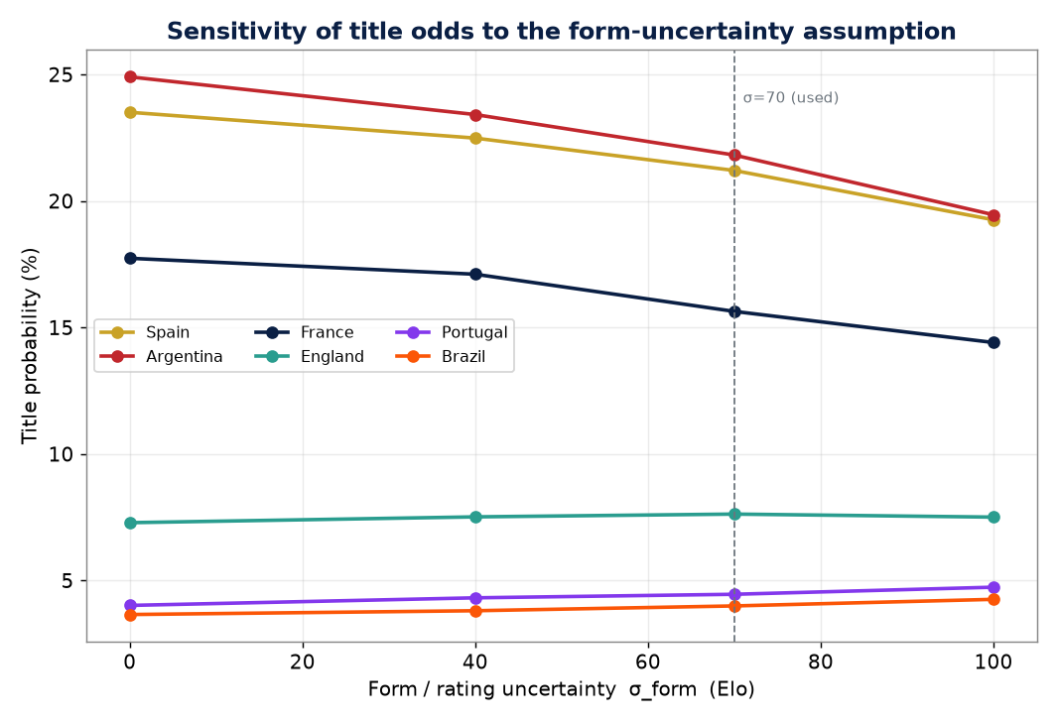
SENSITIVITY — title odds (%) vs the form-uncertainty parameter
sigma_form (Elo) | Spain | Argentina | France | England | Portugal | Brazil
0 | 23.51 | 24.91 | 17.74 | 7.29 | 4.02 | 3.66
40 | 22.49 | 23.42 | 17.11 | 7.52 | 4.32 | 3.81
70 | 21.21 | 21.82 | 15.64 | 7.63 | 4.46 | 4
100 | 19.26 | 19.46 | 14.41 | 7.51 | 4.74 | 4.26

Methodology & Sources
METHODOLOGY, ASSUMPTIONS & SOURCES

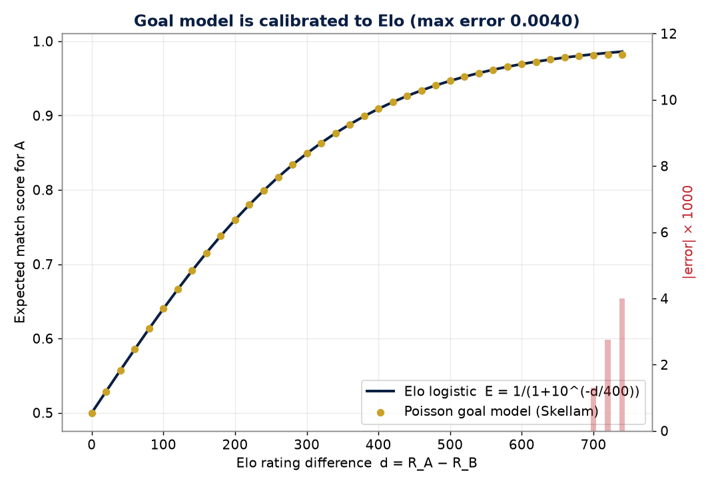
DEVELOPMENT CHAIN
1. Strength rating R_i = World Football Elo (eloratings.net, current mid-June 2026 snapshot).
2. Elo→expected score: E_A = 1 / (1 + 10^(−(R_A−R_B)/400)).
3. Goal model: independent Poisson; total τ(d)=2.70+0.0012·|d|, supremacy σ(d) solved so the
Skellam win/draw/loss reproduces E_A exactly (calibration max error 0.4%).
4. Group stage solved EXACTLY: each team's win count is Poisson-binomial(p1,p2,p3); the full
points distribution from enumerating all 3^6=729 result combinations (verified vs DFT & MC).
5. Knockout: 200,000 Monte-Carlo replications over FIFA's fixed Round-of-32 bracket, including the
best-third-place 8-of-12 combination assignment (bipartite SDR; all 495 patterns valid).
6. Extra time = goal rate × 30/90; shootout ≈ coin flip with a tiny Elo edge (±0.12 max).
7. Uncertainty: per-tournament team 'form' random effect σ=70 Elo (rating error + injuries + draw luck).
Host advantage +65 Elo for USA / Mexico / Canada. Seed=2026 (fully reproducible).

KEY ASSUMPTIONS / LIMITATIONS
• Elo encodes results only — not roster ageing, injuries, or tactical match-ups (hence form σ & market blend).
• Independent Poisson (no explicit Dixon-Coles correlation) keeps the exact Elo calibration intact.
• Third-place routing follows FIFA eligibility constraints; exact 495-row table has negligible effect on title odds.
• Monte-Carlo standard error on a 20% probability at N=200k is ≈0.09 percentage points.
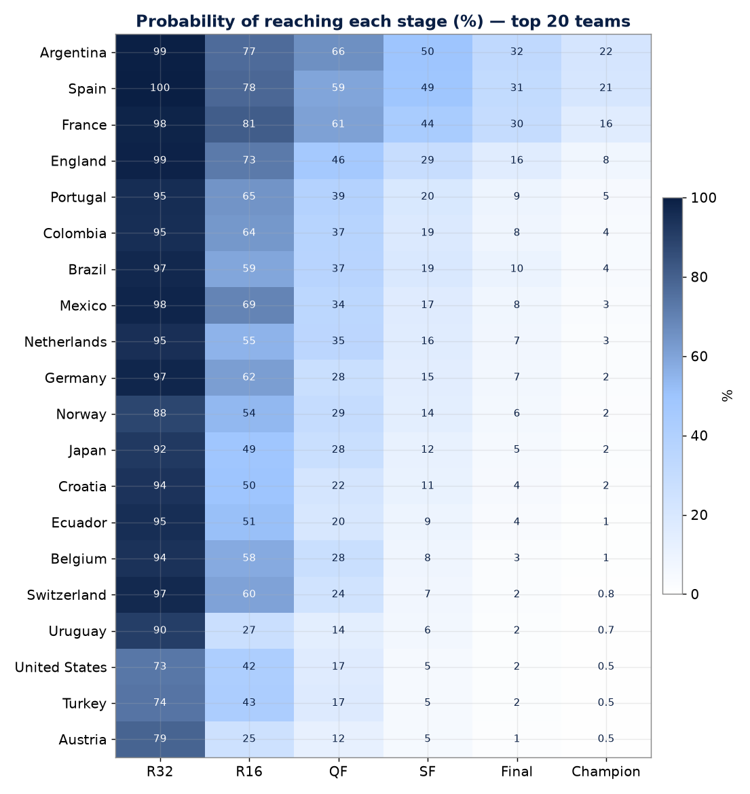
PRIMARY DATA SOURCES
• World Football Elo Ratings — eloratings.net (World.tsv, retrieved 17 Jun 2026).
• FIFA Men's World Ranking, 11 Jun 2026 (cross-reference).
• 2026 FIFA World Cup final draw — Wikipedia & simbye.com (groups cross-validated).
• Knockout bracket — FIFA fixed match schedule (Wikipedia 2026 WC knockout stage).
• Market odds — FOX Sports / consensus sportsbooks, 17 Jun 2026 (de-vigged).
• Benchmarks — Nate Silver 'PELE' model; Kimi 300-agent qualitative forecast (this repo).

SELECTED LITERATURE (modelling grounding)
• Dixon & Coles (1997) Applied Statistics 46(2) — bivariate Poisson football scores.
• Hvattum & Arntzen (2010) Int. J. Forecasting — Elo ratings for football forecasting.
• Maher (1982) Statistica Neerlandica — Poisson models for football.
• Le Cam (1960) — Poisson-binomial / Poisson approximation theory.

