Biomass models
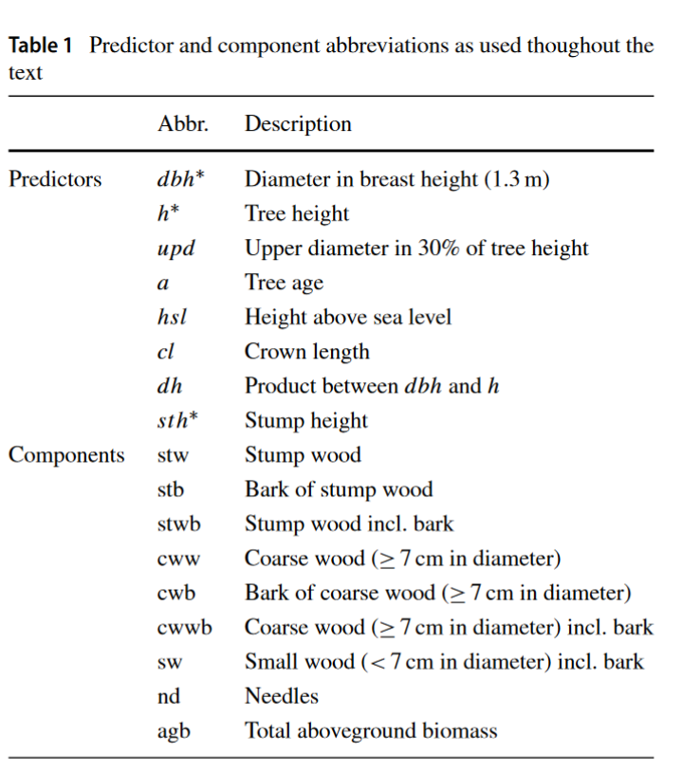
Vonderach et al
 |  |  | Function= | α+β0*BHD^β1*H^β2*StH^β3

Parameters |  |  |  |  | intercept | DBH factor | DBH exp | H | Stump height
Species | German name | English name |  |  | α | βß | β1 | β2 | β3
Picea abies | Fichte | Norway Spruce |  | stw |  | 0.022 | 2.1212 |  | 0.6056
 |  |  |  | stb | -0.0128 | 0.0067 | 1.768 |  | 0.5947
 |  |  |  | cww |  | 0.0142 | 1.7414 | 1.2401
 |  |  |  | cwb |  | 0.0038 | 1.6076 | 1.0528
 |  |  |  | sw | 1.8472 | 0.0243 | 2.9671 | -0.8183
 |  |  |  | nd | -1.6847 | 0.285 | 2.1173 | -0.8334
Abies alba | Tanne | silver fir |  |  | α | βß | β1 | β2 | β3
 |  |  |  | stw |  | 0.0121 | 2.2645 |  | 0.7596
 |  |  |  | stb |  | 0.0036 | 2.1225 |  | 0.7856
 |  |  |  | cww |  | 0.0046 | 1.1917 | 2.2103
 |  |  |  | cwb |  | 0.0019 | 1.4458 | 1.678
 |  |  |  | sw |  | 0.0273 | 2.2573
 |  |  |  | nd |  | 0.1071 | 1.6952
Pseudotsuga menziesii | Douglasie | Douglas-fir |  |  | α | βß | β1 | β2 | β3
 |  |  |  | stw |  | 0.0186 | 2.185 |  | 0.7723
 |  |  |  | stb |  | 0.0032 | 2.0357 |  | 0.7621
 |  |  |  | cww |  | 0.0131 | 1.9299 | 1.0715
 |  |  |  | cwb |  | 0.0018 | 1.9099 | 1.0306
 |  |  |  | sw |  | 0.2784 | 3.1276 | -1.7984
 |  |  |  | nd | -1.8821 | 0.2749 | 2.4833 | -1.3051
Pinus sylvestris | Kiefer | Scots pine |  |  | α | βß | β1 | β2 | β3
 |  |  |  | stw |  | 0.0624 | 1.9322 |  | 1.0414
 |  |  |  | stb |  | 0.0077 | 1.8127 |  | 0.8732
 |  |  |  | cww |  | 0.0173 | 2.0072 | 0.914
 |  |  |  | cwb |  | 0.0055 | 2.0108 | 0.5374
 |  |  |  | sw |  | 0.1316 | 2.444 | -0.949
 |  |  |  | nd |  | 0.1484 | 2.332 | -1.2026
Fagus Sylvatica | Buche | European beech |  |  | α | βß | β1 | β2 | β3
 |  |  |  | stw |  | 0.0315 | 2.1447 |  | 0.798
 |  |  |  | stb |  | 0.004 | 1.9184 |  | 0.8076
 |  |  |  | cww | -4.6332 | 0.019 | 2.0861 | 0.9502
 |  |  |  | cwb |  | 0.0013 | 1.9596 | 1.099
 |  |  |  | sw |  | 0.4006 | 2.3211 | -0.7636
Quercus spec. | Eiche | Oaks |  |  | α | βß | β1 | β2 | β3
 |  |  |  | stw |  | 0.0336 | 2.0657 |  | 0.7721
 |  |  |  | stb |  | 0.0158 | 1.791 |  | 0.9032
 |  |  |  | cww | -3.9731 | 0.0223 | 2.1012 | 0.8647
 |  |  |  | cwb |  | 0.0043 | 1.9437 | 0.9576
 |  |  |  | sw |  | 0.3028 | 2.1945 | -0.6882

Allometric functions
Species | DBH | H | StH | stw | stb | Stwb | cww | cwb | cwwb | sw | nd | AGB
Picea abies | 30 | 25.5 | 0.255 | 13.070524624 | 0.98454148199 | 14.055066106 | 294.30509124 | 27.240133249 | 321.54522449 | 43.285403496 | 24.027729046 | 402.91342314
Abies alba | 30 | 25.5 | 0.255 | 9.4827515627 | 0.98454148199 | 10.467293045 | 340.34469983 | 59.504516922 | 399.84921675 | 58.94791591 | 34.182625883 | 503.44705159
Pseudotsuga menziesii | 30 | 25.5 | 0.255 | 10.931855114 | 0.63194292879 | 11.563798043 | 298.59010291 | 33.574279339 | 332.16438225 | 34.276132003 | 16.808978532 | 394.81329083
Pinus sylvestris | 30 | 25.5 | 0.255 | 10.746059031 | 0.81606045111 | 11.562119483 | 307.96517619 | 29.2706793 | 337.23585549 | 34.276132003 | 8.4057301939 | 391.47983717
Fagus sylvatica | 30 | 25.5 | 0.255 | 15.585171038 | 0.5617019054 | 16.146872944 | 492.72665743 | 35.834208918 | 528.56086635 | 90.619780837 |  | 635.32752013
Quercus spec | 30 | 25.5 | 0.255 | 13.164923099 | 1.6088122465 | 14.773735345 | 461.89968133 | 71.031651981 | 532.93133331 | 56.848303943 |  | 604.5533726

Example: Picea abies
DBH | H | StH | stw | stb | Stwb | cww | cwb | cwwb | sw | nd | AGB
10 | 8.5 | 0.085 | 0.65354994469 | 0.0070514240686 | 0.66060136876 | 11.12399421 | 1.4651289223 | 12.589123133 | 5.7570740422 | 4.5896266847 | 23.596425228
15 | 12.75 | 0.1275 | 1.9744422125 | 0.048183489603 | 2.0226257021 | 37.262916475 | 4.3087274866 | 41.571643962 | 11.191519172 | 8.8749784745 | 63.660767311
20 | 17 | 0.17 | 4.326407018 | 0.12242054902 | 4.448827567 | 87.858075554 | 9.2626668072 | 97.120742361 | 19.185879599 | 13.593054913 | 134.34850444
30 | 25.5 | 0.255 | 13.070524624 | 0.40259694667 | 13.47312157 | 294.30509124 | 27.240133249 | 321.54522449 | 43.285403496 | 24.027729046 | 402.3314786
40 | 34 | 0.34 | 28.640194736 | 0.9082723026 | 29.548467039 | 693.90915655 | 58.559349334 | 752.46850588 | 78.737096454 | 35.516071796 | 896.27014117
50 | 42.5 | 0.425 | 52.629614638 | 1.6954075574 | 54.325022195 | 1349.7080001 | 106.02679683 | 1455.734797 | 126.0437443 | 47.857434712 | 1683.9609982
60 | 51 | 0.51 | 86.52500076 | 2.8167301635 | 89.341730923 | 2324.4419633 | 172.21438621 | 2496.6563495 | 185.60855033 | 60.924119863 | 2832.5307506
70 | 59.5 | 0.595 | 131.73225245 | 4.322538791 | 136.05479124 | 3680.6164301 | 259.52229152 | 3940.1387217 | 257.77026897 | 74.6265383 | 4408.5903202
80 | 68 | 0.68 | 189.59398667 | 6.2612034172 | 195.85519009 | 5480.5425057 | 370.2170731 | 5850.7595788 | 342.82219425 | 88.897812295 | 6478.3347755

