Sheet1
行标签 | 计数项:Number | PM_2020 | Opend | In Progress | Closed | Total
2017年 | 23 | Jan | 8 | 5 | 4 | 17
2018年 | 207 | Feb | 3 | 7 | 3 | 13
2019年 | 192 | Mar | 13 | 15 | 8 | 36
2020年 | 52 | Apr | 11 | 18 | 19 | 48
1月 |  | May | 9 | 6 | 10 | 25 | PM_2020 | Opend | Completed
Cancelled | 1 |  |  |  |  |  | Jan | 6 | 1
Closed | 7 |  |  |  |  |  | Feb | 0 | 1
1月 汇总 | 8 |  |  |  |  |  | Mar | 4 | 1
2月 |  |  |  |  |  |  | Apr | 1 | 0
Closed | 3 |  |  |  |  |  | May | 2 | 2
2月 汇总 | 3
3月
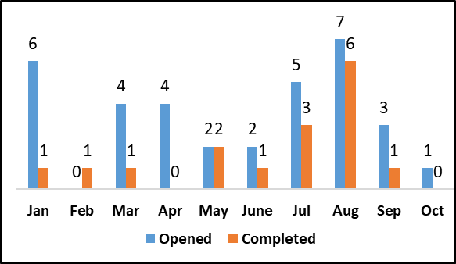
Cancelled | 1
Closed | 11
Pending | 1
3月 汇总 | 13
4月
Cancelled | 1
Closed | 9
Pending | 1
4月 汇总 | 11 | PM_2019 | Opend | In Progress | Closed | Total
5月 |  | Jan | 36 | 30 | 20 | 86
Assigned | 2 | Feb | 12 | 12 | 20 | 44
Cancelled | 1 | Mar | 21 | 5 | 28 | 54
Closed | 5 | Apr | 20 | 10 | 21 | 51
In progress | 1 | May | 17 | 10 | 17 | 44
5月 汇总 | 9
6月
Assigned | 2
Closed | 2
In progress | 4
6月 汇总 | 8
总计 | 474

