Sheet1
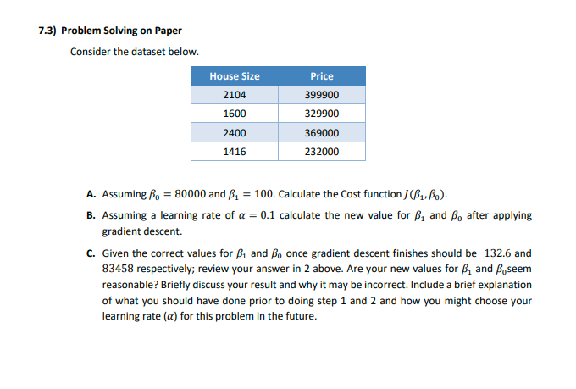

 |  | House Size | Price
 |  | 2104 | 399900
 |  | 1600 | 329900
 |  | 2400 | 369000
 |  | 1416 | 232000
A

 |  | B(0) | 80000
 |  | B(1) | 100

 |  | J = [sum over all points(Price(i) - beta0 - beta1*HouseSize(i))^2]/(2*no. Of points)

 | Step 1 | 11990250000
 | Step 2 | 8082010000
 | Step 3 | 2401000000
 | step 4 | 108160000
 | step 5 | 8

 |  | Final Number | 22486780000

B |  | predicted price
 | hb(2104) | 290400
 | hb(1600) | 240000
 | hb(2400) | 320000
 | hb(1416) | 221600

 | B(0) | -258800
 | B(1) | -506554400
 |  |  |  | new values of B
 | B(0) | -6470 | 80000 | 86470
 | B(1) | -12663860 | 100 | 12663960

C | the new values are extremely far-reaching compared to the mentioned values, this could be due to an incorrect learning rate and thus since we didn’t normalise and transform the dataset now we have issues with calculating the correct learning rate due to the amount of
 | mathematical processes the data has already been throguh as opposed to doing it prior

