Final Routes
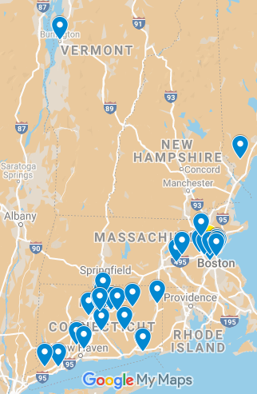
ROUTE 1
Stop No | Location | Arrival Time | Departure Time | Delivery Volume | Distance Covered
1 | DC |  | 7.48 AM | 0 | 8
4 | Billerica | 8.00 AM | 8.30 AM | 146 | 17
13 | Weston | 8.56 AM | 9.26 AM | 279 | 13
3 | Marlborough | 9.46 AM | 10.16 AM | 124 | 10
2 | Westborough | 10.31 AM | 11.01 AM | 111 | 42
26 | Dayville | 12.04 PM | 12.34 PM | 102 | 46
28 | New London | 1.43 PM | 2.13 PM | 755 | 5
29 | Groton | 2.21 PM | 2.51 PM | 293 | 93
9 | West Roxbury | 5.11 PM | 5.41 PM | 187 | 10
1 | DC | 6.10 PM |  | 0 | -
 |  |  | Total | 1997 | 244
Total On Duty Time = |  | 11 Hours 20 Minutes

ROUTE 2
Stop No | Location | Arrival Time | Departure Time | Delivery Volume | Distance Covered
1 | DC |  | 7.36 AM | 0 | 16
8 | Charlestown | 8.00 AM | 8.30 AM | 1796 | 7
10 | Brighton | 8.41 AM | 9.11 AM | 165 | 6
12 | Auburndale | 9.22 AM | 9.52 AM | 161 | 84
18 | Bolton | 11.58 AM | 12.28 PM | 159 | 18
30 | Colchester | 12.55 PM | 1.25 PM | 213 | 20
31 | Middletown | 1.55 PM | 2.25 PM | 402 | 20
23 | East Hartford | 2.55 PM | 3.25 PM | 242 | 108
1 | DC | 6.32 PM |  | 0 | -
 |  |  | Total | 3138 | 279
Total On Duty Time = |  | 11 Hours 8 Minutes

ROUTE 3
Stop No | Location | Arrival Time | Departure Time | Delivery Volume | Distance Covered
1 | DC |  | 6.13 AM | 0 | 71
14 | North Berwick | 8.00 AM | 8.30 AM | 244 | 102
11 | Boston | 11.04 AM | 11.34 AM | 163 | 2
6 | Boston | 11.37 AM | 12.07 PM | 246 | 1
5 | Boston | 12.09 PM | 12.39 PM | 285 | 1
7 | Boston | 1.01 PM | 1.31 PM | 106 | 17
1 | DC | 2.16 PM |  | 0 | -
 |  |  | Total | 1044 | 194
Total On Duty Time = |  | 8 Hours

ROUTE 4
Stop No | Location | Arrival Time | Departure Time | Delivery Volume | Distance Covered
1 | DC |  | 5.07 AM | 0 | 115
20 | Windsor Locks | 8.00 AM | 8.30 AM | 170 | 5
19 | Windsor | 8.38 AM | 9.08 AM | 157 | 9
22 | Hartford | 9.22 AM | 9.52 AM | 127 | 1
21 | Hartford | 9.54 AM | 10.24 AM | 110 | 11
16 | Farmington | 10.41 AM | 11.26 AM | 1479 | 10
24 | Hartford | 11.41 AM | 12.11 PM | 124 | 1
25 | Hartford | 12.13 PM | 12.43 PM | 538 | 8
17 | Manchester | 12.55 PM | 1.25 PM | 187 | 17
27 | Storrs Mansfield | 1.51 PM | 2.21 PM | 220 | 94
1 | DC | 4.41 PM | - | 0 | -
 |  |  | Total | 3112 | 271
Total On Duty Time = |  | 12 Hours 26 Minutes

ROUTE 5
Stop No | Location | Arrival Time | Departure Time | Delivery Volume | Distance Covered
1 | DC |  | 4.38 AM | 0 | 201
15 | Burlington | 8.00 AM | 8.30 AM | 325 | 201
1 | DC | 11.52 AM |  | 0 | -
 |  |  | Total | 325 | 402
Total On Duty Time = |  | 7 Hours 22 Minutes

ROUTE 6
Stop No | Location | Arrival Time | Departure Time | Delivery Volume | Distance Covered
1 | Wilmington |  | 7.24 AM | 0 | 177
35 | Wilton | 8.00 AM | 8.30 AM | 163 | 20 | 127
34 | Fairfield | 8.59 AM | 9.29 AM | 127 | 34 | 167
32 | Hamden | 10.20 AM | 10.50 AM | 167 | 20 | 153
33 | Middletown | 11.19 AM | 11.49 AM | 153 | 146
1 | Wilmington | 12.34 AM |  | 0 | -
 |  |  | Total | 610 | 397
Total On Duty Time = |  | 4 Hours and 58 Minutes

Total Cargo Volume= |  | 10223
Total Distance Travelled= |  | 1787

