Final Answer
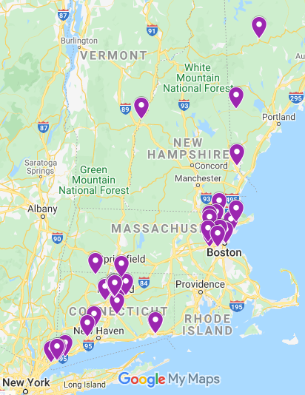
ROUTE 1
Stop No | Location | Day | Arrival Time | Departure Time | Delivery Volume | Distance Travelled
1 | Wilmington | Tuesday |  | 5.15 | 0 | 110
23 | Manchester | Tuesday | 8.00 | 8.30 | 131 | 5
13 | Glastonbury | Tuesday | 8.38 | 9.08 | 374 | 20
15 | Middletown | Tuesday | 9.38 | 10.08 | 313 | 39
12 | New London | Tuesday | 11.07 | 11.37 | 448 | 7
18 | Groton | Tuesday | 11.48 | 12.18 | 81 | 6
8 | Groton | Tuesday | 12.27 | 12.57 | 199 | 100
38 | Chestnut Hill | Tuesday | 3.27 | 3.57 | 143 | 7
5 | Boston | Tuesday | 4.08 | 4.38 | 4.38 | 4
35 | Cambridge | Tuesday | 4.44 | 5.14 | 284 | 17
42 | Wilmington | Tuesday | 5.40 | 6.10 | 491 | 0
1 | Wilmington | Tuesday | 6.10 |  | 0 | -
 |  |  |  | Total | 2468 | 315
Total On-Duty Time = |  | 12 hours 55 minutes

ROUTE 2
Stop No | Location | Day | Arrival Time | Departure Time | Delivery Volume | Distance Travelled
1 | Wilmington | Tuesday |  | 7.34 | 0 | 17
24 | Boston | Tuesday | 8.00 | 8.30 | 226 | 2
9 | Boston | Tuesday | 8.33 | 9.03 | 665 | 2
11 | Boston | Tuesday | 9.06 | 9.36 | 135 | 2
4 | Cambridge | Tuesday | 9.39 | 9.09 | 432 | 1
19 | Cambridge | Tuesday | 9.11 | 9.41 | 286 | 2
20 | Boston | Tuesday | 9.44 | 10.14 | 335 | 11
3 | Lynn | Tuesday | 10.31 | 11.01 | 100 | 18
17 | Wenham | Tuesday | 11.28 | 11.58 | 197 | 14
2 | North Andover | Tuesday | 12.19 | 12.49 | 397 | 156
34 | Rumford | Tuesday | 4.48 | 5.18 | 140 | 167
1 | Wilmington | Tuesday | 9.29 |  | 0 | -
 |  |  |  | Total | 2913 | 392
Total On-Duty Time = |  | 13 Hours 55 Minutes

ROUTE 3
Stop No | Location | Day | Arrival Time | Departure Time | Delivery Volume | Distance Travelled
1 | Wilmington | Tuesday |  | 4.21 | 0 | 146
21 | Bethany | Tuesday | 8.00 | 8.30 | 210 | 41
16 | Norwalk | Tuesday | 9.32 | 10.02 | 110 | 15
6 | Greenwich | Tuesday | 10.25 | 10.55 | 394 | 9
30 | Stamford | Tuesday | 11.09 | 11.39 | 425 | 2
26 | Stamford | Tuesday | 11.42 | 12.12 | 288 | 32
25 | Shelton | Tuesday | 1.00 | 1.30 | 572 | 157
1 | Wilmington | Tuesday | 5.26 |  | 0 | -
 |  |  |  | Total | 1999 | 402
Total On-Duty Time = |  | 13 Hours 5 Minutes

ROUTE 4
Stop No | Location | Day | Arrival Time | Departure Time | Delivery Volume | Distance Travelled
1 | Wilmington | Tuesday |  | 5.07 | 0 | 115
28 | Hanover | Tuesday | 8.00 | 8.30 | 189 | 95
33 | Parsonsfield | Tuesday | 10.53 | 11.23 | 243 | 50
39 | Dover | Tuesday | 12.38 | 1.08 | 237 | 157
27 | Enfield | Tuesday | 5.04 | 5.34 | 256 | 61
1 | Wilmington | Tuesday | 7.05 |  | 0 | -
 |  |  |  | Total | 925 | 478
Total On-Duty Time = |  | 13 Hours 58 Minutes

ROUTE 5
Stop No | Location | Day | Arrival Time | Departure Time | Delivery Volume | Distance Travelled
1 | Wilmington | Tuesday |  | 7.48 | 0 | 8
22 | Billerica | Tuesday | 8.00 | 8.30 | 407 | 6
31 | Bedford | Tuesday | 8.39 | 9.09 | 226 | 11
36 | Weston | Tuesday | 9.26 | 9.56 | 114 | 5
7 | Wellesley Hills | Tuesday | 10.04 | 10.34 | 409 | 94
41 | Hartford | Tuesday | 12.55 | 1.25 | 111 | 2
29 | Hartford | Tuesday | 1.28 | 1.58 | 496 | 1
40 | Hartford | Tuesday | 2.00 | 2.30 | 105 | 0
37 | Hartford | Tuesday | 2.30 | 3.00 | 263 | 3
32 | Hartford | Tuesday | 3.05 | 3.35 | 164 | 9
14 | Farmington | Tuesday | 3.49 | 4.19 | 180 | 25
10 | West Hartland | Tuesday | 4.56 | 5.26 | 257 | 131
1 | Wilmington | Tuesday | 8.43 |  | 0 | -
 |  |  |  | Total | 2732 | 295
Total On-Duty Time = |  | 12 hours 55 minutes

Total Cargo Volume= |  | 11537
Total Distance Travelled= |  | 1882

