Final Routes
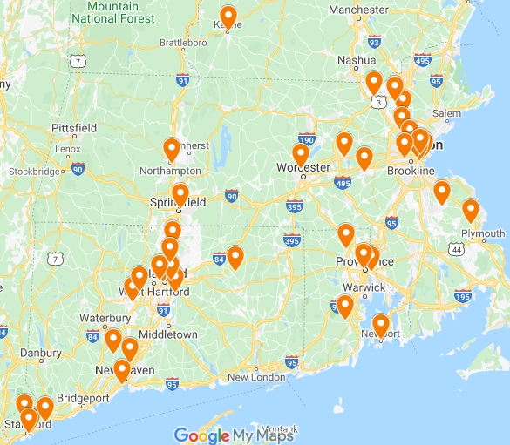
ROUTE 1
Stop No | Location | Arrival Time | Departure Time | Delivery Volume | Distance traveled
1 | DC |  | 7.45 AM | 0 | 9
2 | Woburn | 8.00 AM | 8.30 AM | 461 | 6
8 | Medford | 8.39 AM | 9.09 AM | 239 | 6
20 | Boston | 9.18 AM | 9.48 AM | 280 | 3
19 | Boston | 9.53 AM | 10.23 AM | 420 | 6
39 | Brighton | 10.32 AM | 11.02 AM | 132 | 18
27 | Framingham | 11.29 AM | 11.59 AM | 137 | 3
23 | Marlborough | 12.08 PM | 12.37 PM | 164 | 19
31 | Worcester | 1.58 PM | 2.28 PM | 159 | 54
1 | DC | 3.49 PM | - | 0 | -
 |  |  | Total | 1992 | 124
Total On Duty Time = |  | 8 Hours 4 Minutes

ROUTE 2
Stop No | Location | Arrival Time | Departure Time | Delivery Volume | Distance traveled
1 | DC |  | 7.47 AM | 0 | 21
25 | Lowell | 8.00 AM | 8.30 AM | 159 | 5
3 | Tewksbury | 8.37 AM | 10.01 AM | 2800 | 4
1 | DC | 10.07 AM | - | 0 | -
 |  |  | Total | 2959 | 30
Total On Duty Time = |  | 3 Hours and 24 Minutes

ROUTE 3
Stop No | Location | Arrival Time | Departure Time | Delivery Volume | Distance traveled
1 | DC |  | 5.48 AM | 0 | 88
32 | Newport | 8.00 AM | 8.30 AM | 366 | 21
34 | Exeter | 9.02 AM | 9.32 AM | 151 | 28
4 | East Providence | 10.14 AM | 11.20 AM | 2202 | 3
14 | Providence | 11.25 AM | 11.55 AM | 241 | 10
15 | Smithfield | 12.10 PM | 12.40 PM | 212 | 70
1 | DC | 2.25 PM |  | 0 | -
 |  |  | Total | 3172 | 220
Total On Duty Time = |  | 9 Hours and 13 Minutes

ROUTE 4
Stop No | Location | Arrival Time | Departure Time | Delivery Volume | Distance traveled
1 | DC |  | 5.39 AM | 0 | 94
21 | Storrs Mansfield | 8.00 AM | 8.30 AM | 304 | 22
29 | Glastonbury | 9.03 AM | 9.33 AM | 140 | 17
37 | Windsor | 9.59 AM | 10.29 AM | 94 | 5
13 | Windsor Locks | 10.37 AM | 11.07 AM | 210 | 15
18 | Springfield | 11.30 AM | 12.00 PM | 140 | 19
33 | Northampton | 12.29 PM | 12.59 PM | 151 | 61
5 | Keene | 1.31 PM | 2.01 PM | 246 | 24
1 | DC | 2.37 PM |  | 0 | -
 |  |  | Total | 1285 | 257
Total On Duty Time = |  | 9 Hours and 2 Minutes

ROUTE 5
Stop No | Location | Arrival Time | Departure Time | Delivery Volume | Distance traveled
1 | Wilmington |  | 7.34 AM | 0 | 17
9 | Boston | 8.00 AM | 8.30 AM | 328 | 1
16 | Boston | 8.02 AM | 8.32 AM | 120 | 21
6 | Rockland | 9.04 AM | 9.34 AM | 2077 | 16
26 | Duxbury | 9.58 AM | 10.28 AM | 176 | 33
17 | Boston | 11.15 AM | 11.45 AM | 157 | 19
1 | Wilmington | 12.14 AM |  | 0 | -
 |  |  | Total | 2858 | 107
Total On Duty Time = |  | 5 Hours and 48 Minutes

ROUTE 6
Stop No | Location | Arrival Time | Departure Time | Delivery Volume | Distance traveled
1 | Wilmington |  | 2.21 AM | 0 | 186
28 | Stamford | 8.00 AM | 8.30 AM | 197 | 1
38 | Stamford | 8.30 AM | 9.00 AM | 235 | 2
11 | Stamford | 9.00 AM | 9.30 AM | 112 | 8
30 | Norwalk | 9.42 AM | 10.12 AM | 376 | 180
1 | Wilmington | 2.42 PM |  | 0 | -
 |  |  | Total | 920 | 377
Total On Duty Time = |  | 12 Hours and 21 Minutes

ROUTE 7
Stop No | Location | Arrival Time | Departure Time | Delivery Volume | Distance traveled
1 | Wilmington |  | 2.24 AM | 0 | 144
12 | Hamden | 8.00 AM | 8.30 AM | 283 | 9
40 | West Haven | 8.44 AM | 9.14 AM | 130 | 13
10 | Bethany | 9.34 AM | 10.04 AM | 396 | 24
22 | Plainville | 10.40 AM | 11.10 AM | 286 | 5
24 | Farmington | 11.18 AM | 11.48 AM | 280 | 10
36 | Hartford | 12.03 PM | 12.33 PM | 149 | 1
7 | Hartford | 12.35 PM | 12.43 PM | 236 | 5
35 | East Hartford | 12.51 PM | 1.21 PM | 246 | 108
1 | Wilmington | 4.03 PM |  | 0 | -
 |  |  | Total | 2006 | 319
Total On Duty Time = |  | 13 Hours and 30 Minutes

Total Cargo Volume= |  | 15192
Total Distance Travelled= |  | 1434

