Sheet1
 | Files Tested | Found | Correct | Wrong |  | Files Tested | Faces Found | Robert Downey Jr. Images Used | Correct | Wrong
Files Where Multiple Faces Were Detected: | 7219 | 23 | 13 | 10 | Facial Recognition | 7270 | 6757 | 51 | 49 | 2 Where face was not detected

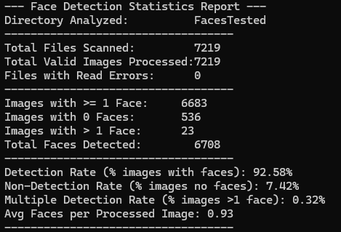
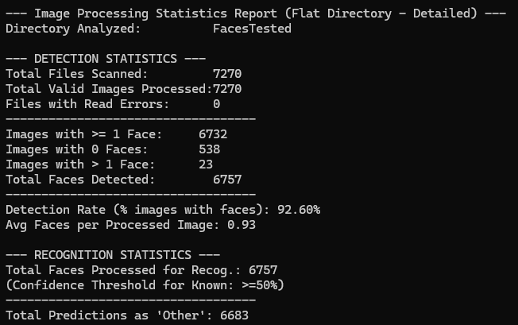
 |  |  |  |  | Confidence rates: | 1 | 62.9
 |  |  |  |  |  | 2 | 64.3
 |  |  |  |  |  | 3 | 68.3
 |  |  |  |  |  | 4 | 62.4
 |  |  |  |  |  | 5 | 66.3
 |  |  |  |  |  | 6 | 67.7
 |  |  |  |  |  | 7 | 87.9
 |  |  |  |  |  | 8 | 58.8
 |  |  |  |  |  | 9 | 56.1
 |  |  |  |  |  | 10 | 54.9
 |  |  |  |  |  | 11 | 63.4
 |  |  |  |  |  | 12 | 61
 |  |  |  |  |  | 13 | 59.4
 |  |  |  |  |  | 14 | 65.4
 |  |  |  |  |  | 15 | 66.2
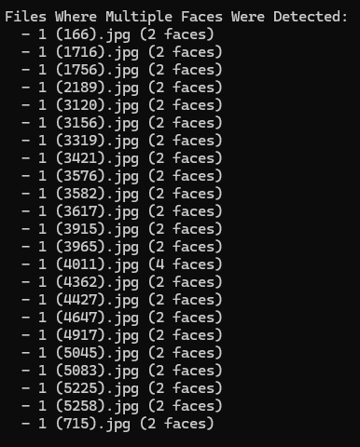
 |  |  |  |  |  | 16 | 62.4
 |  |  |  |  |  | 17 | 55.4
 |  |  |  |  |  | 18 | 88.2
 |  |  |  |  |  | 19 | 60.5
 |  |  |  |  |  | 20 | 83.8
 |  |  |  |  |  | 21 | 64.2
 |  |  |  |  |  | 22 | 63.6
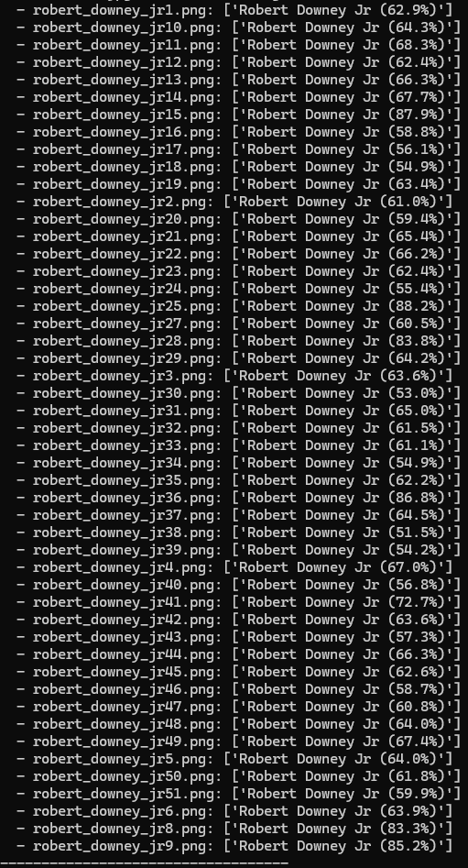
 |  |  |  |  |  | 23 | 53
 |  |  |  |  |  | 24 | 65
 |  |  |  |  |  | 25 | 61.5
 |  |  |  |  |  | 26 | 61.1
 |  |  |  |  |  | 27 | 54.9
 |  |  |  |  |  | 28 | 62.2
 |  |  |  |  |  | 29 | 86.8
 |  |  |  |  |  | 30 | 64.5
 |  |  |  |  |  | 31 | 51.5
 |  |  |  |  |  | 32 | 54.2
 |  |  |  |  |  | 33 | 67
 |  |  |  |  |  | 34 | 56.8
 |  |  |  |  |  | 35 | 72.7
 |  |  |  |  |  | 36 | 63.6
 |  |  |  |  |  | 37 | 57.3
 |  |  |  |  |  | 38 | 66.3
 |  |  |  |  |  | 39 | 62.6
 |  |  |  |  |  | 40 | 58.7
details regarding the img that no face was detected: |  |  |  |  |  | 41 | 60.8
hand on face |  |  |  |  |  | 42 | 64
Person not looking at the camera(side of the face) |  |  |  |  |  | 43 | 67.4
some degree of facial hair |  |  |  |  |  | 44 | 64
Not whole face in picture |  |  |  |  |  | 45 | 61.8
Wears hat & Facial Hair |  |  |  |  |  | 46 | 59.9
lighting conditions(Too bright/Too dark) |  |  |  |  |  | 47 | 63.9
 |  |  |  |  |  | 48 | 83.3
 |  |  |  |  |  | 49 | 85.2
 |  |  |  |  |  | Average | 64.757
 |  |  |  |  |  | Min | 51.5
 |  |  |  |  |  | Max | 88.2

