Visual Assets
Visual Assets
Attach screenshots 1–3 to the final permission-based email. The demo is fictional and must be labelled as a product example, not a customer reference.
1 — Partner offer (lead image) | 2 — Interactive festival demo (fictional)
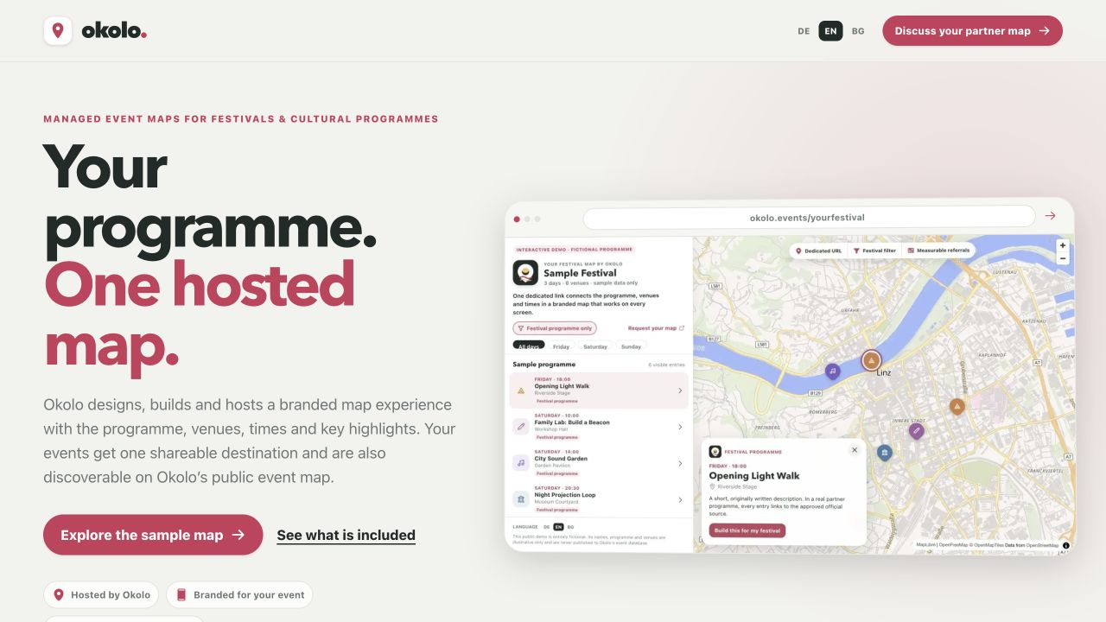
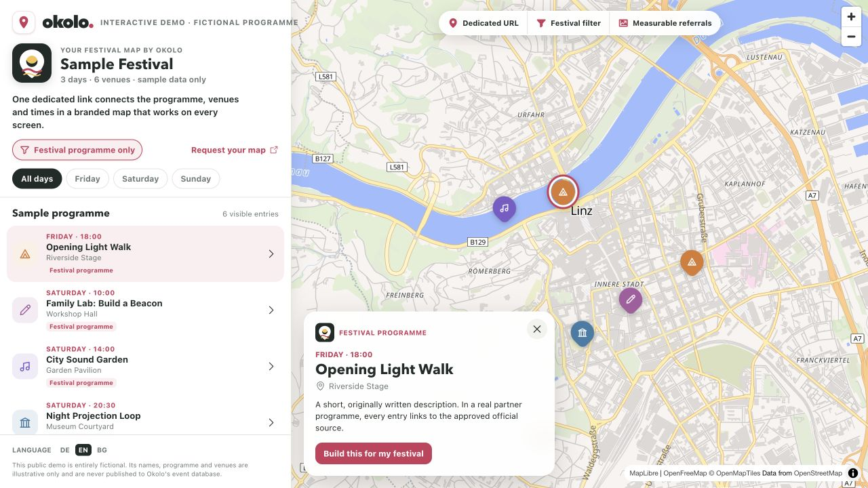

https://www.okolo.events/partners — managed hosted-map offer | https://www.okolo.events/partners/demo — explicitly fictional product demo

3 — Live Okolo map | 4 — Account sign-in (appendix only)
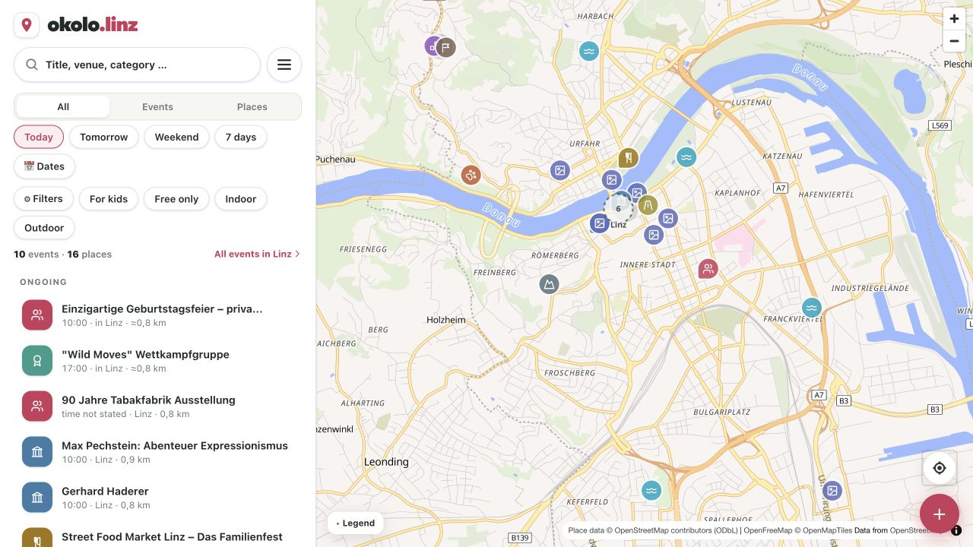
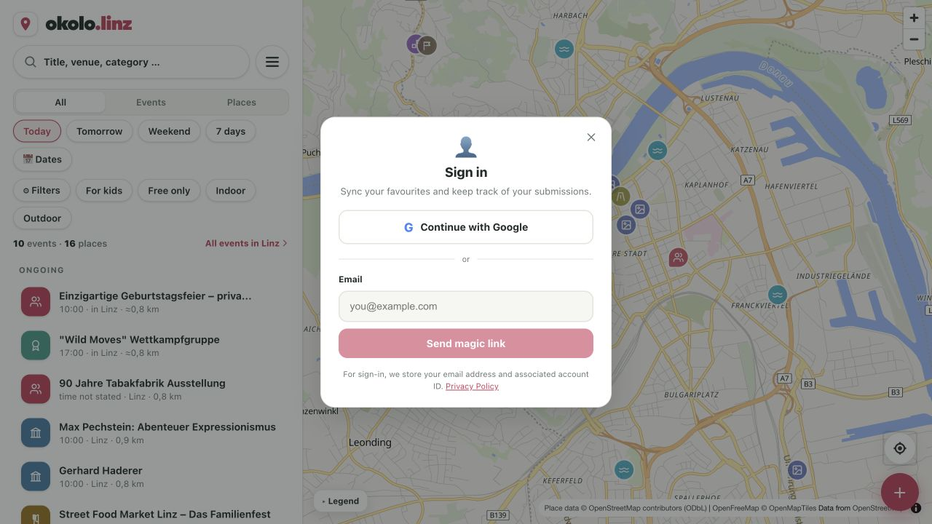

https://www.okolo.events — live map and discovery product | Use only when discussing saved items and structured submissions; it is not an organiser dashboard.

