Spot Check
Created on 20 June, 2018 | By AV Sivaprasad

GeoTiff tiles in: | /g/data/v27/DSM/EPSG4326_1deg_0.00025pixel/dsm1sv1_0_Clean.img
NetCDF tiles are in: | /g/data/u46/wofs/confidence_albers/dsm/tiles
GeoTiff tiles are in: | /g/data/v27/DSM/EPSG4326_1deg_0.00025pixel/dsm1sv1_0_Clean.img
DESCRIPTION
Each NetCDF tile is created by ingesting four GeoTiff tiles. The fidelity of data may be assumed if the min/max values in NetCDF are within the range of those in the GeoTiff. It appears that the data is correctly transferred within the three tiles tested. The visual representation, where the NetCDF tile is superimposed on the GeoTiff tiles show that the terrain is perfectly matching between the two. It too indicates that the data is correct.
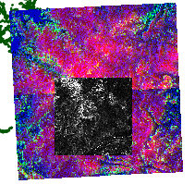

Tile Location | Filename | Image Type | Min Slope | Max Slope | Min Elevation | Max Elevation | Fidelity
Land | DSM_125_-017.tif | GeoTiff | 0.3095 | 16.5533 | 152.5410 | 660.1360
Land | DSM_126_-017.tif | GeoTiff | 0.2845 | 12.1745 | 344.9530 | 616.7430
Land | DSM_126_-016.tif | GeoTiff | 0.2563 | 8.8962 | 253.9660 | 486.4790
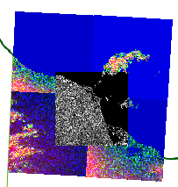
Land/Sea | DSM_125_-016.tif | GeoTiff | 0.0000 | 20.3495 | 0.0000 | 544.6500
Land | DSM_-7_-18.nc | NetCDF | 0.3506 | 15.1013 | 310.2800 | 587.1820 | OK

Land | DSM_138_-018.tif | GeoTiff | 0.1594 | 9.8486 | 11.0965 | 217.0560
Land/Sea | DSM_139_-018.tif | GeoTiff | 0.0000 | 2.1452 | 0.0000 | 27.8742
Land/Sea | DSM_139_-017.tif | GeoTiff | 0.0000 | 2.1452 | 0.0000 | 27.8742
Land/Sea | DSM_138_-017.tif | GeoTiff | 0.0000 | 1.6760 | 0.0000 | 19.7746
Land/Sea | DSM_7_-19.nc | NetCDF | 0.0000 | 2.1763 | 0.0000 | 59.1201 | OK

Sea | DSM_138_-016.tif | GeoTiff | NaN | 0.0000 | NaN | 0.0000
Sea | DSM_139_-016.tif | GeoTiff | NaN | 0.0000 | NaN | 0.0000
Sea | DSM_139_-015.tif | GeoTiff | NaN | 0.0000 | NaN | 0.0000
Sea | DSM_138_-015.tif | GeoTiff | NaN | 0.0000 | NaN | 0.0000
Sea | DSM_7_-17.nc | NetCDF | NaN | 0.0000 | NaN | 0.0000 | OK

Land Anomalies
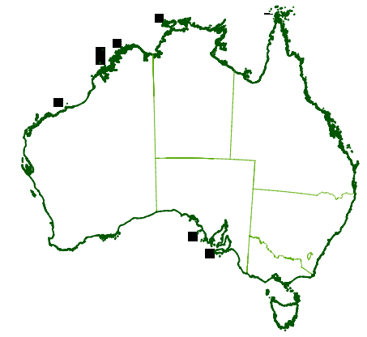
Dir: /g/data/u46/wofs/confidence_albers/dsm/tiles
NetCDF File | Valid numbers in 'slope', or all are NaN and zero | File size | Terrain | Comments

24. DSM_-15_-22.nc | Dataset is *** Empty **************** | 0.27 M | Land | Incorrectly classified as Land, because a grid that was offset by some pixels was used to create the hash array. New grid is the correct one.
112. DSM_-8_-15.nc | Dataset is *** Empty **************** | 0.27 M | Land | Incorrectly classified as Land, because a grid that was offset by some pixels was used to create the hash array. New grid is the correct one.
450. DSM_-10_-17.nc | Dataset is *** Empty **************** | 0.27 M | Land | Tiny island. Unlikely to have lost it by tile shifting to the left. May be an atoll that submerges in high tide?
629. DSM_-10_-16.nc | Dataset is *** Empty **************** | 0.27 M | Land | Tiny island. Unlikely to have lost it by tile shifting to the left. May be an atoll that submerges in high tide?
1186. DSM_1_-38.nc | Dataset is *** Empty **************** | 0.27 M | Land | Incorrectly classified as Land, because a grid that was offset by some pixels was used to create the hash array. New grid is the correct one.
1321. DSM_3_-40.nc | Dataset is *** Empty **************** | 0.27 M | Land | Incorrectly classified as Land, because a grid that was offset by some pixels was used to create the hash array. New grid is the correct one.
1333. DSM_10_-11.nc | Dataset is *** Empty **************** | 0.28 M | Land | Tiny islands. Lost two geo tiles and hence these islands did not count.
1335. DSM_-3_-12.nc | Dataset is *** Empty **************** | 0.27 M | Land | Incorrectly classified as Land, because a grid that was offset by some pixels was used to create the hash array. New grid is the correct one.

Sea Anomalies
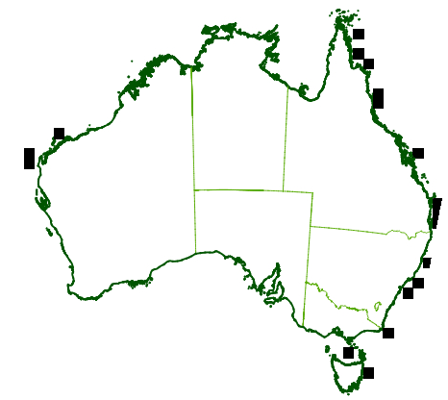
Dir: /g/data/u46/wofs/confidence_albers/dsm/tiles

It is unclear why these tiles come up as having valid data. In QGIS they show only NaN and 0
It possible that my program which masks 0 and NaNs are not masking NaN. Must check, change the code and re-run it on these tiles alone. Low or no priority?

NetCDF File | Valid numbers in 'slope', or all are NaN and zero | File size | Terrain | Comments
27. DSM_13_-13.nc | Dataset has valid values | 0.28 M | Sea | Near islands. All NaN and 0. Unlikely to have gained them by tile shifting to the left. May be an atoll that exposed in low tide? Off the coast of cape york
284. DSM_20_-36.nc | Dataset has valid values | 0.33 M | Sea | Two geo tiles do not exist. All values are 0. What would be the value in parts that do not eixst?
498. DSM_15_-19.nc | Dataset has valid values | 0.27 M | Sea | Only 0 and NaN. Will some of the zeros be slightly above 0 ?
551. DSM_14_-47.nc | Dataset has valid values | 0.27 M | Sea | No land. Off the coast of Tasmania.
581. DSM_21_-32.nc | Dataset has valid values | 0.33 M | sea | No land. Off the coast of QLD. Also, two geo tiles are missing.
673. DSM_13_-15.nc | Dataset has valid values | 0.27 M | Sea | Near islands. All NaN and 0. Likely to have gained them by tile shifting to the left. May be an atoll that exposed in low tide? Off the coast of cape york
702. DSM_18_-39.nc | Dataset has valid values | 0.27 M | Sea | Only 0 and NaN. Will some of the zeros be slightly above 0 ?
753. DSM_19_-25.nc | Dataset has valid values | 0.27 M | Sea | Tip of a small island. Off the coast of cape york
930. DSM_21_-31.nc | Dataset has valid values | 0.33 M | sea | Three geo tiles do not exist. All values are 0. What would be the value in parts that do not eixst?
966. DSM_-17_-23.nc | Dataset has valid values | 0.29 M | Sea | Tip of a small island. Off the coast of WA
1009. DSM_21_-30.nc | Dataset has valid values | 1.07 M | sea | Incorrectly marked as Sea, because a grid that was offset by some pixels was used to create the hash array. New grid is the correct one. Fixed. Tile has positive values.
1127. DSM_15_-20.nc | Dataset has valid values | 0.30 M | Sea | Tip of a small island. Off the coast of WA
1157. DSM_16_-43.nc | Dataset has valid values | 0.27 M | Sea | No land at all. Off the coast of NSW
1309. DSM_19_-38.nc | Dataset has valid values | 0.27 M | Sea | No land at all. Off the coast of WA
1452. DSM_-20_-25.nc | Dataset has valid values | 0.27 M | sea | No land at all. Off the coast of WA
1563. DSM_14_-16.nc | Dataset has valid values | 0.28 M | Sea | Islands. Off the coast of QLD
1650. DSM_-20_-26.nc | Dataset has valid values | 0.27 M | sea | No land at all. Above Tasmania
1679. DSM_12_-45.nc | Dataset has valid values | 0.27 M | Sea | No land at all. Off the coast of WA

