test 1
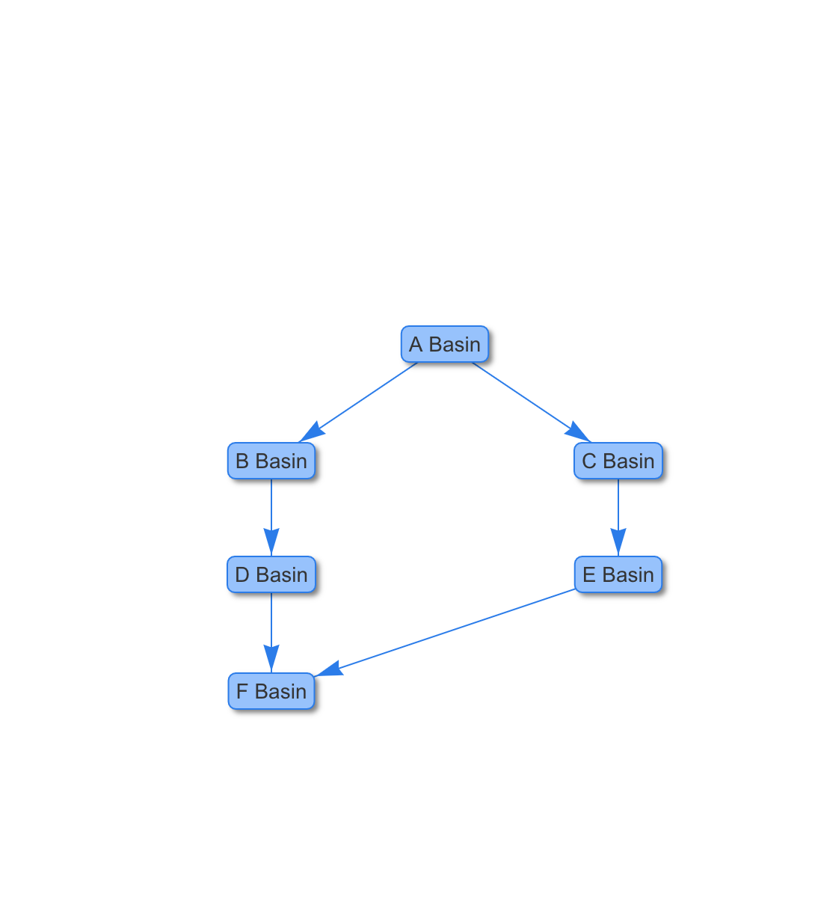
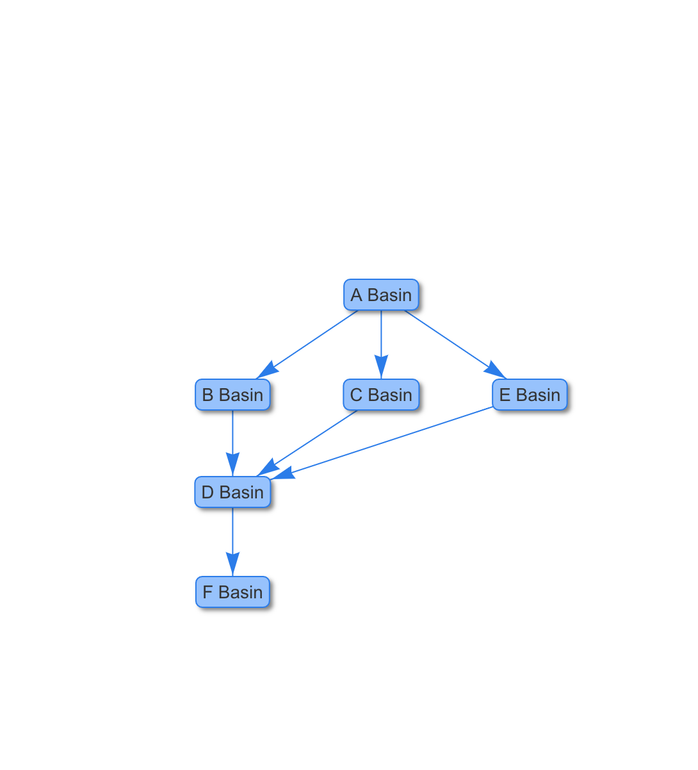
Goal 1 Weight | 3
Goal 2 Weight | 2 | 305b Listings (Cat 4+5)
305b Listings (Cat 4+5) |  | 3
0.5 |  | Imperviousness
Imperviousness |  | 3
0.5 |  | WQBE Total Suspended Solids concentration
WQBE Total Suspended Solids concentration |  | 3
0.5 |  | BRE facilities
BRE facilities |  | 3
0.5 |  | BRE Critical Facilities
BRE Critical Facilities |  | 3
0.5 |  | Built before 1990
Built before 1990 |  | 3
0.5 |  | Precip change
Precip change |  | 2
1 |  | Urban Heat Island
Urban Heat Island |  | 2
1

test2
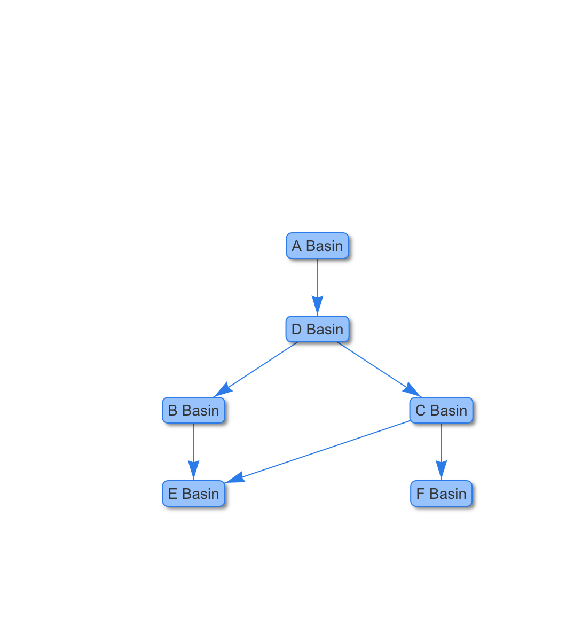
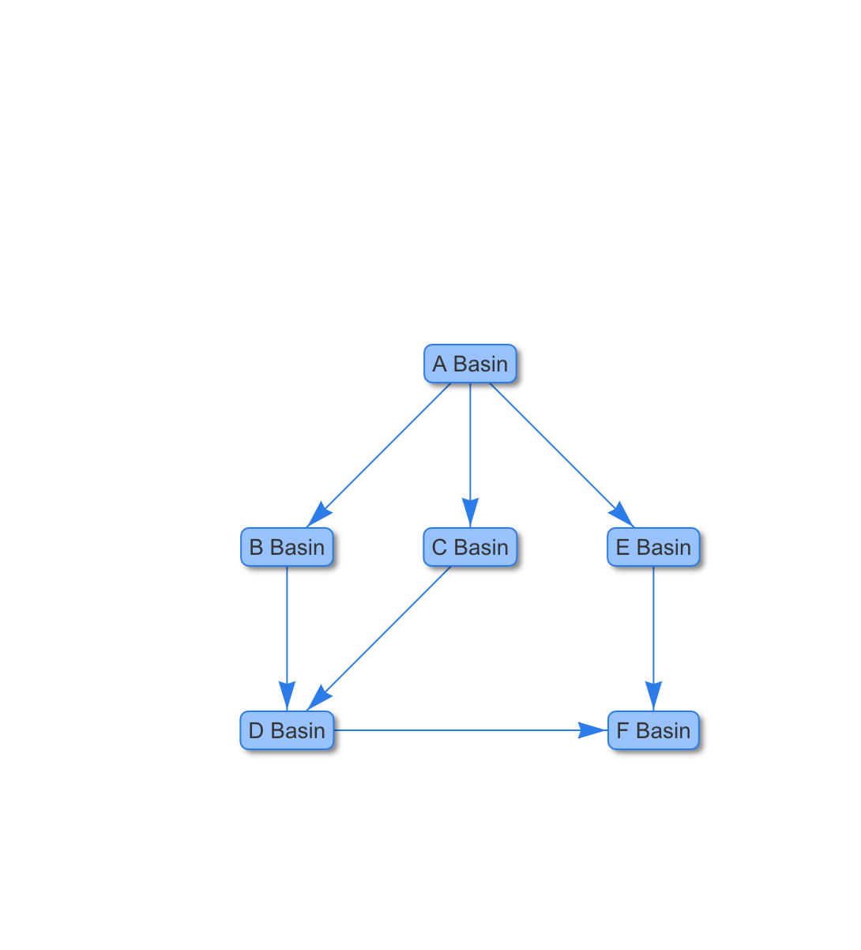
Goal 1 Weight | 2 | 0.33333333333
Goal 2 Weight | 3

