Sheet1
Test Scenario ID | Test Scenario | ID:Test Case Desription | Pre-Conditions | Test Steps | Test Data | Expected Results | Status | Actual Results

TS_001 | Check if the existing/New user is able to login/Register with valid credentials | TC_001:Verify if the existing user is able to login with valid username & password | User can navigate the turnup portal login page | Existing user can navigate the turnup portal login page. User enters the username and password and clicks on login button | Url: https://localhost:5000 Username: geothy@gmail.com Password:7geothy* | User should be able to navigate the turnup portal login page User should be able to enter username and password correctly & able to click login button. After successful login user should be able to see the profile page. | Passed | 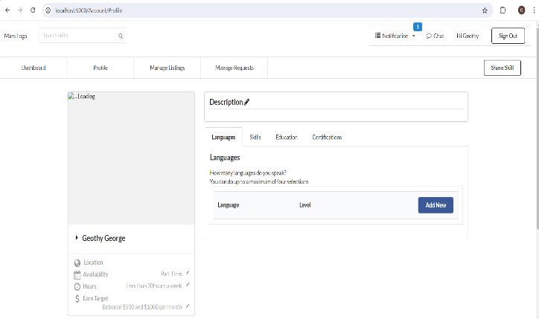
TS_002 | Check if the existing user is not able to login with invalid credentials | TC_002: Verify if the existing user is not able to login with (valid/invalid)username & (invalid/valid)password | User can navigate the turnup portal login page | Existing user can navigate the turnup portal login page. User enters the (valid)username and (invalid)password and clicks on login button. Or User enters the (invalid)username and (valid)password and clicks on login button Or User enters the (invalid)username and (invalid)password and clicks on login button | Url: https://localhost:5000 Username: geothy@gmail.com Password:123456 Or Url: https://localhost:5000 Username: hari@gmail.com Password:7geothy* Or Url: https://localhost:5000 Username: hari@gmail.com Password:123456 | User should be able to navigate the turnup portal login page User should be able to enter username and password & when click the login button should not be able to login. | Passed | 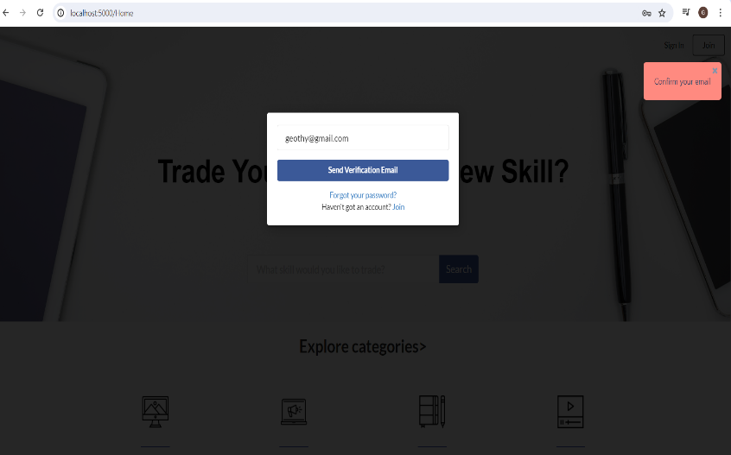
TS_003 | Check if the existing user is able to change password. | TC_003:Verify if existing user is able to change password | User is navigated to Profile page | User clicks on the change password from the profile menu dropdown.User makes the desired changes and updates the password. | Current Password:7geothy* New Password:7Geothy* Confirm Password:7Geothy* | User should be able to navigate the profile page. User should be able to change the desired data in password. User should be able to update the changes. | Passed | 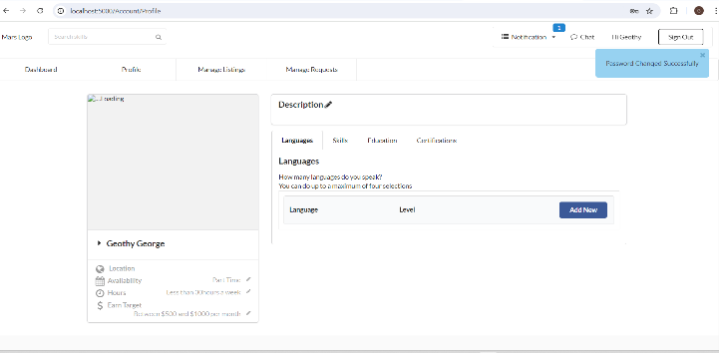
TS_004 | Check if the existing user is unable to change password. | TC_004:Verify if existing user is unable to change password | User is navigated to Profile page | User clicks on the change password from the profile menu dropdown.User makes the desired changes and is inable to update the password. | Current Password:7geothy* New Password:7geothy* Confirm Password:7geothy* | User should be able to navigate the profile page. User should be able to change the desired data in password. User is not able to update the changes. | Passed | 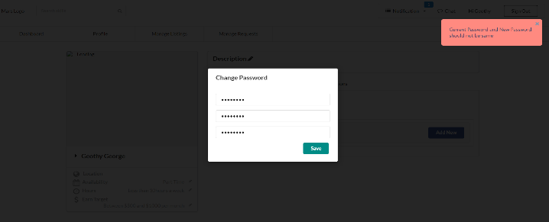
TS_005 | Check if the user is able to add new data in Education | TC_005:Verify if user is navigated to add a new data by clicking on Add new button in Education tab TC_006:Verify if user is able to add college name,Country,Title,Degree & year of Graduation in Education field | User is navigated to Profile page | User clicks on Add new button in Education section & is navigated to new entry Textbox. User selects college name,Country,Title,Degree,Year of Graduation in Education tab. User adds the data. | College/University Name:RMU Country of College/University:United States Title:BTech Degree:BE Year of Graduation:2004 Or College/University Name:Rcert Country of College/University:India Title:BTech Degree:abcd Year of Graduation:2014 Or College/University Name:1234 Country of College/University:Belgium Title:BA Degree:78.88 Year of Graduation:2007 Or College/University Name:a3456 Country of College/University:Bangladesh Title:Associate Degree:BE Year of Graduation:2004 | User should be able to enter data in College,Degree. User should be able to select Country of College/University,Title,Year of Graduation from dropdown. User should be able to add the education. | Passed |  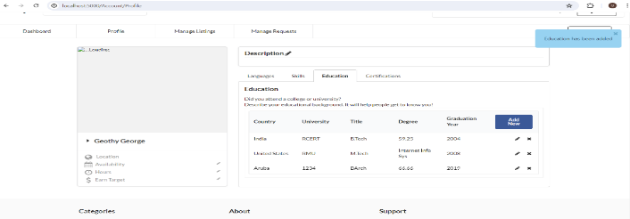 
TS_006 | Check if the user is unable to add new Education | TC_007: Verify if user is unable to add the data in Language section. | User is navigated to Profile page | User clicks on Add new button in Education section & is navigated to new entry Textbox. User selects college name,Country,Title,Degree,Year of Graduation in Education tab. User clicks on add. | College/University Name: Country of College/University:Armania Title:BArch Degree: Year of Graduation:2021 OR College/University Name:___ Country of College/University:Armania Title:BArch Degree: Year of Graduation:2021 OR College/University Name:RCERT Country of College/University:India Title:BTech Degree:59.25 Year of Graduation:2004 | When User enters invalid data in Add Education. When Clicked on Add User should be not be able to add the language. | Passed | 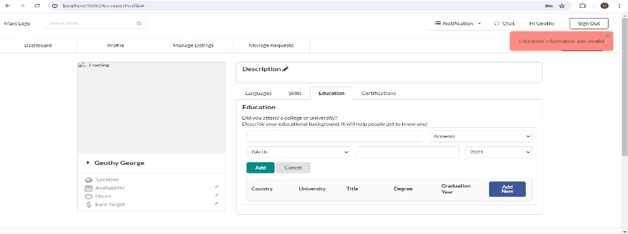 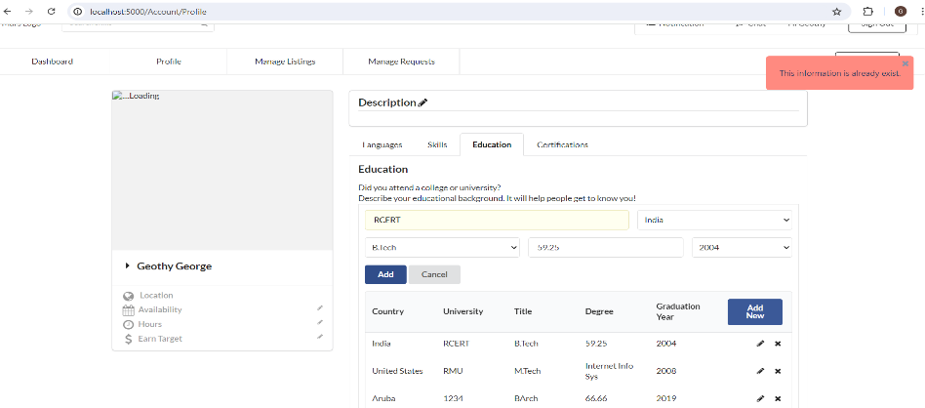 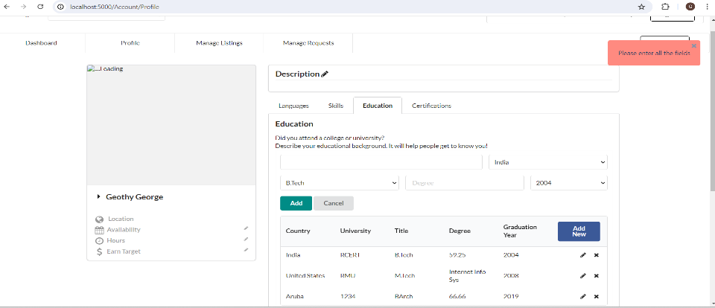
TS_007 | Check if the user is able to delete new Education | TC_008: Verify if user is able to delete the existing data in Education section. | User is navigated to Profile page | User clicks on Delete button in Education list. | College/University Name:Rcert Country of College/University:India Title:BTech Degree:59.25 Year of Graduation:2004 | User should be able to click on delete in Education list. | Passed | 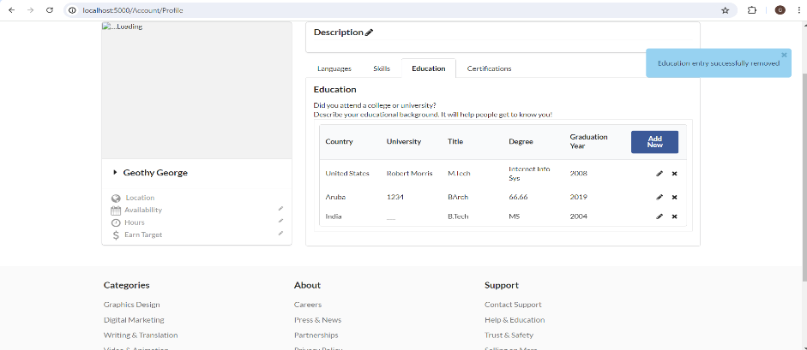
TS_008 | Check if the user is able to add new data in Certification | TC_009:Verify if user is navigated to Certifications tab TC_010:Verify if user is able to add a new data by clicking on Add new button in Certificate name,Certificate from & Certificate year in Certification field | User is navigated to Profile page | User clicks on Add new button in Certification section & is navigated to new entry Textbox. User enters Certificate name,Certificate from,Year in Certification tab. User adds the data. | Certification Name:ISTQB Certified from:ISTQB Year:2022 Or Certification Name:1234 Certified from:5678 Year:2013 OR Certification Name: Certified from: Year:2011 | User should be able to enter data in Certificate name,certified from. User should be able to select the dropdown from year. User should be able to add the data in certifications. | Passed
TS_009 | Check if the user is unable to add new data in Certification | TC_011: Verify if user is unable to add the data in Certification section. | User is navigated to Profile page | User clicks on Add new button in Certification section & is navigated to new entry Textbox. User selects Certificate name,Certificate from,Year in Certification tab. User clicks on add. | Certification Name:ISTQB Certified from:ISTQB Year:2022 Or Certification Name: Certified from:ISTQB Year:2022 | User should be able to enter invalid data in Certificate name,certified from. User should be able to select the dropdown from year. User should be unable to add the data in certifications. | Passed |  
TS_010 | Check if the user is able to delete new Certification | TC_012: Verify if user is able to delete the existing data in Certification section. | User is navigated to Profile page | User clicks on Delete button in Certification list. | Certification Name:ISTQB Foundation Certified from:ISTQB Year:2022 | User should be able to click on delete in Certification list. | Passed | 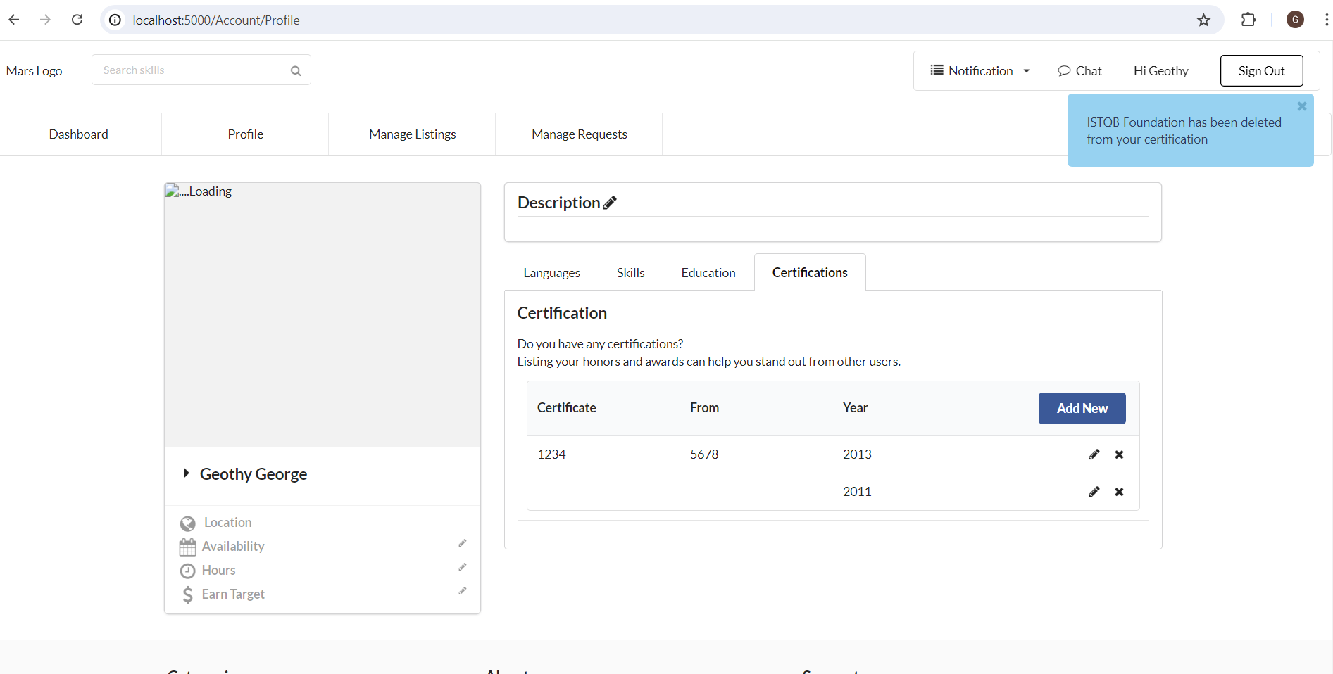
TS_011 | Check if the user is able to edit Description | TC_013:Verify if user is able to edit the existing data in Description section | User is navigated to Profile page | User clicks on Edit button in the Description section & is navigated to the text box. User makes the desired changes and updates the entered data. | More about Yourself: Love to explore new places, read books | User should be able to edit the data in description box | Passed | 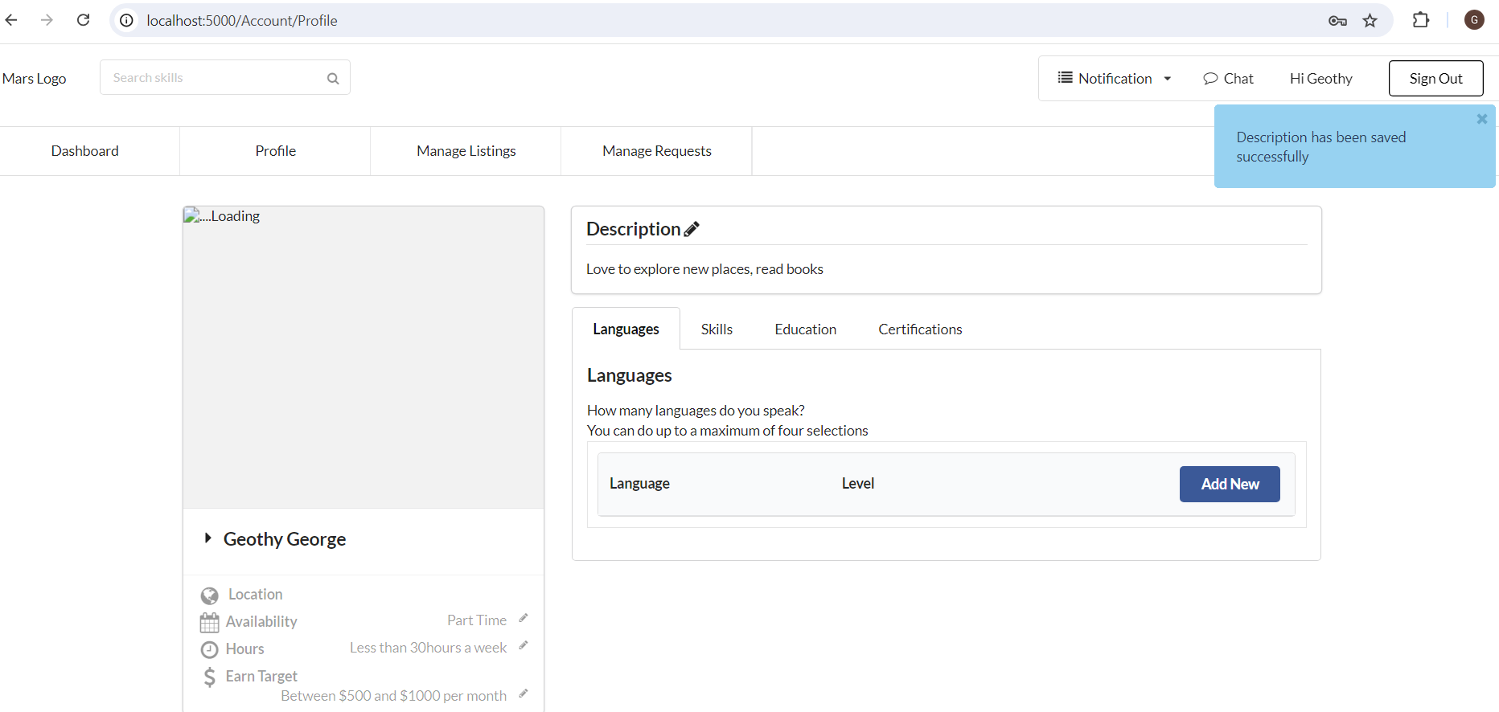
TS_012 | Check if the user is able to view Manage Listing | TC_014:Verify if user is able to view the existing data in Manage Listing | User is navigated to Profile page | User clicks on view button in the Manage Listing section & is navigated to the particular skill. User is able to view that particular skill |  | User should be able to view the skill in the manage listing | Passed
TS_013 | Check if the user is able to edit Manage Listing | TC_015:Verify if user is able to edit the existing data in Manage Listing | User is navigated to Profile page | User clicks on edit button in the Manage Listing section & is navigated to the particular skill. User is able to edit that particular skill | Title:Design Description:Designing Category:Graphics & Design SubCategory:Logo design Tags:Design Service Typr:One-Off Service Location Type:Online Available Days:16/1/2025 Skill Trade:Skill Exchange Skill Exchange:Fashion Design Active:Active | User should be able to edit the data in Manage Listing | Passed | 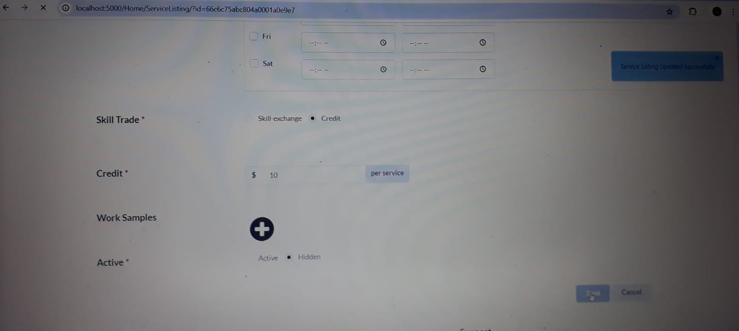
TS_014 | Check if the user is unable to edit Manage Listing | TC_016:Verify if user is unable to edit the existing data in Manage Listing | User is navigated to Profile page | User clicks on edit button in the Manage Listing section & is navigated to the particular skill. User is unable to edit that particular skill | Title:Design Description: Category:Graphics & Design SubCategory:Logo design Tags:Design Service Typr:One-Off Service Location Type:Online Available Days:16/1/2025 Skill Trade:Skill Exchange Skill Exchange:Fashion Design Active:Active | User should not be able to edit the data in Manage Listing | Passed | 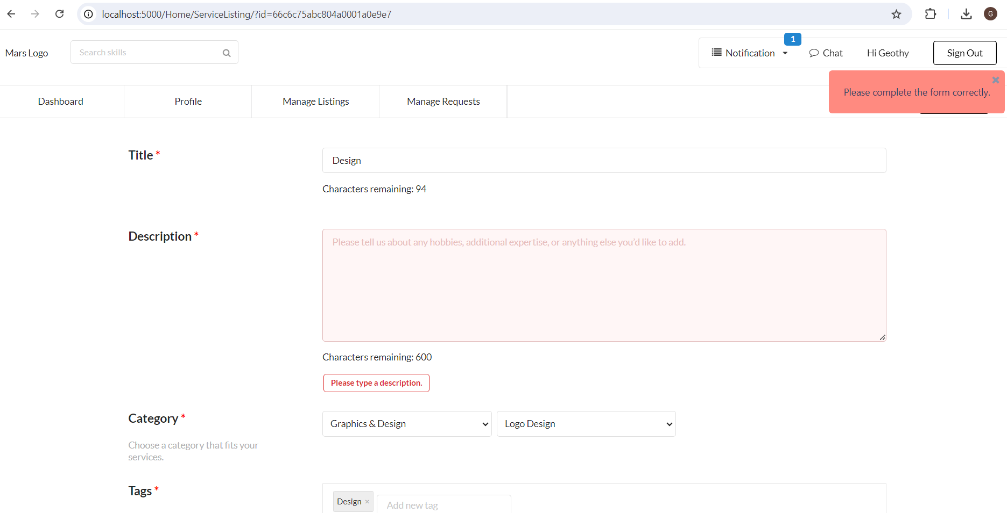
TS_015 | Check if the user is able to delete the skill from Manage Listing | TC_017:Verify if user is able to delete the existing data in Manage Listing | User is navigated to Profile page | User Clicks on Delete button in Manage Listing | Title:Design | User should be able to delete the data in Manage Listing | Passed | 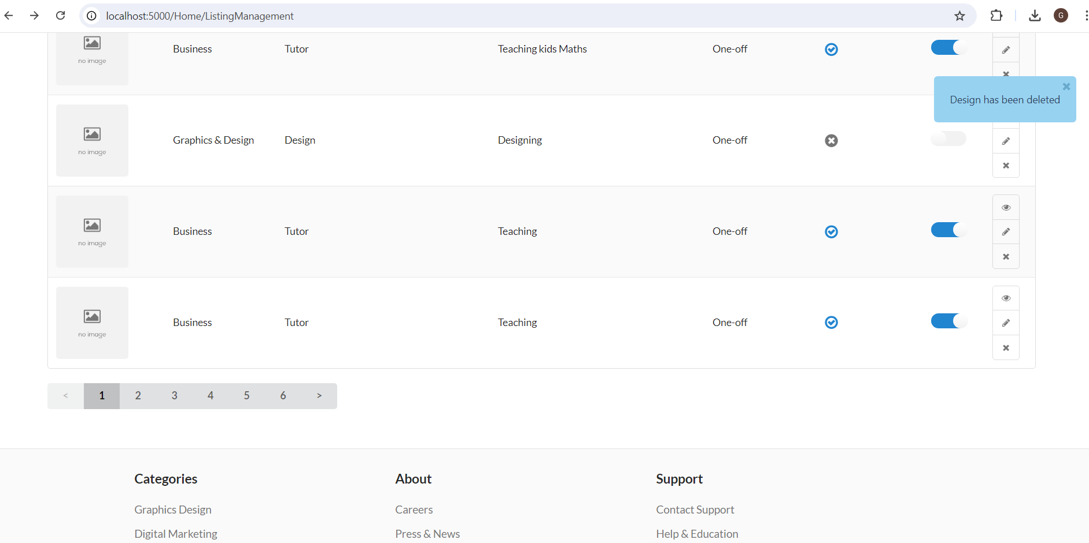
TS_016 | Check if the user is able to toggle enable/Disable from Manage Listing | TC_018:Verify if user is able to toggle enable/Disable in Manage Listing | User is navigated to Profile page | User clicks on enable/disable toggle switch in Manage Listing | Title:Designing | User should be able to enable/Disable in Manage Listing | Passed
TS_017 | Check if the user is able to complete the sent request in Manage Request | TC_019:Verify if user is able to complete the sent request in Manage Listing | User is navigated to Profile page | User Clicks on Sent Request in Manage Request dropdown.User clicks on complete in the sent request | Title:Design | User should be able to complete the sent request in Manage Listing | Passed
TS_018 | Check if the user is able to withdraw the sent request in Manage Request | TC_020:Verify if user is able to withdraw the sent request in Manage Listing | User is navigated to Profile page | User Clicks on Sent Request in Manage Request dropdown.User clicks on withdraw in the sent request | Title:Designing | User should be able to withdraw the sent request in Manage Listing | Passed
TS_019 | Check if the user is able to review the sent request in Manage Request | TC_021:Verify if user is able to review the sent request in Manage Listing | User is navigated to Profile page | User Clicks on Sent Request in Manage Request dropdown.User clicks on review in the sent request | Title:Designing | User should be able to review the sent request in Manage Listing | Passed
TS_020 | Check if the user is able to accept the recieved request in Manage Request | TC_021:Verify if user is able to accept the recieved request in Manage Listing | User is navigated to Profile page | User Clicks on Recieved Request in Manage Request dropdown.User clicks on accept in the recieved request | Title : Tutor | User should be able to accept the recieved request in Manage Listing | Passed
TS_021 | Check if the user is able to complete the recieved request in Manage Request | TC_022:Verify if user is able to accept the recieved request in Manage Listing | User is navigated to Profile page | User Clicks on Recieved Request in Manage Request dropdown.User clicks on complete in the recieved request | Title : Tutor | User should be able to complete the recieved request in Manage Listing | Passed
TS_022 | Check if the user is able to decline the recieved request in Manage Request | TC_20:Verify if user is able to decline the recieved request in Manage Listing | User is navigated to Profile page | User Clicks on Recieved Request in Manage Request dropdown.User clicks on decline in the recieved request | Title:Designing | User should be able to decline the recieved request in Manage Listing | Passed | 