Hoja1
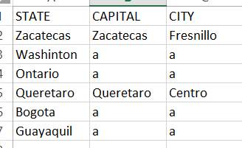
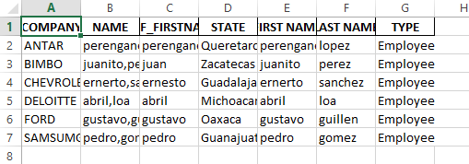
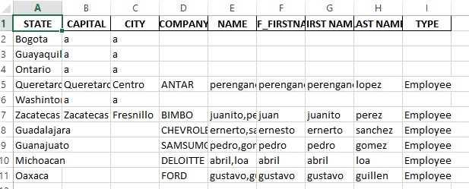
COMPANY | NAME | PREF_FIRSTNAME | STATE | FIRST NAME | LAST NAME | TYPE | CAPITAL | CITY
ANTAR | perengano,lopez | perengano | Queretaro | perengano | lopez | Employee | Queretaro | Centro
BIMBO | juanito,perez | juan | Zacatecas | juanito | perez | Employee | Zacatecas | Fresnillo
CHEVROLET | ernerto,sanchez | ernesto | Guadalajara | ernerto | sanchez | Employee
DELOITTE | abril,loa | abril | Michoacan | abril | loa | Employee
FORD | gustavo,guillen | gustavo | Oaxaca | gustavo | guillen | Employee
SAMSUMG | pedro,gomez | pedro | Guanajuato | pedro | gomez | Employee

 |  |  |  | STATE | CAPITAL | CITY
 |  |  |  | Zacatecas | Zacatecas | Fresnillo
 |  |  |  | Guanajuato | Guanajuato | Acambaro
 |  |  |  | Guadalajara | Jalisco | Zapopan
 |  |  |  | Queretaro | Queretaro | Centro
 |  |  |  | Oaxaca | Oaxaca | Pinotepa
 |  |  |  | Michoacan | Morelia | Capital

 | Location |  |  |  |  |  | file_after_split

